工作表1
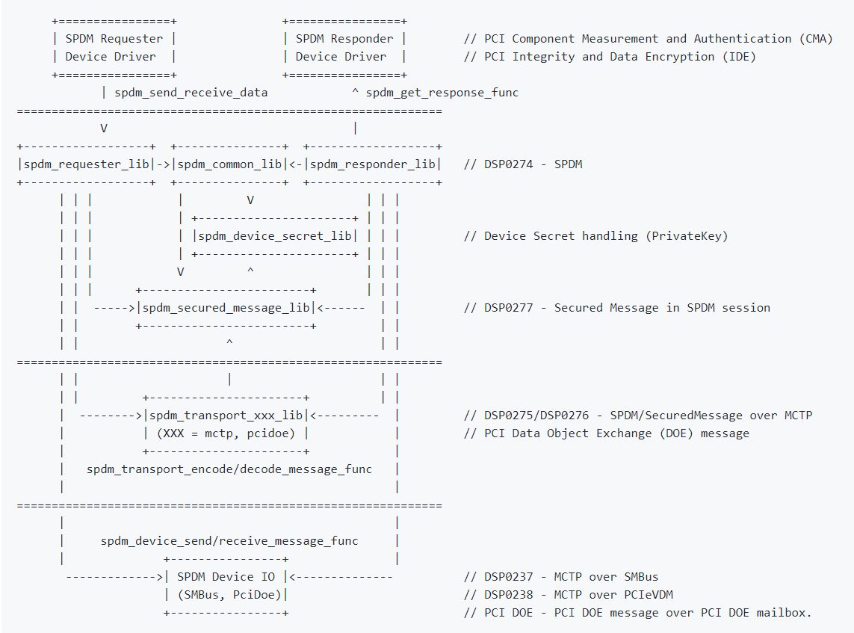

SpdmClientInit
SpdmDeviceSendMessage
SpdmSetData (SpdmContext, SpdmDataSecuredMessageVersion, &Parameter, &SpdmVersion, sizeof(SpdmVersion));
SpdmInitConnection (SpdmContext, (mExeConnection & EXE_CONNECTION_VERSION_ONLY) != 0);
SpdmGetData (SpdmContext, SpdmDataConnectionState, &Parameter, &Data32, &DataSize);

SOCKET_TRANSPORT_TYPE_MCTP
SpdmRegisterTransportLayerFunc (SpdmContext, SpdmTransportMctpEncodeMessage, SpdmTransportMctpDecodeMessage);
SOCKET_TRANSPORT_TYPE_PCI_DOE
SpdmRegisterTransportLayerFunc (SpdmContext, SpdmTransportPciDoeEncodeMessage, SpdmTransportPciDoeDecodeMessage);

