net1
edges |  |  |  |  | nodes
source | target | capacity | weight | color | node | x | y | demand
s | 1 | 2 | 1 | red | s | 0 | 0 | 1
s | 2 | 2 | 1 | green | 1 | 2 | -20 | 1
s | 3 | 2 | 1 | blue | 2 | 3 | -6 | 1
s | 5 | 3 | 1 | red | 3 | 6 | -2 | 1
s | 6 | 3 | 1 | green | 4 | 8 | -20 | 1
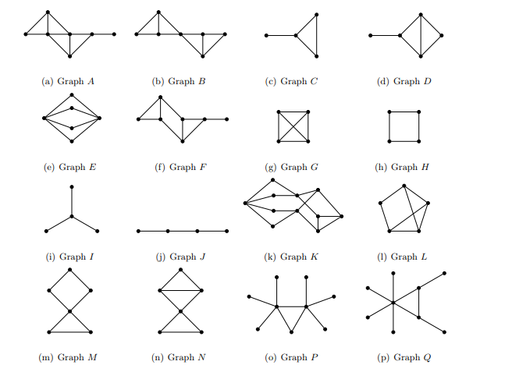
s | 7 | 3 | 1 | blue | 5 | 2 | 18 | 1
1 | 4 | 2 | 1 | red | 6 | 5 | 7 | 1
1 | 2 | 2 | 1 | red | 7 | 5 | 10 | 1
2 | 4 | 2 | 2 | green | 8 | 8 | 15 | 1
3 | 4 | 2 | 2 | blue | 9 | 5 | 3 | 1
5 | 8 | 3 | 1 | red | 14 | 8 | 5 | 1
6 | 14 | 3 | 2 | green | 17 | 9 | -2 | 1
9 | 14 | 2 | 2 | green | 19 | 14 | 0 | 1
7 | 8 | 3 | 2 | blue | 18 | 18 | 7 | 1
s | 9 | 2 | 1 | green | 20 | 16 | -6 | 1
4 | 17 | 2 | 1 | red | t | 20 | 0 | 1
4 | 19 | 3 | 1 | green
17 | 19 | 4 | 2 | blue
8 | 18 | 8 | 2 | red
19 | 18 | 3 | 2 | green
19 | 20 | 5 | 2 | blue
18 | t | 6 | 1 | red
20 | t | 6 | 1 | green
19 | t | 6 | 1 | blue
14 | 18 | 2 | 1 | blue
14 | 19 | 2 | 1 | blue

