Readme
Overview
This document outlines the structure, purpose, and usage of the CSV files provided for integration into Shop Manager. These files support data synchronization between internal systems and external platforms, and are formatted for consistent ingestion, mapping, and validation.

Data Mapping
· Each CSV file includes source system attributes to ensure accurate data mapping during import into Shop Manager.
· Each sheet has CSV header descriptions consisting of the data-type and the max length validation information.

Common External Attributes
The combination of sourceAppName and externalShopID guarantees uniqueness across records and prevents cross-system collisions.
Foreign key relationships (e.g., externalCustomerID, externalDocumentID) maintain referential integrity between entities such as customers, vehicles, invoices, line items, and payments.

Schema Highlights
Customer_Mapping
externalCustomerID: Unique customer ID from source system

Vehicle_Mapping
externalVehicleID: Unique vehicle ID from source system
externalCustomerID: Foreign key to customer

Document_Mapping
externalDocumentID: Unique invoice ID from source system
externalCustomerID: Foreign key to customer

Document_Line_Mapping
externalDatalineID: Unique line item ID from source system
externalDocumentID: Foreign key to invoice
externalParentDataLineID: Optional. If populated, indicates grouping under a job container

Payment_Mapping
externalPaymentID: Unique payment ID from source system
externalDocumentID: Foreign key to invoice

Relationship Diagram (Conceptual)
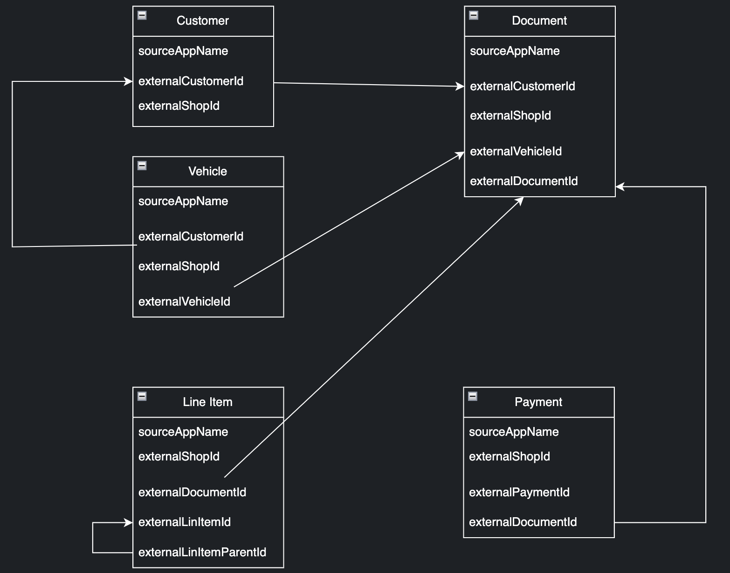

Inventory_Mapping and Supplier Mapping
These files are structured to migrate the shop's inventory data and preferred supplier data.

