14.17
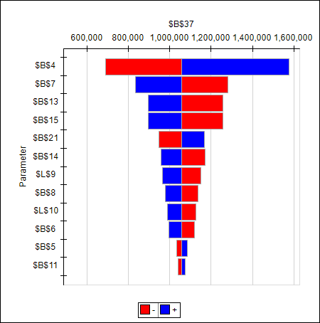

14.19
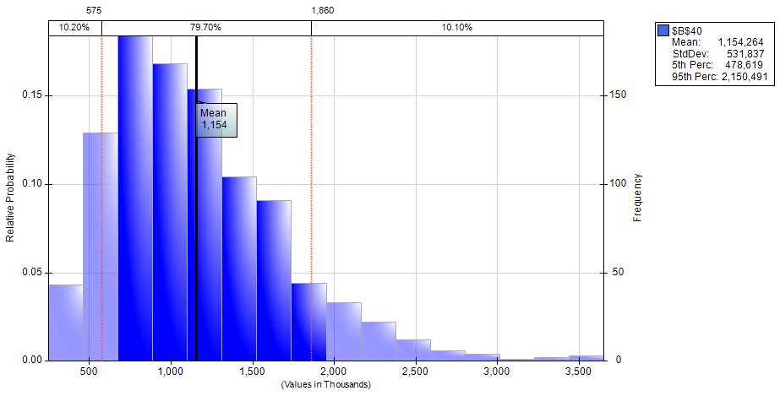

14.20
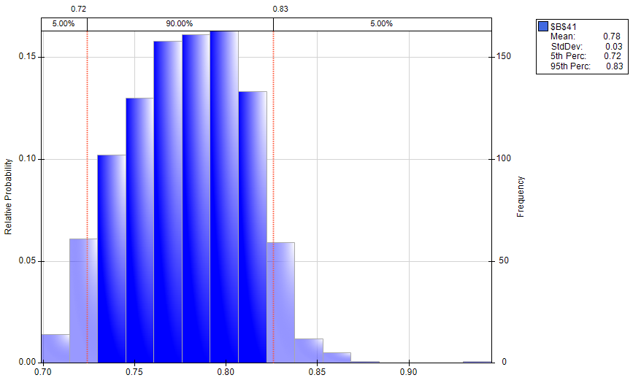

14.21
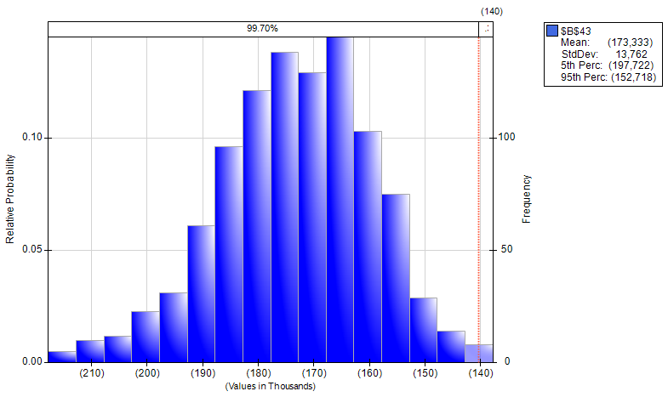

14.22
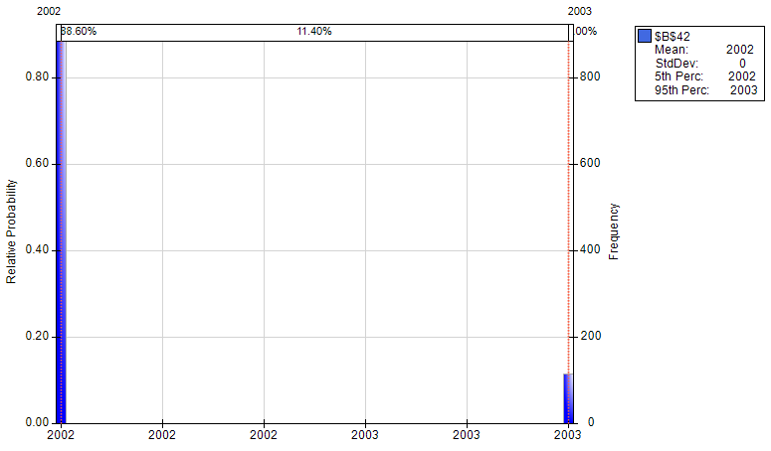

14.23
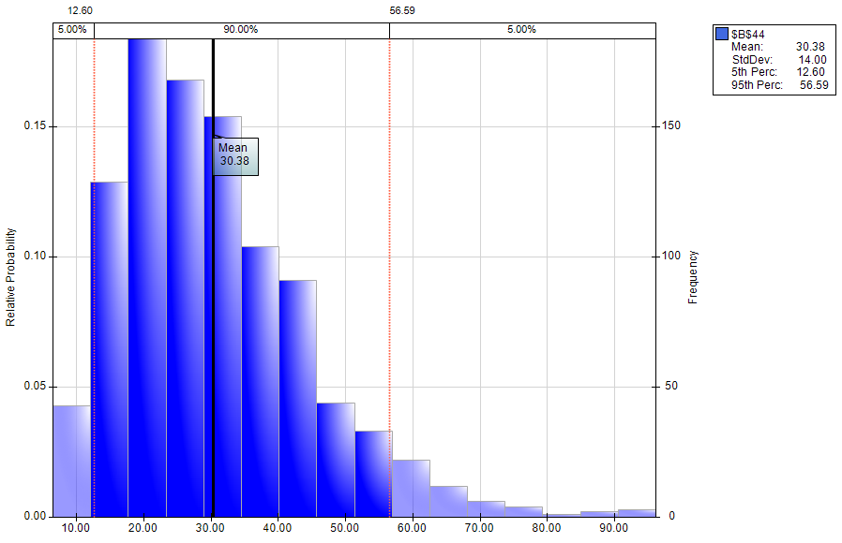

14.24
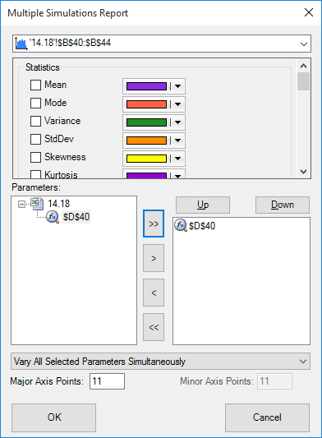

14.25
Terminal value growth rate | Total NPV: Mean | Total NPV: Min | Total NPV: Max
1% | $977,112 | $198,597 | $3,041,412
2% | $1,032,934 | $209,787 | $3,220,140
3% | $1,096,906 | $222,218 | $3,425,838
4% | $1,170,998 | $236,108 | $3,697,198
5% | $1,257,885 | $251,292 | $4,028,174
6% | $1,361,307 | $268,127 | $4,434,076
7% | $1,486,669 | $287,295 | $4,943,596
8% | $1,642,131 | $309,317 | $5,602,214
9% | $1,840,695 | $334,881 | $6,486,594
10% | $2,104,671 | $364,918 | $7,736,824

