14.27
Stock Price Model

Assumptions
 | Current price | $35
 | Strike price | $40
 | Annual days | 250
 | Average annual growth | 12%
 | Annual volatility | 30%
 | Risk-free rate | 7%

 | Daily mean | 0.00030
 | Daily standard deviation | 0.01897
Stock Price Model
 |  | Initial | Growth | Ending
 | Day | Price | Factor | Price
 | 0 | NA | NA | 35.00
 | 1 | $35.00 | 1.00 | 35.12
 | 2 | $35.12 | 0.99 | 34.60
 | 3 | $34.60 | 1.02 | 35.35
 | 4 | $35.35 | 1.02 | 36.02
 | 5 | $36.02 | 1.02 | 36.79
 | 6 | $36.79 | 1.02 | 37.57
 | 7 | $37.57 | 1.02 | 38.32
 | 8 | $38.32 | 0.98 | 37.63
 | 9 | $37.63 | 0.97 | 36.50
 | 10 | $36.50 | 1.03 | 37.70
 | 11 | $37.70 | 1.00 | 37.58
 | 12 | $37.58 | 1.00 | 37.48
 | 13 | $37.48 | 0.98 | 36.91
 | 14 | $36.91 | 1.01 | 37.16
 | 15 | $37.16 | 1.02 | 38.04
 | 16 | $38.04 | 1.02 | 38.68
 | 17 | $38.68 | 0.99 | 38.27
 | 18 | $38.27 | 1.00 | 38.35
 | 19 | $38.35 | 1.00 | 38.50
 | 20 | $38.50 | 0.98 | 37.71
 | 21 | $37.71 | 0.98 | 36.92
 | 22 | $36.92 | 1.03 | 38.21
 | 23 | $38.21 | 1.00 | 38.23
 | 24 | $38.23 | 1.01 | 38.72
 | 25 | $38.72 | 1.00 | 38.71
 | 26 | $38.71 | 0.99 | 38.45
 | 27 | $38.45 | 1.00 | 38.53
 | 28 | $38.53 | 0.98 | 37.86
 | 29 | $37.86 | 1.01 | 38.38
 | 30 | $38.38 | 0.98 | 37.77
 | 31 | $37.77 | 1.01 | 38.05
 | 32 | $38.05 | 1.02 | 38.89
 | 33 | $38.89 | 1.03 | 40.18
 | 34 | $40.18 | 0.96 | 38.70
 | 35 | $38.70 | 1.04 | 40.26
 | 36 | $40.26 | 0.99 | 40.00
 | 37 | $40.00 | 1.01 | 40.56
 | 38 | $40.56 | 0.97 | 39.40
 | 39 | $39.40 | 0.97 | 38.35
 | 40 | $38.35 | 0.99 | 37.97
 | 41 | $37.97 | 1.01 | 38.38
 | 42 | $38.38 | 1.00 | 38.28
 | 43 | $38.28 | 1.01 | 38.63
 | 44 | $38.63 | 1.02 | 39.37
 | 45 | $39.37 | 1.03 | 40.44
 | 46 | $40.44 | 1.00 | 40.42
 | 47 | $40.42 | 1.03 | 41.61
 | 48 | $41.61 | 1.00 | 41.52
 | 49 | $41.52 | 1.05 | 43.49
 | 50 | $43.49 | 0.97 | 42.35
 | 51 | $42.35 | 0.98 | 41.38
 | 52 | $41.38 | 1.00 | 41.25
 | 53 | $41.25 | 1.01 | 41.68
 | 54 | $41.68 | 1.02 | 42.57
 | 55 | $42.57 | 1.01 | 43.09
 | 56 | $43.09 | 1.01 | 43.52
 | 57 | $43.52 | 1.01 | 43.90
 | 58 | $43.90 | 1.01 | 44.42
 | 59 | $44.42 | 0.98 | 43.47
 | 60 | $43.47 | 1.03 | 44.76
 | 61 | $44.76 | 0.98 | 44.02
 | 62 | $44.02 | 1.03 | 45.16
 | 63 | $45.16 | 0.99 | 44.56
 | 64 | $44.56 | 0.97 | 43.28
 | 65 | $43.28 | 1.00 | 43.29
 | 66 | $43.29 | 0.95 | 40.92
 | 67 | $40.92 | 1.00 | 40.98
 | 68 | $40.98 | 1.02 | 41.85
 | 69 | $41.85 | 0.99 | 41.39
 | 70 | $41.39 | 0.98 | 40.49
 | 71 | $40.49 | 0.97 | 39.46
 | 72 | $39.46 | 1.03 | 40.77
 | 73 | $40.77 | 0.98 | 39.86
 | 74 | $39.86 | 1.03 | 40.96
 | 75 | $40.96 | 1.03 | 42.08
 | 76 | $42.08 | 0.99 | 41.66
 | 77 | $41.66 | 1.02 | 42.67
 | 78 | $42.67 | 0.99 | 42.24
 | 79 | $42.24 | 1.04 | 43.85
 | 80 | $43.85 | 1.00 | 43.84
 | 81 | $43.84 | 0.99 | 43.61
 | 82 | $43.61 | 1.02 | 44.61
 | 83 | $44.61 | 1.01 | 45.17
 | 84 | $45.17 | 0.99 | 44.52
 | 85 | $44.52 | 1.04 | 46.10
 | 86 | $46.10 | 1.02 | 47.11
 | 87 | $47.11 | 1.04 | 48.99
 | 88 | $48.99 | 1.00 | 49.04
 | 89 | $49.04 | 1.00 | 49.20
 | 90 | $49.20 | 1.01 | 49.88
 | 91 | $49.88 | 1.02 | 50.92
 | 92 | $50.92 | 0.99 | 50.24
 | 93 | $50.24 | 1.01 | 50.79
 | 94 | $50.79 | 1.04 | 52.88
 | 95 | $52.88 | 0.99 | 52.19
 | 96 | $52.19 | 1.02 | 53.32
 | 97 | $53.32 | 0.96 | 51.44
 | 98 | $51.44 | 0.99 | 50.86
 | 99 | $50.86 | 0.97 | 49.44
 | 100 | $49.44 | 1.01 | 50.14
 | 101 | $50.14 | 1.03 | 51.59
 | 102 | $51.59 | 0.99 | 51.28
 | 103 | $51.28 | 1.00 | 51.28
 | 104 | $51.28 | 0.97 | 49.69
 | 105 | $49.69 | 1.02 | 50.62
 | 106 | $50.62 | 0.99 | 49.95
 | 107 | $49.95 | 0.99 | 49.39
 | 108 | $49.39 | 1.03 | 51.12
 | 109 | $51.12 | 1.01 | 51.86
 | 110 | $51.86 | 1.05 | 54.26
 | 111 | $54.26 | 0.98 | 53.26
 | 112 | $53.26 | 1.00 | 53.37
 | 113 | $53.37 | 1.01 | 54.13
 | 114 | $54.13 | 0.99 | 53.80
 | 115 | $53.80 | 1.02 | 55.06
 | 116 | $55.06 | 1.03 | 56.52
 | 117 | $56.52 | 0.99 | 55.93
 | 118 | $55.93 | 0.99 | 55.21
 | 119 | $55.21 | 1.04 | 57.59
 | 120 | $57.59 | 0.99 | 56.81
 | 121 | $56.81 | 0.96 | 54.32
 | 122 | $54.32 | 0.99 | 53.88
 | 123 | $53.88 | 1.01 | 54.31
 | 124 | $54.31 | 0.99 | 53.53
 | 125 | $53.53 | 0.98 | 52.61

14.29
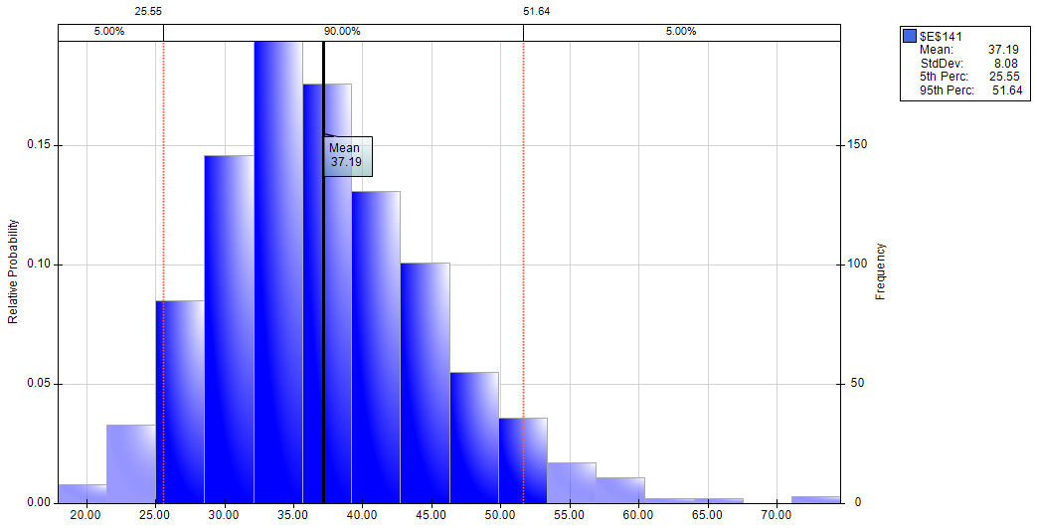

14.31
