4.9
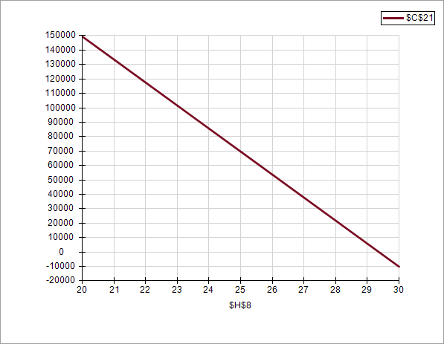

4.11
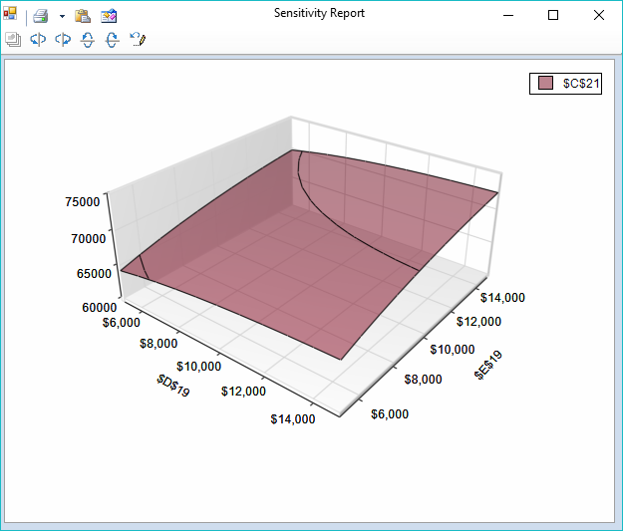
Advertising Budget Model
SGP/KRB
2016-01-01

PARAMETERS
 |  |  | Q1 | Q2 | Q3 | Q4 |  | Notes
 | Price | $40.00 |  |  |  |  |  | Current price
 | Cost | $25.00 |  |  |  |  |  | Accounting
 | Seasonal |  | 0.9 | 1.1 | 0.8 | 1.2 |  | Data analysis
 | OHD rate | 0.15 |  |  |  |  |  | Accounting
 | Sales Parameters
 |  | 35 |  |  |  |  |  | Consultants
 |  | 3000
 | Sales Expense |  | 8000 | 8000 | 9000 | 9000 |  | Consultants
 | Ad Budget | $40,000 |  |  |  |  |  | Current budget

DECISIONS |  |  |  |  |  |  | Total
 | Ad Expenditures |  | $10,000 | $10,000 | $10,000 | $10,000 | $40,000 | sum
 |  |  | $10,000 | $10,000
OUTPUTS
 | Profit | $69,662 |  | Base case | $69,662

CALCULATIONS
 | Quarter |  | Q1 | Q2 | Q3 | Q4 | Total
 | Seasonal |  | 0.9 | 1.1 | 0.8 | 1.2

 | Units Sold |  | 3592 | 4390 | 3192 | 4789 | 15962 | given formula
 | Revenue |  | 143662 | 175587 | 127700 | 191549 | 638498 | price*units
 | Cost of Goods |  | 89789 | 109742 | 79812 | 119718 | 399061 | cost*units
 | Gross Margin |  | 53873 | 65845 | 47887 | 71831 | 239437 | subtraction

 | Sales Expense |  | 8000 | 8000 | 9000 | 9000 | 34000 | given
 | Advertising |  | 10000 | 10000 | 10000 | 10000 | 40000 | decisions
 | Overhead |  | 21549 | 26338 | 19155 | 28732 | 95775 | rate*revenue
 | Total Fixed Cost |  | 39549 | 44338 | 38155 | 47732 | 169775 | sum

 | Profit |  | 14324 | 21507 | 9732 | 24099 | 69662 | GM -TFC
 | Profit Margin |  | 9.97% | 12.25% | 7.62% | 12.58% | 10.91% | pct of revenue

 |  |  |  |  |  |  |  |  | 0

4.12
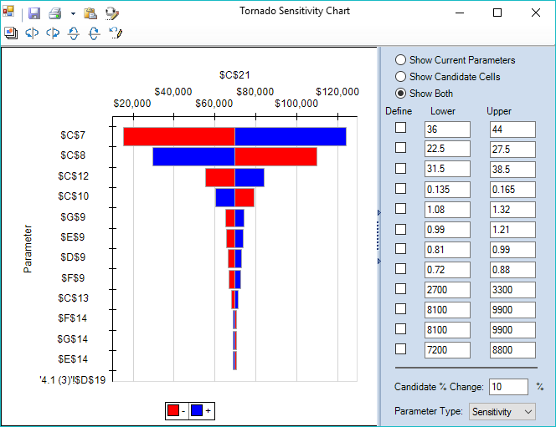
Advertising Budget Model
SGP/KRB
2016-01-01

PARAMETERS
 |  |  | Q1 | Q2 | Q3 | Q4 |  | Notes
 | Price | $40.00 |  |  |  |  |  | Current price
 | Cost | $25.00 |  |  |  |  |  | Accounting
 | Seasonal |  | 0.9 | 1.1 | 0.8 | 1.2 |  | Data analysis
 | OHD rate | 0.15 |  |  |  |  |  | Accounting
 | Sales Parameters
 |  | 35 |  |  |  |  |  | Consultants
 |  | 3000
 | Sales Expense |  | 8000 | 8000 | 9000 | 9000 |  | Consultants
 | Ad Budget | $40,000 |  |  |  |  |  | Current budget

DECISIONS |  |  |  |  |  |  | Total
 | Ad Expenditures |  | $10,000 | $10,000 | $10,000 | $10,000 | $40,000 | sum

OUTPUTS
 | Profit | $69,662 |  | Base case | $69,662

CALCULATIONS
 | Quarter |  | Q1 | Q2 | Q3 | Q4 | Total
 | Seasonal |  | 0.9 | 1.1 | 0.8 | 1.2

 | Units Sold |  | 3592 | 4390 | 3192 | 4789 | 15962 | given formula
 | Revenue |  | 143662 | 175587 | 127700 | 191549 | 638498 | price*units
 | Cost of Goods |  | 89789 | 109742 | 79812 | 119718 | 399061 | cost*units
 | Gross Margin |  | 53873 | 65845 | 47887 | 71831 | 239437 | subtraction

 | Sales Expense |  | 8000 | 8000 | 9000 | 9000 | 34000 | given
 | Advertising |  | 10000 | 10000 | 10000 | 10000 | 40000 | decisions
 | Overhead |  | 21549 | 26338 | 19155 | 28732 | 95775 | rate*revenue
 | Total Fixed Cost |  | 39549 | 44338 | 38155 | 47732 | 169775 | sum

 | Profit |  | 14324 | 21507 | 9732 | 24099 | 69662 | GM - TFC
 | Profit Margin |  | 9.97% | 12.25% | 7.62% | 12.58% | 10.91% | pct of revenue

 |  |  |  |  |  |  |  |  | 0

4.15
ADVERTISING
Advertising Budget Model
SGP/KRB
2016-01-01
 |  |  |  |  |  |  |  |  |  | Q1 | Q2 | Q3 | Q4
PARAMETERS |  |  |  |  |  |  |  |  | Optimal | $7,273 | $12,346 | $5,117 | $15,263
 |  |  | Q1 | Q2 | Q3 | Q4 |  | Notes | Base Case | $10,000 | $10,000 | $10,000 | $10,000
 | Price | $40.00 |  |  |  |  |  | Current price
 | Cost | $25.00 |  |  |  |  |  | Accounting
 | Seasonal |  | 0.9 | 1.1 | 0.8 | 1.2 |  | Data analysis
 | OHD rate | 0.15 |  |  |  |  |  | Accounting
 | Sales Parameters
 |  | 35 |  |  |  |  |  | Consultants
 |  | 3000
 | Sales Expense |  | 8000 | 8000 | 9000 | 9000 |  | Consultants
 | Ad Budget | $40,000 |  |  |  |  |  | Current budget

DECISIONS |  |  |  |  |  |  | Total
 | Ad Expenditures |  | $7,273 | $12,346 | $5,117 | $15,263 | $40,000 | sum
 |  | Base Case | $10,000 | $10,000 | $10,000 | $10,000
OUTPUTS
 | Profit | $71,447 |  | Base case | $69,662

CALCULATIONS
 | Quarter |  | Q1 | Q2 | Q3 | Q4 | Total
 | Seasonal |  | 0.9 | 1.1 | 0.8 | 1.2

 | Units Sold |  | 3193 | 4769 | 2523 | 5676 | 16161 | given formula
 | Revenue |  | 127709 | 190776 | 100906 | 227039 | 646430 | price*units
 | Cost of Goods |  | 79818 | 119235 | 63066 | 141899 | 404019 | cost*units
 | Gross Margin |  | 47891 | 71541 | 37840 | 85140 | 242411 | subtraction

 | Sales Expense |  | 8000 | 8000 | 9000 | 9000 | 34000 | given
 | Advertising |  | 7273 | 12346 | 5117 | 15263 | 40000 | decisions
 | Overhead |  | 19156 | 28616 | 15136 | 34056 | 96965 | rate*revenue
 | Total Fixed Cost |  | 34430 | 48963 | 29253 | 58319 | 170965 | sum

 | Profit |  | 13461 | 22578 | 8587 | 26820 | 71447 | GM -TFC
 | Profit Margin |  | 10.54% | 11.83% | 8.51% | 11.81% | 11.05% | pct of revenue

4.16
