Part 3
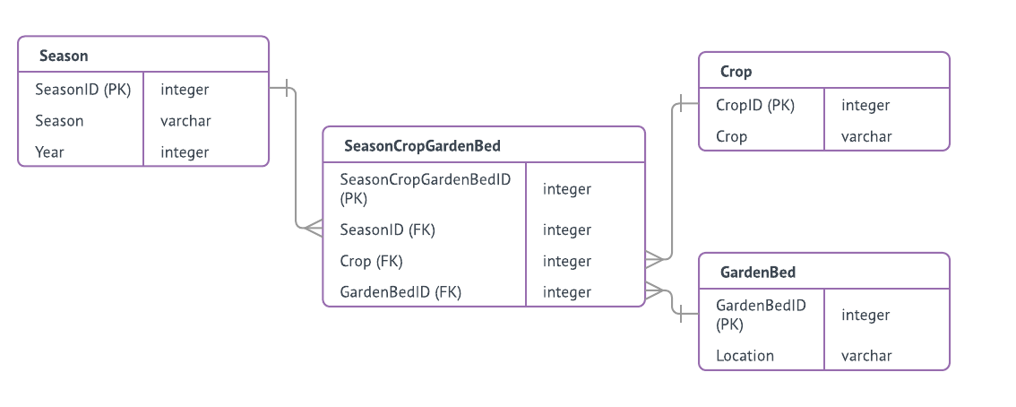
Part 3 of 4

Normalize the following data to 5NF.
1. Modify the data tables
2. Add sample records.
3. Create an ER diagram of the relations between tables.

Notes
· Include each of the tables you would need to represent all of the data listed below.
 | TIP: First, determine the "1-side" tables, then determine the relationships and any needed junction tables.
· Indicate a primary key field for each table.
· Do add field(s) as and if needed to create a primary key or as and if needed to provide needed information.
· Do indicate the relationship between tables by indicating the FKs.
· Do eliminate field(s) that are unnecessary.
· If your modification includes adding a field or a table, do not leave it blank - all fields and tables must contain complete data.
· Analyze the relations between tables and create an ER diagram with PKs, FKs, and joins that represents these relationships. Include the diagram on this tab.
· Include the ER diagram on this tab.
 |  |  |  |  | Season |  |  |  |  |  |  | GardenBed
Data BEFORE normalization |  |  |  |  | SeasonID (PK) | Season | Year |  |  |  |  | GardenBedID (PK) | Location
Season | Crop family planted in GardenBed1 (Location: NW corner of field) | Crop family planted in GardenBed2 (Location: NE corner of field) | Crop family planted in GardenBed3 (Location: SW corner of field) | Crop family planted in GardenBed4 (Location: SE corner of field) | 1 | Spring | 2014 |  |  |  |  | 1 | NW
 |  |  |  |  | 2 | Spring | 2015 |  |  |  |  | 2 | NE
Spring 2014 | Legume | Leaf | Roots | Fruit | 3 | Spring | 2016 | SeasonCropGardenBed |  |  |  | 3 | SW
Spring 2015 | Fruit | Legume | Leaf |  |  |  |  | SeasonCropGardenBedID (PK) | SeasonID (FK) | CropID (FK) | GardenBedID (FK) | 4 | SE
Spring 2016 | Roots |  | Legume | Leaf |  |  |  | 1 | 1 | 1 | 1
 |  |  |  |  |  |  |  | 2 | 1 | 2 | 2
 |  |  |  |  |  |  |  | 3 | 1 | 3 | 3
 |  |  |  |  |  |  |  | 4 | 1 | 4 | 4
 |  |  |  |  |  |  |  | 5 | 2 | 1 | 4
 |  |  |  |  |  |  |  | 6 | 2 | 2 | 1
 |  |  |  |  |  |  |  | 7 | 2 | 3 | 5 | Crop
 |  |  |  |  |  |  |  | 8 | 3 | 1 | 3 | CropID (PK) | Crop
 |  |  |  |  |  |  |  | 9 | 3 | 3 | 1 | 1 | Legume
 |  |  |  |  |  |  |  | 10 | 3 | 4 | 2 | 2 | Leaf
 |  |  |  |  |  |  |  |  |  |  |  | 3 | Roots
 |  |  |  |  |  |  |  |  |  |  |  | 4 | Fruit
 |  |  |  |  |  |  |  |  |  |  |  | 5 | Leaf

Part 4
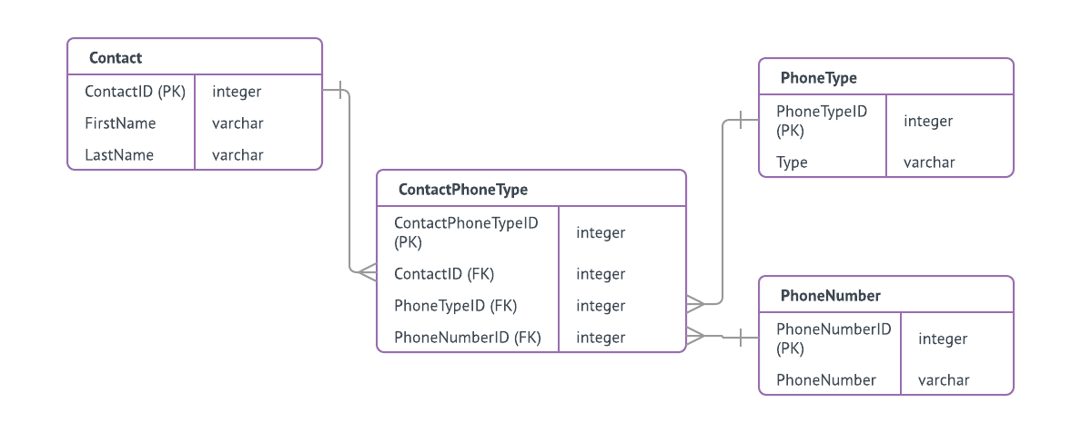
Part 4 of 4

Normalize the following data to 5NF.
1. Modify the data tables
2. Add sample records.
3. Create an ER diagram of the relations between tables.

Notes
· Include each of the tables you would need to represent all of the data listed below.
 | TIP: First, determine the "1-side" tables, then determine the relationships and any needed junction tables.
· Indicate a primary key field for each table.
· Do add field(s) as and if needed to create a primary key or as and if needed to provide needed information.
· Do indicate the relationship between tables by indicating the FKs.
· Do eliminate field(s) that are unnecessary.
· If your modification includes adding a field or a table, do not leave it blank - all fields and tables must contain complete data.
· Analyze the relations between tables and create an ER diagram with PKs, FKs, and joins that represents these relationships. Include the diagram on this tab.
· Include the ER diagram on this tab.
 |  |  |  |  |  |  |  |  |  |  |  |  | PhoneType
Data BEFORE normalization |  |  |  |  |  |  |  |  |  |  |  |  | PhoneTypeID | Type
ContactID | FirstName | LastName | DayPhone | MobilePhone | EveningPhone | Contact |  |  |  |  |  |  | 1 | DayPhone
 |  |  |  |  |  | ContactID (PK) | FirstName | LastName |  |  |  |  | 2 | MobilePhone
1 | Jin | Peters | (206) 222-1234 | (206) 222-1235 |  | 1 | Jin | Peters |  |  |  |  | 3 | EveningPhone
2 | Larry | Jones | (206) 222-1235 | (206) 222-1236 | (425) 499-8909 | 2 | Larry | Jones
3 | Marta | Foye | (425) 564-9876 |  |  | 3 | Marta | Foye |  |  |  |  | PhoneNumber
4 | Ann | Harris | (425) 564-9877 | (425) 564-9878 |  | 4 | Ann | Harris |  |  |  |  | PhoneNumberID | PhoneNumber
5 | Sam | Wu | (425) 564-9878 |  |  | 5 | Sam | Wu | ContactPhoneType |  |  |  | 1 | (206) 222-1234
 |  |  |  |  |  |  |  |  | ContactPhoneTypeID (PK) | ContactID (FK) | PhoneTypeID (FK) | PhoneNumberID | 2 | (206) 222-1235
 |  |  |  |  |  |  |  |  | 1 | 1 | 1 | 1 | 3 | (206) 222-1236
 |  |  |  |  |  |  |  |  | 2 | 1 | 2 | 2 | 4 | (425) 499-8909
 |  |  |  |  |  |  |  |  | 3 | 2 | 1 | 2 | 5 | (425) 564-9876
 |  |  |  |  |  |  |  |  | 4 | 2 | 2 | 3 | 6 | (425) 564-9877
 |  |  |  |  |  |  |  |  | 5 | 2 | 3 | 4 | 7 | (425) 564-9878
 |  |  |  |  |  |  |  |  | 6 | 3 | 1 | 5
 |  |  |  |  |  |  |  |  | 7 | 4 | 1 | 6
 |  |  |  |  |  |  |  |  | 8 | 4 | 2 | 7
 |  |  |  |  |  |  |  |  | 9 | 5 | 1 | 7

