Summary
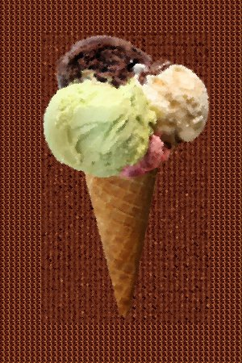
Summary of Sales 2009 - 2010
Flavors | 1st Quarter | 2nd Quarter | 3rd Quarter | 4th Quarter
Red Hot Chili Chocolate
Sour Tart Sherbet
Whole Vanilla Bean Chunk
Caramel Pavement
Mint Chocolate Cherry
Pistachio and Pecans
Cheesecake Caramel
Wafflecone Rasberry
Blueberry Chocolate
Pecan and Peanut Truffle
Cinnamon and Doghnut
Yogurt Covered Cashew
Nutty Heaven Splurge
Chocolate Heaven Splurge
Fruit Heaven Splurge
Animal Crackers
Mocha Coffee
Yellow Snow Cream
Black Bean Double Chocolate
Green Tea Wheatgrass
Campbell's Canned Soup Souffle
Poprock Pancake Syrup
Jawbreaker Mint

Details
2009 Sales
2010 Sales
If you have any questions, please email the sales department.

