All Layers - Detail
All Layers — Detailed Technical Reference
2×2 layout: Layer 4 & 3 (top row) · Layer 2 & 1 (bottom row)
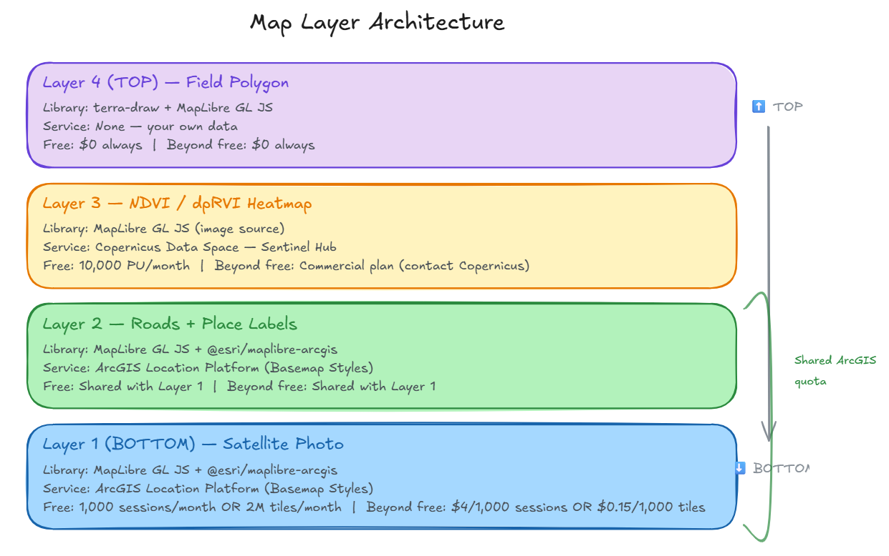
LAYER 4 (TOP) | Field Polygon (User-Drawn) | LAYER 3 (CORE VALUE) | NDVI / dpRVI Satellite Overlay
Purpose | Boundary agronomist draws around field — white outline on top | Purpose | Crop health heatmap — Sentinel-2 optical + Sentinel-1 SAR (works through clouds)
Drawing lib | terra-draw + terra-draw-maplibre-gl-adapter (MIT) | Service | Copernicus Data Space — Sentinel Hub API
Rendering | MapLibre GL JS — geojson source, fill + line layers | NDVI source | Sentinel-2 L2A — 10m res, B04+B08 bands
Data format | GeoJSON Feature<Polygon> | dpRVI source | Sentinel-1 SAR GRD — C-band, 5–20m res
Storage | React state (proto) → PostgreSQL + PostGIS (prod) | India revisit | S-2: 5 days (3-sat) · S-1: 6–12 days
External svc | None — your own app's data and code | API type | WMS → PNG tile for polygon bbox + date
💰 terra-draw | Free — MIT open source | WMS URL | sh.dataspace.copernicus.eu/ogc/wms/{ID}
💰 MapLibre | Free — BSD 3-Clause | Rendering | MapLibre GL JS — image source
💰 Total | $0 always | Account | Free at dataspace.copernicus.eu
 |  | 💰 Free tier | 10,000 PU/month
 |  | 💰 1 PU = | 512×512 px, 3 bands, 16-bit
 |  | 💰 100 ac × 1 scan | ≈ 0.03 PU
 |  | 💰 100 ac × 4/yr | ≈ 0.13 PU (well within free!)

LAYER 2 (MIDDLE) | Roads + Place Labels Overlay | LAYER 1 (BOTTOM) | Satellite Imagery Background
Purpose | Village/district names, roads, water labels — location context | Purpose | Photo of Earth — terrain, crops, rivers. Base for agronomist navigation.
How to use | Switch style to arcgis/imagery (labels bundled) | Style | arcgis/imagery/standard (photo, no labels)
Data source | Esri vector tiles — roads, places, boundaries | Imagery | Maxar Vivid — 30cm urban, 50cm agri, 2.5m global
Alternative | ArcGIS Open Basemaps (Aug 2025) — Overture+OSM | India res | 30–50cm — field bunds visible at zoom 16
Rendering | MapLibre GL JS + @esri/maplibre-arcgis | Rendering | MapLibre GL JS v4.x (BSD 3-Clause, free)
Attribution | Auto-handled by plugin (Esri ToS) | Plugin | @esri/maplibre-arcgis (Apache 2.0, free)
💰 Separate cost? | No — included in Layer 1 quota | Service | ArcGIS Location Platform — Basemap Styles
💰 Tile tier | Shared 2M tiles/mo with Layer 1 | Account | Free signup at developers.arcgis.com
💰 Session | Same session covers both layers | 💰 Option A | Tiles: 2M free/mo → $0.15/1K tiles
 |  | 💰 Option B ← | Sessions: 1K free/mo → $4/1K sessions
 |  | 💰 Session = | 12hr unlimited tiles (recommended)
 |  | 💰 Note | Oct 2025 — per visit, not per pan/zoom

NOTE | Layer 2 is optional -only if we need to display roads, places , etc.

