SLR
 | hargaMobil (y)
1000 | 10
2000 | 25
3000 | 35
4000 | 55
5000 | 80
mesinMobil (x) | hargaMobil (y) | x^2 | y^2 | xy | y bestfitline
1000 | 10 | 1000000 | 100 | 10000 | 7 | 3
2000 | 25 | 4000000 | 625 | 50000 | 24 | 1
3000 | 35 | 9000000 | 1225 | 105000 | 41 | -6
4000 | 55 | 16000000 | 3025 | 220000 | 58 | -3
5000 | 80 | 25000000 | 6400 | 400000 | 75 | 5
15000 | 205 | 55000000 | 11375 | 785000 |  | -1E-15

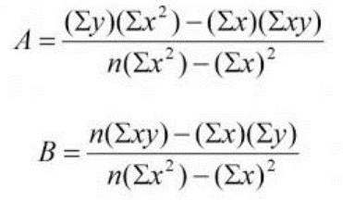
 |  |  | b / m /gradien /slope |  | 0.017 | `= ((5*E7) - (A7*B7))/((5*C7)-(A7^2))
 |  |  |  |  | 0.017

 |  |  | a / c / ttkpotY |  | -10 | `=( (B7 *C7)-(A7 * E7) ) / ( (5*C7) - (A7^2))
 |  |  |  |  | -10

 |  |  | garis terbaik
 |  |  | y = mx + c = 0.017x - 10

 | jika mesinmobil= | 1001 | 7.017

Evaluation Metrics
mesinMobil (x) | hargaMobil (y) | xy | x^2 | y^2 | y' = mx + c | selisih |y-y'| residual error | selisih^2 | selisih |y-avg.y| | selisih^2 | elog(1+y) | elog(1+y') | elog(1+y) - elog(1+y') ^ 2 | % error = |(y-y' / y)| | %error ^ 2
1000 | 10 | 10000 | 1000000 | 100 | 7 | 3 | 9 | 31 | 961 | 2.3978952728 | 2.0794415417 | 0.10141277886 | 0.3 | 0.09
2000 | 25 | 50000 | 4000000 | 625 | 24 | 1 | 1 | 16 | 256 | 3.258096538 | 3.2188758249 | 0.0015382643403 | 0.04 | 0.0016
3000 | 35 | 105000 | 9000000 | 1225 | 41 | 6 | 36 | 6 | 36 | 3.5835189385 | 3.7376696183 | 0.023762432091 | 0.17142857143 | 0.029387755102
4000 | 55 | 220000 | 16000000 | 3025 | 58 | 3 | 9 | 14 | 196 | 4.0253516907 | 4.0775374439 | 0.002723352834 | 0.054545454545 | 0.0029752066116
5000 | 80 | 400000 | 25000000 | 6400 | 75 | 5 | 25 | 39 | 1521 | 4.3944491547 | 4.3307333403 | 0.0040597050029 | 0.0625 | 0.00390625
15000 | 205 | 785000 | 55000000 | 11375

m/slope/gradient/b
0.017

c/intercept/a
-10

CORRELATION
0.98644005042 | `=PEARSON(B2:B6;A2:A6)
0.98644005042 | `=CORREL(B2:B6;A2:A6)

0.98644005042 | `=(5*C7-A7*B7)/SQRT(ABS(5*D7-A7^2)*ABS(5*E7-B7^2))

Evaluation Metrics Linear Regression |  | read more at: https://medium.com/@george.drakos62/how-to-select-the-right-evaluation-metric-for-machine-learning-models-part-1-regrression-metrics-3606e25beae0
Max Error | 6 | `=MAX(G2:G6)

MAE (Mean Absolute Error) | 3.6 | `= 1/5 * (SUM(G2:G6))

MSE (Mean Square Error) | 16 | `= 1/5*SUM(H2:H6)

RMSE (Square Root MSE) | 4 | `=SQRT(B29)

MedAE(Median Absolute Error) | 3 | `=MEDIAN(G2:G6)

MSLE | 0.026699306626 | `=1/5 * SUM(K2:K6)
(Mean Square Logarithmic Error)

RMSLE | 0.16339922468 | `=SQRT(B38)
Root MSLE

R2 Score | 0.97306397306 | `= 1 - (SUM(H2:H6) / SUM(J2:J6))
Coeficient of determination

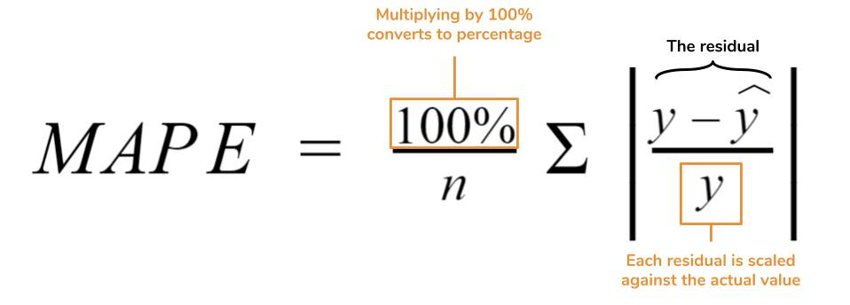

MAPE | 0.12569480519 | `=1/5*SUM(N2:N6)
Mean Absolute Percentage Error

MSPE | 0.025573842343 | `=1/5 * SUM(O2:O6)
Mean Squared Percentage Error

