Valuation
jobZology - Valuation

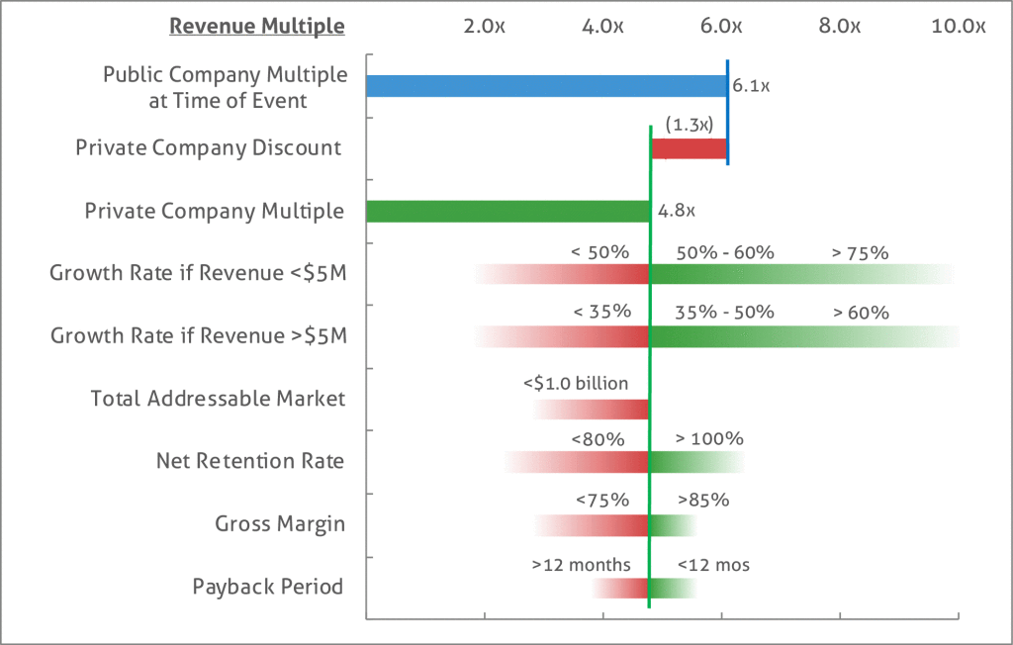
Valuation Metrics
 | FY 2018 | FY 2019 | FY 2020 | FY 2021 | FY 2022
SaaS Revenue | $386,474 | $498,654 | $548,223 | $1,038,965 | $1,499,224
Services Revenue | $15,753 | $14,585 | $17,579 | $31,169 | $44,977
Revenue Growth Rate |  | 28% | 10% | 89% | 44%
SaaS ARR | $507,992 | $486,366 | $835,139 | $1,346,354 | $0
Recurring Revenue Growth |  | -4% | 72% | 61% | -100%
Gross Margin | 69% | 76% | 84% | 90% | 93%

SaaS Valuation Range
 | FY 2018 | FY 2019 | FY 2020 | FY 2021 | FY 2022
Valuation @ 5x Forward ARR | $2,539,958 | $2,431,829 | $4,175,694 | $6,731,771 | $0 | 5.00x
Valuation @ 6x Forward ARR | $3,047,949 | $2,918,195 | $5,010,833 | $8,078,125 | $0 | 6.00x

Services Valuation Range
 | FY 2018 | FY 2019 | FY 2020 | FY 2021 | FY 2022
Valuation @ 2x LTM Revenue | $31,506 | $29,170 | $35,159 | $62,338 | $89,953 | 2.00x
Valuation @ 3x LTM Revenue | $47,259 | $43,756 | $52,738 | $93,507 | $134,930 | 3.00x

Total Valuation Range - Lower | $2,571,463 | $2,460,999 | $4,210,853 | $6,794,109 | $89,953
Total Valuation Range - Average | $2,833,336 | $2,711,475 | $4,637,212 | $7,482,870 | $112,442
Total Valuation Range - Higher | $3,095,208 | $2,961,950 | $5,063,571 | $8,171,632 | $134,930

SaaS Valuation Range
 | FY 2018 | FY 2019 | FY 2020 | FY 2021 | FY 2022
EBITDA | ($406,866) | ($337,794) | ($118,037) | $299,634 | $729,700

Valuation @ 8x Forward EV/EBITDA | N/A | N/A | $2,397,071 | $5,837,603 |  | 8.00x
Valuation @ 10x Forward EV/EBITDA | N/A | N/A | $2,996,339 | $7,297,004 |  | 10.00x
Valuation @ 12x Forward EV/EBITDA | N/A | N/A | $3,595,607 | $8,756,405 |  | 12.00x

