Design
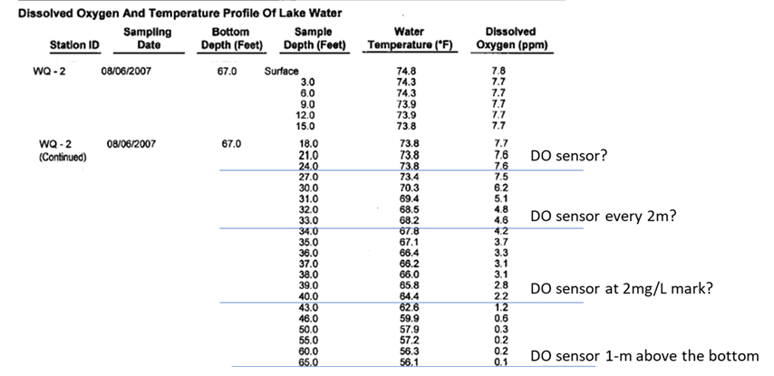
Lake X
Date
 |  | feet | meters | Temperature | DO | Water level
Design worksheet - Lake X |  | 0.0 | 0
 |  | 3.3 | 1 | TEMP
85 ft | Depth of location where you will be deploying the array | 6.6 | 2
11 | number of temperature loggers | 9.8 | 3 | TEMP
4 | number of DO loggers | 13.1 | 4
0 | number of water level loggers | 16.4 | 5 | TEMP
90 | length of instrument line | 19.7 | 6
135 | length of grab line (1.5x the depth; could modify this and go with smaller length) | 23.0 | 7 | TEMP
25 lb | weight of instrument line anchor | 26.2 | 8 |  | DO
10 lb | weight of grab line anchor | 29.5 | 9 | TEMP
 |  | 32.8 | 10 |  | DO
2 | number of extra temperature loggers | 36.1 | 11 | TEMP
 |  | 39.4 | 12 |  | DO
 |  | 42.6 | 13 | TEMP
 |  | 45.9 | 14
 |  | 49.2 | 15 | TEMP
 |  | 52.5 | 16
 |  | 55.8 | 17
 |  | 59.0 | 18 | TEMP
 |  | 62.3 | 19
 |  | 65.6 | 20
 |  | 68.9 | 21 | TEMP
 |  | 72.2 | 22
 |  | 75.4 | 23
 |  | 78.7 | 24
 |  | 82.0 | 25 | TEMP | DO
 |  | 85.3 | 26

