Chart Dashboard
 | Impact Score
0.62 | 8.50
0.50 | 7.00
0.72 | 8.50
0.85 | 9.50
0.55 | 6.00
0.65 | 7.50
0.53 | 7.00
0.77 | 9.50
0.87 | 10.00
0.38 | 4.00
0.22 | 2.00
0.33 | 4.50
0.73 | 8.00

CARVER P(a) Explanation
Overview of P(a) in the CARVER Context

P(a) — Probability of Attack
Represents the likelihood that an adversary will select and attempt to exploit a specific target.
In the CARVER model, P(a) is not a standalone score, but rather an inferred output derived from the combined scoring of its six criteria:
Criticality, Accessibility, Recoverability, Vulnerability, Effect, and Recognizability.
The underlying logic:

The higher the composite CARVER score for an asset, the more attractive it is to an adversary, and thus the higher its probability of attack.

1. Relationship Between CARVER Scores and P(a)

High CARVER total score (e.g., 45–60) → High P(a)
Asset is highly critical, easy to access, slow to recover, vulnerable, with severe effects if hit, and easily recognizable.

Moderate CARVER score (e.g., 25–44) → Medium P(a)
Asset has mixed factors—adversary may weigh opportunity cost vs. impact.

Low CARVER score (e.g., <25) → Low P(a)
Asset is well-protected, hard to access, quickly recoverable, with minimal effects if attacked.

2. Breaking Down P(a) by CARVER Criteria
CARVER Criterion | Influence on P(a) | Notes
Criticality | High criticality increases adversary interest. | Strategic chokepoints or mission-essential nodes get more attention.
Accessibility | Directly affects operational feasibility of attack. | If access is easy, P(a) rises sharply.
Recoverability | Low recoverability = more attractive. | Permanent or long-term disruption is more valuable to an attacker.
Vulnerability | Low defensive resilience = high P(a). | Technical weaknesses or poor physical security increase interest.
Effect | High-effect outcomes (casualties, disruption, political gain) are strong motivators. | Terrorist and political actors often prioritize high-effect targets.
Recognizability | Easily identified = lower recon cost, higher P(a). | High-profile assets require less planning to exploit.

3. P(a) Estimation Formula (Operational Shortcut)

In some CARVER field adaptations, P(a) is estimated as:

P(a)≈Total CARVER Score/Maximum Possible Score

Example:
If an asset scores 48 out of a possible 60:

P(a)≈48/60=0.80 or 80%

(Note: This is a heuristic, not a DHS-standard formula; field teams often adapt weighting per threat model.)

4. Additional Modifiers for Realistic P(a)

To refine P(a), security practitioners integrate:

Threat Actor Capability & Intent (from DBT intelligence)

Adversary Opportunity Window (timing, seasonal or operational constraints)

External Deterrence Factors (political risk, retaliation likelihood, visibility)

These modifiers can raise or lower the raw CARVER-derived P(a).

5. Strategic Implications

High P(a) targets warrant priority hardening and enhanced monitoring.

Medium P(a) targets may need procedural controls and contingency planning.

Low P(a) assets can often be left with baseline security and re-evaluated periodically.

Asset / Location | Criticality (C) | Accessibility (A) | Recoverability (R) | Vulnerability (V) | Effect (E) | Recognizability (R) | Total CARVER Score | P(a) | Impact Score (1–10) | Threat Tier
Water Treatment Plant | 9 | 6 | 8 | 7 | 10 | 8 | 48 | 0.80 | 10 | High
Power Substation | 8 | 5 | 7 | 7 | 8 | 7 | 42 | 0.70 | 8 | High
Regional HQ | 7 | 5 | 6 | 6 | 7 | 4 | 35 | 0.58 | 7 | Medium
Rural Bridge | 5 | 4 | 4 | 3 | 4 | 1 | 21 | 0.35 | 4 | Low
Data Center | 10 | 6 | 9 | 8 | 9 | 7 | 49 | 0.82 | 9 | High
Warehouse | 6 | 5 | 4 | 5 | 5 | 3 | 28 | 0.47 | 5 | Medium

In this sample table, the Impact Score isn’t one of the CARVER criteria — it’s a separate post-analysis metric I added so you could place assets on a likelihood (P(a)) × impact grid.

Here’s how it’s usually determined in a CARVER-based workflow:

1. Why Impact is Separate from CARVER

Effect (E) in CARVER already considers consequences (human, economic, operational, political).

But in risk matrices (ISO 31000, NIST, INSSA), “Impact” is often broader — it can include multiple dimensions and be scored using a separate rubric.

Using a dedicated Impact score allows you to integrate CARVER into standard risk management visualizations like 3×3 or 5×5 likelihood/impact heatmaps.

2. How to Determine the Impact Score

You can derive it in three common ways:

A. Direct Mapping from CARVER “Effect”

Take the Effect (E) score and rescale it (if CARVER is 1–10, keep it as-is; if 1–5, convert).

Pros: Fast, directly tied to CARVER’s consequence assessment.

Cons: May underrepresent other post-event consequences outside of CARVER.
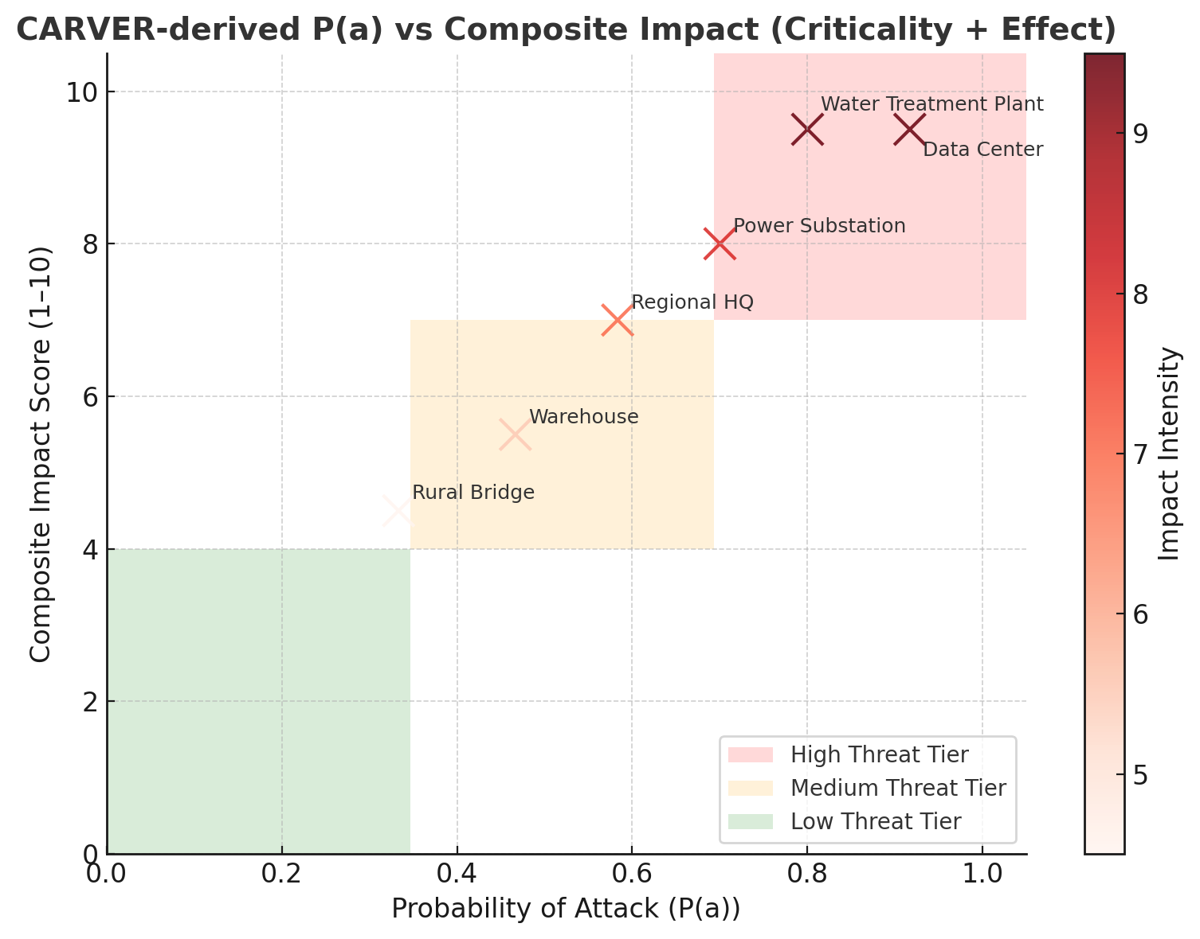
B. Composite Impact Index

Average multiple factors such as:

Effect (E) from CARVER

Criticality (C) (system importance)

Vulnerability (V) severity

Example formula:

Impact Score=E+C+V/3

Pros: Captures multi-factor severity.

Cons: Slightly more complex to explain to non-technical audiences.

C. External Risk Framework Mapping

Use an external scale from ISO 31000, INSSA, or your organization’s risk register:

1–3 = Low consequence

4–6 = Moderate consequence

7–10 = High consequence

Assign values based on consequence categories:

Human Impact (injuries/deaths)

Operational Impact (mission failure, downtime)

Economic Impact (losses in $, trade disruption)

Political/Social Impact (public unrest, reputation damage)

3. What I Used in the Sample Table

For the example I gave:

I assumed the Impact Score = the “Effect” score from CARVER

Adjusted only slightly for cases where other CARVER elements (like Criticality or Vulnerability) suggested a broader consequence footprint.

4. Criticality + Effect
This is often the cleanest and most defensible way to get an Impact Score from CARVER without overcomplicating it.

Why Criticality + Effect Works

Criticality (C) = how essential the asset is to system/mission success.

Effect (E) = the scale of consequences if it’s attacked or lost.

Together, they capture both strategic importance and event consequences — which is exactly what an “Impact” axis needs in a risk matrix.

Composite Impact Formula

You can do this as a simple average or a weighted average depending on your priorities.

Simple Average (equal importance): |  |  |  | Advantages of This Approach
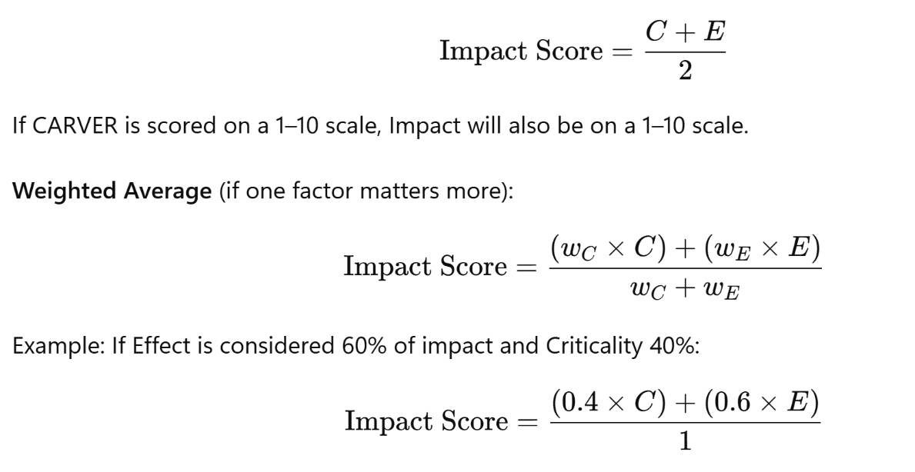
 |  |  |  | Defensible: Both C and E are well-defined CARVER criteria.

 |  |  |  | Fast: Requires no extra scoring beyond the CARVER table.

 |  |  |  | Consistent: Can be repeated across assets and regions without changing methodology.

 |  |  |  | Compatible: Plugs easily into P(a) × Impact heatmaps.

