Reference 2010 Census Data
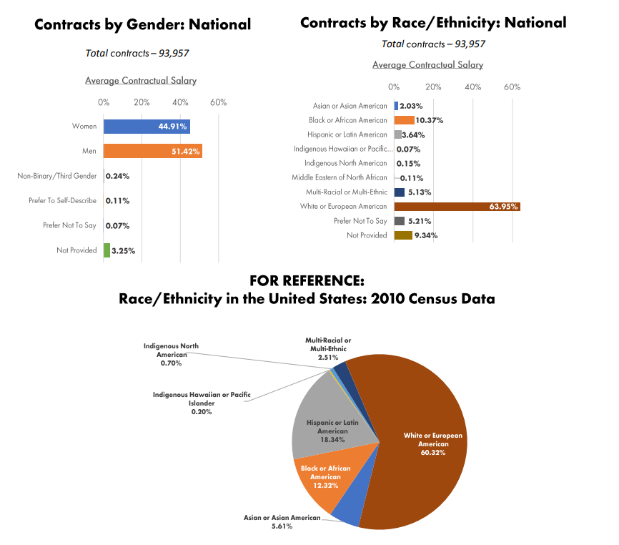
ethnicity | proportion_of_total_contracts made
White | 60.32
Asian | 5.61 | PowerPoint Presentation (actorsequity.org)
Black | 12.32
Hispanic | 18.34
Pacific Islander | 0.2
Indigenous North American | 0.7
Multi_Racial | 2.51

