issue 1.7
Steps:
1. Go to the main page
2. Enter 4071 symbols in the filter field (exaple is on data 1.7 tab), click Enter or filter button
Expected: | The field should't allow a value longer than reasonable length. Error message should be displayed as well
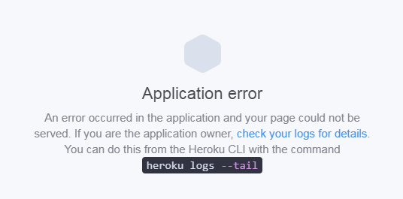
Actual:

issue 3.2.2
