Profit by Category Slicing
Profit by Category

Product Category | Total Profit
Baked Goods & Mixes | 1415.54
Beverages | 6870.605
Candy | 1637.7375
Canned Meat | 1365.28
Condiments | 1295.7
Dairy Products | 572.46
Dried Fruit & Nuts | 5659.5
Fruit & Veg | 559.65
Grains | 222.95
Jams, Preserves | 2702.7
Oil | 366.1525
Pasta | 1019.025
Sauces | 3598
Soups | 1023.3825
Grand Total | 28308.6825
Profit by Category

Gross Profit Cost Revenue
Total Revenue | Total Cost | Gross Profit
80881.95 | 52573.2675 | 28308.68

City with Revenue
City | Total Revenue
Boise | 3454
Chicago | 8278.07
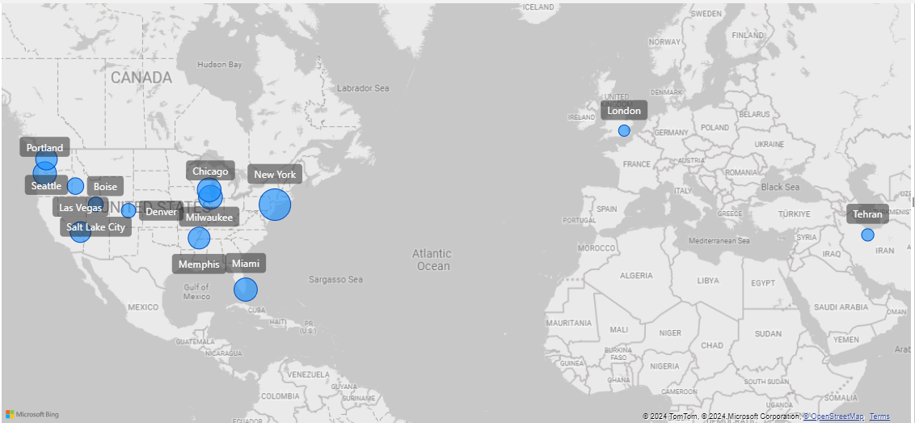
Denver | 2418.25
Las Vegas | 5948
London | 1254
Los Angelas | 2544.73
Memphis | 6697.7
Miami | 7780.57
Milwaukee | 8241.25
New York | 15566.9
Portland | 7892.45
Salt Lake City | 2612
Seattle | 6594.03
Tehran | 1600
Grand Total | 80881.95

Product Price
Product Name | Total Price
Almonds | 20
Beer | 42
Boysenberry Spread | 50
Cajun Seasoning | 44
Chai | 36
Chocolate | 89.25
Chocolate Biscuits Mix | 55.2
Clam Chowder | 57.9
Coffee | 230
Crab Meat | 55.2
Curry Sauce | 200
Dried Apples | 106
Dried Pears | 60
Dried Plums | 14
Fruit Cocktail | 39
Gnocchi | 38
Green Tea | 11.96
Long Grain Rice | 7
Marmalade | 81
Mozzarella | 69.6
Olive Oil | 21.35
Pine nuts | 40
Pistachio | 38
Ravioli | 19.5
Scones | 10
Syrup | 10
Grand Total | 1444.96

Product Revenue
Product Name | Total Revenue
Almonds | 1480
Beer | 1596
Boysenberry Spread | 2700
Cajun Seasoning | 3212
Chai | 2898
Chocolate | 4679.25
Chocolate Biscuits Mix | 3054.4
Clam Chowder | 2923.95
Coffee | 14628
Crab Meat | 3900.8
Curry Sauce | 10280
Dried Apples | 8003
Dried Pears | 2790
Dried Plums | 1043
Fruit Cocktail | 1599
Gnocchi | 1254
Green Tea | 508.3
Long Grain Rice | 637
Marmalade | 5022
Mozzarella | 1635.6
Olive Oil | 1046.15
Pine nuts | 1600
Pistachio | 1254
Ravioli | 1657.5
Scones | 990
Syrup | 490
Grand Total | 80881.95

Count of Orders by Customers
Customer Name | Count of Orders
Company A | 4
Company AA | 3
Company BB | 5
Company C | 4
Company CC | 4
Company D | 8
Company DD | 1
Company EE | 1
Company F | 7
Company G | 2
Company H | 7
Company I | 3
Company J | 6
Company K | 3
Company L | 3
Company Y | 2
Company Z | 4
Grand Total | 67

Sales Person Revenue
Sales Person | Total Revenue
Andrew Cencini | 15566.9
Anne Larsen | 14478.27
Charles Stuart | 1254
Jan Kotas | 2418.25
Laura Giussani | 8278.07
Mariya Sergienko | 8492.73
Michael Neipper | 8241.25
Mohammed Bilawal | 1600
Nancy Freehafer | 17940.48
Robert Zare | 2612
Grand Total | 80881.95

Total Spending by Customers
Total spending by Customers

Customer Name | Total Spending
Company A | 4286.1195
Company AA | 608.4
Company BB | 4353.505
Company C | 1654.0745
Company CC | 1571.8625
Company D | 10118.485
Company DD | 815.1
Company EE | 1040
Company F | 5356.8125
Company G | 2245.1
Company H | 5130.0925
Company I | 1697.8
Company J | 3679.0455
Company K | 2351.713
Company L | 3257.8
Company Y | 1701.7
Company Z | 2705.6575
Grand Total | 52573.2675

Category Name based Revenue
Revenue by Category wise

Category Name | Total Revenue
Baked Goods & Mixes | 4044.4
Beverages | 19630.3
Candy | 4679.25
Canned Meat | 3900.8 | Category Name | Total Revenue
Condiments | 3702 | Baked Goods & Mixes | 4044.4
Dairy Products | 1635.6 | Beverages | 19630.3
Dried Fruit & Nuts | 16170 | Candy | 4679.25
Fruit & Veg | 1599 | Canned Meat | 3900.8
Grains | 637 | Condiments | 3702
Jams, Preserves | 7722 | Dairy Products | 1635.6
Oil | 1046.15 | Dried Fruit & Nuts | 16170
Pasta | 2911.5 | Fruit & Veg | 1599
Sauces | 10280 | Grains | 637
Soups | 2923.95 | Jams, Preserves | 7722
Grand Total | 80881.95 | Oil | 1046.15
 |  | Pasta | 2911.5
 |  | Sauces | 10280
 |  | Soups | 2923.95
 |  | Grand Total | 80881.95

