T1- ANNOTATIONS FEATURES
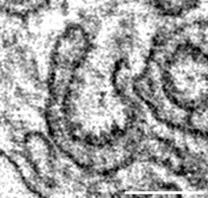
* : As calculated in infected cells
nd : Not determined
Features | VIRAL STRUCTURES |  |  |  |  |  |  | CELLULAR STRUCTURES
 | DMVs | Assembled Virion | Budding Virion | DMVs Opening | DMS | connectors | Fused DMVs | zER | Peroxisomes | Golgi | VTC | ER | Mitochondria | LE/MVB/Lys | Lamellar Bodies | Lipid droplets | autophagosomes | Glycogen clusters | PM
AVERAGE DIAMETER | 291 ± 48 nm (n=906) | 80 ± 9.5 nm (n=94) | nd | nd | 75.5 ± 5.9 nm (n=8) | 14.3 ± 1.8 nm (n=25) | nd | nd | 84.5 ± 14.0 nm (n=50)* | nd | nd | 41.7 ± 8.7 nm (n=39)* | 331.5 ± 166 (n=240)* | nd | nd | nd | nd | nd | nd
MORPHOLOGY | Round vesicles with double membranes, electron-lucent interior | Round shape, electron-lucent interior, spotted electron-dense rim below the external membrane layer | Bend membrane with an array of electron-dense spots | rupture in the DMVs membranes | small double membrane vesicles, electron-dense interior, in close proximity or connected to ER-connectors | thin membrane sheets, no ribosomes, in frequent continuity with rough ER and/or DMV | Two or more double membrane vesicles sharing the same outer membrane | closely juxtaposed smooth ER sheets | rod-shape organelle, electron-dense, smooth membrane | Stacks of flat smooth cisternae; when visualized tangentially appears as fenestrated membranes with several vesicles budding from the limiting membrane | clusters of vesicles and smooth tubules in close proximity with the ER and/or the Golgi stacks | Flat cisternae and/or tubular shape, ribosomes (dark spots) can be observed associated on the cytosolic side (in case of rough ER) | Cilindric shaped organelle, presence of internal membranes (cristae) and an electron-dense matrix | LE/MVB: late endosomes/multi vesicular bodies: spherical organelles with electron-lucent matrix and filled with vesicles only. Lysosomes: spherical organelles, with variable size and morphology. Electron-dense granular matrix filled with small heterogenous vesicles and/or lamellar material. | Spherical structures containing several layers of membranes. | Structures with homogenous lumen and membrane monolayer, sometimes lipid material is lost due to chemical fixation | Irregular double membrane structures with granular electron-dense interior. Usually additional small membranous vesicles can be observed enclosed by the double membranes | Cytosolic clusters of electron-dense granules. Often associated with large membrane sheets. | Cell limiting membrane, featuring clathrin coated buds and junctions
LITERATURE | Knoops, K., et al. (2008). | Klein, S., et al. (2020). Ke, Z., et al. (2020). | Klein, S., et al. (2020). | Wolff, G., et al. (2020). | Knoops, K., et al. (2008). | Knoops, K., et al. (2008). | Knoops, K., et al. (2008). |  | Grabenbauer, M., et al. (2000). | Klumperman, J. (2011). | Klumperman, J. (2011). | Schwarz, D. S., M. D. Blower (2016). |  |  | Ochs, M. (2010). | Fujimoto, T., R. G. Parton (2011). | Mizushima, N., et al. (2010).
Scale bar | 200 nm | 100 nm | 100 nm | 200 nm | 100 nm | 200 nm | 200 nm | 1000 nm | 250 nm | 250 nm | 250 nm | 250 nm | 250 nm | 250 nm | 250 nm | 250 nm | 250 nm | 250 nm | 250 nm | LITERATURE
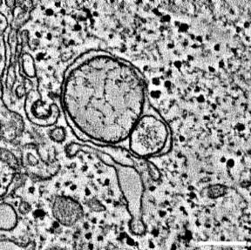
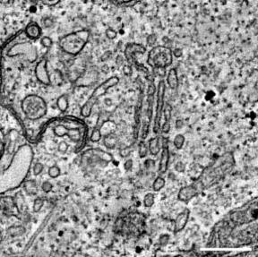
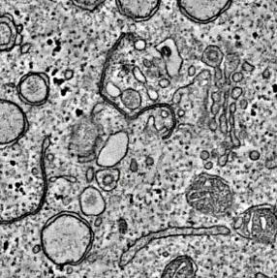
EXAMPLES | 6h_MOI5_a1_t3 | 24h_MOI5_lm002_5 | 24h_MOI5_lm002_5 | 24h_MOI5_lm112_1 | 12h_MOI5_lm034_2 | 12h_MOI5_lm034_2 | 24h_MOI5_lm002_5 | 12h_MOI5_lm053_1 | 24h_MOI0.5_lm0520_2 | 24h_MOI0.5_lm0004_1 | 24h_MOI0.5_lm0004_1 | 24h_MOI0.5_lm0041_1 | 24h_MOI0.5_lm0005_1 | 24h_MOI0.5_lm0009_1 | 24h_MOI0.5_lm0099_1 | 24h_MOI0.5_lm0026_1 | 12h_MOI5_lm094_2 | 24h_MOI0.5_lm0061_1 | 24h_MOI0.5_lm0115_1 | Knoops, K., et al. (2008). "SARS-coronavirus replication is supported by a reticulovesicular network of modified endoplasmic reticulum." PLoS Biol 6(9): e226.
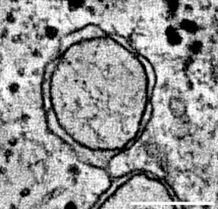
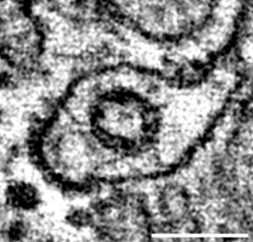
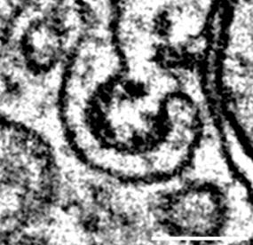
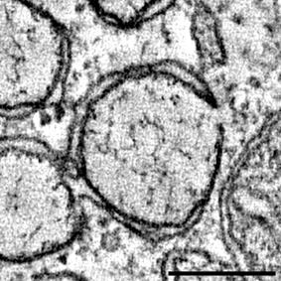
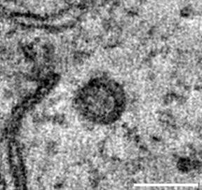
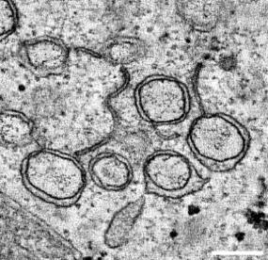

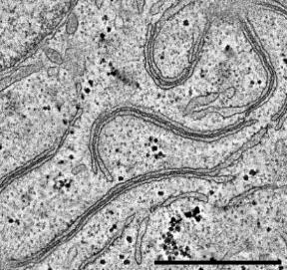
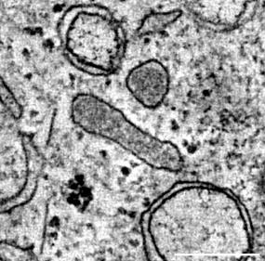
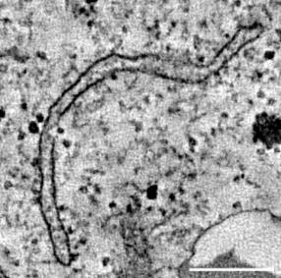
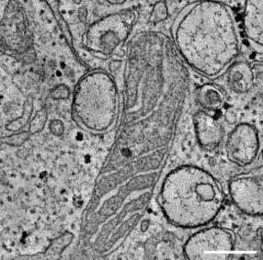
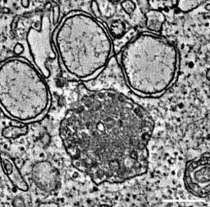
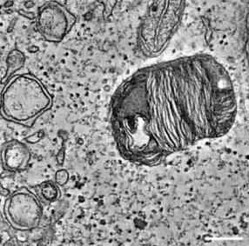
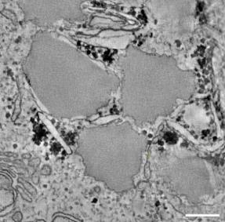
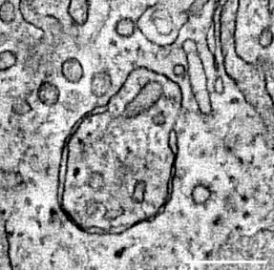
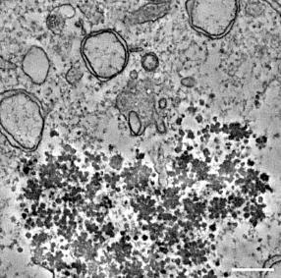
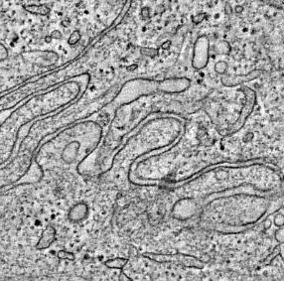
 |  |  |  |  |  |  |  |  |  |  |  |  |  |  |  |  |  |  |  | Klein, S., et al. (2020). "SARS-CoV-2 structure and replication characterized by in situ cryo-electron tomography." bioRxiv: 2020.2006.2023.167064.
 |  |  |  |  |  |  |  |  |  |  |  |  |  |  |  |  |  |  |  | Ke, Z., et al. (2020). "Structures and distributions of SARS-CoV-2 spike proteins on intact virions." Nature.
 |  |  |  |  |  |  |  |  |  |  |  |  |  |  |  |  |  |  |  | Wolff, G., et al. (2020). "A molecular pore spans the double membrane of the coronavirus replication organelle." Science 369(6509): 1395-1398.
 |  |  |  |  |  |  |  |  |  |  |  |  |  |  |  |  |  |  |  | Klumperman, J. (2011). "Architecture of the mammalian Golgi." Cold Spring Harb Perspect Biol 3(7).
 |  |  |  |  |  |  |  |  |  |  |  |  |  |  |  |  |  |  |  | Schwarz, D. S. and M. D. Blower (2016). "The endoplasmic reticulum: structure, function and response to cellular signaling." Cellular and Molecular Life Sciences 73(1): 79-94.
 |  |  |  |  |  |  |  |  |  |  |  |  |  |  |  |  |  |  |  | Ochs, M. (2010). "The closer we look the more we see? Quantitative microscopic analysis of the pulmonary surfactant system." Cell Physiol Biochem 25(1): 27-40.
 |  |  |  |  |  |  |  |  |  |  |  |  |  |  |  |  |  |  |  | Fujimoto, T. and R. G. Parton (2011). "Not just fat: the structure and function of the lipid droplet." Cold Spring Harb Perspect Biol 3(3).
 |  |  |  |  |  |  |  |  |  |  |  |  |  |  |  |  |  |  |  | Mizushima, N., et al. (2010). "Methods in mammalian autophagy research." Cell 140(3): 313-326.
 |  |  |  |  |  |  |  |  |  |  |  |  |  |  |  |  |  |  |  | Grabenbauer, M., et al. (2000). "Three-dimensional ultrastructural analysis of peroxisomes in HepG2 cells. Absence of peroxisomal reticulum but evidence of close spatial association with the endoplasmic reticulum." Cell Biochem Biophys 32 Spring: 37-49.

 | 6h_MOI5_a1_t3 | 6h_MOI5_a1_t3 | 6h_MOI5_a1_t3 | 12h_MOI5_lm094_3 | 12h_MOI5_lm040_1 | 12h_MOI5_lm034_3 | 12h_MOI5_lm084_3 | 12h_MOI5_lm126_1 | 24h_MOI0.5_lm0318_2 | 24h_MOI0.5_lm0006_1 | 24h_MOI0.5_lm0006_1 | 24h_MOI0.5_lm0077_1 | 24h_MOI0.5_lm0006_1 | 24h_MOI0.5_lm0066_1 | 24h_MOI0.5_lm0139_2 | 24h_MOI0.5_lm0097_1 | 12h_MOI5_lm094_5 | 24h_MOI0.5_lm0608_2 | 24h_MOI5_lm116_1
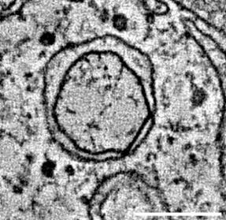
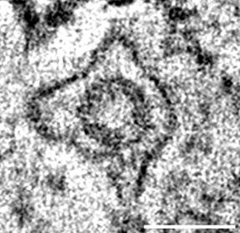

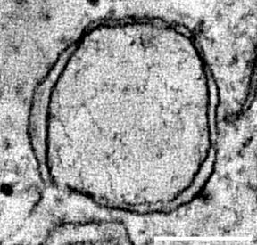
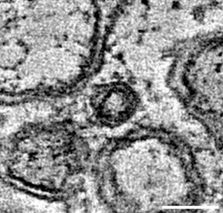
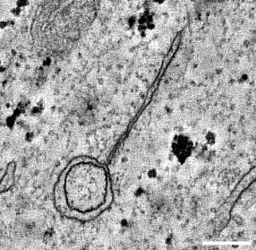

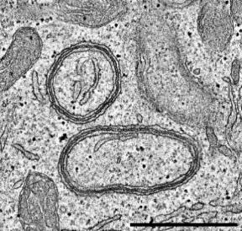

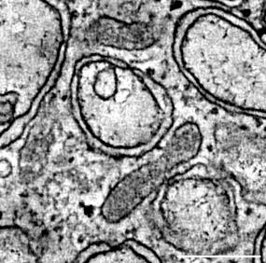
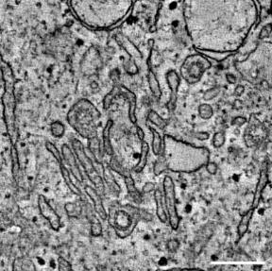
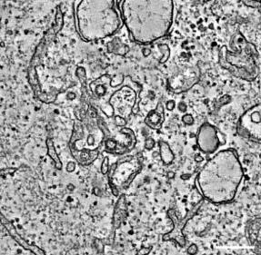
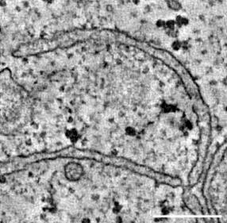
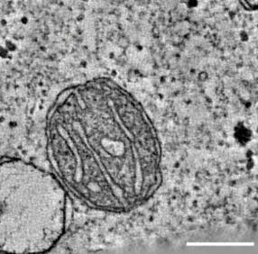
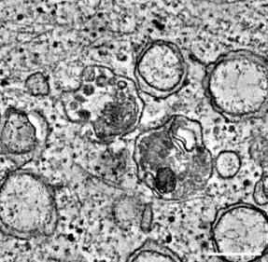
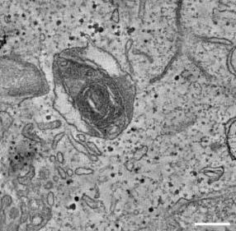
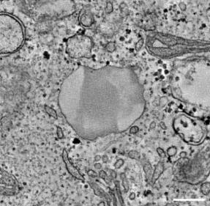
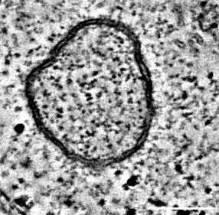
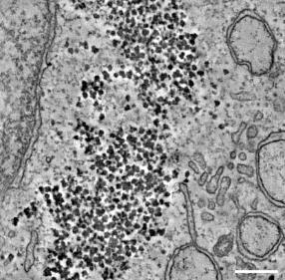
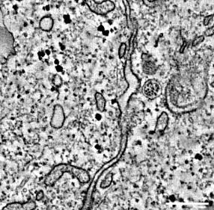

 | 6h_MOI5_a1_t4 | 12h_MOI5_lm035_1 | 6h_MOI5_a1_t3 | 24h_MOI5_lm002_1 | 12h_MOI5_lm094_1 | 12h_MOI5_lm094_6 | 12h_MOI5_lm094_8 | 24h_MOI5_lm002_6 | 24h_MOI0.5_lm0375_1 | 24h_MOI0.5_lm0026_1 | 24h_MOI0.5_lm0107_1 | 24h_MOI0.5_lm0107_2 | 24h_MOI5_lm017_1 | 24h_MOI0.5_lm0139_2 | 24h_MOI0.5_lm0150_1 | 24h_MOI0.5_lm0151_1 | 12h_MOI5_lm094_6 | 24h_MOI5_lm014_1 | 24h_MOI0.5_lm0212_1
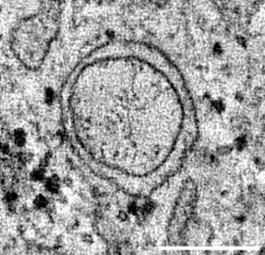


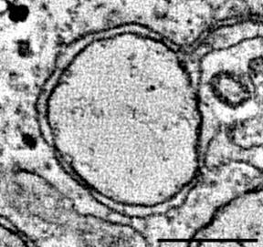
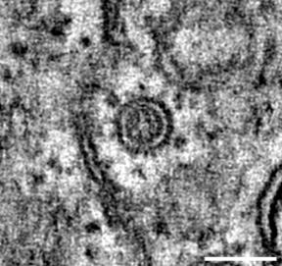
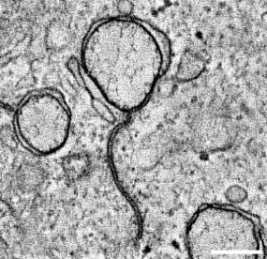

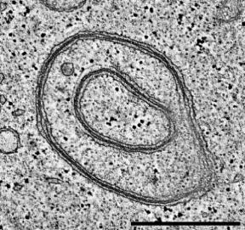

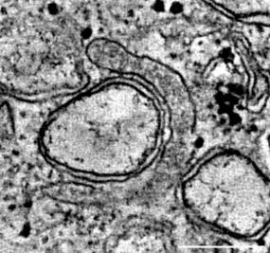
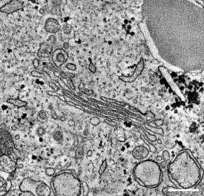
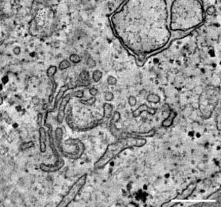
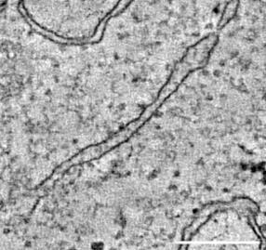
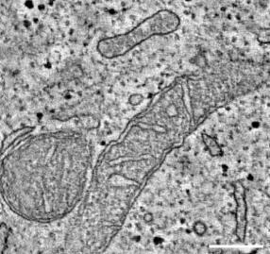
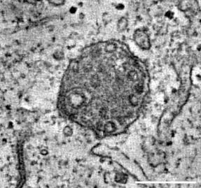






 | 6h_MOI5_a1_t4 | 24h_MOI5_lm001_2 | 24h_MOI5_lm001_1 | 24h_MOI0.5_lm077_1 | 12h_MOI5_lm094_1 | 24h_MOI5_lm048_2 | 12h_MOI5_lm095_1 | 24h_MOI5_lm137_1 | 24h_MOI0.5_lm0318_3 | 24h_MOI0.5_lm0629_1 | 24h_MOI5_lm118_1 | 24h_MOI0.5_lm0421_1 | 24h_MOI0.5_lm0274_1 | 24h_MOI0.5_lm0316_1 | 24h_MOI0.5_lm0170_1 | 24h_MOI0.5_lm0274_1 | 24h_MOI0.5_lm0077_1 | 24h_MOI5_lm022_2 | 24h_MOI0.5_lm0421_1





















 | 12h_MOI5_lm034_2 | 24h_MOI5_lm001_2 | 24h_MOI5_lm001_1 | 24h_MOI0.5_lm0006_1 | 24h_MOI5_lm048_1 | 24h_MOI5_lm0130_1 | 24h_MOI5_lm008_2 | 24h_MOI0.5_lm0827_1 | 24h_MOI5_lm002_3 | 24h_MOI0.5_lm0683_1 | 24h_MOI0.5_lm0140_1 | 24h_MOI0.5_lm0686_1 | 24h_MOI0.5_lm0608_1 | 24h_MOI0.5_lm0374_2 | 24h_MOI0.5_lm0318_1 | 24h_MOI5_lm002_4 | 24h_MOI0.5_lm0686_1 | 24h_MOI5_lm035_1 | 24h_MOI0.5_lm0686_1





















 | 12h_MOI5_lm034_2 | 24h_MOI5_lm002_4 | 24h_MOI5_lm001_2 | 24h_MOI0.5_lm0219_1 | 24h_MOI5_lm048_1 |  | 24h_MOI5_lm014_1 |  |  | 24h_MOI0.5_lm1049_1 | 24h_MOI0.5_lm0314_1 |  |  |  | 24h_MOI0.5_lm0608_1 |  | 24h_MOI5_lm012_1 | 24h_MOI5_lm116_1















 | 24h_MOI5_lm002_5 | 24h_MOI5_lm002_5 | 24h_MOI5_lm002_5 | 24h_MOI0.5_lm0219_2 |  |  | 24h_MOI5_lm022_1 |  |  |  |  |  |  |  |  |  | 24h_MOI5_lm001_1









 | 24h_MOI5_lm002_5 | 24h_MOI5_lm008_5 | 24h_MOI5_lm002_5 | 24h_MOI0.5_lm0318_2 |  |  | 24h_MOI5_lm036_1









 | 24h_MOI5_lm130_1 | 24h_MOI5_lm048_2 | 24h_MOI5_lm005_1 | 24h_MOI0.5_lm0389_1 |  |  | 24h_MOI5_lm115_1







 | 24h_MOI5_lm130_1 | 24h_MOI5_lm048_2 | 24h_MOI5_lm005_1 |  |  |  | 24h_MOI5_lm130_1






 |  | 24h_MOI0.5_lm0033_2 | 24h_MOI5_lm048_2 |  |  |  | 24h_MOI5_lm130_1





 |  |  | 24h_MOI0.5_lm0033_2

