Wheel
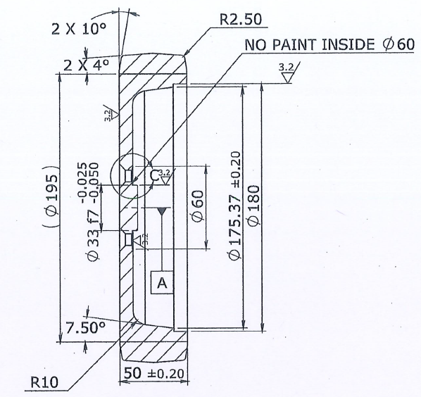
Wheel and tire characteristics
Diameter | 225 | mm
Width | 50 | mm
Treads material | Elastic Rubber
Treads hardness | 75°+/-5° Shore A
Treads color | Black
Core material | SG Iron
Core finish | Black painted
Core color | Black
Shape | 2x4° (See the drawings)

