OCTO_CONTROLER_V1.2
OCTO PRINTER HAT V1.2 BOM
9f . V | Parts | Value | Package | Device | Qty | Description
1 | R1, R2, R3, R4, R9 | 10kJ | R1608 |  | 5 | SMD RESISTOR
2 | R11 | 2kJ | R1608 |  | 1 | SMD RESISTOR
3 | R12 | 2.2kJ | R1608 |  | 1 | SMD RESISTOR
4 | R13 | 52.3kF | R1608 |  | 1 | SMD RESISTOR
5 | R5 | 100kJ | R1608 |  | 1 | SMD RESISTOR
6 | R6 | 200J | R1608 |  | 1 | SMD RESISTOR
7 | R7, R10 | 47kJ | R1608 |  | 2 | SMD RESISTOR
8 | R8 | 11kJ | R1608 | sdf;m | 1 | SMD RESISTOR
9 | R14 | 10kF | R1608 |  | 1 | SMD RESISTOR
10 | RN1 | 47J | ARRAY R3216 |  | 1 | ARRAY SMD RESISTOR
11 | C1 | 10uF/35V | C3225 |  | 1 | CERAMIC CAP
12 | C2 | 2.2nF/50V | C1608 |  | 1 | CERAMIC CAP
13 | C3 | 0.1uF/50V | C1608 |  | 1 | CERAMIC CAP
14 | C4 | 10nF/50V | C1608 |  | 1 | CERAMIC CAP
15 | C5 | 100uF/16V | C7343 |  | 1 | TANTAL CAPACITOR
16 | C6 | 4.7uF/10V | C2012 |  | 1 | CERAMIC CAP
17 | C7 | 0.1uF | C1608 |  | 1 | CERAMIC CAP
18 | D1 | 1N4148WS | SOD323 |  | 1 | DIODE
19 | D2 | MBRS540T3 | SMC |  | 1 | SCHOTTKY DIODE
20 | ZD1 | SM6T33CAY | SMB |  | 1 | TVS DIODE 33V
21 | ZD2 | RD5.6S | DSMM |  | 1 | ZENER DIODE 5.6V
22 | ZD3 | RD10S | DSMM |  | 1 | ZENER DIODE 47V
23 | ZD4, ZD5 | RD36S | DSMM |  | 2 | ZENER DIODE 47V
24 | ZD6 | RD16S | DSMM |  | 1 | ZENER DIODE 47V
25 | LED1 | NC | LED-1608 |  | 1 | NOT SMD
26 | LED2 | 3FG2HD-T1 |  | RED LED | 1 | BOARD MOUNT LED
27 | F1 | 1812L110/33 | 1812L |  | 1 | POLY FUSE(HOLD 1.1A, MAX 33V) | http://www.littelfuse.com/products/resettable-ptcs/surface-mount/1812l/1812l110_33.aspx
28 | IC1, IC2 | NTMD5838NL | SO08 |  | 2 | DUAL CHANNEL N-CH MOS FET
29 | IC3, Q2 | CXDM4060P | SOT89 |  | 2 | P-CH MOS FET
30 | IC4 | AOZ1284PI | S08-EP1 |  | 1 | SWITCHING REGULATOR
31 | L1 | 22uH | SHP1260P-F |  | 1 | POWER INDUCTOR | http://huijia-tech.com/upload/1230002737x-636397003.pdf
32 | Q1, Q3 | DTC114EUA | SC59-BEC |  | 2 | NPN Bias Resistor Transistor
33 | X1 |  | 2.54mm DUAL *40PIN, 12mm |  | 1 | 2.54mm DUAL PIN HEADER SOCKET 12mm | https://www.aliexpress.com/item/2PCS-2x40-PIN-double-Row-Straight-FEMALE-PIN-HEADER-2-54MM-PITCH-pin-long-12MM-Strip/32868136637.html?spm=a2g0s.9042311.0.0.27424c4dhVsvJY
34 | J1 |  | DC-005 |  | 1 | DC JACK φ5.5mm
35 | JP2, JP4, JP5 | ECH350R-02 | 3.5mm PITCH 2PIN |  | 3 | DINKLE PINHEADER 2PIN | https://www.dinkle.com/kr/terminal/ECH350R-XXP
36 | JP3 | 3*3, 2.54mm | 2.54mm PIN HEADER | PIN HEADER 3*3 | 1 | 3*3, 2.54mm RIGHT ANGLE PIN HEADER | https://www.aliexpress.com/item/5Pcs-Gold-Plated-Pitch-2-54mm-3x40-Pin-120-Pin-Right-Angle-Male-Pin-Header-Strip/32702387665.html?spm=a2g0s.13010208.99999999.260.482a3c00hLwTMT
37 | JP1 | ECH350R-04 | 3.5mm PITCH 3PIN |  | 1 | DINKLE PINHEADER 4PIN | https://www.aliexpress.com/item/2PCS-2x40-PIN-double-Row-Straight-FEMALE-PIN-HEADER-2-54MM-PITCH-pin-long-12MM-Strip/32868136637.html?spm=a2g0s.9042311.0.0.27424c4duV00sG
38 |  | EC350V-02 |  |  | 3 | DINKLE CONNECTOR 2PIN | https://www.dinkle.com/en/terminal/EC350V-XXP
39 |  | EC350V-04 |  |  | 1 | DINKLE CONNECTOR 4PIN
40 | TFT LCD |  |  |  | 1 | 3.5 INCHI RASPBERRY LCD(320*480) | https://www.aliexpress.com/item/Free-shipping-LCD-module-Pi-TFT-3-5-inch-320-480-Touchscreen-Display-Module-TFT-for/32233522592.html?spm=a2g0s.9042311.0.0.5f7c4c4dNYOjiv
41 | PCB SUPPORT | 15mm |  |  | 4 | PCB SUPPORT M2
42 | PCB SUPPORT | 18mm |  |  | 4 | PCB SUPPORT M2

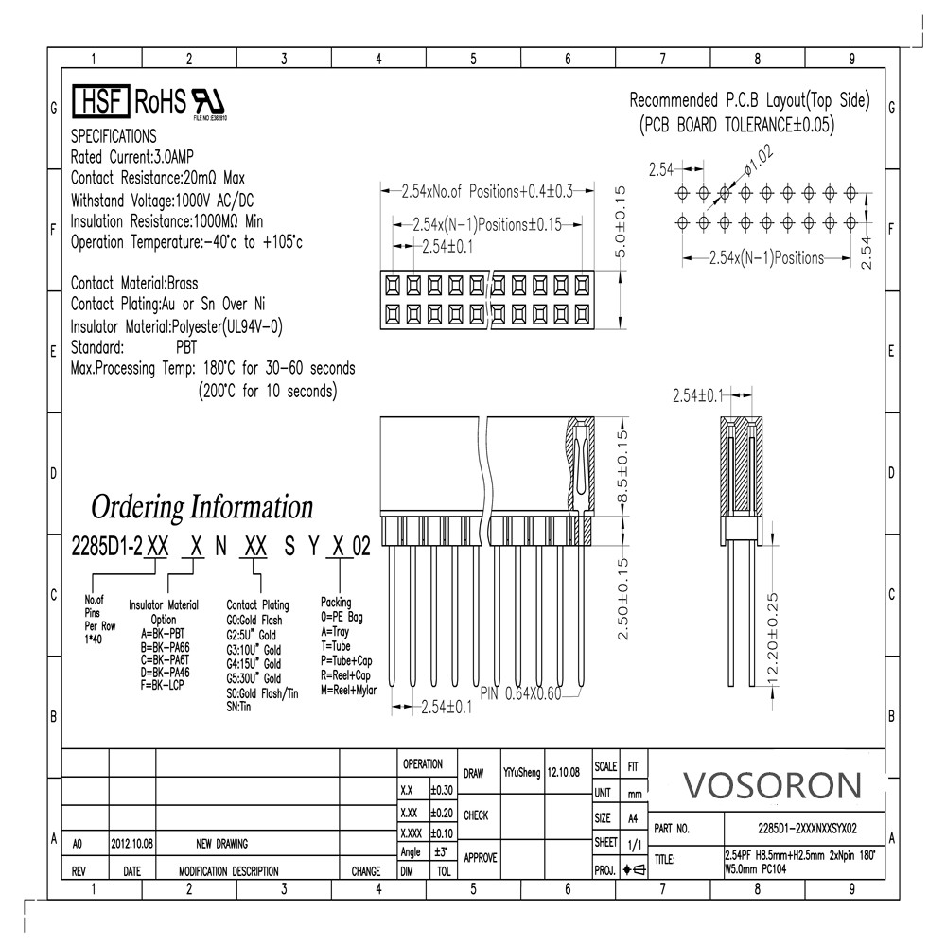
 | X1

 | LED2
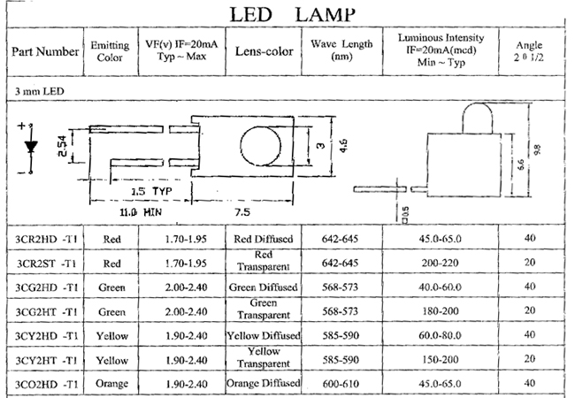

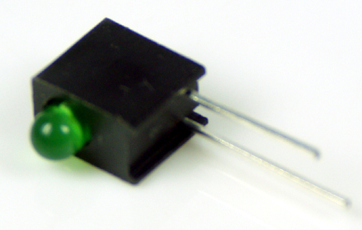

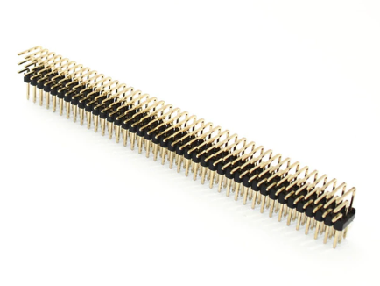
 | JP3

OCTO_CONTROLER_V1.3
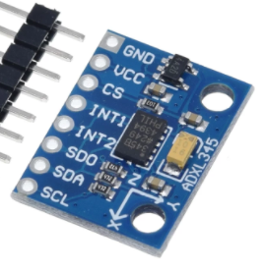
OCTO PRINTER HAT V1.4 BOM
No. | Parts | Value | Package | Device | Qty | Description
1 | R1, R2, R3, R4, R9, R17, R18, R19, R20 | 10kJ | R1608 |  | 9 | SMD RESISTOR
2 | R11 | 2kJ | R1608 |  | 1 | SMD RESISTOR
3 | R12 | 2.2kJ | R1608 |  | 1 | SMD RESISTOR
4 | R13 | 52.3kF | R1608 |  | 1 | SMD RESISTOR
5 | R5 | 100kJ | R1608 |  | 1 | SMD RESISTOR
6 | R6 | 200J | R1608 |  | 1 | SMD RESISTOR
7 | R7, R10 | 47kJ | R1608 |  | 2 | SMD RESISTOR
8 | R8 | 11kJ | R1608 | sdf;m | 1 | SMD RESISTOR
9 | R14 | 10kF | R1608 |  | 1 | SMD RESISTOR
10 | R15 | 4.7k | R1608 |  | 1 | SMD RESISTOR
11 | R16 | 1k | R1608 |  | 1 | SMD RESISTOR
12 | RN1, RN2 | 47J | ARRAY R3216 |  | 2 | ARRAY SMD RESISTOR
13 | C1 | 10uF/35V | C3225 |  | 1 | CERAMIC CAP
14 | C2 | 2.2nF/50V | C1608 |  | 1 | CERAMIC CAP
15 | C3, C7 | 0.1uF/50V | C1608 |  | 2 | CERAMIC CAP
16 | C4 | 10nF/50V | C1608 |  | 1 | CERAMIC CAP
17 | C5 | 100uF/16V | C7343 |  | 1 | TANTAL CAPACITOR
18 | C6 | 4.7uF/10V | C2012 |  | 1 | CERAMIC CAP
19 | D1 | 1N4148WS | SOD323 |  | 1 | DIODE
20 | D2 | MBRS540T3 | SMC |  | 1 | SCHOTTKY DIODE
21 | ZD1 | SM6T33CAY | SMB |  | 1 | TVS DIODE 33V
22 | ZD2 | RD5.6S | DSMM |  | 1 | ZENER DIODE 5.6V
23 | ZD3 | RD10S | DSMM |  | 1 | ZENER DIODE 47V
24 | ZD4, ZD5 | RD36S | DSMM |  | 2 | ZENER DIODE 47V
25 | ZD6 | RD16S | DSMM |  | 1 | ZENER DIODE 47V
26 | LED1 | NC | LED-1608 |  | 1 | NOT SMD
27 | LED2 | 3FG2HD-T1 |  | RED LED | 1 | BOARD MOUNT LED
28 | F1 | 1812L110/33 | 1812L |  | 1 | POLY FUSE(HOLD 1.1A, MAX 33V) | http://www.littelfuse.com/products/resettable-ptcs/surface-mount/1812l/1812l110_33.aspx
29 | T1, T2, T5, T6 | NTMD5838NL | SO08 |  | 4 | DUAL CHANNEL N-CH MOS FET
30 | T3, T4 | CXDM4060P | SOT89 |  | 2 | P-CH MOS FET
31 | T7 | 2N7002NXAKR | SOT23 |  | 2 | N-CH MOS FET
32 | IC1 | AOZ1284PI | S08-EP1 |  | 1 | SWITCHING REGULATOR
33 | L1 | 22uH | SHP1260P-F |  | 1 | POWER INDUCTOR | http://huijia-tech.com/upload/1230002737x-636397003.pdf
34 | Q1, Q2 | DTC114EUA | SC59-BEC |  | 2 | NPN Bias Resistor Transistor
35 | X1 |  | 2.54mm DUAL *40PIN, 12mm |  | 1 | 2.54mm DUAL PIN HEADER SOCKET 12mm | https://www.aliexpress.com/item/2PCS-2x40-PIN-double-Row-Straight-FEMALE-PIN-HEADER-2-54MM-PITCH-pin-long-12MM-Strip/32868136637.html?spm=a2g0s.9042311.0.0.27424c4dhVsvJY
36 | J1 |  | DC-005 |  | 1 | DC JACK φ5.5mm
37 | JP2, JP4, JP5, JP6, JP7, JP8, JP9 | ECH350R-02 | 3.5mm PITCH 2PIN |  | 5 | DINKLE PINHEADER 2PIN | https://www.dinkle.com/kr/terminal/ECH350R-XXP
38 | JP3 | 3*3, 2.54mm | 2.54mm PIN HEADER | PIN HEADER 3*3 | 1 | 3*3, 2.54mm RIGHT ANGLE PIN HEADER | https://www.aliexpress.com/item/5Pcs-Gold-Plated-Pitch-2-54mm-3x40-Pin-120-Pin-Right-Angle-Male-Pin-Header-Strip/32702387665.html?spm=a2g0s.13010208.99999999.260.482a3c00hLwTMT
39 | JP1 | ECH350R-04 | 3.5mm PITCH 3PIN |  | 1 | DINKLE PINHEADER 4PIN | https://www.aliexpress.com/item/2PCS-2x40-PIN-double-Row-Straight-FEMALE-PIN-HEADER-2-54MM-PITCH-pin-long-12MM-Strip/32868136637.html?spm=a2g0s.9042311.0.0.27424c4duV00sG
40 | JP11 | B2B-XH-A | 2.54mm JST XH |  | 1 | JST 2.52mm 2PIN
41 |  | EC350V-02 |  |  | 3 |  | https://www.dinkle.com/en/terminal/EC350V-XXP
42 |  | EC350V-04 |  |  | 1 | DINKLE CONNECTOR 4PIN
43 | TFT LCD |  |  |  | 1 | 3.5 INCHI RASPBERRY LCD(320*480) | https://www.aliexpress.com/item/Free-shipping-LCD-module-Pi-TFT-3-5-inch-320-480-Touchscreen-Display-Module-TFT-for/32233522592.html?spm=a2g0s.9042311.0.0.5f7c4c4dNYOjiv
44 | PCB SUPPORT | 15mm |  |  | 4 | PCB SUPPORT M2
45 | PCB SUPPORT | 18mm |  |  | 4 | PCB SUPPORT M2

 | X1

 | LED2

 | JP3

 | B2B-XH-A

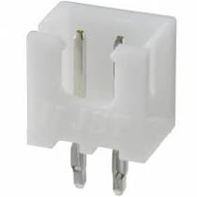

 | ADXL345 SENSOR

 | https://ko.aliexpress.com/item/4000196862769.html?spm=a2g0o.productlist.0.0.5fec4b7aY5TurS&algo_pvid=e67ca1a7-0bbb-4fe9-a74b-42f9fc0b1fbf&algo_expid=e67ca1a7-0bbb-4fe9-a74b-42f9fc0b1fbf-1&btsid=0bb0622a16065361525711623e9857&ws_ab_test=searchweb0_0,searchweb201602_,searchweb201603_

