Sheet1
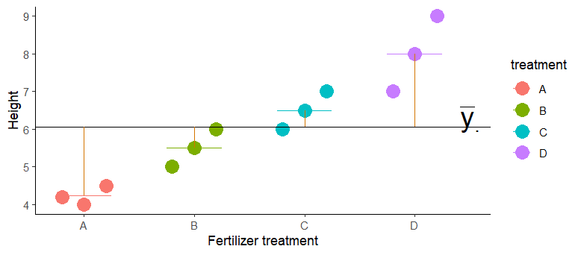
Replicate | Treatment | Value | Group mean | group-global |  | ind-group | Source | SS | df | MS | F
1 | A | 4.2 | 4.2333333333 | 3.330625 | 3.330625 | 0.0011111111111 | Among | 22.8225 | 3 | 7.6075 | 19.464818763
2 | A | 4 | 4.2333333333 |  | 3.330625 | 0.054444444444 | Within | 3.1266666667 | 8 | 0.39083333333
3 | A | 4.5 | 4.2333333333 |  | 3.330625 | 0.071111111111 | Total | 25.949166667 | 11
1 | B | 5 | 5.5 | 0.31173611111 | 0.31173611111 | 0.25
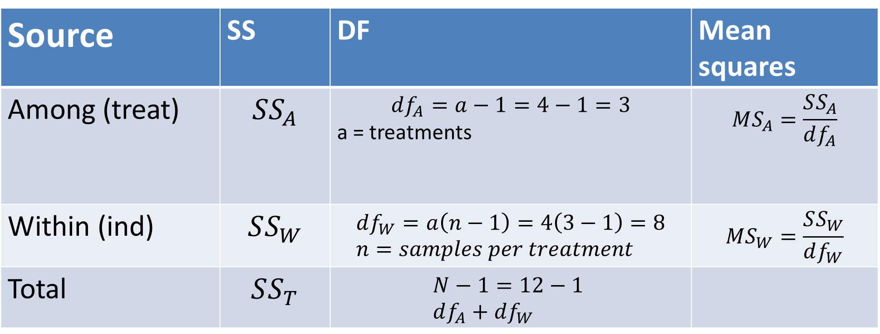
2 | B | 5.5 | 5.5 |  | 0.31173611111 | 0
3 | B | 6 | 5.5 |  | 0.31173611111 | 0.25
1 | C | 6 | 6.5 | 0.19506944444 | 0.19506944444 | 0.25
2 | C | 6.5 | 6.5 |  | 0.19506944444 | 0
3 | C | 7 | 6.5 |  | 0.19506944444 | 0.25
1 | D | 7 | 8 | 3.7700694444 | 3.7700694444 | 1
2 | D | 8 | 8 |  | 3.7700694444 | 0
3 | D | 9 | 8 |  | 3.7700694444 | 1
 | global mean | 6.0583333333 |  | 7.6075 |  | 3.1266666667
 |  |  | SSA | 22.8225 | 22.8225

