Sheet1 (2)
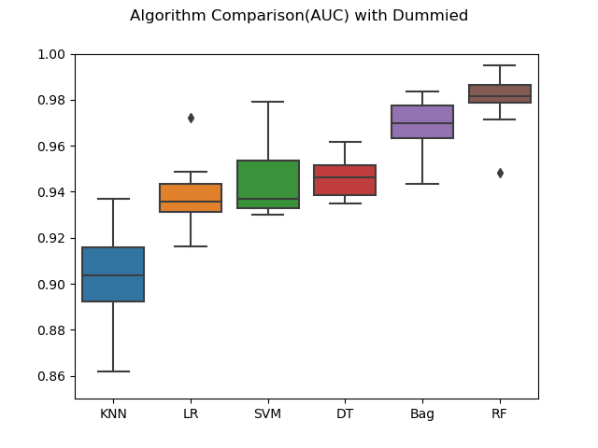
Dummy | KNN | LR | SVM | DT | Bag | RF
max | 0.937 | 0.972 | 0.979 | 0.962 | 0.983 | 0.995
max | 0.937 | 0.976 | 0.979 | 0.963 | 0.989 | 0.996
max | 0.937 | 0.968 | 0.979 | 0.961 | 0.981 | 0.992
max | 0.937 | 0.968 | 0.979 | 0.965 | 0.988 | 0.987
max | 0.937 | 0.968 | 0.979 | 0.963 | 0.981 | 0.995
max | 0.937 | 0.970 | 0.979 | 0.962 | 0.989 | 0.992
max | 0.936946 | 0.967439 | 0.979449 | 0.961073 | 0.989285 | 0.993993
max | 0.937 | 0.969 | 0.979 | 0.963 | 0.989 | 0.993

Sheet1
Dummy | KNN | LR | SVM | DT | Bag | RF
count | 10.000 | 10.000 | 10.000 | 10.000 | 10.000 | 10.000
mean | 0.902 | 0.939 | 0.944 | 0.946 | 0.968 | 0.980
std | 0.022 | 0.015 | 0.016 | 0.009 | 0.012 | 0.013
min | 0.862 | 0.916 | 0.930 | 0.935 | 0.943 | 0.948
25% | 0.892 | 0.931 | 0.933 | 0.939 | 0.963 | 0.979
50% | 0.904 | 0.936 | 0.937 | 0.946 | 0.970 | 0.982
75% | 0.916 | 0.944 | 0.953 | 0.951 | 0.978 | 0.986
max | 0.937 | 0.972 | 0.979 | 0.962 | 0.983 | 0.995
Rank Mean | 6 | 5 | 4 | 3 | 2 | 1
Rank STD | 6 | 4 | 5 | 1 | 2 | 3
Rank Max | 6 | 4 | 3 | 5 | 2 | 1

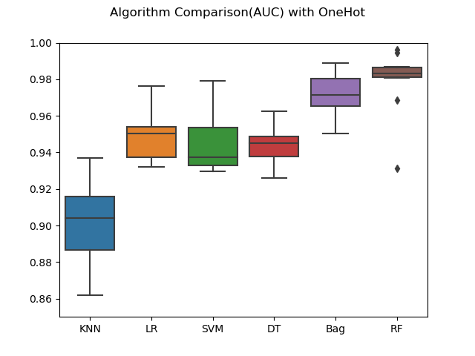
OneHot | KNN | LR | SVM | DT | Bag | RF
count | 10.000 | 10.000 | 10.000 | 10.000 | 10.000 | 10.000
mean | 0.901 | 0.949 | 0.944 | 0.944 | 0.972 | 0.979
std | 0.023 | 0.013 | 0.016 | 0.011 | 0.012 | 0.018
min | 0.862 | 0.932 | 0.930 | 0.926 | 0.950 | 0.931
25% | 0.886 | 0.938 | 0.933 | 0.938 | 0.965 | 0.981
50% | 0.904 | 0.950 | 0.937 | 0.945 | 0.971 | 0.983
75% | 0.916 | 0.954 | 0.954 | 0.949 | 0.980 | 0.986
max | 0.937 | 0.976 | 0.979 | 0.963 | 0.989 | 0.996
Rank Mean | 6 | 3 | 4 | 5 | 2 | 1
Rank STD | 6 | 3 | 4 | 1 | 2 | 5
Rank Max | 6 | 4 | 3 | 5 | 2 | 1

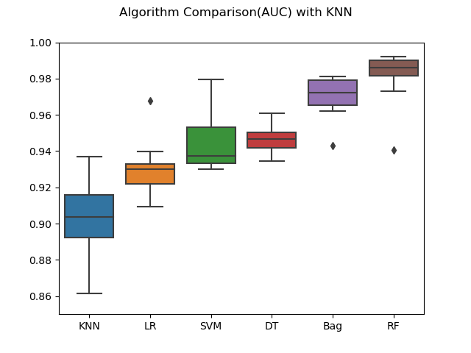
KNN | KNN | LR | SVM | DT | Bag | RF
count | 10 | 10 | 10 | 10 | 10 | 10
mean | 0.902 | 0.931 | 0.944 | 0.947 | 0.970 | 0.981
std | 0.022 | 0.016 | 0.016 | 0.008 | 0.012 | 0.015
min | 0.861 | 0.909 | 0.930 | 0.934 | 0.943 | 0.941
25% | 0.892 | 0.922 | 0.933 | 0.942 | 0.965 | 0.981
50% | 0.904 | 0.930 | 0.937 | 0.947 | 0.972 | 0.986
75% | 0.916 | 0.933 | 0.953 | 0.950 | 0.979 | 0.990
max | 0.937 | 0.968 | 0.979 | 0.961 | 0.981 | 0.992
Rank Mean | 6 | 5 | 4 | 3 | 2 | 1
Rank STD | 6 | 4 | 5 | 1 | 2 | 3
Rank Max | 6 | 4 | 3 | 5 | 2 | 1

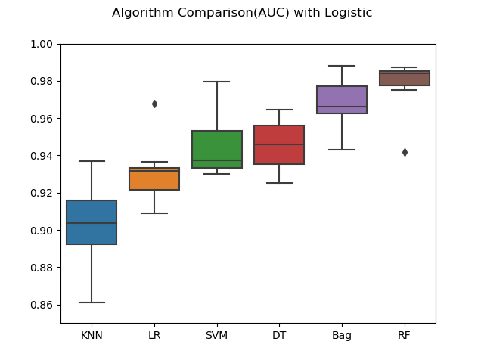
Logistic | KNN | LR | SVM | DT | Bag | RF
count | 10 | 10 | 10 | 10 | 10 | 10
mean | 0.902 | 0.931 | 0.944 | 0.945 | 0.967 | 0.978
std | 0.022 | 0.016 | 0.016 | 0.014 | 0.013 | 0.013
min | 0.861 | 0.909 | 0.930 | 0.925 | 0.943 | 0.942
25% | 0.892 | 0.921 | 0.933 | 0.935 | 0.962 | 0.977
50% | 0.904 | 0.932 | 0.937 | 0.946 | 0.966 | 0.984
75% | 0.916 | 0.933 | 0.953 | 0.956 | 0.977 | 0.985
max | 0.937 | 0.968 | 0.979 | 0.965 | 0.988 | 0.987
Rank Mean | 6 | 5 | 4 | 3 | 2 | 1
Rank STD | 6 | 4 | 5 | 3 | 1 | 2
Rank Max | 6 | 4 | 3 | 5 | 1 | 2

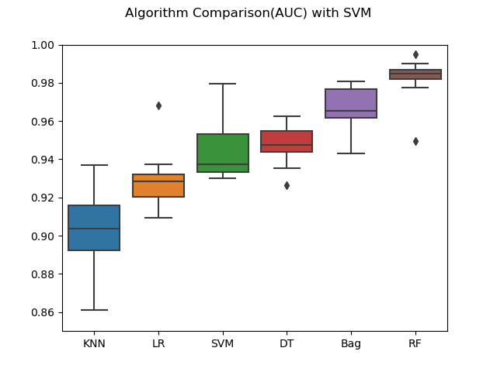
SVM | KNN | LR | SVM | DT | Bag | RF
count | 10 | 10 | 10 | 10 | 10 | 10
mean | 0.902 | 0.929 | 0.944 | 0.947 | 0.966 | 0.982
std | 0.022 | 0.016 | 0.016 | 0.011 | 0.012 | 0.012
min | 0.861 | 0.909 | 0.930 | 0.926 | 0.943 | 0.949
25% | 0.892 | 0.920 | 0.933 | 0.944 | 0.962 | 0.982
50% | 0.904 | 0.928 | 0.937 | 0.947 | 0.965 | 0.985
75% | 0.916 | 0.932 | 0.953 | 0.955 | 0.977 | 0.987
max | 0.937 | 0.968 | 0.979 | 0.963 | 0.981 | 0.995
Rank Mean | 6 | 5 | 4 | 3 | 2 | 1
Rank STD | 6 | 5 | 4 | 1 | 2 | 3
Rank Max | 6 | 4 | 3 | 5 | 2 | 1

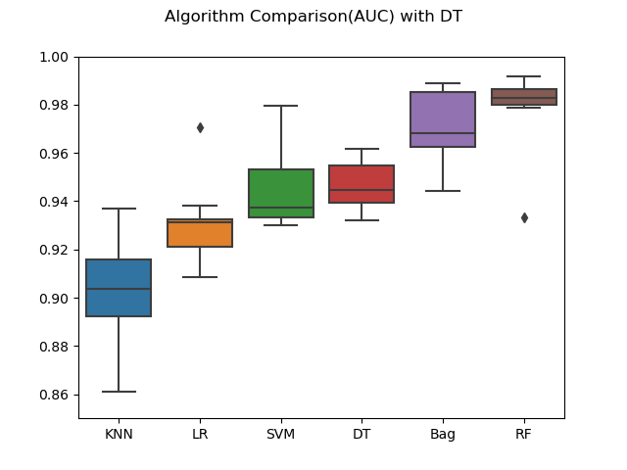
DT | KNN | LR | SVM | DT | Bag | RF
count | 10 | 10 | 10 | 10 | 10 | 10
mean | 0.902 | 0.931 | 0.944 | 0.947 | 0.971 | 0.979
std | 0.022 | 0.016 | 0.016 | 0.010 | 0.015 | 0.017
min | 0.861 | 0.909 | 0.930 | 0.932 | 0.944 | 0.933
25% | 0.892 | 0.921 | 0.933 | 0.939 | 0.962 | 0.980
50% | 0.904 | 0.931 | 0.937 | 0.945 | 0.968 | 0.983
75% | 0.916 | 0.932 | 0.953 | 0.955 | 0.985 | 0.986
max | 0.937 | 0.970 | 0.979 | 0.962 | 0.989 | 0.992
Rank Mean | 6 | 5 | 4 | 3 | 2 | 1
Rank STD | 6 | 4 | 3 | 1 | 2 | 5
Rank Max | 6 | 4 | 3 | 5 | 2 | 1

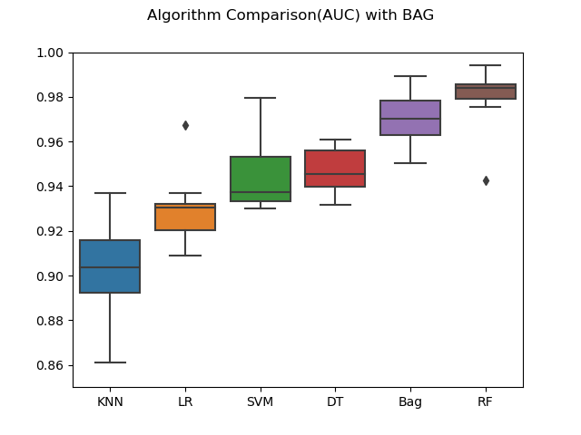
BAG | KNN | LR | SVM | DT | Bag | RF
count | 10 | 10 | 10 | 10 | 10 | 10
mean | 0.902058 | 0.929774 | 0.944317 | 0.947015 | 0.970117 | 0.979812
std | 0.022207 | 0.015639 | 0.0157 | 0.009846 | 0.011751 | 0.014053
min | 0.861018 | 0.908965 | 0.930017 | 0.931503 | 0.950479 | 0.94252
25% | 0.892314 | 0.920247 | 0.933249 | 0.939706 | 0.962836 | 0.979039
50% | 0.903593 | 0.93049 | 0.937218 | 0.945653 | 0.970062 | 0.984162
75% | 0.915961 | 0.932128 | 0.953202 | 0.95586 | 0.978374 | 0.985734
max | 0.936946 | 0.967439 | 0.979449 | 0.961073 | 0.989285 | 0.993993
Rank Mean | 6 | 5 | 4 | 3 | 2 | 1
Rank STD | 6 | 4 | 5 | 1 | 2 | 3
Rank Max | 6 | 4 | 3 | 5 | 2 | 1

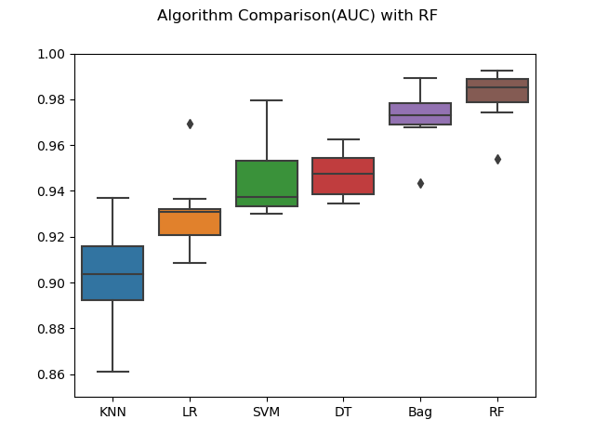
RF | KNN | LR | SVM | DT | Bag | RF
count | 10 | 10 | 10 | 10 | 10 | 10
mean | 0.902 | 0.930 | 0.944 | 0.947 | 0.972 | 0.982
std | 0.022 | 0.016 | 0.016 | 0.010 | 0.012 | 0.011
min | 0.861 | 0.908 | 0.930 | 0.935 | 0.943 | 0.954
25% | 0.892 | 0.921 | 0.933 | 0.939 | 0.969 | 0.979
50% | 0.904 | 0.931 | 0.937 | 0.948 | 0.973 | 0.985
75% | 0.916 | 0.932 | 0.953 | 0.954 | 0.978 | 0.989
max | 0.937 | 0.969 | 0.979 | 0.963 | 0.989 | 0.993
Rank Mean | 6 | 5 | 4 | 3 | 2 | 1
Rank STD | 6 | 5 | 4 | 1 | 3 | 2
Rank Max | 6 | 4 | 3 | 5 | 2 | 1

