RESULT ALL SM
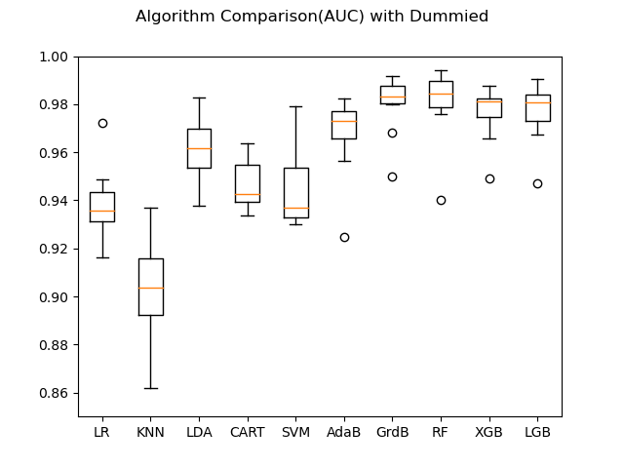
Dummy | LR | KNN | LDA | CART | SVM | AdaB | GrdB | RF | XGB | LGB
std | 0.015 | 0.022 | 0.014 | 0.012 | 0.016 | 0.017 | 0.013 | 0.016 | 0.012 | 0.013
std | 0.013 | 0.023 | 0.014 | 0.011 | 0.016 | 0.017 | 0.011 | 0.015 | 0.015 | 0.014
std | 0.015536 | 0.022207 | 0.013813 | 0.008713 | 0.015683 | 0.01824 | 0.012293 | 0.016152 | 0.014318 | 0.01258
std | 0.015543 | 0.022147 | 0.013825 | 0.008951 | 0.015698 | 0.018102 | 0.013573 | 0.01407 | 0.014579 | 0.012191
std | 0.016043 | 0.022207 | 0.013977 | 0.008698 | 0.015693 | 0.01824 | 0.012112 | 0.0162 | 0.014318 | 0.01258
std | 0.016378 | 0.022207 | 0.013859 | 0.010406 | 0.015701 | 0.01824 | 0.012182 | 0.011841 | 0.014318 | 0.01258
std | 0.015788 | 0.022207 | 0.013672 | 0.010459 | 0.015696 | 0.018062 | 0.010573 | 0.014493 | 0.01312 | 0.011157
std | 0.015847 | 0.022207 | 0.013823 | 0.009607 | 0.015683 | 0.01824 | 0.01227 | 0.012374 | 0.014318 | 0.01258
std | 0.015884 | 0.022207 | 0.013859 | 0.010812 | 0.015692 | 0.01824 | 0.01206 | 0.013518 | 0.014318 | 0.01258
std | 0.015983 | 0.022207 | 0.013864 | 0.009046 | 0.015704 | 0.01824 | 0.012288 | 0.011762 | 0.014318 | 0.01258
std | 0.016273 | 0.022207 | 0.013858 | 0.008307 | 0.015695 | 0.01824 | 0.011976 | 0.014138 | 0.014318 | 0.01258
std | 0.015699 | 0.022207 | 0.013859 | 0.010116 | 0.015693 | 0.01824 | 0.012312 | 0.011132 | 0.014318 | 0.01258

RESULT (2)
Dummy | LR | KNN | CART | SVM | AdaB | RF | XGB | LGB
count | 10.000 | 10.000 | 10.000 | 10.000 | 10.000 | 10.000 | 10.000 | 10.000
mean | 0.939 | 0.902 | 0.947 | 0.944 | 0.968 | 0.981 | 0.977 | 0.977
std | 0.015 | 0.022 | 0.012 | 0.016 | 0.017 | 0.016 | 0.012 | 0.013
min | 0.916 | 0.862 | 0.932 | 0.930 | 0.925 | 0.936 | 0.949 | 0.947
25% | 0.931 | 0.892 | 0.938 | 0.933 | 0.966 | 0.981 | 0.975 | 0.973
50% | 0.936 | 0.904 | 0.946 | 0.937 | 0.973 | 0.986 | 0.981 | 0.981
75% | 0.944 | 0.916 | 0.954 | 0.953 | 0.977 | 0.989 | 0.982 | 0.984
max | 0.972 | 0.937 | 0.967 | 0.979 | 0.983 | 0.991 | 0.987 | 0.991
Rank Mean | 7 | 8 | 5 | 6 | 4 | 1 | 3 | 2
Rank STD | 4 | 8 | 1 | 5 | 7 | 6 | 2 | 3
Rank Max | 6 | 8 | 7 | 5 | 4 | 1 | 3 | 2

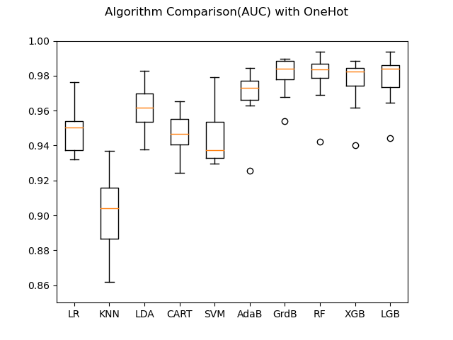
OneHot | LR | KNN | CART | SVM | AdaB | RF | XGB | LGB
count | 10.000 | 10.000 | 10.000 | 10.000 | 10.000 | 10.000 | 10.000 | 10.000
mean | 0.949 | 0.901 | 0.947 | 0.944 | 0.969 | 0.979 | 0.976 | 0.978
std | 0.013 | 0.023 | 0.011 | 0.016 | 0.017 | 0.015 | 0.015 | 0.014
min | 0.932 | 0.862 | 0.932 | 0.930 | 0.925 | 0.939 | 0.940 | 0.944
25% | 0.938 | 0.886 | 0.939 | 0.933 | 0.966 | 0.979 | 0.974 | 0.974
50% | 0.950 | 0.904 | 0.946 | 0.937 | 0.973 | 0.984 | 0.983 | 0.984
75% | 0.954 | 0.916 | 0.953 | 0.954 | 0.977 | 0.985 | 0.984 | 0.986
max | 0.976 | 0.937 | 0.965 | 0.979 | 0.984 | 0.989 | 0.988 | 0.994
Rank Mean | 5 | 8 | 6 | 7 | 4 | 1 | 3 | 2
Rank STD | 2 | 8 | 1 | 6 | 7 | 4 | 5 | 3
Rank Max | 6 | 8 | 7 | 5 | 4 | 2 | 3 | 1

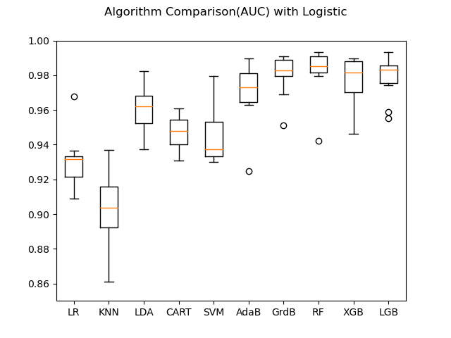
Logistic | LR | KNN | CART | SVM | AdaB | RF | XGB | LGB
count | 10 | 10 | 10 | 10 | 10 | 10 | 10 | 10
mean | 0.931 | 0.902 | 0.945 | 0.944 | 0.970 | 0.980 | 0.977 | 0.979
std | 0.016 | 0.022 | 0.009 | 0.016 | 0.018 | 0.016 | 0.014 | 0.013
min | 0.909 | 0.861 | 0.934 | 0.930 | 0.925 | 0.935 | 0.946 | 0.955
25% | 0.921 | 0.892 | 0.940 | 0.933 | 0.964 | 0.981 | 0.970 | 0.975
50% | 0.932 | 0.904 | 0.945 | 0.937 | 0.973 | 0.984 | 0.981 | 0.983
75% | 0.933 | 0.916 | 0.947 | 0.953 | 0.981 | 0.987 | 0.988 | 0.986
max | 0.968 | 0.937 | 0.963 | 0.979 | 0.990 | 0.991 | 0.990 | 0.993
Rank Mean | 7 | 8 | 5 | 6 | 4 | 1 | 3 | 2
Rank STD | 4 | 8 | 1 | 5 | 7 | 6 | 3 | 2
Rank Max | 6 | 8 | 7 | 5 | 3 | 2 | 4 | 1

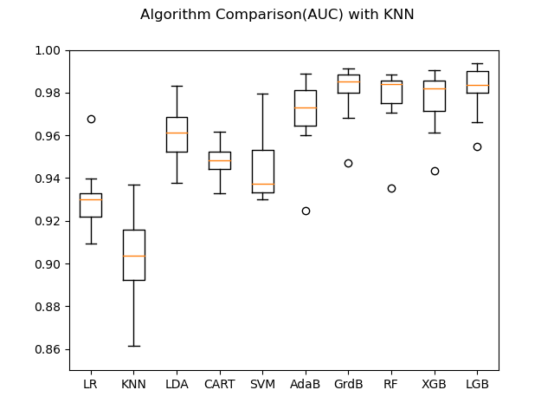
KNN | LR | KNN | CART | SVM | AdaB | RF | XGB | LGB
count | 10 | 10 | 10 | 10 | 10 | 10 | 10 | 10
mean | 0.931 | 0.902 | 0.948 | 0.944 | 0.969 | 0.979 | 0.977 | 0.981
std | 0.016 | 0.022 | 0.009 | 0.016 | 0.018 | 0.014 | 0.015 | 0.012
min | 0.909 | 0.861 | 0.934 | 0.930 | 0.925 | 0.942 | 0.943 | 0.955
25% | 0.922 | 0.892 | 0.942 | 0.933 | 0.965 | 0.976 | 0.972 | 0.980
50% | 0.930 | 0.904 | 0.946 | 0.937 | 0.973 | 0.984 | 0.982 | 0.984
75% | 0.933 | 0.916 | 0.956 | 0.953 | 0.981 | 0.985 | 0.986 | 0.990
max | 0.968 | 0.937 | 0.961 | 0.979 | 0.989 | 0.992 | 0.991 | 0.994
Rank Mean | 7 | 8 | 5 | 6 | 4 | 2 | 3 | 1
Rank STD | 5 | 8 | 1 | 6 | 7 | 3 | 4 | 2
Rank Max | 6 | 8 | 7 | 5 | 4 | 2 | 3 | 1

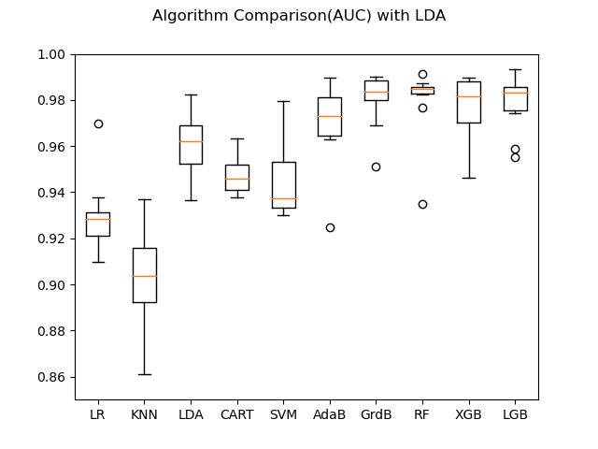
LDA | LR | KNN | CART | SVM | AdaB | RF | XGB | LGB
count | 10 | 10 | 10 | 10 | 10 | 10 | 10 | 10
mean | 0.930 | 0.902 | 0.948 | 0.944 | 0.970 | 0.980 | 0.977 | 0.979
std | 0.016 | 0.022 | 0.009 | 0.016 | 0.018 | 0.016 | 0.014 | 0.013
min | 0.910 | 0.861 | 0.938 | 0.930 | 0.925 | 0.935 | 0.946 | 0.955
25% | 0.921 | 0.892 | 0.941 | 0.933 | 0.964 | 0.983 | 0.970 | 0.975
50% | 0.929 | 0.904 | 0.946 | 0.937 | 0.973 | 0.985 | 0.981 | 0.983
75% | 0.931 | 0.916 | 0.952 | 0.953 | 0.981 | 0.985 | 0.988 | 0.986
max | 0.970 | 0.937 | 0.963 | 0.979 | 0.990 | 0.991 | 0.990 | 0.993
Rank Mean | 7 | 8 | 5 | 6 | 4 | 1 | 3 | 2
Rank STD | 5 | 8 | 1 | 4 | 7 | 6 | 3 | 2
Rank Max | 6 | 8 | 7 | 5 | 3 | 2 | 4 | 1

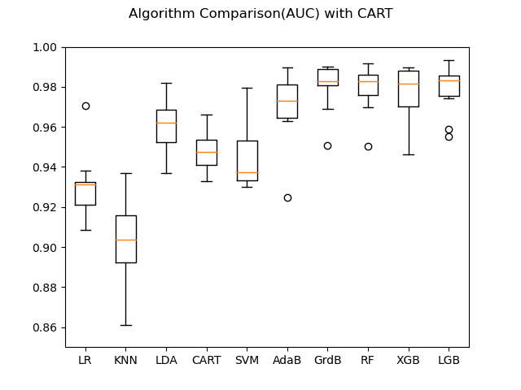
CART | LR | KNN | CART | SVM | AdaB | RF | XGB | LGB
count | 10 | 10 | 10 | 10 | 10 | 10 | 10 | 10
mean | 0.931 | 0.902 | 0.948 | 0.944 | 0.970 | 0.979 | 0.977 | 0.979
std | 0.016 | 0.022 | 0.010 | 0.016 | 0.018 | 0.012 | 0.014 | 0.013
min | 0.909 | 0.861 | 0.933 | 0.930 | 0.925 | 0.950 | 0.946 | 0.955
25% | 0.921 | 0.892 | 0.941 | 0.933 | 0.964 | 0.976 | 0.970 | 0.975
50% | 0.931 | 0.904 | 0.948 | 0.937 | 0.973 | 0.983 | 0.981 | 0.983
75% | 0.932 | 0.916 | 0.954 | 0.953 | 0.981 | 0.986 | 0.988 | 0.986
max | 0.970 | 0.937 | 0.966 | 0.979 | 0.990 | 0.992 | 0.990 | 0.993
Rank Mean | 7 | 8 | 5 | 6 | 4 | 1 | 3 | 2
Rank STD | 6 | 8 | 1 | 5 | 7 | 2 | 4 | 3
Rank Max | 6 | 8 | 7 | 5 | 3 | 2 | 4 | 1

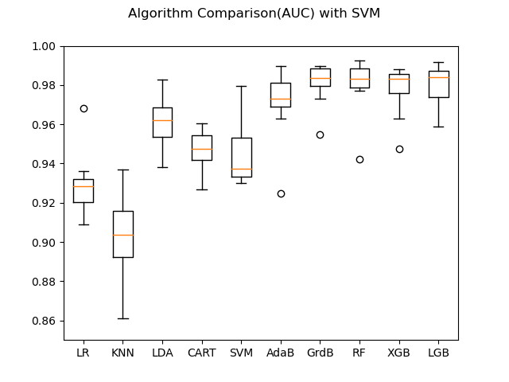
SVM | LR | KNN | CART | SVM | AdaB | RF | XGB | LGB
count | 10 | 10 | 10 | 10 | 10 | 10 | 10 | 10
mean | 0.929 | 0.902 | 0.947 | 0.944 | 0.971 | 0.980 | 0.978 | 0.979
std | 0.016 | 0.022 | 0.010 | 0.016 | 0.018 | 0.014 | 0.013 | 0.011
min | 0.909 | 0.861 | 0.927 | 0.930 | 0.925 | 0.942 | 0.947 | 0.959
25% | 0.920 | 0.892 | 0.942 | 0.933 | 0.969 | 0.979 | 0.976 | 0.974
50% | 0.929 | 0.904 | 0.947 | 0.937 | 0.973 | 0.983 | 0.983 | 0.984
75% | 0.932 | 0.916 | 0.954 | 0.953 | 0.981 | 0.988 | 0.986 | 0.987
max | 0.968 | 0.937 | 0.961 | 0.979 | 0.990 | 0.993 | 0.988 | 0.992
Rank Mean | 7 | 8 | 5 | 6 | 4 | 1 | 3 | 2
Rank STD | 6 | 8 | 1 | 5 | 7 | 4 | 3 | 2
Rank Max | 6 | 8 | 7 | 5 | 3 | 1 | 4 | 2

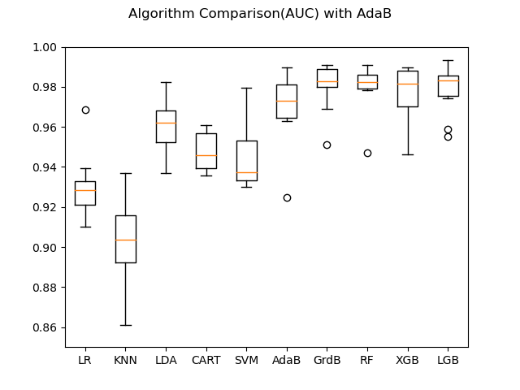
AdaB | LR | KNN | CART | SVM | AdaB | RF | XGB | LGB
count | 10 | 10 | 10 | 10 | 10 | 10 | 10 | 10
mean | 0.930 | 0.902 | 0.947 | 0.944 | 0.970 | 0.980 | 0.977 | 0.979
std | 0.016 | 0.022 | 0.010 | 0.016 | 0.018 | 0.012 | 0.014 | 0.013
min | 0.910 | 0.861 | 0.936 | 0.930 | 0.925 | 0.947 | 0.946 | 0.955
25% | 0.921 | 0.892 | 0.940 | 0.933 | 0.964 | 0.979 | 0.970 | 0.975
50% | 0.928 | 0.904 | 0.946 | 0.937 | 0.973 | 0.982 | 0.981 | 0.983
75% | 0.933 | 0.916 | 0.957 | 0.953 | 0.981 | 0.986 | 0.988 | 0.986
max | 0.969 | 0.937 | 0.961 | 0.979 | 0.990 | 0.991 | 0.990 | 0.993
Rank Mean | 7 | 8 | 5 | 6 | 4 | 1 | 3 | 2
Rank STD | 6 | 8 | 1 | 5 | 7 | 2 | 4 | 3
Rank Max | 6 | 8 | 7 | 5 | 3 | 2 | 4 | 1

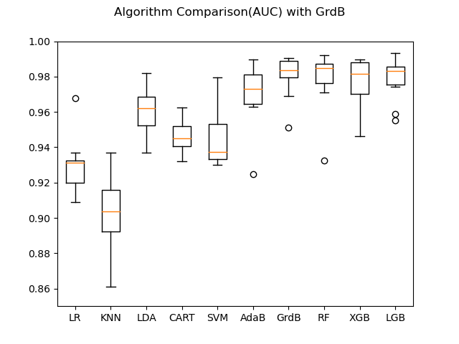
GrdB | LR | KNN | CART | SVM | AdaB | RF | XGB | LGB
count | 10 | 10 | 10 | 10 | 10 | 10 | 10 | 10
mean | 0.930 | 0.902 | 0.943 | 0.944 | 0.970 | 0.981 | 0.977 | 0.979
std | 0.016 | 0.022 | 0.011 | 0.016 | 0.018 | 0.014 | 0.014 | 0.013
min | 0.909 | 0.861 | 0.926 | 0.930 | 0.925 | 0.943 | 0.946 | 0.955
25% | 0.920 | 0.892 | 0.936 | 0.933 | 0.964 | 0.983 | 0.970 | 0.975
50% | 0.931 | 0.904 | 0.943 | 0.937 | 0.973 | 0.984 | 0.981 | 0.983
75% | 0.933 | 0.916 | 0.949 | 0.953 | 0.981 | 0.987 | 0.988 | 0.986
max | 0.968 | 0.937 | 0.962 | 0.979 | 0.990 | 0.989 | 0.990 | 0.993
Rank Mean | 7 | 8 | 6 | 5 | 4 | 1 | 3 | 2
Rank STD | 6 | 8 | 1 | 5 | 7 | 3 | 4 | 2
Rank Max | 6 | 8 | 7 | 5 | 2 | 4 | 3 | 1

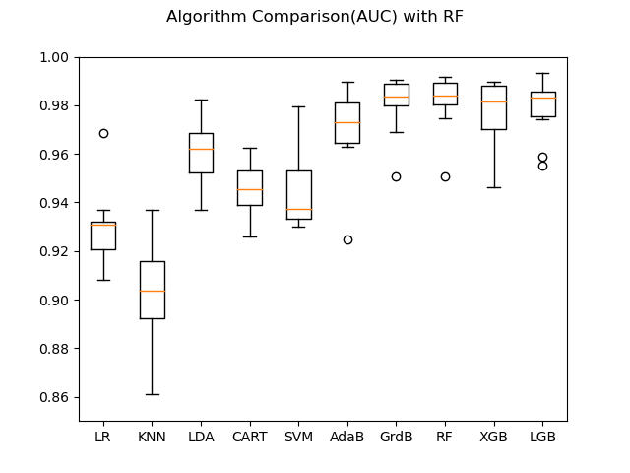
RF | LR | KNN | CART | SVM | AdaB | RF | XGB | LGB
count | 10 | 10 | 10 | 10 | 10 | 10 | 10 | 10
mean | 0.930 | 0.902 | 0.945 | 0.944 | 0.970 | 0.978 | 0.977 | 0.979
std | 0.016 | 0.022 | 0.009 | 0.016 | 0.018 | 0.012 | 0.014 | 0.013
min | 0.909 | 0.861 | 0.935 | 0.930 | 0.925 | 0.948 | 0.946 | 0.955
25% | 0.921 | 0.892 | 0.938 | 0.933 | 0.964 | 0.975 | 0.970 | 0.975
50% | 0.931 | 0.904 | 0.942 | 0.937 | 0.973 | 0.982 | 0.981 | 0.983
75% | 0.933 | 0.916 | 0.953 | 0.953 | 0.981 | 0.985 | 0.988 | 0.986
max | 0.969 | 0.937 | 0.960 | 0.979 | 0.990 | 0.987 | 0.990 | 0.993
Rank Mean | 7 | 8 | 5 | 6 | 4 | 2 | 3 | 1
Rank STD | 6 | 8 | 1 | 5 | 7 | 2 | 4 | 3
Rank Max | 6 | 8 | 7 | 5 | 2 | 4 | 3 | 1
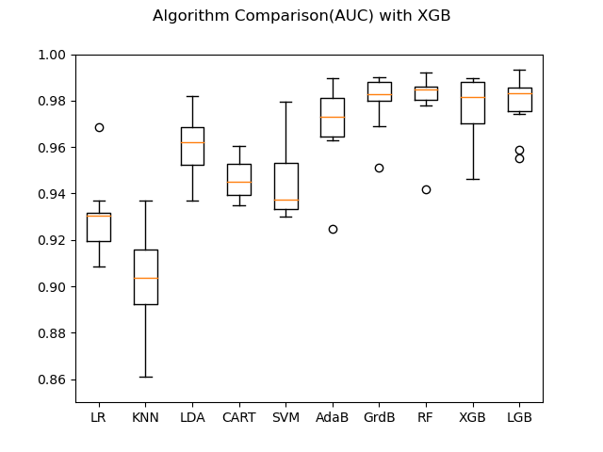
XGB | LR | KNN | CART | SVM | AdaB | RF | XGB | LGB
count | 10 | 10 | 10 | 10 | 10 | 10 | 10 | 10
mean | 0.929 | 0.902 | 0.946 | 0.944 | 0.970 | 0.980 | 0.977 | 0.979
std | 0.016 | 0.022 | 0.008 | 0.016 | 0.018 | 0.014 | 0.014 | 0.013
min | 0.909 | 0.861 | 0.935 | 0.930 | 0.925 | 0.942 | 0.946 | 0.955
25% | 0.920 | 0.892 | 0.939 | 0.933 | 0.964 | 0.980 | 0.970 | 0.975
50% | 0.931 | 0.904 | 0.945 | 0.937 | 0.973 | 0.985 | 0.981 | 0.983
75% | 0.932 | 0.916 | 0.953 | 0.953 | 0.981 | 0.986 | 0.988 | 0.986
max | 0.969 | 0.937 | 0.960 | 0.979 | 0.990 | 0.992 | 0.990 | 0.993
Rank Mean | 7 | 8 | 5 | 6 | 4 | 1 | 3 | 2
Rank STD | 6 | 8 | 1 | 5 | 7 | 3 | 4 | 2
Rank Max | 6 | 8 | 7 | 5 | 3 | 2 | 4 | 1

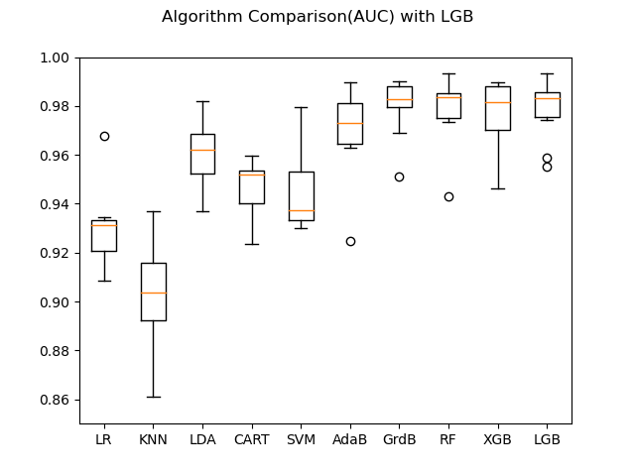
LGB | LR | KNN | CART | SVM | AdaB | RF | XGB | LGB
count | 10 | 10 | 10 | 10 | 10 | 10 | 10 | 10
mean | 0.930 | 0.902 | 0.946 | 0.944 | 0.970 | 0.982 | 0.977 | 0.979
std | 0.016 | 0.022 | 0.010 | 0.016 | 0.018 | 0.011 | 0.014 | 0.013
min | 0.909 | 0.861 | 0.924 | 0.930 | 0.925 | 0.956 | 0.946 | 0.955
25% | 0.921 | 0.892 | 0.944 | 0.933 | 0.964 | 0.982 | 0.970 | 0.975
50% | 0.931 | 0.904 | 0.947 | 0.937 | 0.973 | 0.985 | 0.981 | 0.983
75% | 0.933 | 0.916 | 0.952 | 0.953 | 0.981 | 0.987 | 0.988 | 0.986
max | 0.968 | 0.937 | 0.962 | 0.979 | 0.990 | 0.993 | 0.990 | 0.993
Rank Mean | 7 | 8 | 5 | 6 | 4 | 1 | 3 | 2
Rank STD | 6 | 8 | 1 | 5 | 7 | 2 | 4 | 3
Rank Max | 6 | 8 | 7 | 5 | 3 | 2 | 4 | 1

CHART2
