PopulationReport
 | 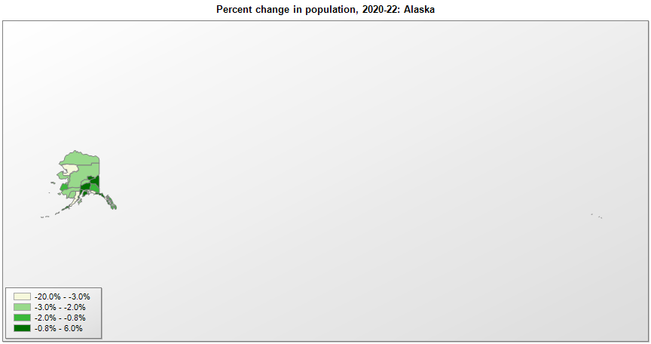

FIPS* |  | County name | RUC code | Pop. 1990 | Pop. 2000 | Pop. 2010 | Pop. 2020 | Pop. 2022 | Change 2020-22
02000 |  | Alaska |  | 550,043 | 626,933 | 710,231 | 733,378 | 733,583 | 0.0%
02013 |  | Aleutians East | 9 | 2,464 | 2,697 | 3,141 | 3,419 | 3,398 | -0.6%
02016 |  | Aleutians West | 9 | 9,478 | 5,464 | 5,561 | 5,232 | 5,122 | -2.1%
02020 |  | Anchorage | 2 | 226,338 | 260,299 | 291,826 | 291,244 | 287,145 | -1.4%
02050 |  | Bethel | 7 | 13,660 | 16,046 | 17,013 | 18,670 | 18,257 | -2.2%
02060 |  | Bristol Bay | 9 | 1,410 | 1,258 | 997 | 843 | 865 | 2.6%
02063 |  | Chugach | 9 |  |  |  | 7,097 | 6,874 | -3.1%
02066 |  | Copper River | 9 |  |  |  | 2,618 | 2,589 | -1.1%
02068 |  | Denali | 8 | 1,682 | 1,893 | 1,826 | 1,624 | 1,585 | -2.4%
02070 |  | Dillingham | 9 | 4,010 | 4,922 | 4,847 | 4,853 | 4,723 | -2.7%
02090 |  | Fairbanks North Star | 3 | 77,720 | 82,849 | 97,581 | 95,657 | 95,356 | -0.3%
02100 |  | Haines | 9 | 2,117 | 2,392 | 2,508 | 2,080 | 2,056 | -1.2%
02105 |  | Hoonah-Angoon Census Area | 9 |  | 2,574 | 2,150 | 2,364 | 2,287 | -3.3%
02110 |  | Juneau | 5 | 26,752 | 30,704 | 31,275 | 32,255 | 31,685 | -1.8%
02122 |  | Kenai Peninsula | 7 | 40,802 | 49,673 | 55,400 | 58,789 | 60,690 | 3.2%
02130 |  | Ketchikan Gateway | 7 | 13,828 | 14,074 | 13,477 | 13,957 | 13,741 | -1.5%
02150 |  | Kodiak Island | 7 | 13,309 | 13,916 | 13,592 | 13,101 | 12,720 | -2.9%
02158 |  | Kusilvak | 9 | 5,789 | 7,028 | 7,459 | 8,372 | 8,278 | -1.1%
02164 |  | Lake and Peninsula | 9 | 1,666 | 1,823 | 1,631 | 1,476 | 1,381 | -6.4%
02170 |  | Matanuska-Susitna | 2 | 39,683 | 59,318 | 88,995 | 107,082 | 113,325 | 5.8%
02180 |  | Nome | 7 | 8,288 | 9,196 | 9,492 | 10,049 | 9,835 | -2.1%
02185 |  | North Slope | 7 | 5,986 | 7,385 | 9,430 | 11,030 | 10,805 | -2.0%
02188 |  | Northwest Arctic | 7 | 6,106 | 7,208 | 7,523 | 7,790 | 7,423 | -4.7%
02195 |  | Petersburg Census Area | 9 |  | 4,256 | 3,815 | 3,399 | 3,360 | -1.1%
02198 |  | Prince of Wales-Hyder Census Area | 9 |  | 6,124 | 5,559 | 5,753 | 5,650 | -1.8%
02201 |  | Prince of Wales-Outer Ketchikan |  | 6,278
02220 |  | Sitka | 7 | 8,588 | 8,835 | 8,881 | 8,448 | 8,382 | -0.8%
02230 |  | Skagway Municipality | 9 |  | 860 | 968 | 1,242 | 1,081 | -13.0%
02232 |  | Skagway-Hoonah-Angoon |  | 3,679
02240 |  | Southeast Fairbanks | 9 | 5,925 | 6,174 | 7,029 | 6,805 | 7,021 | 3.2%
02261 |  | Valdez-Cordova | 9 | 9,920 | 10,195 | 9,636
02275 |  | Wrangell City and Borough | 9 |  | 2,452 | 2,369 | 2,126 | 2,070 | -2.6%
02280 |  | Wrangell-Petersburg |  | 7,042
02282 |  | Yakutat | 9 | 725 | 808 | 662 | 664 | 700 | 5.4%
02290 |  | Yukon-Koyukuk | 9 | 6,798 | 6,510 | 5,588 | 5,339 | 5,179 | -3.0%

Source: U.S. Census Bureau, 1990, 2000, 2010, 2020 Censuses of Population, and the population estimate program. 1) The FIPS codes uniquely identify each county and are part of the Federal Information Processing Standards (FIPS) developed by the National Institute of Standards and Technology (NIST), U.S. Department of Commerce. For more information, see the NIST FIPS publication page. 2) The 2013 rural-urban continuum codes classify metropolitan counties (codes 1 through 3) by size of the Metropolitan Statistical Area (MSA), and nonmetropolitan counties (codes 4 through 9) by degree of urbanization and proximity to metro areas. See rural-urban continuum codes for precise definitions of each code.

