PopulationReport
 | 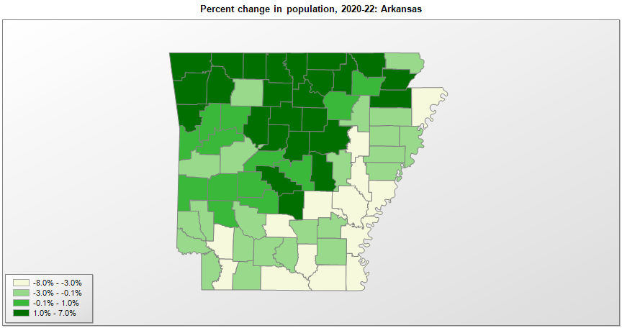

FIPS* |  | County name | RUC code | Pop. 1990 | Pop. 2000 | Pop. 2010 | Pop. 2020 | Pop. 2022 | Change 2020-22
05000 |  | Arkansas |  | 2,350,624 | 2,673,293 | 2,915,918 | 3,011,555 | 3,045,637 | 1.1%
05001 |  | Arkansas | 6 | 21,653 | 20,751 | 19,019 | 17,150 | 16,512 | -3.7%
05003 |  | Ashley | 7 | 24,319 | 24,217 | 21,853 | 19,064 | 18,354 | -3.7%
05005 |  | Baxter | 7 | 31,186 | 38,365 | 41,513 | 41,633 | 42,435 | 1.9%
05007 |  | Benton | 2 | 97,530 | 153,323 | 221,339 | 284,329 | 302,863 | 6.5%
05009 |  | Boone | 7 | 28,297 | 33,940 | 36,903 | 37,372 | 38,284 | 2.4%
05011 |  | Bradley | 7 | 11,793 | 12,618 | 11,508 | 10,540 | 10,135 | -3.8%
05013 |  | Calhoun | 9 | 5,826 | 5,731 | 5,368 | 4,742 | 4,695 | -1.0%
05015 |  | Carroll | 6 | 18,623 | 25,345 | 27,446 | 28,260 | 28,742 | 1.7%
05017 |  | Chicot | 7 | 15,713 | 14,101 | 11,800 | 10,212 | 9,873 | -3.3%
05019 |  | Clark | 7 | 21,437 | 23,541 | 22,995 | 21,447 | 21,250 | -0.9%
05021 |  | Clay | 7 | 18,107 | 17,594 | 16,083 | 14,548 | 14,265 | -1.9%
05023 |  | Cleburne | 6 | 19,411 | 24,005 | 25,970 | 24,705 | 25,284 | 2.3%
05025 |  | Cleveland | 3 | 7,781 | 8,562 | 8,689 | 7,548 | 7,467 | -1.1%
05027 |  | Columbia | 7 | 25,691 | 25,612 | 24,552 | 22,798 | 22,216 | -2.6%
05029 |  | Conway | 6 | 19,151 | 20,320 | 21,273 | 20,709 | 21,046 | 1.6%
05031 |  | Craighead | 3 | 68,956 | 82,139 | 96,443 | 111,233 | 113,017 | 1.6%
05033 |  | Crawford | 2 | 42,493 | 53,252 | 61,948 | 60,130 | 61,075 | 1.6%
05035 |  | Crittenden | 1 | 49,939 | 50,855 | 50,902 | 48,169 | 47,061 | -2.3%
05037 |  | Cross | 6 | 19,225 | 19,529 | 17,870 | 16,830 | 16,601 | -1.4%
05039 |  | Dallas | 6 | 9,614 | 9,196 | 8,116 | 6,479 | 6,191 | -4.4%
05041 |  | Desha | 6 | 16,798 | 15,351 | 13,008 | 11,395 | 10,771 | -5.5%
05043 |  | Drew | 6 | 17,369 | 18,690 | 18,509 | 17,348 | 16,911 | -2.5%
05045 |  | Faulkner | 2 | 60,006 | 86,036 | 113,237 | 123,498 | 127,665 | 3.4%
05047 |  | Franklin | 6 | 14,897 | 17,766 | 18,125 | 17,101 | 17,271 | 1.0%
05049 |  | Fulton | 9 | 10,037 | 11,627 | 12,245 | 12,077 | 12,382 | 2.5%
05051 |  | Garland | 3 | 73,397 | 88,122 | 96,024 | 100,172 | 100,089 | -0.1%
05053 |  | Grant | 2 | 13,948 | 16,457 | 17,853 | 17,966 | 18,160 | 1.1%
05055 |  | Greene | 4 | 31,804 | 37,383 | 42,090 | 45,740 | 46,448 | 1.5%
05057 |  | Hempstead | 6 | 21,621 | 23,597 | 22,609 | 20,062 | 19,453 | -3.0%
05059 |  | Hot Spring | 6 | 26,115 | 30,413 | 32,923 | 33,046 | 33,203 | 0.5%
05061 |  | Howard | 6 | 13,569 | 14,304 | 13,789 | 12,784 | 12,557 | -1.8%
05063 |  | Independence | 7 | 31,192 | 34,246 | 36,647 | 37,931 | 37,945 | 0.0%
05065 |  | Izard | 9 | 11,364 | 13,261 | 13,696 | 13,574 | 14,048 | 3.5%
05067 |  | Jackson | 6 | 18,944 | 18,420 | 17,997 | 16,760 | 16,624 | -0.8%
05069 |  | Jefferson | 3 | 85,487 | 84,295 | 77,435 | 67,261 | 64,246 | -4.5%
05071 |  | Johnson | 7 | 18,221 | 22,779 | 25,540 | 25,749 | 26,001 | 1.0%
05073 |  | Lafayette | 8 | 9,643 | 8,550 | 7,645 | 6,311 | 6,101 | -3.3%
05075 |  | Lawrence | 6 | 17,455 | 17,762 | 17,415 | 16,216 | 16,205 | -0.1%
05077 |  | Lee | 7 | 13,053 | 12,578 | 10,424 | 8,597 | 8,364 | -2.7%
05079 |  | Lincoln | 3 | 13,690 | 14,482 | 14,134 | 12,936 | 12,916 | -0.2%
05081 |  | Little River | 3 | 13,966 | 13,628 | 13,171 | 12,028 | 11,821 | -1.7%
05083 |  | Logan | 6 | 20,557 | 22,480 | 22,353 | 21,132 | 21,253 | 0.6%
05085 |  | Lonoke | 2 | 39,268 | 52,849 | 68,356 | 74,010 | 75,225 | 1.6%
05087 |  | Madison | 2 | 11,618 | 14,228 | 15,717 | 16,521 | 17,486 | 5.8%
05089 |  | Marion | 9 | 12,001 | 16,147 | 16,653 | 16,832 | 17,254 | 2.5%
05091 |  | Miller | 3 | 38,467 | 40,455 | 43,462 | 42,595 | 42,552 | -0.1%
05093 |  | Mississippi | 4 | 57,525 | 51,999 | 46,480 | 40,692 | 38,896 | -4.4%
05095 |  | Monroe | 7 | 11,333 | 10,255 | 8,149 | 6,799 | 6,564 | -3.5%
05097 |  | Montgomery | 8 | 7,841 | 9,222 | 9,487 | 8,486 | 8,556 | 0.8%
05099 |  | Nevada | 7 | 10,101 | 9,940 | 8,997 | 8,315 | 8,181 | -1.6%
05101 |  | Newton | 9 | 7,666 | 8,603 | 8,330 | 7,225 | 7,078 | -2.0%
05103 |  | Ouachita | 7 | 30,574 | 28,776 | 26,120 | 22,648 | 22,049 | -2.6%
05105 |  | Perry | 2 | 7,969 | 10,199 | 10,445 | 10,021 | 10,063 | 0.4%
05107 |  | Phillips | 6 | 28,830 | 26,438 | 21,757 | 16,576 | 15,304 | -7.7%
05109 |  | Pike | 9 | 10,086 | 11,301 | 11,291 | 10,180 | 10,179 | 0.0%
05111 |  | Poinsett | 3 | 24,664 | 25,617 | 24,583 | 22,965 | 22,495 | -2.0%
05113 |  | Polk | 7 | 17,347 | 20,234 | 20,662 | 19,223 | 19,337 | 0.6%
05115 |  | Pope | 5 | 45,883 | 54,492 | 61,754 | 63,385 | 64,065 | 1.1%
05117 |  | Prairie | 8 | 9,518 | 9,523 | 8,715 | 8,284 | 8,069 | -2.6%
05119 |  | Pulaski | 2 | 349,569 | 361,370 | 382,748 | 399,117 | 399,145 | 0.0%
05121 |  | Randolph | 7 | 16,558 | 18,191 | 17,969 | 18,571 | 18,837 | 1.4%
05123 |  | St. Francis | 6 | 28,497 | 29,330 | 28,258 | 23,089 | 22,451 | -2.8%
05125 |  | Saline | 2 | 64,183 | 83,559 | 107,118 | 123,424 | 127,357 | 3.2%
05127 |  | Scott | 6 | 10,205 | 10,986 | 11,233 | 9,833 | 9,805 | -0.3%
05129 |  | Searcy | 9 | 7,841 | 8,240 | 8,195 | 7,831 | 7,918 | 1.1%
05131 |  | Sebastian | 2 | 99,590 | 115,101 | 125,744 | 127,800 | 129,059 | 1.0%
05133 |  | Sevier | 6 | 13,637 | 15,750 | 17,058 | 15,844 | 15,686 | -1.0%
05135 |  | Sharp | 7 | 14,109 | 17,120 | 17,264 | 17,280 | 17,810 | 3.1%
05137 |  | Stone | 9 | 9,775 | 11,496 | 12,394 | 12,358 | 12,575 | 1.8%
05139 |  | Union | 7 | 46,719 | 45,633 | 41,639 | 39,049 | 37,752 | -3.3%
05141 |  | Van Buren | 8 | 14,008 | 16,182 | 17,295 | 15,797 | 16,102 | 1.9%
05143 |  | Washington | 2 | 113,409 | 157,805 | 203,065 | 245,866 | 256,054 | 4.1%
05145 |  | White | 4 | 54,676 | 67,164 | 77,076 | 76,822 | 77,755 | 1.2%
05147 |  | Woodruff | 9 | 9,520 | 8,738 | 7,260 | 6,276 | 6,049 | -3.6%
05149 |  | Yell | 6 | 17,759 | 21,127 | 22,185 | 20,259 | 20,129 | -0.6%

Source: U.S. Census Bureau, 1990, 2000, 2010, 2020 Censuses of Population, and the population estimate program. 1) The FIPS codes uniquely identify each county and are part of the Federal Information Processing Standards (FIPS) developed by the National Institute of Standards and Technology (NIST), U.S. Department of Commerce. For more information, see the NIST FIPS publication page. 2) The 2013 rural-urban continuum codes classify metropolitan counties (codes 1 through 3) by size of the Metropolitan Statistical Area (MSA), and nonmetropolitan counties (codes 4 through 9) by degree of urbanization and proximity to metro areas. See rural-urban continuum codes for precise definitions of each code.

