PopulationReport
 | 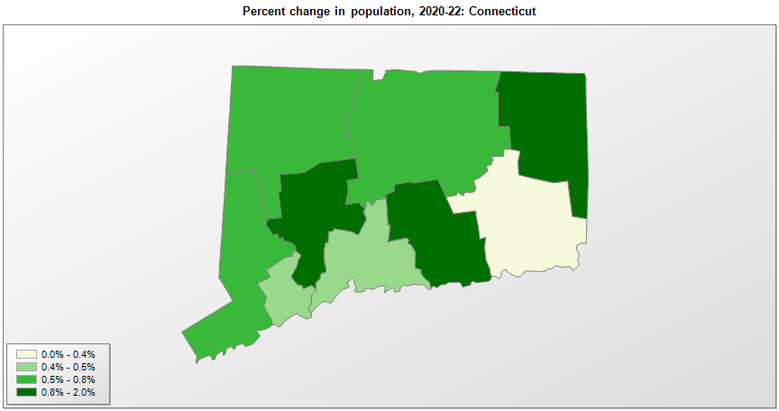

FIPS* |  | County name | RUC code | Pop. 1990 | Pop. 2000 | Pop. 2010 | Pop. 2020 | Pop. 2022 | Change 2020-22
09000 |  | Connecticut |  | 3,287,116 | 3,405,650 | 3,574,097 | 3,605,942 | 3,626,205 | 0.6%
09001 |  | Fairfield | 2 | 827,645 | 882,622 | 916,829
09003 |  | Hartford | 1 | 851,783 | 857,184 | 894,014
09005 |  | Litchfield | 4 | 174,092 | 182,183 | 189,927
09007 |  | Middlesex | 1 | 143,196 | 155,088 | 165,676
09009 |  | New Haven | 2 | 804,219 | 823,993 | 862,477
09011 |  | New London | 2 | 254,957 | 259,108 | 274,055
09013 |  | Tolland | 1 | 128,699 | 136,377 | 152,691
09015 |  | Windham | 2 | 102,525 | 109,095 | 118,428
09110 |  | Capitol Planning Region |  |  |  |  | 976,269 | 981,447 | 0.5%
09120 |  | Greater Bridgeport Planning Region |  |  |  |  | 325,777 | 327,286 | 0.5%
09130 |  | Lower Connecticut River Valley Planning Region |  |  |  |  | 174,221 | 176,622 | 1.4%
09140 |  | Naugatuck Valley Planning Region |  |  |  |  | 450,447 | 454,083 | 0.8%
09150 |  | Northeastern Connecticut Planning Region |  |  |  |  | 95,344 | 96,196 | 0.9%
09160 |  | Northwest Hills Planning Region |  |  |  |  | 112,456 | 113,234 | 0.7%
09170 |  | South Central Connecticut Planning Region |  |  |  |  | 570,453 | 573,244 | 0.5%
09180 |  | Southeastern Connecticut Planning Region |  |  |  |  | 280,444 | 280,403 | 0.0%
09190 |  | Western Connecticut Planning Region |  |  |  |  | 620,531 | 623,690 | 0.5%

Source: U.S. Census Bureau, 1990, 2000, 2010, 2020 Censuses of Population, and the population estimate program. 1) The FIPS codes uniquely identify each county and are part of the Federal Information Processing Standards (FIPS) developed by the National Institute of Standards and Technology (NIST), U.S. Department of Commerce. For more information, see the NIST FIPS publication page. 2) The 2013 rural-urban continuum codes classify metropolitan counties (codes 1 through 3) by size of the Metropolitan Statistical Area (MSA), and nonmetropolitan counties (codes 4 through 9) by degree of urbanization and proximity to metro areas. See rural-urban continuum codes for precise definitions of each code.

