PopulationReport
 | 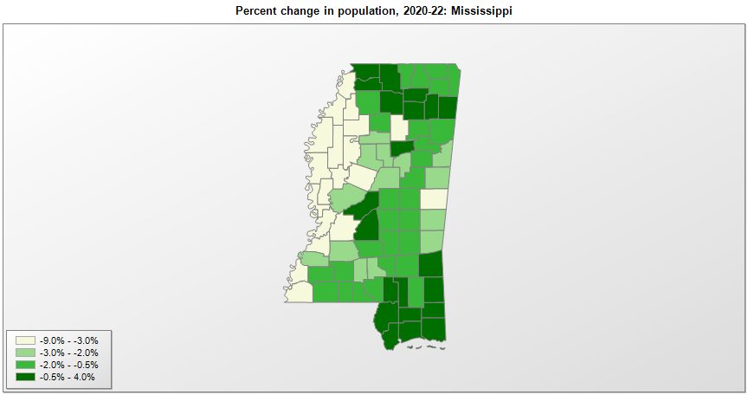

FIPS* |  | County name | RUC code | Pop. 1990 | Pop. 2000 | Pop. 2010 | Pop. 2020 | Pop. 2022 | Change 2020-22
28000 |  | Mississippi |  | 2,575,475 | 2,844,754 | 2,967,297 | 2,961,288 | 2,940,057 | -0.7%
28001 |  | Adams | 5 | 35,356 | 34,339 | 32,297 | 29,538 | 28,408 | -3.8%
28003 |  | Alcorn | 7 | 31,722 | 34,519 | 37,057 | 34,743 | 34,204 | -1.6%
28005 |  | Amite | 8 | 13,328 | 13,565 | 13,131 | 12,721 | 12,619 | -0.8%
28007 |  | Attala | 6 | 18,481 | 19,654 | 19,564 | 17,885 | 17,509 | -2.1%
28009 |  | Benton | 1 | 8,046 | 8,031 | 8,729 | 7,644 | 7,550 | -1.2%
28011 |  | Bolivar | 7 | 41,875 | 40,619 | 34,145 | 30,973 | 29,370 | -5.2%
28013 |  | Calhoun | 9 | 14,908 | 15,060 | 14,962 | 13,267 | 12,781 | -3.7%
28015 |  | Carroll | 9 | 9,237 | 10,751 | 10,597 | 9,995 | 9,731 | -2.6%
28017 |  | Chickasaw | 7 | 18,085 | 19,447 | 17,392 | 17,103 | 16,812 | -1.7%
28019 |  | Choctaw | 9 | 9,071 | 9,759 | 8,547 | 8,246 | 8,037 | -2.5%
28021 |  | Claiborne | 8 | 11,370 | 11,837 | 9,604 | 9,135 | 8,805 | -3.6%
28023 |  | Clarke | 9 | 17,313 | 17,796 | 16,732 | 15,615 | 15,271 | -2.2%
28025 |  | Clay | 7 | 21,120 | 21,984 | 20,634 | 18,635 | 18,380 | -1.4%
28027 |  | Coahoma | 7 | 31,665 | 30,617 | 26,151 | 21,393 | 20,197 | -5.6%
28029 |  | Copiah | 2 | 27,592 | 28,763 | 29,449 | 28,371 | 27,719 | -2.3%
28031 |  | Covington | 8 | 16,527 | 19,418 | 19,568 | 18,339 | 18,098 | -1.3%
28033 |  | DeSoto | 1 | 67,910 | 107,252 | 161,252 | 185,317 | 191,723 | 3.5%
28035 |  | Forrest | 3 | 68,314 | 71,934 | 74,934 | 78,163 | 78,110 | -0.1%
28037 |  | Franklin | 9 | 8,377 | 8,419 | 8,118 | 7,681 | 7,642 | -0.5%
28039 |  | George | 6 | 16,673 | 19,224 | 22,578 | 24,348 | 25,206 | 3.5%
28041 |  | Greene | 8 | 10,220 | 13,287 | 14,400 | 13,533 | 13,552 | 0.1%
28043 |  | Grenada | 7 | 21,555 | 23,273 | 21,906 | 21,627 | 21,088 | -2.5%
28045 |  | Hancock | 2 | 31,760 | 42,945 | 43,929 | 46,047 | 46,094 | 0.1%
28047 |  | Harrison | 2 | 165,365 | 189,577 | 187,105 | 208,621 | 211,044 | 1.2%
28049 |  | Hinds | 2 | 254,441 | 250,752 | 245,285 | 227,750 | 217,730 | -4.4%
28051 |  | Holmes | 6 | 21,604 | 21,608 | 19,198 | 17,001 | 16,121 | -5.2%
28053 |  | Humphreys | 6 | 12,134 | 11,191 | 9,375 | 7,790 | 7,333 | -5.9%
28055 |  | Issaquena | 8 | 1,909 | 2,274 | 1,406 | 1,335 | 1,273 | -4.6%
28057 |  | Itawamba | 7 | 20,017 | 22,774 | 23,401 | 23,861 | 23,903 | 0.2%
28059 |  | Jackson | 2 | 115,243 | 131,439 | 139,668 | 143,259 | 144,975 | 1.2%
28061 |  | Jasper | 9 | 17,114 | 18,148 | 17,062 | 16,370 | 16,167 | -1.2%
28063 |  | Jefferson | 8 | 8,653 | 9,723 | 7,726 | 7,260 | 7,087 | -2.4%
28065 |  | Jefferson Davis | 8 | 14,051 | 13,954 | 12,487 | 11,323 | 11,088 | -2.1%
28067 |  | Jones | 4 | 62,031 | 64,955 | 67,761 | 67,248 | 66,569 | -1.0%
28069 |  | Kemper | 9 | 10,356 | 10,447 | 10,456 | 8,981 | 8,654 | -3.6%
28071 |  | Lafayette | 4 | 31,826 | 38,687 | 47,351 | 55,812 | 57,615 | 3.2%
28073 |  | Lamar | 3 | 30,424 | 39,877 | 55,658 | 64,223 | 65,783 | 2.4%
28075 |  | Lauderdale | 5 | 75,555 | 78,168 | 80,261 | 72,983 | 70,904 | -2.8%
28077 |  | Lawrence | 8 | 12,458 | 13,201 | 12,929 | 12,015 | 11,713 | -2.5%
28079 |  | Leake | 6 | 18,436 | 20,930 | 23,805 | 21,272 | 21,135 | -0.6%
28081 |  | Lee | 5 | 65,579 | 75,664 | 82,910 | 83,347 | 82,959 | -0.5%
28083 |  | Leflore | 5 | 37,341 | 37,951 | 32,317 | 28,348 | 26,570 | -6.3%
28085 |  | Lincoln | 6 | 30,278 | 33,191 | 34,869 | 34,906 | 34,717 | -0.5%
28087 |  | Lowndes | 5 | 59,308 | 61,596 | 59,779 | 58,882 | 57,603 | -2.2%
28089 |  | Madison | 2 | 53,794 | 74,711 | 95,203 | 109,149 | 111,113 | 1.8%
28091 |  | Marion | 6 | 25,544 | 25,626 | 27,088 | 24,438 | 24,050 | -1.6%
28093 |  | Marshall | 1 | 30,361 | 34,947 | 37,144 | 33,755 | 34,110 | 1.1%
28095 |  | Monroe | 7 | 36,582 | 37,996 | 36,989 | 34,179 | 33,577 | -1.8%
28097 |  | Montgomery | 7 | 12,387 | 12,191 | 10,925 | 9,822 | 9,530 | -3.0%
28099 |  | Neshoba | 7 | 24,800 | 28,675 | 29,676 | 29,094 | 28,673 | -1.4%
28101 |  | Newton | 7 | 20,291 | 21,834 | 21,720 | 21,293 | 21,029 | -1.2%
28103 |  | Noxubee | 7 | 12,604 | 12,545 | 11,545 | 10,279 | 9,990 | -2.8%
28105 |  | Oktibbeha | 5 | 38,375 | 42,920 | 47,671 | 51,780 | 51,427 | -0.7%
28107 |  | Panola | 6 | 29,996 | 34,283 | 34,707 | 33,209 | 32,661 | -1.7%
28109 |  | Pearl River | 6 | 38,714 | 48,518 | 55,834 | 56,144 | 57,261 | 2.0%
28111 |  | Perry | 3 | 10,865 | 12,111 | 12,250 | 11,514 | 11,368 | -1.3%
28113 |  | Pike | 6 | 36,882 | 38,957 | 40,404 | 40,329 | 39,644 | -1.7%
28115 |  | Pontotoc | 7 | 22,237 | 26,811 | 29,957 | 31,192 | 31,389 | 0.6%
28117 |  | Prentiss | 7 | 23,278 | 25,582 | 25,276 | 25,000 | 24,792 | -0.8%
28119 |  | Quitman | 6 | 10,490 | 10,121 | 8,223 | 6,173 | 5,701 | -7.6%
28121 |  | Rankin | 2 | 87,161 | 115,403 | 141,617 | 157,026 | 158,979 | 1.2%
28123 |  | Scott | 6 | 24,137 | 28,455 | 28,264 | 27,987 | 27,707 | -1.0%
28125 |  | Sharkey | 8 | 7,066 | 6,576 | 4,916 | 3,798 | 3,488 | -8.2%
28127 |  | Simpson | 2 | 23,953 | 27,634 | 27,503 | 25,950 | 25,587 | -1.4%
28129 |  | Smith | 8 | 14,798 | 16,163 | 16,491 | 14,209 | 14,092 | -0.8%
28131 |  | Stone | 6 | 10,750 | 13,592 | 17,786 | 18,336 | 18,669 | 1.8%
28133 |  | Sunflower | 7 | 35,129 | 34,382 | 29,450 | 25,973 | 24,811 | -4.5%
28135 |  | Tallahatchie | 7 | 15,210 | 14,896 | 15,378 | 12,715 | 12,035 | -5.3%
28137 |  | Tate | 1 | 21,432 | 25,386 | 28,886 | 28,066 | 28,296 | 0.8%
28139 |  | Tippah | 6 | 19,523 | 20,890 | 22,232 | 21,810 | 21,431 | -1.7%
28141 |  | Tishomingo | 8 | 17,683 | 19,155 | 19,593 | 18,854 | 18,619 | -1.2%
28143 |  | Tunica | 1 | 8,164 | 9,240 | 10,778 | 9,777 | 9,458 | -3.3%
28145 |  | Union | 6 | 22,085 | 25,344 | 27,134 | 27,782 | 28,125 | 1.2%
28147 |  | Walthall | 9 | 14,352 | 15,161 | 15,443 | 13,882 | 13,761 | -0.9%
28149 |  | Warren | 4 | 47,880 | 49,668 | 48,773 | 44,721 | 42,649 | -4.6%
28151 |  | Washington | 5 | 67,935 | 63,035 | 51,137 | 44,918 | 42,514 | -5.4%
28153 |  | Wayne | 7 | 19,517 | 21,372 | 20,747 | 19,774 | 19,681 | -0.5%
28155 |  | Webster | 9 | 10,222 | 10,284 | 10,253 | 9,924 | 9,993 | 0.7%
28157 |  | Wilkinson | 8 | 9,678 | 10,337 | 9,878 | 8,586 | 8,143 | -5.2%
28159 |  | Winston | 7 | 19,433 | 20,157 | 19,198 | 17,709 | 17,543 | -0.9%
28161 |  | Yalobusha | 7 | 12,033 | 13,052 | 12,678 | 12,487 | 12,364 | -1.0%
28163 |  | Yazoo | 2 | 25,506 | 28,144 | 28,065 | 26,748 | 25,948 | -3.0%

Source: U.S. Census Bureau, 1990, 2000, 2010, 2020 Censuses of Population, and the population estimate program. 1) The FIPS codes uniquely identify each county and are part of the Federal Information Processing Standards (FIPS) developed by the National Institute of Standards and Technology (NIST), U.S. Department of Commerce. For more information, see the NIST FIPS publication page. 2) The 2013 rural-urban continuum codes classify metropolitan counties (codes 1 through 3) by size of the Metropolitan Statistical Area (MSA), and nonmetropolitan counties (codes 4 through 9) by degree of urbanization and proximity to metro areas. See rural-urban continuum codes for precise definitions of each code.

