PopulationReport
 | 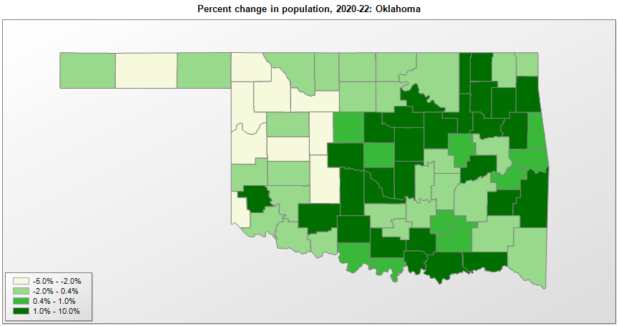

FIPS* |  | County name | RUC code | Pop. 1990 | Pop. 2000 | Pop. 2010 | Pop. 2020 | Pop. 2022 | Change 2020-22
40000 |  | Oklahoma |  | 3,145,576 | 3,450,451 | 3,751,351 | 3,959,346 | 4,019,800 | 1.5%
40001 |  | Adair | 6 | 18,421 | 21,009 | 22,683 | 19,494 | 19,576 | 0.4%
40003 |  | Alfalfa | 9 | 6,416 | 6,092 | 5,642 | 5,700 | 5,637 | -1.1%
40005 |  | Atoka | 9 | 12,778 | 13,876 | 14,182 | 14,135 | 14,262 | 0.9%
40007 |  | Beaver | 9 | 6,023 | 5,832 | 5,636 | 5,052 | 5,016 | -0.7%
40009 |  | Beckham | 7 | 18,812 | 19,807 | 22,119 | 22,411 | 22,009 | -1.8%
40011 |  | Blaine | 6 | 11,470 | 11,965 | 11,943 | 8,731 | 8,409 | -3.7%
40013 |  | Bryan | 6 | 32,089 | 36,524 | 42,416 | 46,072 | 48,182 | 4.6%
40015 |  | Caddo | 6 | 29,550 | 30,146 | 29,600 | 26,934 | 26,198 | -2.7%
40017 |  | Canadian | 1 | 74,409 | 87,729 | 115,541 | 154,154 | 169,149 | 9.7%
40019 |  | Carter | 5 | 42,919 | 45,614 | 47,557 | 48,004 | 48,510 | 1.1%
40021 |  | Cherokee | 6 | 34,049 | 42,475 | 46,987 | 47,073 | 48,098 | 2.2%
40023 |  | Choctaw | 7 | 15,302 | 15,334 | 15,205 | 14,203 | 14,358 | 1.1%
40025 |  | Cimarron | 9 | 3,301 | 3,139 | 2,475 | 2,293 | 2,252 | -1.8%
40027 |  | Cleveland | 1 | 174,253 | 208,036 | 255,755 | 295,514 | 299,587 | 1.4%
40029 |  | Coal | 9 | 5,780 | 6,035 | 5,925 | 5,270 | 5,313 | 0.8%
40031 |  | Comanche | 3 | 111,486 | 114,996 | 124,098 | 121,124 | 123,046 | 1.6%
40033 |  | Cotton | 3 | 6,651 | 6,603 | 6,193 | 5,523 | 5,477 | -0.8%
40035 |  | Craig | 6 | 14,104 | 14,951 | 15,029 | 14,104 | 14,123 | 0.1%
40037 |  | Creek | 2 | 60,915 | 67,340 | 69,967 | 71,753 | 72,699 | 1.3%
40039 |  | Custer | 7 | 26,897 | 26,147 | 27,469 | 28,521 | 27,886 | -2.2%
40041 |  | Delaware | 6 | 28,070 | 36,949 | 41,487 | 40,393 | 41,413 | 2.5%
40043 |  | Dewey | 9 | 5,551 | 4,740 | 4,810 | 4,481 | 4,401 | -1.8%
40045 |  | Ellis | 9 | 4,497 | 4,063 | 4,151 | 3,747 | 3,657 | -2.4%
40047 |  | Garfield | 5 | 56,735 | 57,811 | 60,580 | 62,844 | 61,920 | -1.5%
40049 |  | Garvin | 6 | 26,605 | 27,216 | 27,576 | 25,655 | 25,713 | 0.2%
40051 |  | Grady | 1 | 41,747 | 45,476 | 52,431 | 54,800 | 56,658 | 3.4%
40053 |  | Grant | 9 | 5,689 | 5,144 | 4,527 | 4,162 | 4,124 | -0.9%
40055 |  | Greer | 7 | 6,559 | 6,061 | 6,239 | 5,492 | 5,547 | 1.0%
40057 |  | Harmon | 9 | 3,793 | 3,285 | 2,922 | 2,488 | 2,428 | -2.4%
40059 |  | Harper | 9 | 4,063 | 3,558 | 3,685 | 3,266 | 3,129 | -4.2%
40061 |  | Haskell | 6 | 10,940 | 11,778 | 12,769 | 11,562 | 11,641 | 0.7%
40063 |  | Hughes | 7 | 13,014 | 14,150 | 14,003 | 13,367 | 13,407 | 0.3%
40065 |  | Jackson | 7 | 28,764 | 28,439 | 26,446 | 24,785 | 24,556 | -0.9%
40067 |  | Jefferson | 8 | 7,010 | 6,820 | 6,472 | 5,338 | 5,389 | 1.0%
40069 |  | Johnston | 9 | 10,032 | 10,512 | 10,957 | 10,276 | 10,406 | 1.3%
40071 |  | Kay | 5 | 48,056 | 48,086 | 46,562 | 43,701 | 43,668 | -0.1%
40073 |  | Kingfisher | 6 | 13,212 | 13,932 | 15,034 | 15,187 | 15,293 | 0.7%
40075 |  | Kiowa | 6 | 11,347 | 10,225 | 9,446 | 8,503 | 8,345 | -1.9%
40077 |  | Latimer | 7 | 10,333 | 10,689 | 11,154 | 9,446 | 9,630 | 1.9%
40079 |  | Le Flore | 2 | 43,270 | 48,099 | 50,384 | 48,131 | 48,907 | 1.6%
40081 |  | Lincoln | 1 | 29,216 | 32,070 | 34,273 | 33,460 | 34,188 | 2.2%
40083 |  | Logan | 1 | 29,011 | 33,911 | 41,848 | 49,552 | 51,933 | 4.8%
40085 |  | Love | 9 | 7,788 | 8,826 | 9,423 | 10,146 | 10,218 | 0.7%
40087 |  | McClain | 1 | 22,795 | 27,750 | 34,506 | 41,667 | 45,306 | 8.7%
40089 |  | McCurtain | 7 | 33,433 | 34,384 | 33,151 | 30,809 | 30,931 | 0.4%
40091 |  | McIntosh | 6 | 16,779 | 19,405 | 20,252 | 18,944 | 19,451 | 2.7%
40093 |  | Major | 9 | 8,055 | 7,545 | 7,527 | 7,781 | 7,502 | -3.6%
40095 |  | Marshall | 6 | 10,829 | 13,131 | 15,840 | 15,303 | 15,882 | 3.8%
40097 |  | Mayes | 6 | 33,366 | 38,339 | 41,259 | 39,044 | 39,589 | 1.4%
40099 |  | Murray | 7 | 12,042 | 12,617 | 13,488 | 13,905 | 13,672 | -1.7%
40101 |  | Muskogee | 4 | 68,078 | 69,471 | 70,990 | 66,344 | 66,354 | 0.0%
40103 |  | Noble | 6 | 11,045 | 11,406 | 11,561 | 10,925 | 10,896 | -0.3%
40105 |  | Nowata | 6 | 9,992 | 10,564 | 10,536 | 9,322 | 9,483 | 1.7%
40107 |  | Okfuskee | 6 | 11,551 | 11,808 | 12,191 | 11,314 | 11,134 | -1.6%
40109 |  | Oklahoma | 1 | 599,611 | 660,581 | 718,633 | 796,567 | 802,559 | 0.8%
40111 |  | Okmulgee | 2 | 36,490 | 39,672 | 40,069 | 36,706 | 36,990 | 0.8%
40113 |  | Osage | 2 | 41,645 | 44,413 | 47,472 | 45,823 | 45,839 | 0.0%
40115 |  | Ottawa | 6 | 30,561 | 33,164 | 31,848 | 30,291 | 30,338 | 0.2%
40117 |  | Pawnee | 2 | 15,575 | 16,610 | 16,577 | 15,551 | 15,757 | 1.3%
40119 |  | Payne | 4 | 61,507 | 68,201 | 77,350 | 81,649 | 82,794 | 1.4%
40121 |  | Pittsburg | 5 | 40,950 | 43,944 | 45,837 | 43,774 | 43,613 | -0.4%
40123 |  | Pontotoc | 7 | 34,119 | 35,146 | 37,492 | 38,065 | 38,141 | 0.2%
40125 |  | Pottawatomie | 4 | 58,760 | 65,505 | 69,442 | 72,449 | 73,533 | 1.5%
40127 |  | Pushmataha | 9 | 10,997 | 11,660 | 11,572 | 10,816 | 10,769 | -0.4%
40129 |  | Roger Mills | 9 | 4,147 | 3,432 | 3,647 | 3,439 | 3,320 | -3.5%
40131 |  | Rogers | 2 | 55,170 | 70,649 | 86,905 | 95,245 | 98,836 | 3.8%
40133 |  | Seminole | 7 | 25,412 | 24,966 | 25,482 | 23,562 | 23,351 | -0.9%
40135 |  | Sequoyah | 2 | 33,828 | 38,952 | 42,391 | 39,280 | 39,667 | 1.0%
40137 |  | Stephens | 4 | 42,299 | 43,204 | 45,048 | 42,844 | 43,710 | 2.0%
40139 |  | Texas | 7 | 16,419 | 20,098 | 20,640 | 21,386 | 20,495 | -4.2%
40141 |  | Tillman | 6 | 10,384 | 9,285 | 7,992 | 6,967 | 6,977 | 0.1%
40143 |  | Tulsa | 2 | 503,341 | 563,475 | 603,403 | 669,272 | 677,358 | 1.2%
40145 |  | Wagoner | 2 | 47,883 | 57,476 | 73,085 | 80,986 | 86,644 | 7.0%
40147 |  | Washington | 4 | 48,066 | 49,015 | 50,976 | 52,452 | 53,242 | 1.5%
40149 |  | Washita | 7 | 11,441 | 11,510 | 11,629 | 10,922 | 10,732 | -1.7%
40151 |  | Woods | 7 | 9,103 | 9,094 | 8,878 | 8,622 | 8,587 | -0.4%
40153 |  | Woodward | 7 | 18,976 | 18,489 | 20,081 | 20,473 | 19,990 | -2.4%

Source: U.S. Census Bureau, 1990, 2000, 2010, 2020 Censuses of Population, and the population estimate program. 1) The FIPS codes uniquely identify each county and are part of the Federal Information Processing Standards (FIPS) developed by the National Institute of Standards and Technology (NIST), U.S. Department of Commerce. For more information, see the NIST FIPS publication page. 2) The 2013 rural-urban continuum codes classify metropolitan counties (codes 1 through 3) by size of the Metropolitan Statistical Area (MSA), and nonmetropolitan counties (codes 4 through 9) by degree of urbanization and proximity to metro areas. See rural-urban continuum codes for precise definitions of each code.

