PopulationReport
 | 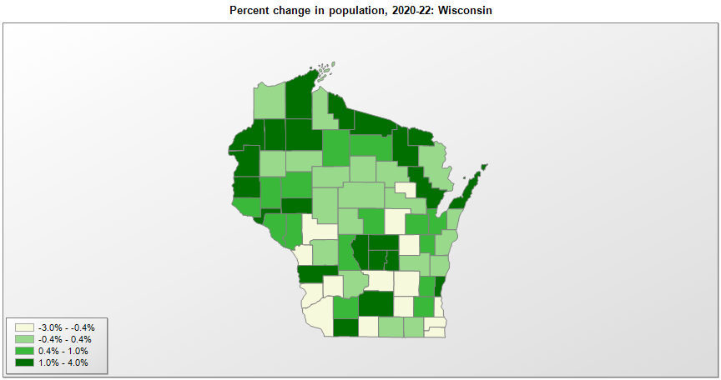

FIPS* |  | County name | RUC code | Pop. 1990 | Pop. 2000 | Pop. 2010 | Pop. 2020 | Pop. 2022 | Change 2020-22
55000 |  | Wisconsin |  | 4,891,954 | 5,363,757 | 5,686,986 | 5,893,725 | 5,892,539 | 0.0%
55001 |  | Adams | 8 | 15,682 | 19,940 | 20,875 | 20,646 | 21,226 | 2.8%
55003 |  | Ashland | 7 | 16,307 | 16,845 | 16,157 | 16,033 | 16,039 | 0.0%
55005 |  | Barron | 6 | 40,750 | 44,961 | 45,870 | 46,709 | 46,843 | 0.3%
55007 |  | Bayfield | 8 | 14,008 | 15,027 | 15,014 | 16,213 | 16,608 | 2.4%
55009 |  | Brown | 2 | 194,594 | 226,633 | 248,007 | 268,729 | 270,036 | 0.5%
55011 |  | Buffalo | 8 | 13,584 | 13,797 | 13,587 | 13,312 | 13,391 | 0.6%
55013 |  | Burnett | 8 | 13,084 | 15,650 | 15,457 | 16,526 | 17,036 | 3.1%
55015 |  | Calumet | 3 | 34,291 | 40,683 | 48,971 | 52,433 | 52,718 | 0.5%
55017 |  | Chippewa | 3 | 52,360 | 55,217 | 62,415 | 66,302 | 66,807 | 0.8%
55019 |  | Clark | 6 | 31,647 | 33,548 | 34,690 | 34,660 | 34,691 | 0.1%
55021 |  | Columbia | 2 | 45,088 | 52,510 | 56,833 | 58,480 | 58,193 | -0.5%
55023 |  | Crawford | 7 | 15,940 | 17,241 | 16,644 | 16,115 | 16,007 | -0.7%
55025 |  | Dane | 2 | 367,085 | 426,475 | 488,073 | 561,507 | 568,203 | 1.2%
55027 |  | Dodge | 4 | 76,559 | 85,851 | 88,759 | 89,398 | 88,282 | -1.2%
55029 |  | Door | 6 | 25,690 | 27,957 | 27,785 | 30,066 | 30,526 | 1.5%
55031 |  | Douglas | 2 | 41,758 | 43,288 | 44,159 | 44,291 | 44,144 | -0.3%
55033 |  | Dunn | 6 | 35,909 | 39,853 | 43,857 | 45,434 | 45,651 | 0.5%
55035 |  | Eau Claire | 3 | 85,183 | 93,128 | 98,736 | 105,702 | 106,837 | 1.1%
55037 |  | Florence | 9 | 4,590 | 5,079 | 4,423 | 4,555 | 4,688 | 2.9%
55039 |  | Fond du Lac | 3 | 90,083 | 97,284 | 101,633 | 104,152 | 103,836 | -0.3%
55041 |  | Forest | 9 | 8,776 | 10,027 | 9,304 | 9,176 | 9,381 | 2.2%
55043 |  | Grant | 6 | 49,266 | 49,590 | 51,208 | 51,950 | 51,276 | -1.3%
55045 |  | Green | 2 | 30,339 | 33,678 | 36,842 | 37,092 | 36,816 | -0.7%
55047 |  | Green Lake | 6 | 18,651 | 19,115 | 19,051 | 19,023 | 19,220 | 1.0%
55049 |  | Iowa | 2 | 20,150 | 22,790 | 23,687 | 23,709 | 23,865 | 0.7%
55051 |  | Iron | 9 | 6,153 | 6,863 | 5,916 | 6,138 | 6,224 | 1.4%
55053 |  | Jackson | 6 | 16,588 | 19,091 | 20,449 | 21,142 | 20,836 | -1.4%
55055 |  | Jefferson | 4 | 67,783 | 75,855 | 83,686 | 86,151 | 85,784 | -0.4%
55057 |  | Juneau | 7 | 21,650 | 24,323 | 26,664 | 26,721 | 26,866 | 0.5%
55059 |  | Kenosha | 1 | 128,181 | 149,584 | 166,426 | 169,156 | 167,817 | -0.8%
55061 |  | Kewaunee | 2 | 18,878 | 20,199 | 20,574 | 20,556 | 20,623 | 0.3%
55063 |  | La Crosse | 3 | 97,904 | 107,156 | 114,638 | 120,796 | 120,294 | -0.4%
55065 |  | Lafayette | 8 | 16,074 | 16,149 | 16,836 | 16,608 | 16,877 | 1.6%
55067 |  | Langlade | 6 | 19,505 | 20,743 | 19,977 | 19,491 | 19,559 | 0.3%
55069 |  | Lincoln | 6 | 26,993 | 29,625 | 28,743 | 28,421 | 28,376 | -0.2%
55071 |  | Manitowoc | 4 | 80,421 | 82,907 | 81,442 | 81,360 | 81,172 | -0.2%
55073 |  | Marathon | 3 | 115,400 | 125,908 | 134,063 | 138,007 | 137,958 | 0.0%
55075 |  | Marinette | 6 | 40,548 | 43,392 | 41,749 | 41,874 | 41,988 | 0.3%
55077 |  | Marquette | 8 | 12,321 | 14,539 | 15,404 | 15,596 | 15,779 | 1.2%
55078 |  | Menominee | 8 | 4,075 | 4,554 | 4,232 | 4,250 | 4,197 | -1.2%
55079 |  | Milwaukee | 1 | 959,212 | 940,127 | 947,735 | 939,495 | 918,661 | -2.2%
55081 |  | Monroe | 6 | 36,633 | 40,885 | 44,673 | 46,270 | 46,109 | -0.3%
55083 |  | Oconto | 2 | 30,226 | 35,657 | 37,660 | 38,971 | 39,633 | 1.7%
55085 |  | Oneida | 7 | 31,679 | 36,736 | 35,998 | 37,848 | 38,212 | 1.0%
55087 |  | Outagamie | 3 | 140,510 | 161,090 | 176,695 | 190,710 | 192,127 | 0.7%
55089 |  | Ozaukee | 1 | 72,894 | 82,322 | 86,395 | 91,499 | 93,009 | 1.7%
55091 |  | Pepin | 8 | 7,107 | 7,314 | 7,469 | 7,326 | 7,410 | 1.1%
55093 |  | Pierce | 1 | 32,765 | 36,726 | 41,019 | 42,205 | 42,532 | 0.8%
55095 |  | Polk | 6 | 34,773 | 41,322 | 44,205 | 44,979 | 45,709 | 1.6%
55097 |  | Portage | 4 | 61,405 | 67,181 | 70,019 | 70,376 | 70,718 | 0.5%
55099 |  | Price | 9 | 15,600 | 15,819 | 14,159 | 14,055 | 14,179 | 0.9%
55101 |  | Racine | 3 | 175,034 | 188,849 | 195,408 | 197,720 | 195,846 | -0.9%
55103 |  | Richland | 6 | 17,521 | 17,926 | 18,021 | 17,302 | 17,090 | -1.2%
55105 |  | Rock | 3 | 139,510 | 152,315 | 160,331 | 163,692 | 164,060 | 0.2%
55107 |  | Rusk | 6 | 15,079 | 15,350 | 14,755 | 14,192 | 14,186 | 0.0%
55109 |  | St. Croix | 1 | 50,251 | 63,155 | 84,345 | 93,539 | 96,017 | 2.6%
55111 |  | Sauk | 4 | 46,975 | 55,187 | 61,976 | 65,780 | 65,777 | 0.0%
55113 |  | Sawyer | 7 | 14,181 | 16,221 | 16,557 | 18,080 | 18,559 | 2.6%
55115 |  | Shawano | 6 | 37,157 | 40,676 | 41,949 | 40,886 | 40,886 | 0.0%
55117 |  | Sheboygan | 3 | 103,877 | 112,663 | 115,507 | 118,023 | 117,841 | -0.2%
55119 |  | Taylor | 6 | 18,901 | 19,682 | 20,689 | 19,915 | 19,975 | 0.3%
55121 |  | Trempealeau | 6 | 25,263 | 27,002 | 28,816 | 30,756 | 30,899 | 0.5%
55123 |  | Vernon | 6 | 25,617 | 28,058 | 29,773 | 30,715 | 31,060 | 1.1%
55125 |  | Vilas | 9 | 17,707 | 21,055 | 21,430 | 23,047 | 23,763 | 3.1%
55127 |  | Walworth | 4 | 75,000 | 91,895 | 102,228 | 105,226 | 105,380 | 0.1%
55129 |  | Washburn | 7 | 13,772 | 16,007 | 15,911 | 16,622 | 16,911 | 1.7%
55131 |  | Washington | 1 | 95,328 | 117,529 | 131,887 | 136,756 | 137,688 | 0.7%
55133 |  | Waukesha | 1 | 304,715 | 360,810 | 389,891 | 406,971 | 410,434 | 0.9%
55135 |  | Waupaca | 6 | 46,104 | 51,844 | 52,410 | 51,811 | 51,488 | -0.6%
55137 |  | Waushara | 6 | 19,385 | 23,047 | 24,496 | 24,526 | 24,999 | 1.9%
55139 |  | Winnebago | 3 | 140,320 | 156,752 | 166,994 | 171,734 | 170,718 | -0.6%
55141 |  | Wood | 4 | 73,605 | 75,500 | 74,749 | 74,218 | 73,993 | -0.3%

Source: U.S. Census Bureau, 1990, 2000, 2010, 2020 Censuses of Population, and the population estimate program. 1) The FIPS codes uniquely identify each county and are part of the Federal Information Processing Standards (FIPS) developed by the National Institute of Standards and Technology (NIST), U.S. Department of Commerce. For more information, see the NIST FIPS publication page. 2) The 2013 rural-urban continuum codes classify metropolitan counties (codes 1 through 3) by size of the Metropolitan Statistical Area (MSA), and nonmetropolitan counties (codes 4 through 9) by degree of urbanization and proximity to metro areas. See rural-urban continuum codes for precise definitions of each code.

