Phase1_Charts
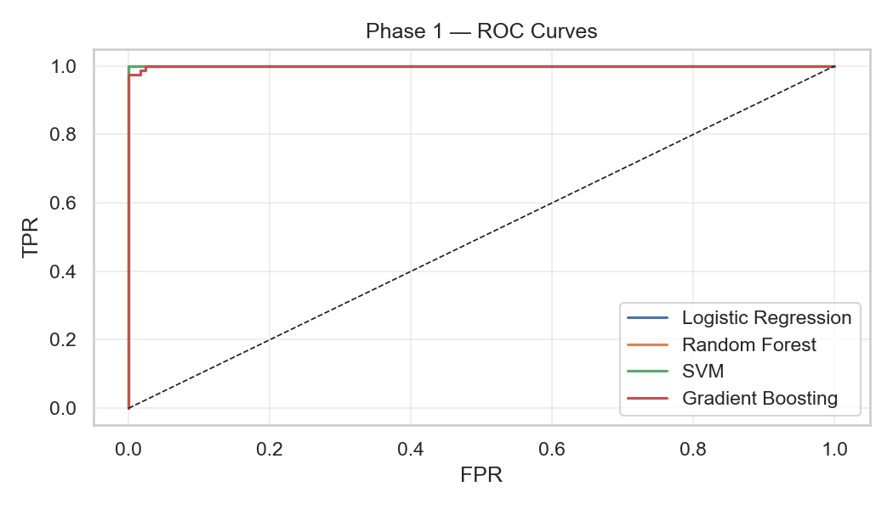
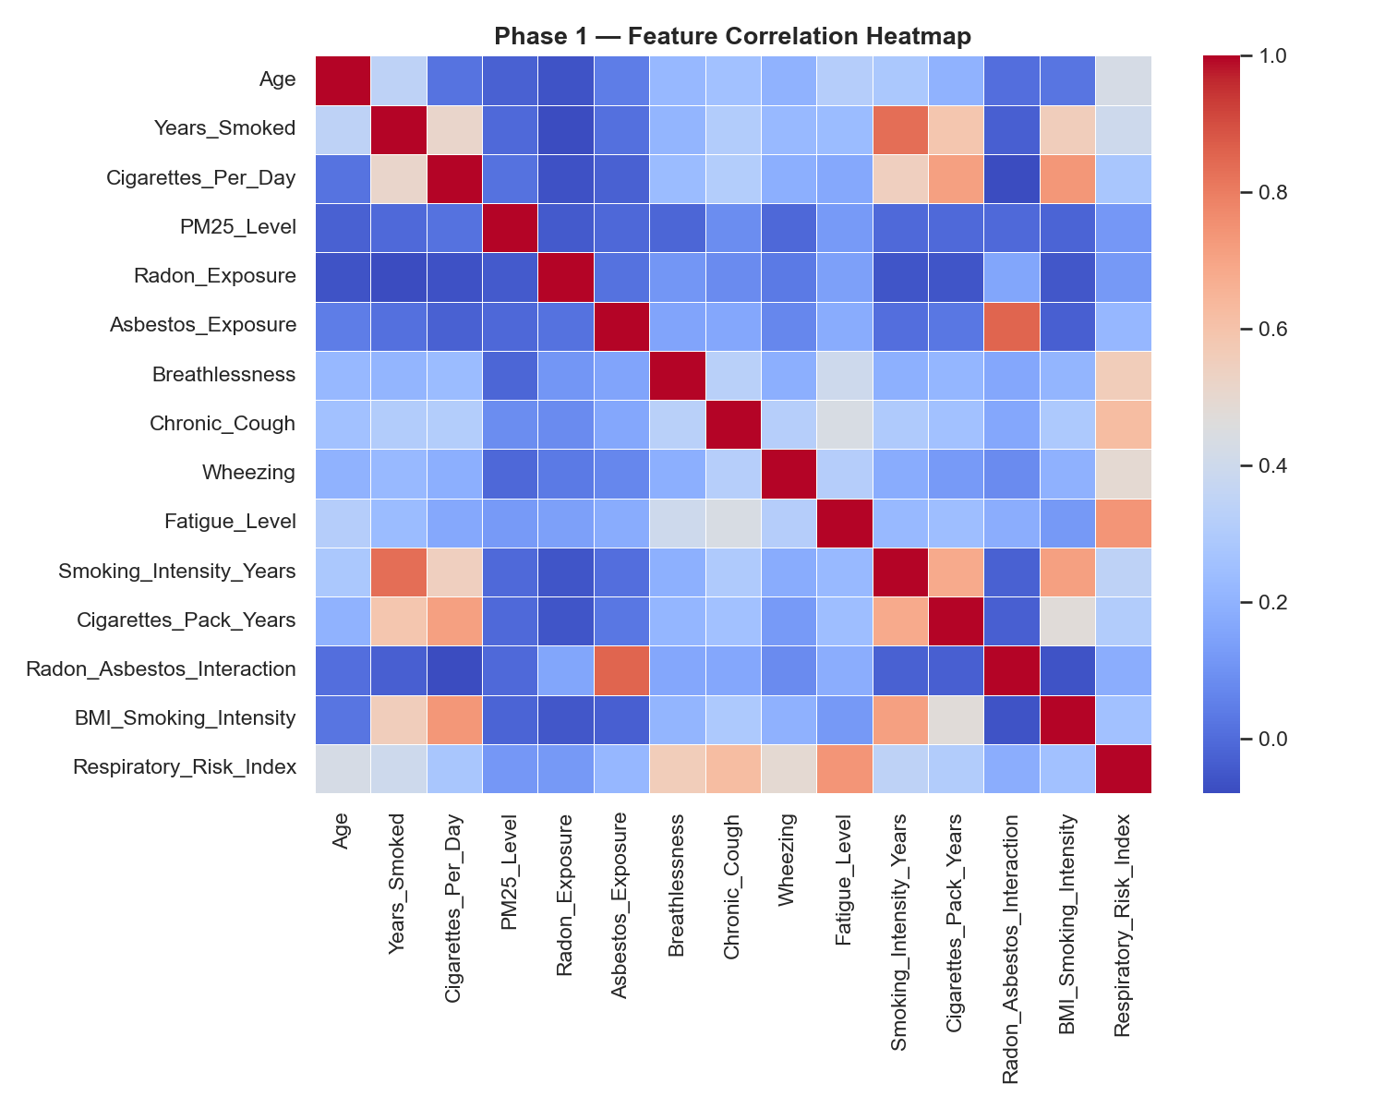
Phase 1 — Charts

Phase2_PCA_Info
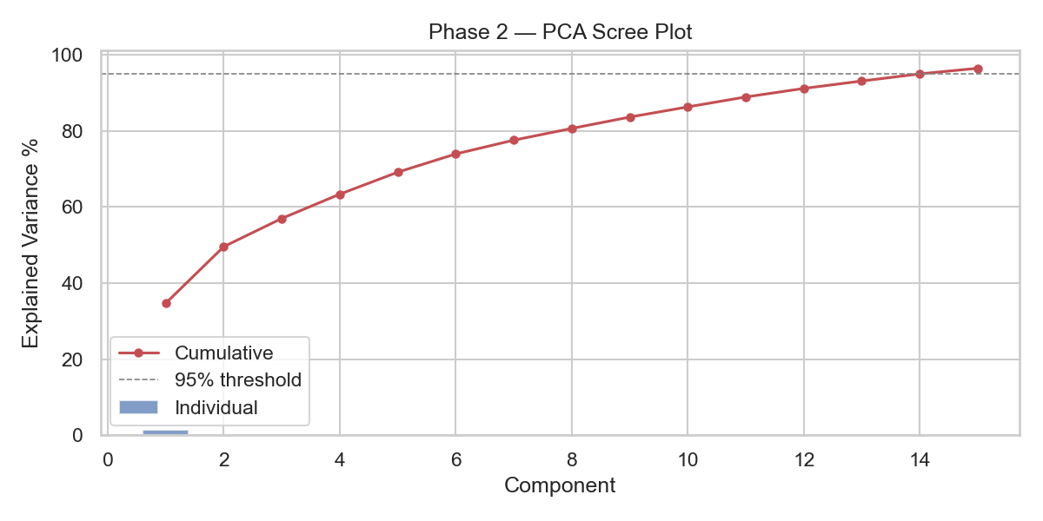
Phase 2 — PCA Information

Component | Explained Var % | Cumulative %
PC1 | 34.692 | 34.692
PC2 | 14.875 | 49.567
PC3 | 7.42 | 56.987
PC4 | 6.376 | 63.363
PC5 | 5.786 | 69.15
PC6 | 4.796 | 73.945
PC7 | 3.621 | 77.566
PC8 | 3.084 | 80.651
PC9 | 2.987 | 83.638
PC10 | 2.677 | 86.315
PC11 | 2.607 | 88.922
PC12 | 2.243 | 91.165
PC13 | 1.95 | 93.115
PC14 | 1.879 | 94.994
PC15 | 1.47 | 96.464

Phase2_PCA_Loadings
Phase 2 — PCA Loadings (feature contribution to each PC)

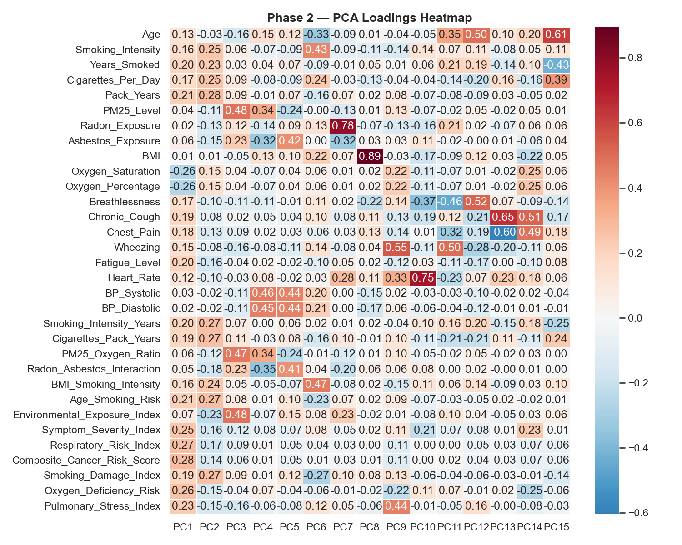

Feature | PC1 | PC2 | PC3 | PC4 | PC5 | PC6 | PC7 | PC8 | PC9 | PC10 | PC11 | PC12 | PC13 | PC14 | PC15
Age | 0.1345 | -0.0299 | -0.156 | 0.1506 | 0.1227 | -0.3272 | -0.0937 | 0.013 | -0.0373 | -0.0519 | 0.3499 | 0.495 | 0.0989 | 0.1969 | 0.6126
Smoking_Intensity | 0.1633 | 0.2457 | 0.0585 | -0.0655 | -0.0915 | 0.4323 | -0.0886 | -0.1125 | -0.1393 | 0.1356 | 0.075 | 0.1146 | -0.0768 | 0.05 | 0.1083
Years_Smoked | 0.2029 | 0.2313 | 0.0334 | 0.0366 | 0.0738 | -0.0925 | -0.0079 | 0.0543 | 0.0069 | 0.0606 | 0.2057 | 0.192 | -0.1353 | 0.0997 | -0.4254
Cigarettes_Per_Day | 0.1697 | 0.2508 | 0.0899 | -0.0789 | -0.095 | 0.2371 | -0.0264 | -0.1342 | -0.0392 | -0.0396 | -0.1351 | -0.1985 | 0.1579 | -0.1576 | 0.3929
Pack_Years | 0.2142 | 0.2842 | 0.094 | -0.0129 | 0.0713 | -0.1585 | 0.0658 | 0.0177 | 0.0819 | -0.0698 | -0.0788 | -0.0927 | 0.0286 | -0.0475 | 0.0198
PM25_Level | 0.0363 | -0.1098 | 0.4797 | 0.3351 | -0.2415 | -0.003 | -0.1276 | 0.0125 | 0.1276 | -0.0689 | -0.0242 | 0.055 | -0.0208 | 0.0479 | 0.0112
Radon_Exposure | 0.024 | -0.1324 | 0.116 | -0.1366 | 0.0861 | 0.1261 | 0.7838 | -0.0734 | -0.1308 | -0.1638 | 0.2131 | 0.0179 | -0.068 | 0.0561 | 0.0559
Asbestos_Exposure | 0.059 | -0.1544 | 0.2288 | -0.3248 | 0.419 | 0.0026 | -0.3189 | 0.0259 | 0.0285 | 0.1134 | -0.0233 | -0.0005 | 0.0069 | -0.0611 | 0.0429
BMI | 0.0059 | 0.0095 | -0.0521 | 0.1279 | 0.0967 | 0.2189 | 0.0655 | 0.8935 | -0.0251 | -0.1743 | -0.0919 | 0.1245 | 0.0285 | -0.2176 | 0.0469
Oxygen_Saturation | -0.2614 | 0.1516 | 0.0364 | -0.0658 | 0.0375 | 0.0617 | 0.0145 | 0.023 | 0.2159 | -0.1147 | -0.0693 | 0.0145 | -0.023 | 0.2468 | 0.0572
Oxygen_Percentage | -0.2614 | 0.1516 | 0.0364 | -0.0658 | 0.0375 | 0.0617 | 0.0145 | 0.023 | 0.2159 | -0.1147 | -0.0693 | 0.0145 | -0.023 | 0.2468 | 0.0572
Breathlessness | 0.1667 | -0.1017 | -0.1063 | -0.1118 | -0.0149 | 0.1072 | 0.0201 | -0.2219 | 0.1395 | -0.3708 | -0.4563 | 0.52 | 0.0709 | -0.0861 | -0.1387
Chronic_Cough | 0.1887 | -0.0768 | -0.0182 | -0.0474 | -0.0431 | 0.1038 | -0.0838 | 0.1071 | -0.1282 | -0.1924 | 0.1203 | -0.214 | 0.6511 | 0.5136 | -0.1721
Chest_Pain | 0.1755 | -0.1301 | -0.0867 | -0.0157 | -0.0321 | -0.0634 | -0.0343 | 0.1307 | -0.1407 | -0.0058 | -0.3208 | -0.1867 | -0.6045 | 0.489 | 0.1756
Wheezing | 0.1454 | -0.0828 | -0.1551 | -0.0754 | -0.1114 | 0.1423 | -0.0847 | 0.0446 | 0.552 | -0.1106 | 0.4969 | -0.2807 | -0.1954 | -0.11 | 0.0645
Fatigue_Level | 0.2041 | -0.1647 | -0.0356 | 0.019 | -0.0222 | -0.0987 | 0.054 | 0.0157 | -0.1236 | 0.0305 | -0.1148 | -0.1693 | 0.0027 | -0.0987 | 0.0809
Heart_Rate | 0.1172 | -0.0952 | -0.0297 | 0.078 | -0.0155 | 0.0271 | 0.2805 | 0.1126 | 0.3298 | 0.7465 | -0.2302 | 0.0725 | 0.2284 | 0.1784 | 0.0615
BP_Systolic | 0.0268 | -0.022 | -0.1104 | 0.4625 | 0.4377 | 0.2002 | 0.0023 | -0.15 | 0.0187 | -0.0342 | -0.0272 | -0.0965 | -0.0203 | 0.0241 | -0.036
BP_Diastolic | 0.0249 | -0.0174 | -0.1084 | 0.4536 | 0.4378 | 0.2106 | 0.0009 | -0.1705 | 0.0563 | -0.0628 | -0.0374 | -0.1196 | -0.0054 | 0.0133 | -0.0078
Smoking_Intensity_Years | 0.1975 | 0.2687 | 0.07 | 0.0008 | 0.0612 | 0.0231 | 0.0052 | 0.0192 | -0.0376 | 0.0998 | 0.1576 | 0.2011 | -0.1534 | 0.1797 | -0.2543
Cigarettes_Pack_Years | 0.1859 | 0.2724 | 0.1058 | -0.0327 | 0.0758 | -0.1566 | 0.0956 | -0.0128 | 0.1047 | -0.1094 | -0.2108 | -0.2095 | 0.1051 | -0.1095 | 0.2377
PM25_Oxygen_Ratio | 0.0596 | -0.1227 | 0.4666 | 0.3353 | -0.2414 | -0.0079 | -0.1249 | 0.0087 | 0.1008 | -0.0537 | -0.0175 | 0.0517 | -0.019 | 0.0255 | 0.0038
Radon_Asbestos_Interaction | 0.0477 | -0.1759 | 0.2293 | -0.3481 | 0.4105 | 0.0399 | -0.2024 | 0.0597 | 0.0635 | 0.0765 | 0.0022 | 0.0229 | -0.0003 | 0.0088 | 0.0001
BMI_Smoking_Intensity | 0.1589 | 0.2397 | 0.049 | -0.0529 | -0.0737 | 0.466 | -0.0752 | 0.0219 | -0.1501 | 0.1143 | 0.0646 | 0.139 | -0.0853 | 0.0326 | 0.1039
Age_Smoking_Risk | 0.2121 | 0.2691 | 0.0819 | 0.0084 | 0.0988 | -0.2273 | 0.0668 | 0.0229 | 0.0882 | -0.0714 | -0.0306 | -0.0541 | 0.018 | -0.0204 | 0.0096
Environmental_Exposure_Index | 0.0689 | -0.2316 | 0.4783 | -0.0715 | 0.1478 | 0.0769 | 0.2265 | -0.0231 | 0.0101 | -0.0765 | 0.1033 | 0.0426 | -0.0498 | 0.0278 | 0.0649
Symptom_Severity_Index | 0.2544 | -0.1556 | -0.1226 | -0.0767 | -0.068 | 0.0753 | -0.0475 | 0.0196 | 0.1106 | -0.2143 | -0.0721 | -0.0786 | -0.0083 | 0.2349 | -0.0122
Respiratory_Risk_Index | 0.2678 | -0.1718 | -0.0863 | 0.0143 | -0.0502 | -0.0373 | -0.0291 | 0.0008 | -0.1082 | -0.0011 | 0.0029 | -0.0534 | -0.0293 | -0.0699 | -0.0566
Composite_Cancer_Risk_Score | 0.2778 | -0.1392 | -0.0645 | 0.0094 | -0.0504 | -0.0087 | -0.0314 | -0.009 | -0.1091 | 0.001 | 0.0208 | -0.0393 | -0.0293 | -0.0668 | -0.0582
Smoking_Damage_Index | 0.1949 | 0.2656 | 0.0856 | 0.0128 | 0.1169 | -0.2747 | 0.1001 | 0.0776 | 0.1329 | -0.0606 | -0.0376 | -0.0615 | -0.0274 | -0.0095 | -0.1445
Oxygen_Deficiency_Risk | 0.2614 | -0.1516 | -0.0364 | 0.0658 | -0.0375 | -0.0617 | -0.0145 | -0.023 | -0.2159 | 0.1147 | 0.0693 | -0.0145 | 0.023 | -0.2468 | -0.0572
Pulmonary_Stress_Index | 0.2258 | -0.1503 | -0.155 | -0.0604 | -0.0775 | 0.1244 | 0.0491 | -0.0574 | 0.4448 | -0.0099 | -0.0496 | 0.1557 | -0.0035 | -0.0763 | -0.0269

Phase2_Charts
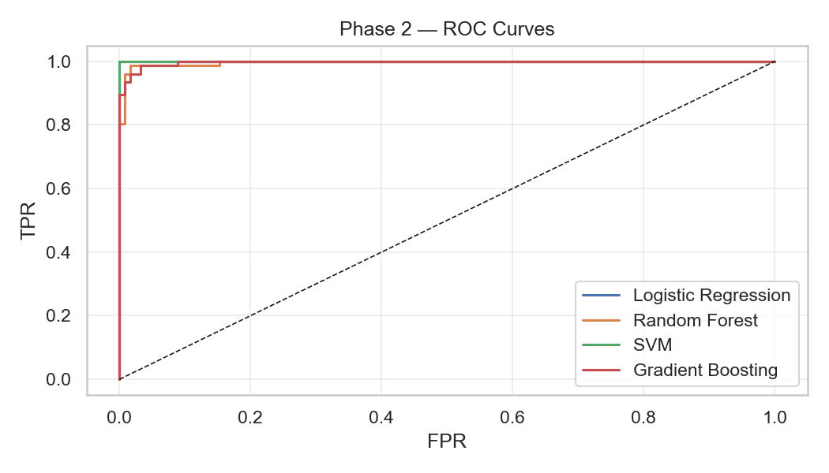
Phase 2 — Charts

CM_ALL
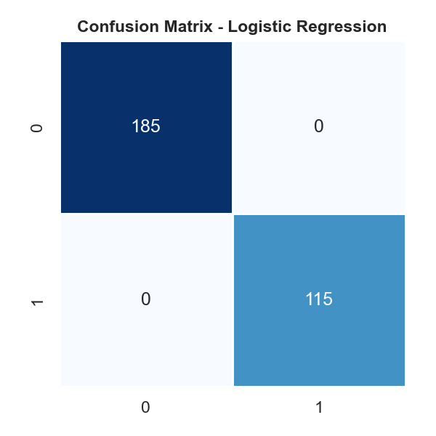
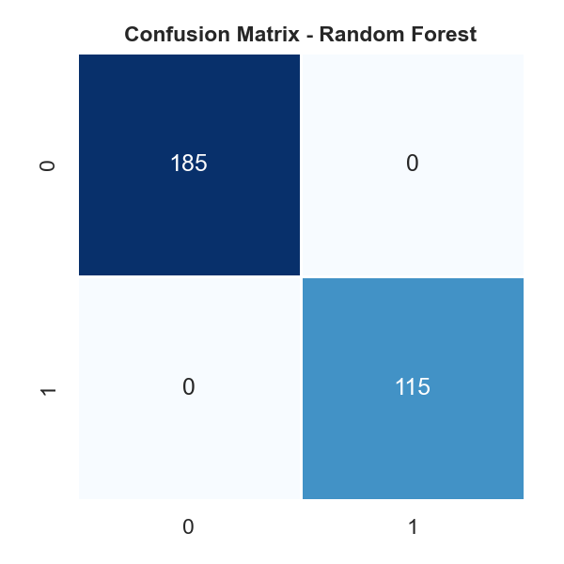
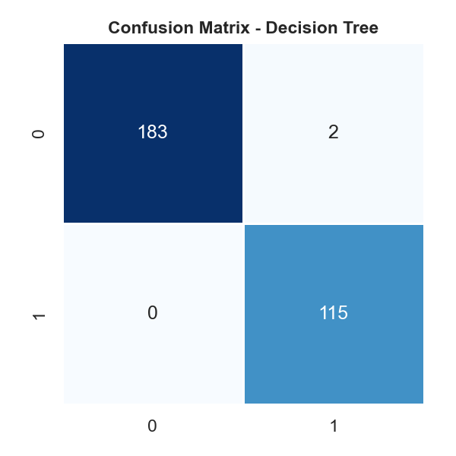

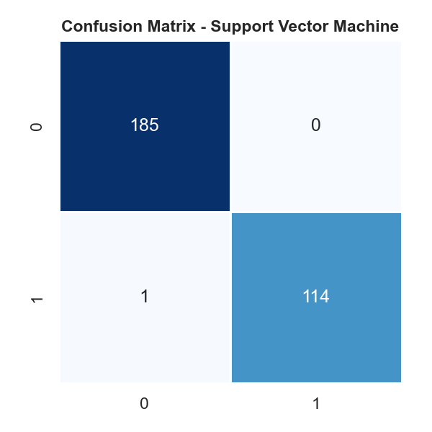
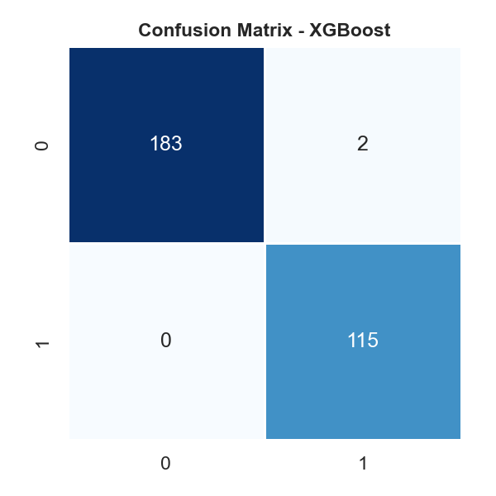




Confusion Matrices

Optimized_CM
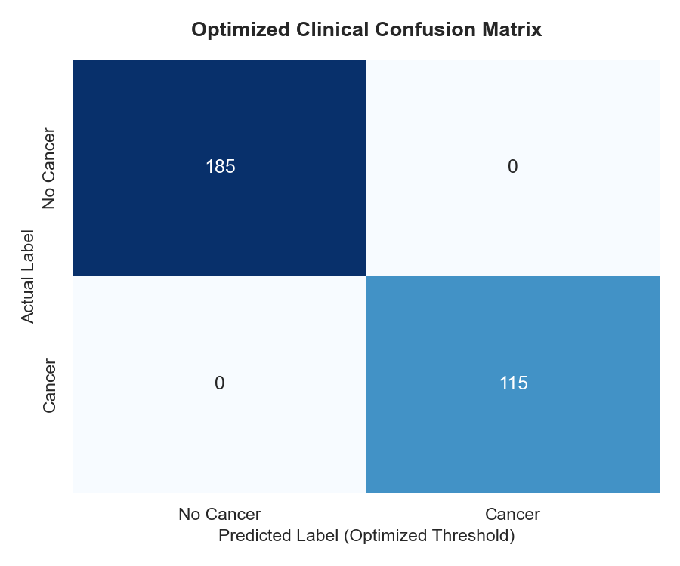
Optimized Clinical Confusion Matrix (Calibrated Stacking)

