SPARTOO DEFECTS
DEFECT 001: | When using negative numbers in the factorial calculator - Not displaying error in UI
App Name: | The greatest factorial calculator!
Platform: | PC/chrome
Summary: | When using negative numbers in the number field we dont get any error in the UI, however we can see the error in the "Developer Tools."
Severity: | High
Priority: | Normal
Steps: | 1. Open the url http://qainterview.pythonanywhere.com/. 2. Enter amount in number field using minus sign as prefix as -4
Actual: | No error is display in UI, error however error can be seen on the Developer tools for chrome
Expected: | Error should be displayed
Screenshots: | 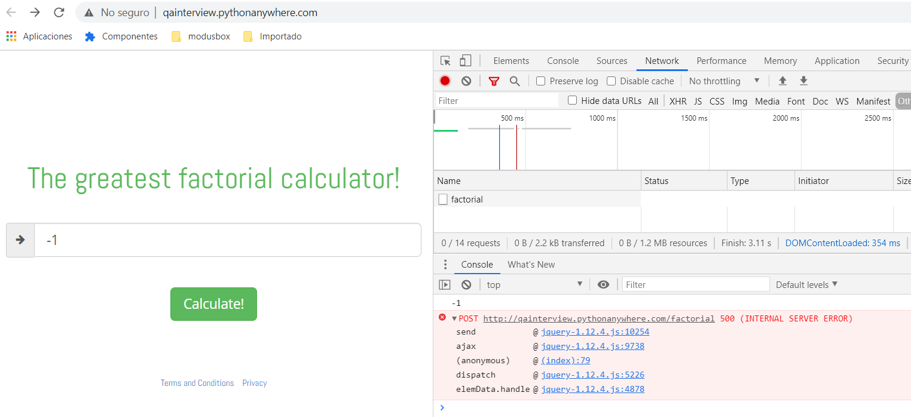

DEFECT 002: | Any value above 170 makes the calculator to show infinity as result
App Name: | The greatest factorial calculator!
Platform: | PC/chrome
Summary: | When using 171 in the calculator, the final result shown is "infinity"
Severity: | High
Priority: | Normal
Steps: | 1. Open the url http://qainterview.pythonanywhere.com/. 2. Enter amount in number field 171
Actual: | No numeric result is shown, instead we got text "infinity"
Expected: | Factorial number for 171 should be calculated and displayed for user
Screenshots: | 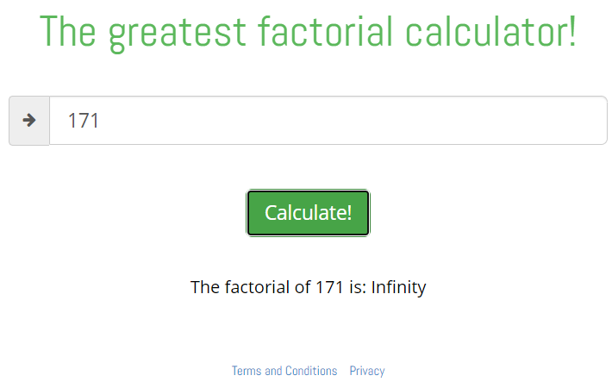

DEFECT 003: | When using + sign in the number field - no error message is shown
App Name: | The greatest factorial calculator!
Platform: | PC/chrome
Summary: | When using + sign as prefix in the number field, there is no validation to avoid non numeric characters
Severity: | Low
Priority: | Normal
Steps: | 1. Open the url http://qainterview.pythonanywhere.com/. 2. Enter amount in number field +5
Actual: | Factorial number gets calculated and displayed for user, even the + sign is printed along with the result
Expected: | Vaidations in the number field should alert the user about non numeric character, in this case + sign should NOT be allowed
Screenshots: | 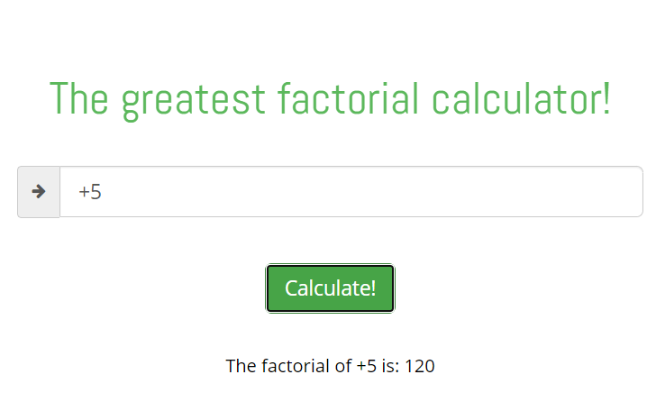

DEFECT 004: | Provisional texts for links "Terms and conditions" & "Privacy" are inverted
App Name: | The greatest factorial calculator!
Platform: | PC/chrome
Summary: | When clicking on the Privacy link we got the provisional message for Terms and conditions When clicking on the Terms and conditions link we got the provisional message for Privacy
Severity: | Low
Priority: | Normal
Steps: | 1. Open the url http://qainterview.pythonanywhere.com/. 2. Click on Privacy link 3. Click on Terms and condition link
Actual: | 2. provisional text for Terms and conditions is shown 3. provisional text for Privacy is shown
Expected: | 2. provisional text for Privacy should be shown 3. provisional text for Terms and conditions shoul be shown
Screenshots: | 