Sheet1
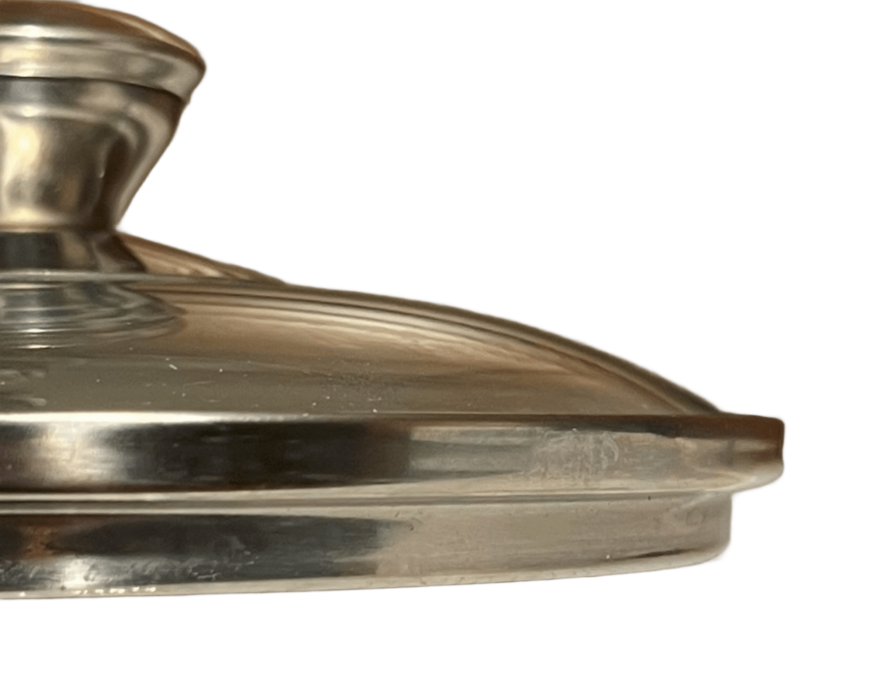
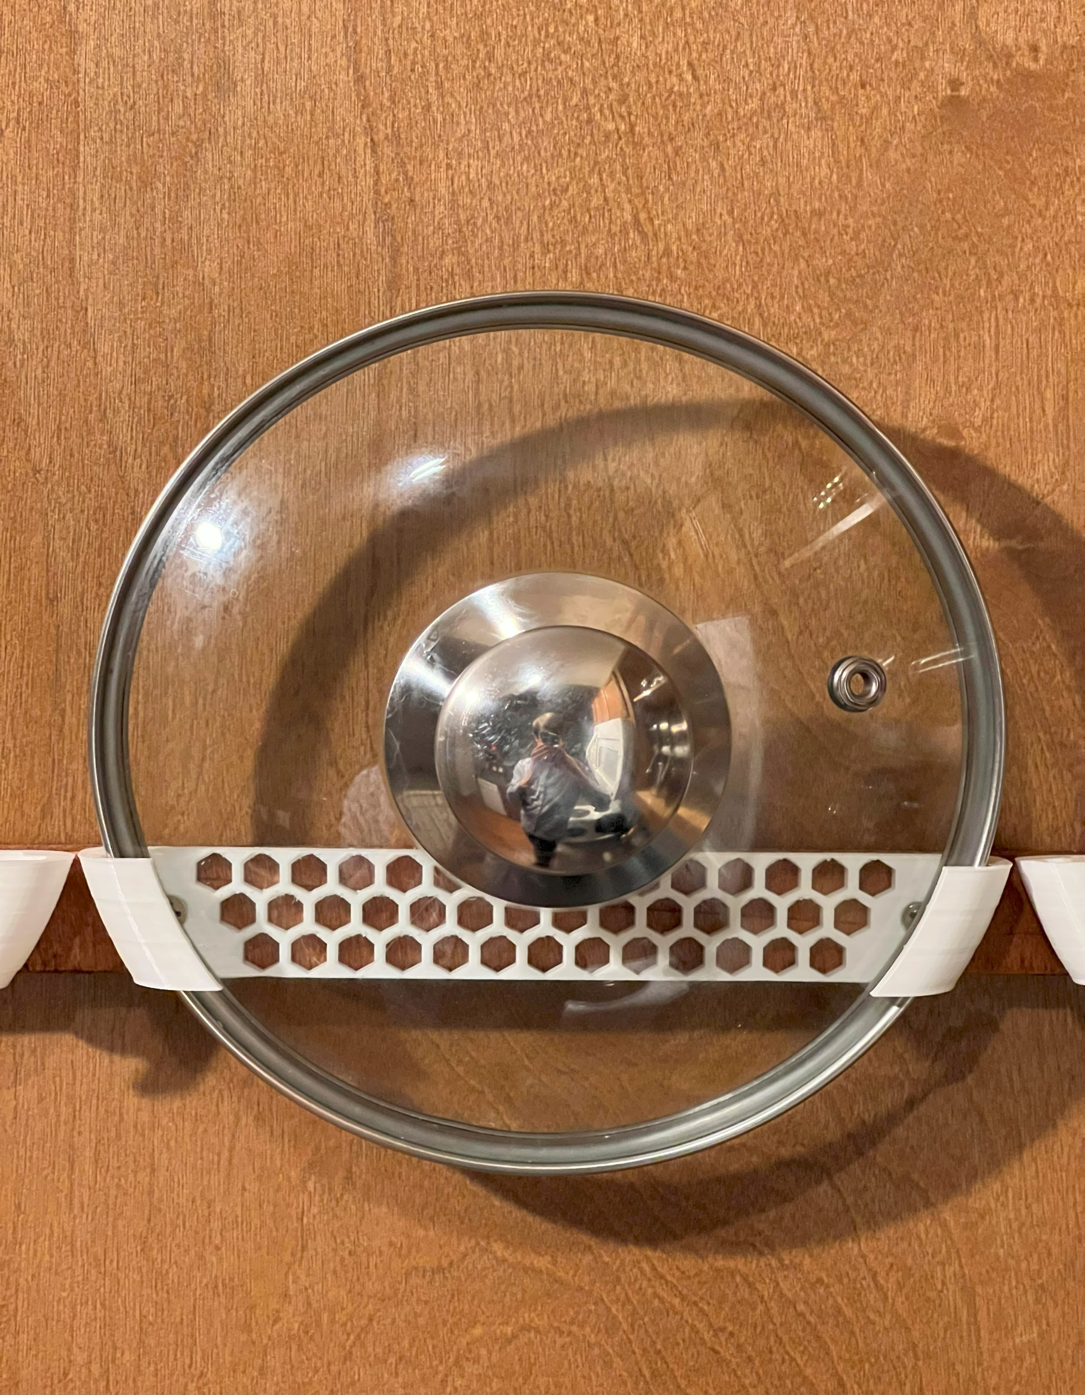

HolderOffset

DomeRadius
RetainerLength

LipHeight
HolderHeight

LipLength

Radius

InsertLength

