pivot
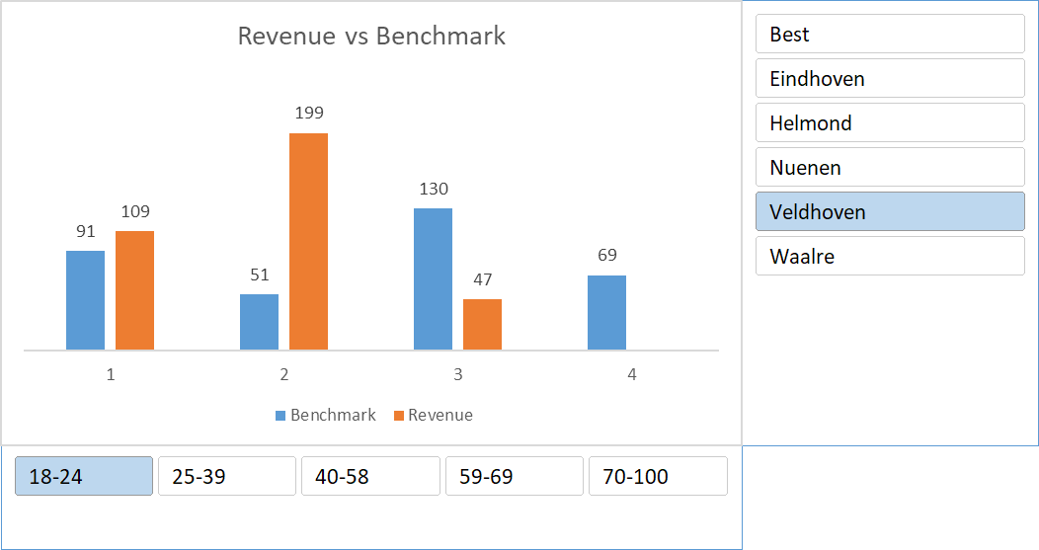
Revenue vs Benchmark
 | Benchmark | Revenue
1 | 91 | 109
2 | 51 | 199
3 | 130 | 47
4 | 69
Row Labels | Benchmark | Revenue
1 | 91 | 109
2 | 51 | 199
3 | 130 | 47
4 | 69
Grand Total | 341 | 355

