Token Usage
Bedrock Token Usage - 061039769766
Period: 2026-05-25 to 2026-06-24

Model | Region | Input Tokens | Output Tokens | Total Tokens | Cache Read | Cache Write | Invocations
0 | ap-southeast-1 | 1,923 | 1,107 | 3,030 | 0 | 0 | 9
0 | ap-southeast-1 | 94,439 | 3,693 | 98,132 | 0 | 0 | 12
0 | ap-southeast-1 | 5,217 | 631 | 5,848 | 0 | 0 | 8
cohere.embed-english-v3 | ap-southeast-1 | 1 | 0 | 1 | 0 | 0 | 67
0 | ap-southeast-1 | 1,353,154 | 645,396 | 1,998,550 | 0 | 0 | 1,553
0 | us-east-1 | 0 | 0 | 0 | 0 | 0 | 1
0 | us-east-1 | 0 | 0 | 0 | 0 | 0 | 1
0 | us-east-1 | 0 | 0 | 0 | 0 | 0 | 5
0 | us-east-1 | 0 | 0 | 0 | 0 | 0 | 3
amazon.titan-embed-text-v2:0 | us-east-1 | 6,072,395 | 0 | 6,072,395 | 0 | 0 | 32,485
0 | us-east-1 | 0 | 0 | 0 | 0 | 0 | 3
0 | us-east-1 | 8,963,336 | 3,607,331 | 12,570,667 | 0 | 0 | 2,039
us.anthropic.claude-sonnet-4-6 | us-east-1 | 7,469,367 | 1,569,143 | 9,038,510 | 0 | 0 | 3,184

Input & Output Token Usage
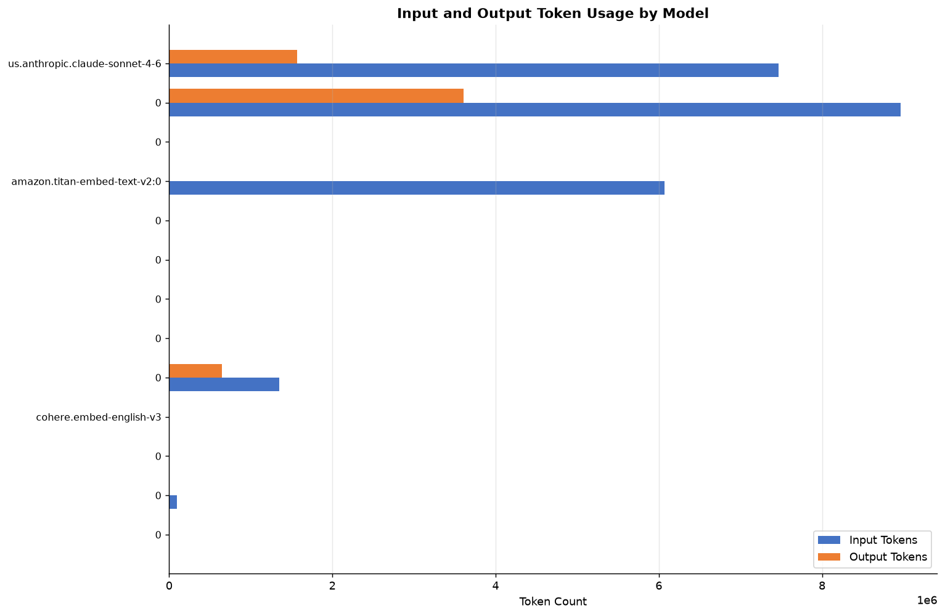

Total Tokens Over Time
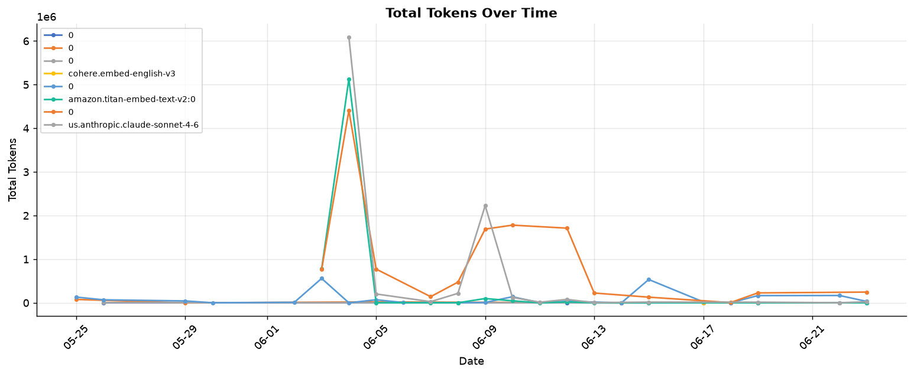

Prompt Cache Usage (Read vs Write)
No prompt cache data available.

── Conclusion ──
• Total tokens consumed: 29,787,133 (Input: 23,959,832, Output: 5,827,301)
• Highest consumer: 0 (42.2% of total usage)
• Output/Input ratio is low (0.24x) — large prompts with short responses.
• No prompt caching detected. Consider enabling prompt cache for repeated prompts.

Latency & Performance
Bedrock Latency & Performance - 061039769766
Period: 2026-05-25 to 2026-06-24

Model | Region | Avg Latency (ms) | Min Latency | Max Latency | Avg TTFT (ms) | Max TPM Quota
0 | ap-southeast-1 | 1,017 | 562 | 2,325 | 878 | 16,588
0 | ap-southeast-1 | 10,782 | 786 | 50,594 | 6,763 | 46,635
0 | ap-southeast-1 | 3,633 | 2,282 | 5,619 | 2,393 | 18,293
cohere.embed-english-v3 | ap-southeast-1 | 91 | 91 | 91 | 0 | 1
0 | ap-southeast-1 | 3,535 | 633 | 77,240 | 1,311 | 176,136
0 | us-east-1 | 0 | 0 | 0 | 0 | 0
0 | us-east-1 | 0 | 0 | 0 | 0 | 0
0 | us-east-1 | 0 | 0 | 0 | 0 | 0
0 | us-east-1 | 0 | 0 | 0 | 0 | 0
amazon.titan-embed-text-v2:0 | us-east-1 | 113 | 43 | 8,455 | 0 | 701
0 | us-east-1 | 0 | 0 | 0 | 0 | 0
0 | us-east-1 | 70,993 | 1,749 | 209,892 | 0 | 74,777
us.anthropic.claude-sonnet-4-6 | us-east-1 | 3,932 | 1,204 | 32,218 | 2,111 | 18,840

End-to-End Invocation Latency
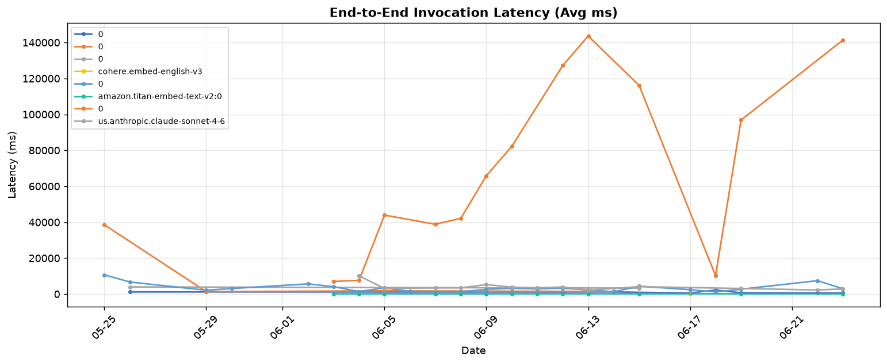

Time To First Token (TTFT)
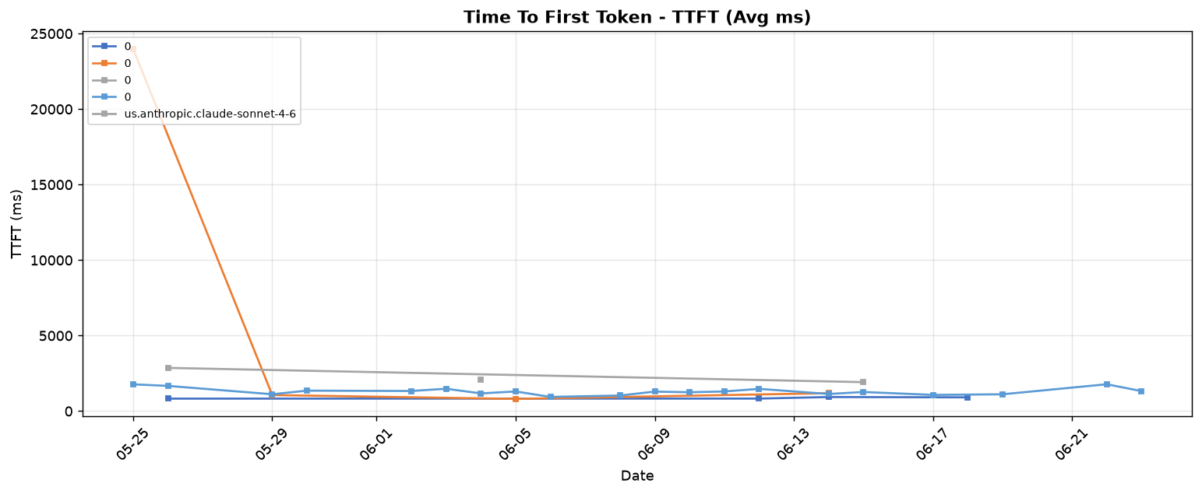

Estimated TPM Quota Usage
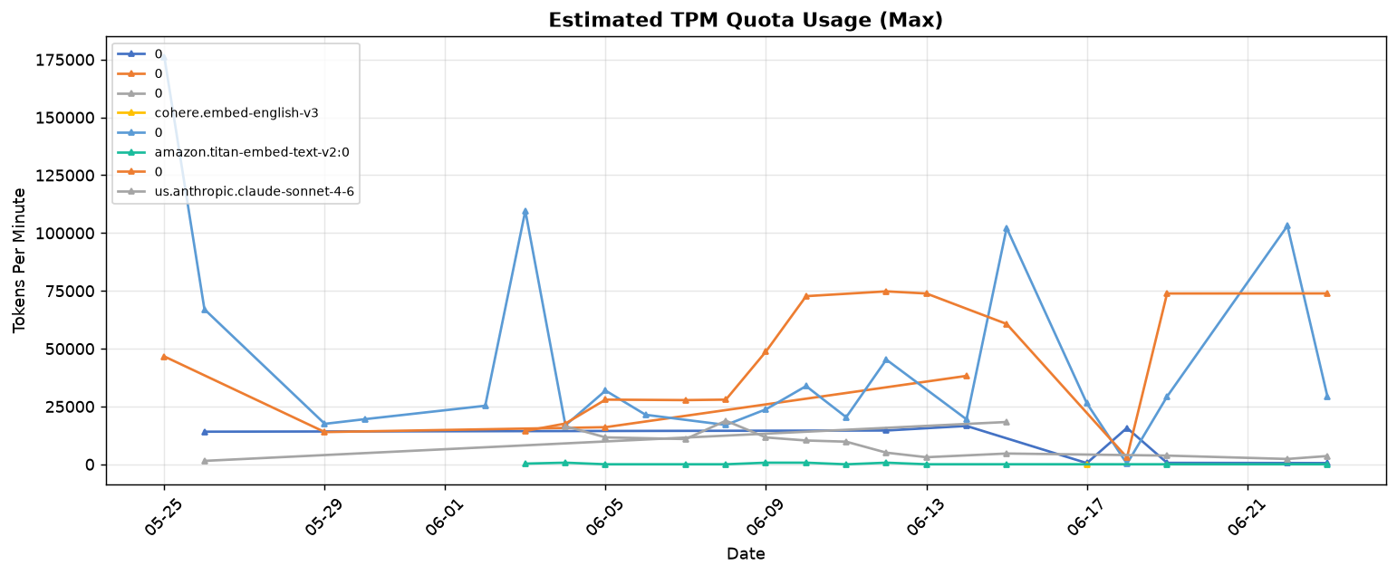

── Conclusion ──
• Slowest model: 0 (avg 70,993 ms)
• Fastest model: cohere.embed-english-v3 (avg 91 ms)
• WARNING: 0 exceeds 10s average latency. Consider using streaming or a smaller model.
• Slowest TTFT: 0 (6,763 ms)

Volume & Distribution
Bedrock Volume & Distribution - 061039769766
Period: 2026-05-25 to 2026-06-24

Model | Region | Total Invocations | Avg Input Tokens/Req | Min Input Tokens | Max Input Tokens
0 | ap-southeast-1 | 9 | 481 | 427 | 539
0 | ap-southeast-1 | 12 | 23,610 | 9,196 | 37,978
0 | ap-southeast-1 | 8 | 443 | 2 | 903
cohere.embed-english-v3 | ap-southeast-1 | 67 | 1 | 1 | 1
0 | ap-southeast-1 | 1,553 | 470 | 1 | 12,711
0 | us-east-1 | 1 | 0 | 0 | 0
0 | us-east-1 | 1 | 0 | 0 | 0
0 | us-east-1 | 5 | 0 | 0 | 0
0 | us-east-1 | 3 | 0 | 0 | 0
amazon.titan-embed-text-v2:0 | us-east-1 | 32,485 | 68 | 2 | 701
0 | us-east-1 | 3 | 0 | 0 | 0
0 | us-east-1 | 2,039 | 7,995 | 18 | 14,783
us.anthropic.claude-sonnet-4-6 | us-east-1 | 3,184 | 2,728 | 18 | 12,260

Invocation Count Over Time
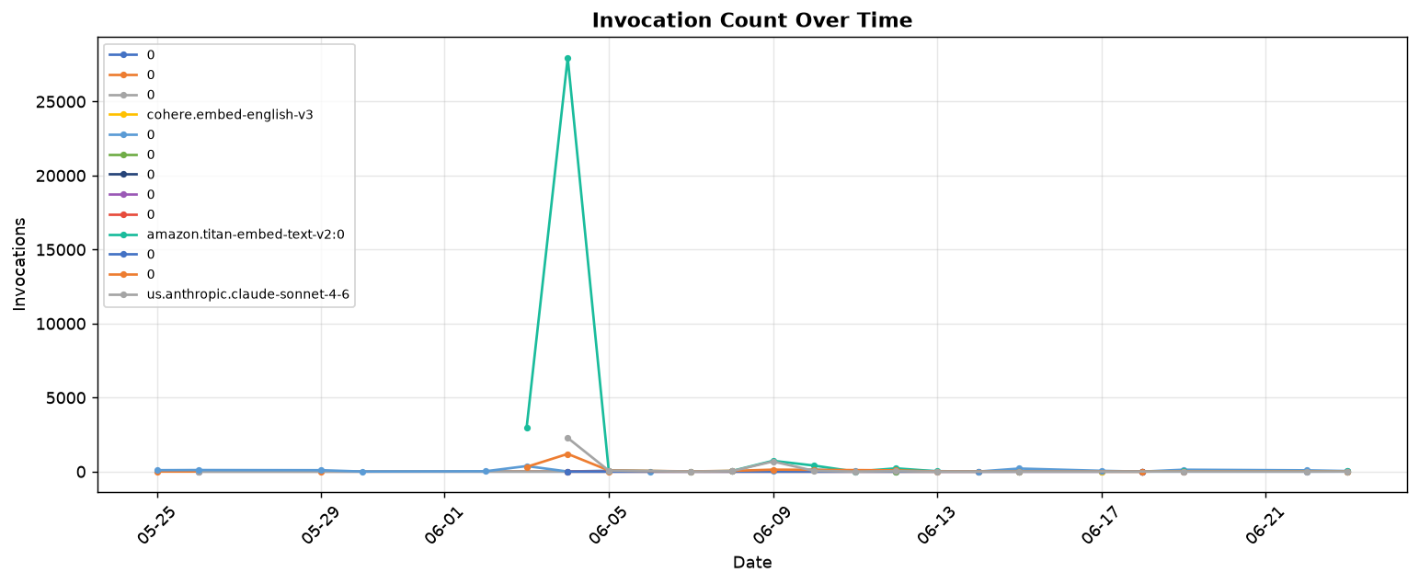

Request Distribution by Input Token Size
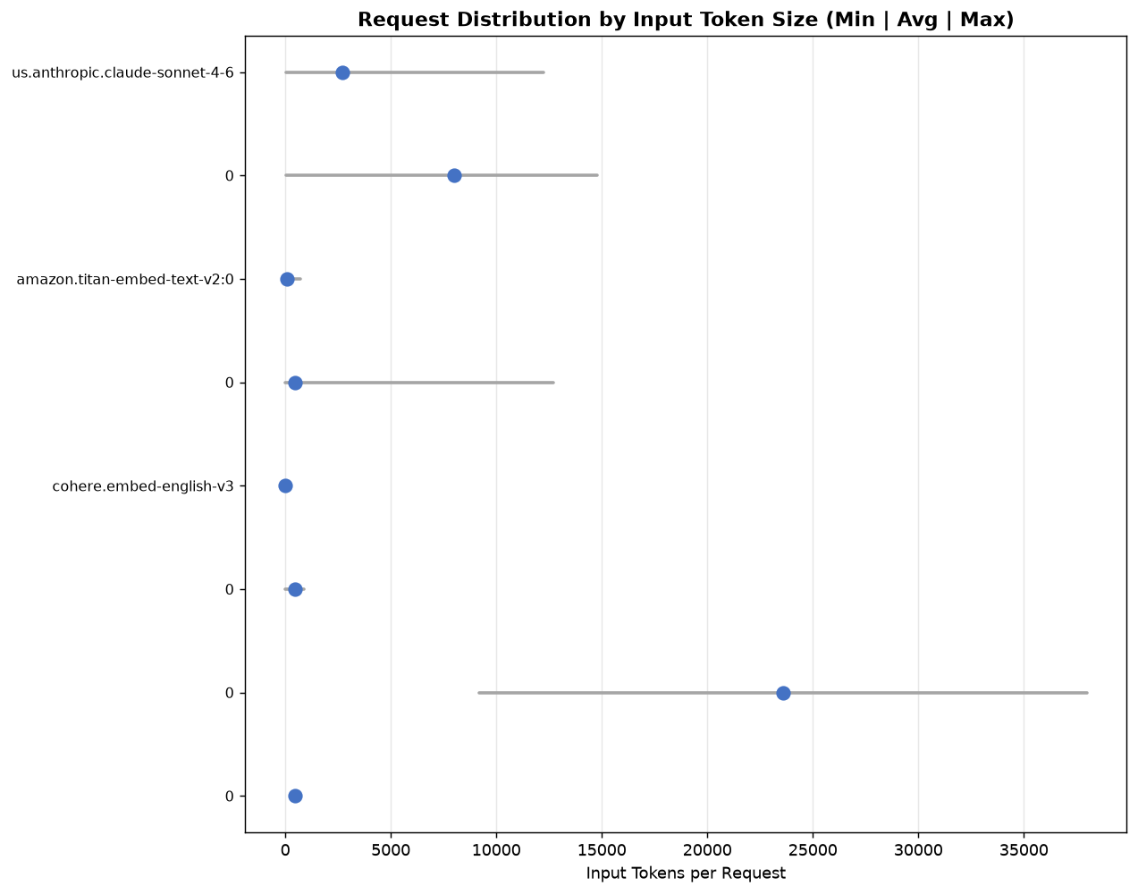

── Conclusion ──
• Total invocations across all models: 39,370
• Most invoked: amazon.titan-embed-text-v2:0 (32,485 invocations, 82.5% of total)
• Average tokens per request: 757

Reliability & Errors
Bedrock Reliability & Errors - 061039769766
Period: 2026-05-25 to 2026-06-24

Model | Region | Invocations | Throttles | Client Errors | Server Errors | Error Rate %
0 | ap-southeast-1 | 9 | 0 | 0 | 0 | 0
0 | ap-southeast-1 | 12 | 0 | 0 | 0 | 0
0 | ap-southeast-1 | 8 | 0 | 0 | 0 | 0
cohere.embed-english-v3 | ap-southeast-1 | 67 | 0 | 66 | 0 | 50
0 | ap-southeast-1 | 1,553 | 0 | 8 | 0 | 1
0 | us-east-1 | 1 | 0 | 1 | 0 | 50
0 | us-east-1 | 1 | 0 | 1 | 0 | 50
0 | us-east-1 | 5 | 0 | 5 | 0 | 50
0 | us-east-1 | 3 | 0 | 3 | 0 | 50
amazon.titan-embed-text-v2:0 | us-east-1 | 32,485 | 0 | 0 | 0 | 0
0 | us-east-1 | 3 | 0 | 3 | 0 | 50
0 | us-east-1 | 2,039 | 0 | 99 | 0 | 5
us.anthropic.claude-sonnet-4-6 | us-east-1 | 3,184 | 0 | 0 | 577 | 15

Invocation Throttles Over Time
No throttles in this period.

Invocation Errors (Client vs Server)
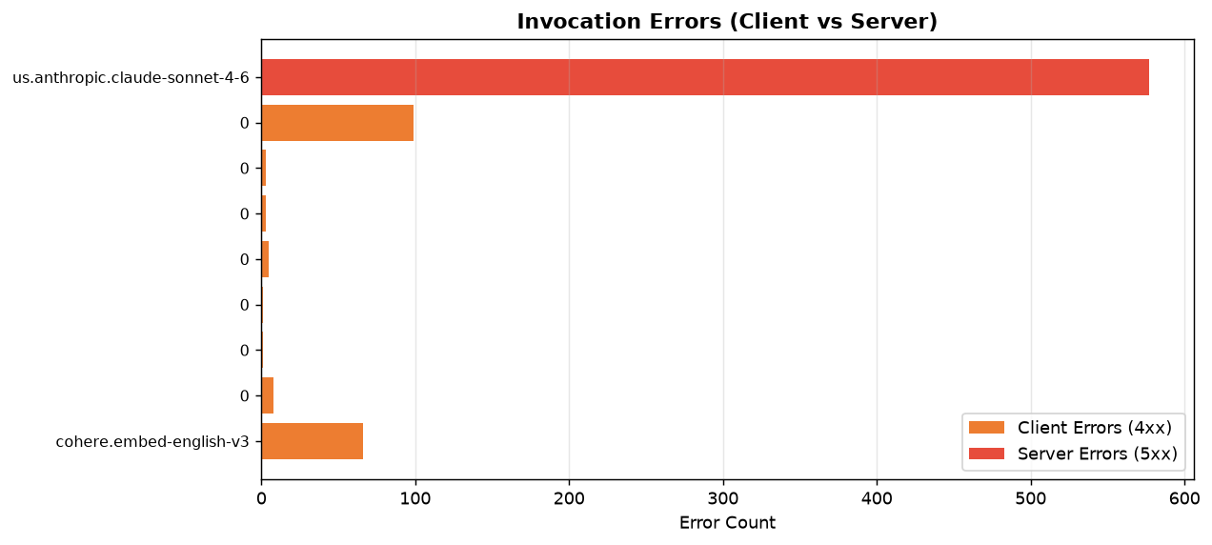

Error Trend Over Time
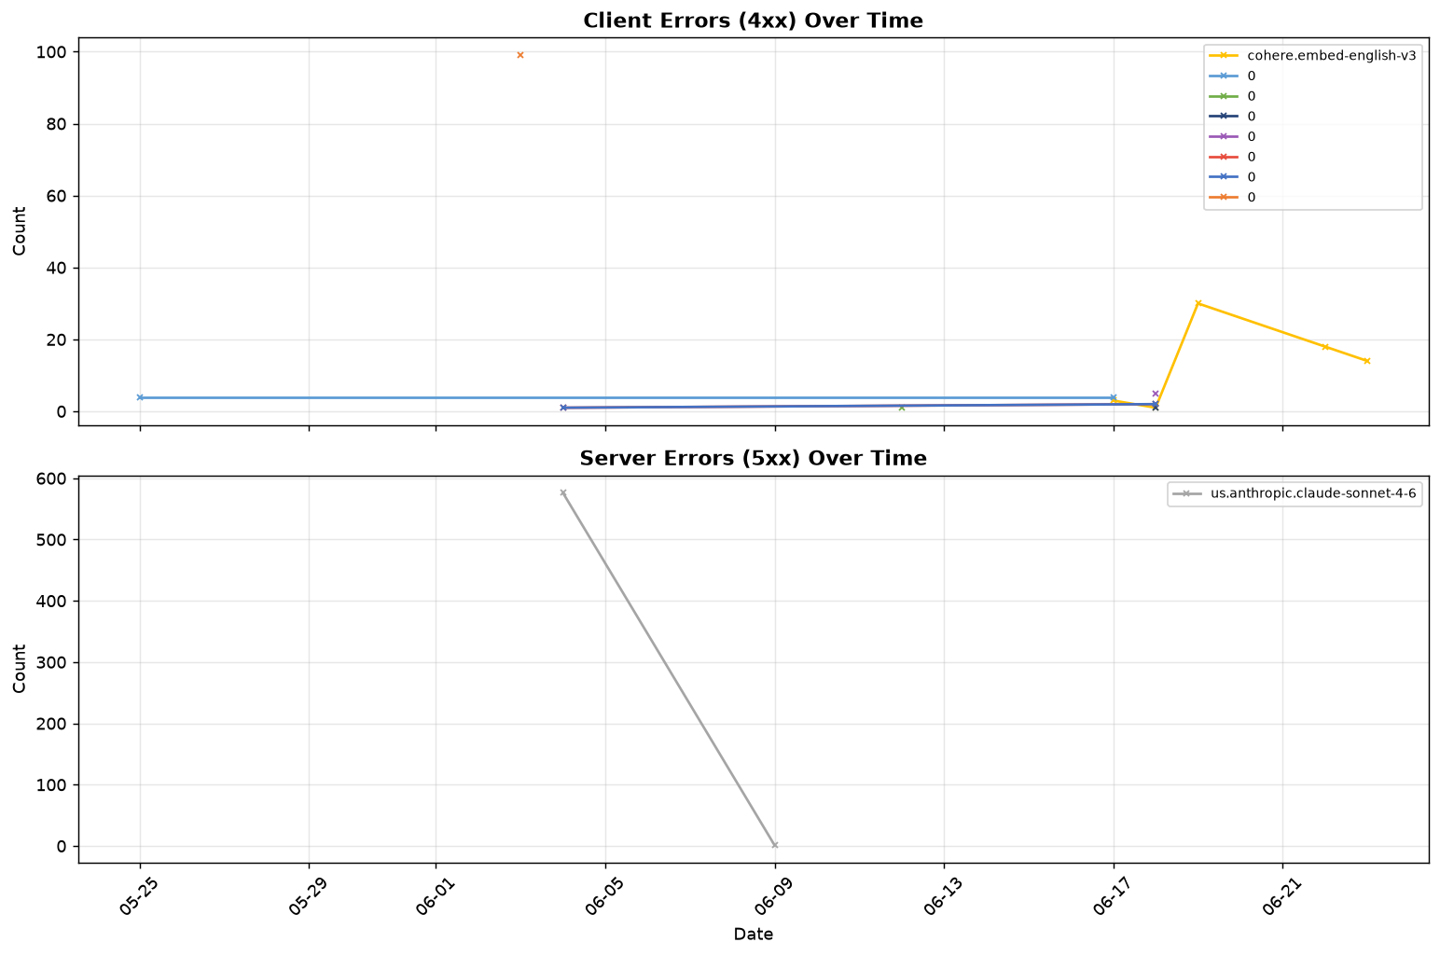

── Conclusion ──
• Overall success rate: 98.10% (39,370 successful / 40,133 total attempts)
• No throttling detected. Quota usage is within limits.
• Error rate: 1.90% (Client: 186, Server: 577)
• Server errors detected — these are AWS-side. Monitor for recurring patterns.

