Evidence
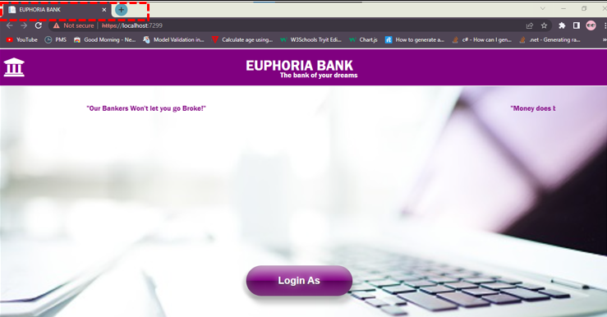
ID | Evidence
UT-001

UT-002


UT-003


UT-004
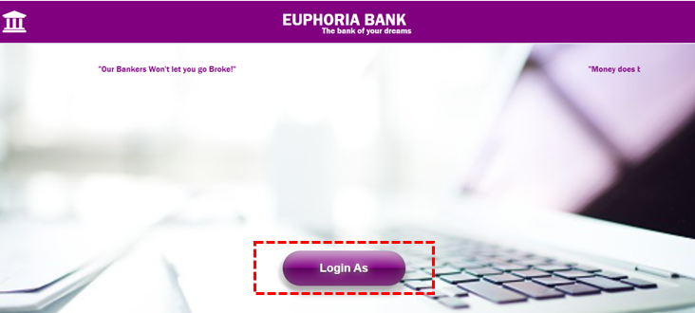


UT-005

