Evidence
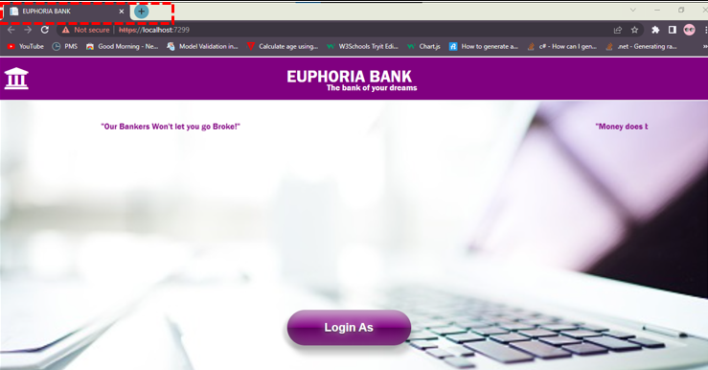
ID | Evidence
UT-001

UT-002


UT-003


UT-004


UT-005



UT-006

UT-007


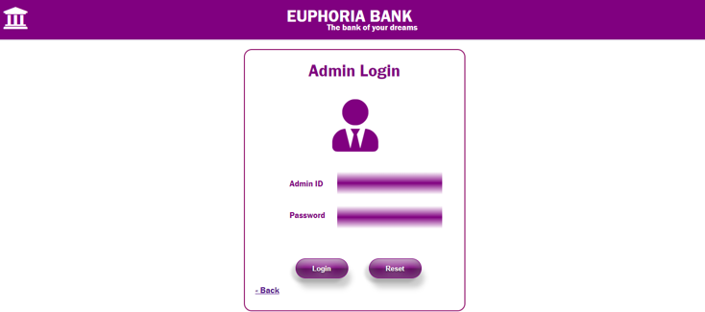
UT-008

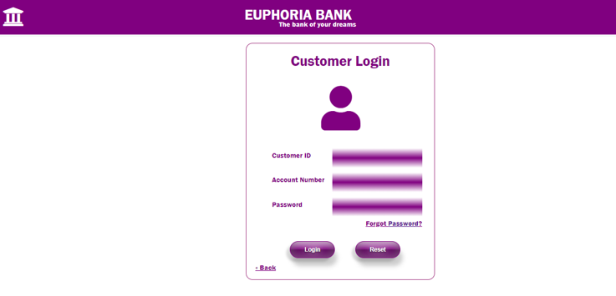
UT-009

