Tension Head and Calmp
Report maintance BG28 |  | Equipment : |  | Equipment :
 |  | Serial No. : |  | Serial No. :
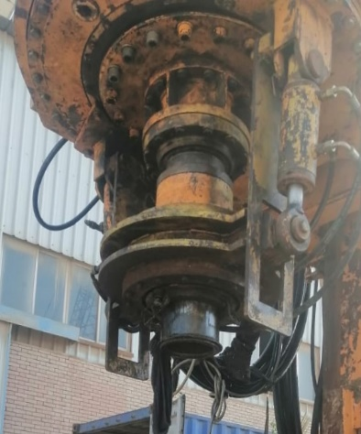 |  |  | 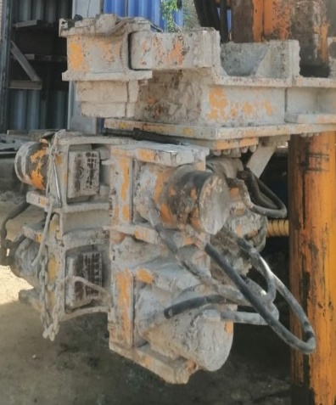
Tension Head |  |  | Tension Clamp
Tension Head Release |  |  | Tension Clamp Release
Tension Head Tensioner |  |  | Tension Clamp Tensioner
Tension Head Pressure | bar |  | Tension Clamp Pressure | bar
B72 |  |  | B78
Notes : |  |  | Notes :

Crowd Power Reducing |  |  | Wrench
Crowd Power Reducing |  |  | Wrench Release
Pressure Regulation Y 193 | mA |  | Wrench Tensioner
Notes : |  |  | Wrench Turning
 |  |  | Wrench Regrasping
 |  |  | Notes :

Flow Sensor Slurry B 60 |  |  | Slurry Pressure B 77
Flow Sensor Slurry |  |  | Flow Sensor Slurry
Notes : |  |  | Notes :

