Bauer
OK
No
N/A
No
N/A
No
N/A
No
N/A
No
N/A
Yes
No
N/A
Yes
No
N/A
Yes
No
N/A
Yes
No
N/A
Yes
No
N/A
Yes
No
N/A
Yes
No
N/A
Yes
No
N/A
Yes
No
N/A
No
N/A
No
N/A
No
N/A
No
N/A
OK
OK
OK
OK
OK
OK
OK
OK
 | Maintained Report BG - Kelly | Equipment: |  |  |  | Location:
 |  | Serial No.: |  |  |  | Date:
Mast |  |  | KDK
HS-1 | Main Winch |  | DS9 | Leak Oil Pressure
Remarks :
 |  |  | Remarks :
HS-2 | Aux Winch |  | DS 52 | Lubrication Oil Pressure
Remarks :
 |  |  | Remarks :
ES-2 | Back Stay Cyl Disable |  | FI2
Remarks : |  |  | Remarks :
ES-4 | Bach Stay Cyl Disable |  | B 26 R.P.M
Remarks : |  |  | Remarks :
ES-2.2 | Engine Off |  | KDK SPEED
Remarks : |  |  | SPEED 1 |  | SPEED 2 |  | SPEED 3 |  | SPEED 4
 |  |  | Y133 |  | Y133+Y114 |  | Y133+Y195 |  | Y241
ES-4.2 | Engine Off |  | Y191+Y348
Remarks : |  |  | R.P.M |  | R.P.M |  | R.P.M |  | R.P.M
ES-15.2 | Switch Off Crowd Up |  | Pump 1 Press | Pump 2 Press | Pump 1 Press | Pump 2 Press | Pump 1 Press | Pump 2 Press | Pump 1 Press | Pump 2 Press
Remarks : |  |  | Torque |  | Torque |  | Torque |  | Torque
ES-3 | Boom Cyl . |  | Remarks :
Remarks : |  |  | Main Panel
ES 10 | Inclination Y less than 5 dgree |  | Ckeak Fuses | Every Week Must Checked-Aveometer (Ok : □ Not Ok : □)
Remarks : |  |  |  | Every Day Must Check By Visual (Ok : □ Not Ok : □ )
B 6 | load measuring |  | Remarks :
Remarks :
B 2 | load measuring |  | Cheak Filter of Cabin Electric |  | Ok : □ No : □ |  | Cheak Fans |  | Ok : □ No : □
Remarks :
B 4 | Inclination |  | Wiring Arrangment |  | Ok : □ No : □ |  | Remarks :
Remarks :
B 11 | Depth Crowd |  | Remarks :
Remarks :
Bauer Screen |  |  | sockets / locks / boxes : |  |  | Free Wheel System |  |  | Slack Rope System
 |  |  | Remarks : |  |  | Ok : □ No : □ |  |  | Ok : □ No : □
Remarks :

Base Machines
Yes
No
N/A
Yes
No
N/A
Yes
No
N/A
Yes
No
N/A
Yes
No
N/A
Yes
No
N/A
Yes
No
N/A
Yes
No
N/A
Yes
No
N/A
Yes
No
N/A
Yes
No
N/A
Yes
No
N/A
Yes
No
N/A
Yes
No
N/A
Yes
No
N/A
Yes
No
N/A
Yes
No
N/A
Yes
No
N/A
Yes
No
N/A
Yes
No
Yes
No
Yes
No
Yes
No
Yes
No
Yes
No
No
Yes
Yes
No
No
Yes
Yes
No
Yes
No
 | Maintained Report BG28 - Kelly | Equipment: |  | Location:
 |  | Serial No.: |  | Date:
Base crane Screen |  |  | Lamp Unit |  | Accessories
Battery Charging |  |  | Slewing Brake Control |  | Lighting
 |  |  |  |  | Front | Back | Cabinet

Remarks : |  |  | Remarks : |  | Remarks :
Fuel Gauge |  |  | Air Cleaner Service Indicator Light |  | Wiper
 |  |  |  |  | Front | Above

Remarks : |  |  | Remarks : |  | Remarks :
Coolant Temp Gauge |  |  | Hyd Oil Filter Indicator 1 |  | Horn

Remarks : |  |  | Remarks : |  | Remarks :
Oil Pressure Engine |  |  | Hyd Oil Filter Indicator 2 |  | AT Condition

Remarks : |  |  | Remarks : |  | Remarks :
Hyd Oil Temp Gauge |  |  | Hyd Oil Filter Indicator 3 |  | Omni-Directional

Remarks : |  |  | Remarks : |  | Remarks :
Engine Speed Control |  |  | Coolant Temp Gauge |  | Emergency Stop

Remarks : |  |  | Remarks : |  | Remarks :
Service Hour Meter |  |  | Water Level Indicator |  | Dynamo & Starter & belt

Remarks : |  |  | Remarks : |  | Remarks :
Time |  |  | Hyd Oil Level Indicator |  | sockets / locks / boxes

Remarks : |  |  | Remarks : |  | Remarks :
Annealing Control |  |  | Liquid Seal Trap Control |  | Power Regulator Y 186

Remarks : |  |  | Remarks : |  | Remarks :
Camera |  |  | Inspection Carried by: |  | Signature:
Remarks :

Tension Head and Calmp
Yes
No
N/A
Yes
No
N/A
Yes
No
N/A
Yes
No
N/A
Yes
No
N/A
Yes
No
N/A
Yes
No
N/A
Yes
No
N/A
Yes
No
N/A
Yes
No
N/A
Yes
No
N/A

Report maintance BG28 |  | Equipment : |  | Equipment :
 |  | Serial No. : |  | Serial No. :
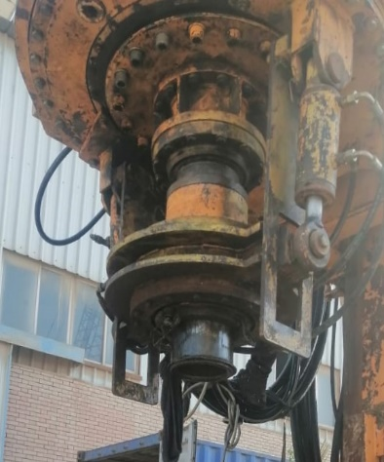 |  |  | 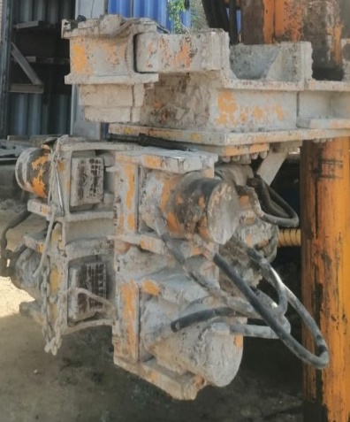
Tension Head |  |  | Tension Clamp
Tension Head Release |  |  | Tension Clamp Release
Tension Head Tensioner |  |  | Tension Clamp Tensioner
Tension Head Pressure | bar |  | Tension Clamp Pressure | bar
B72 |  |  | B78
Notes : |  |  | Notes :

Crowd Power Reducing |  |  | Wrench
Crowd Power Reducing |  |  | Wrench Release
Pressure Regulation Y 193 | mA |  | Wrench Tensioner
Notes : |  |  | Wrench Turning
 |  |  | Wrench Regrasping
 |  |  | Notes :

Flow Sensor Slurry B 60 |  |  | Slurry Pressure B 77
Flow Sensor Slurry |  |  | Flow Sensor Slurry
Notes : |  |  | Notes :

