Sheet1
19 - قواطع تيار LOW VOLTAGE CIRCUIT BREAKERS
رقم المواصفة / البند | 2019 (19-303-1) | 2025 (19-303-2) | التغيير
scope | حتى 4000A | حتى 6300A | زيادة مدى التيار
Environmental conditions | Max temp 50°C humidity 90% altitude 1000m | Ambient temperature : -5°C to +45°C (50°C is an option according to --EDC requirements), Maximum relative humidity : 95 % Altitude : Up to 1000 m above mean sea-level | تعديل فالظروف البيئية
Trip unit + Sealing | أي CB إلكتروني لازم Trip إلكتروني مع sealing (بشكل عام) Circuit Breakers with electronic control shall be equipped with electronic solid state tripcontrol unit for overload and short circuit protection with sealing provision. | Air circuit Breakers with electronic control shall be equipped with electronic solid state trip control unit for overload and short circuit protection with sealing provision, (Optional for MCCB CBs). | اختلاف بين ACB ,MCCB من حيث Trip unit + Sealing
OPTION Withdrawable | ____________ | 16- Withdrawable air Circuit Breaker ( as option ) a. The withdrawable mechanism shall be fitted with a reliable indicating device which indicates unambiguously the positions of the isolating contacts. b. The withdrawable mechanism shall be fitted with interlocks which only permit the isolating contacts to be separated or reclosed when the main contacts of the circuitbreaker are open. c. In addition, the withdrawable mechanism shall be fitted with interlocks which only permit the main contacts to be closed ➢ when the isolating contacts are fully closed, or ➢ when the specified isolating distance is achieved between the fixed and moving parts of the isolating contacts (disconnected position). d. Should be include a mechanical position indication with an acknowledge facility. e. Safety shutters should be available so that it prevents the direct contact with live parts. | تفصيل كبير لمتطلبات Withdrawable في مواصفة 2025
بارّات النحاس (extension bars) | current density not more than 1.6 A/mm2 | current density not more than 1.5 A/mm2 | تغيير قيمة + اعتباره Option
ROUTINE TESTS الاختبارات الروتينية | Mechanical + Calibration of releases + Dielectric | Mechanical + Calibration + Dielectric+operation of under voltage and shunt releases+Verification of clearances. | زيادة متطلبات روتين في مواصفة 2025 وتفاصيل اكتر فالاختبارات
اختبارات القبول (Acceptance) | _________ | ➢ --EDC has right to make AM routine test on random samples for each shipment of delivery ➢ No. of samples shall be decided by –EDC at tender phase. | إضافة بند Acceptance رسمي في مواصفة 2025
Marking | اضافة نيم بليت على القاطع مكتوب عليها قيمة التيار عند 50 درجة مئوية | 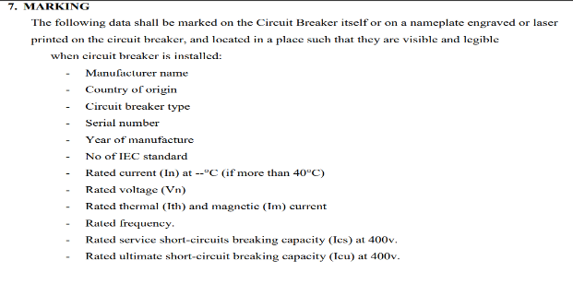 | اضافات اكتر في مواصفة 2025
Submittals | Guarantee tables + كتالوج أصلي + sample لكل item | guarantee tables + catalogues + I&M instructions + type test copy + خطاب اعتماد EEHC + sample optional حسب EDC + user manual عند التسليم | زيادة مستندات مطلوبة + شرط اعتماد EEHC في مواصفة 2025

