monthly income
 |  |  |  |  | Row Labels | No | Yes | Grand Total | turnover rate | salary | No | Yes | Grand Total | turnover rate | Row Labels | Count of EmployeeID
 |  |  |  | avg of ages for the two highest turn over emps | 10000-14999 | 48 | 9 | 57 | 0.15789473684 | 10000-19999 | 75 | 24 | 99 | 24% | 10090 | 3
Count of MonthlyIncome | Column Labels |  |  | #DIV/0! | 15000-19999 | 27 | 15 | 42 | 0.35714285714 | 20000-29999 | 903 | 183 | 1086 | 17% | 11290 | 3
Row Labels | No | Yes | Grand Total |  | 20000-24999 | 492 | 81 | 573 | 0.14136125654 | 30000-39999 | 381 | 60 | 441 | 14% | 14200 | 3
10000-14999 | 48 | 9 | 57 |  | 25000-29999 | 411 | 102 | 513 | 0.19883040936 | 40000-49999 | 513 | 108 | 621 | 17% | 15550 | 3
 | turnover rate
10000-14999 | 0.15789473684
15000-19999 | 0.35714285714
20000-24999 | 0.14136125654
25000-29999 | 0.19883040936
30000-34999 | 0.15584415584
35000-39999 | 0.11428571429
40000-44999 | 0.17757009346
45000-49999 | 0.17
50000-54999 | 0.13461538462
55000-59999 | 0.26229508197
60000-64999 | 0.16666666667
65000-69999 | 0.18032786885
70000-74999 | 0.16666666667
75000-79999 | 0.16666666667
80000-84999 | 0.19047619048
85000-89999 | 0.14814814815
90000-94999 | 0.066666666667
95000-99999 | 0.10810810811
100000-104999 | 0.18181818182
105000-109999 | 0.18181818182
110000-114999 | 0
115000-119999 | 0
120000-124999 | 0.2
125000-129999 | 0
130000-134999 | 0.05
135000-139999 | 0.17391304348
140000-144999 | 0.2
145000-149999 | 0
150000-154999 | 0
155000-159999 | 1
160000-164999 | 0.090909090909
165000-169999 | 0.16666666667
170000-174999 | 0.1875
175000-179999 | 0.16666666667
180000-184999 | 0
185000-189999 | 0.2
190000-194999 | 0.11538461538
195000-199999 | 0.125
15000-19999 | 27 | 15 | 42 |  | 30000-34999 | 195 | 36 | 231 | 0.15584415584 | 50000-59999 | 405 | 90 | 495 | 18% | 15690 | 3
20000-24999 | 492 | 81 | 573 |  | 35000-39999 | 186 | 24 | 210 | 0.11428571429 | 60000-69999 | 300 | 63 | 363 | 17% | 17060 | 3
turnover rate according to monthly income by 10 thousands
 | turnover rate
10000-19999 | 24%
20000-29999 | 17%
30000-39999 | 14%
40000-49999 | 17%
50000-59999 | 18%
60000-69999 | 17%
70000-79999 | 17%
80000-89999 | 17%
90000-99999 | 10%
100000-109999 | 18%
110000-119999 | 0%
120000-129999 | 10%
130000-139999 | 12%
140000-149999 | 11%
150000-159999 | 43%
160000-169999 | 14%
170000-179999 | 18%
180000-189999 | 11%
190000-199999 | 12%
25000-29999 | 411 | 102 | 513 |  | 40000-44999 | 264 | 57 | 321 | 0.17757009346 | 70000-79999 | 135 | 27 | 162 | 17% | 17900 | 3
30000-34999 | 195 | 36 | 231 |  | 45000-49999 | 249 | 51 | 300 | 0.17 | 80000-89999 | 120 | 24 | 144 | 17% | 19040 | 3
35000-39999 | 186 | 24 | 210 |  | 50000-54999 | 270 | 42 | 312 | 0.13461538462 | 90000-99999 | 141 | 15 | 156 | 10% | 20010 | 3
40000-44999 | 264 | 57 | 321 |  | 55000-59999 | 135 | 48 | 183 | 0.26229508197 | 100000-109999 | 162 | 36 | 198 | 18% | 20070 | 3
45000-49999 | 249 | 51 | 300 |  | 60000-64999 | 150 | 30 | 180 | 0.16666666667 | 110000-119999 | 60 |  | 60 | 0% | 20240 | 3
50000-54999 | 270 | 42 | 312 |  | 65000-69999 | 150 | 33 | 183 | 0.18032786885 | 120000-129999 | 27 | 3 | 30 | 10% | 20700 | 3
55000-59999 | 135 | 48 | 183 |  | 70000-74999 | 60 | 12 | 72 | 0.16666666667 | 130000-139999 | 114 | 15 | 129 | 12% | 20750 | 3
60000-64999 | 150 | 30 | 180 |  | 75000-79999 | 75 | 15 | 90 | 0.16666666667 | 140000-149999 | 24 | 3 | 27 | 11% | 20990 | 3
65000-69999 | 150 | 33 | 183 |  | 80000-84999 | 51 | 12 | 63 | 0.19047619048 | 150000-159999 | 12 | 9 | 21 | 43% | 21190 | 3
70000-74999 | 60 | 12 | 72 |  | 85000-89999 | 69 | 12 | 81 | 0.14814814815 | 160000-169999 | 75 | 12 | 87 | 14% | 21410 | 3
75000-79999 | 75 | 15 | 90 |  | 90000-94999 | 42 | 3 | 45 | 0.066666666667 | 170000-179999 | 69 | 15 | 84 | 18% | 21530 | 3
80000-84999 | 51 | 12 | 63 |  | 95000-99999 | 99 | 12 | 111 | 0.10810810811 | 180000-189999 | 51 | 6 | 57 | 11% | 21680 | 3
85000-89999 | 69 | 12 | 81 |  | 100000-104999 | 81 | 18 | 99 | 0.18181818182 | 190000-199999 | 132 | 18 | 150 | 12% | 21800 | 3
90000-94999 | 42 | 3 | 45 |  | 105000-109999 | 81 | 18 | 99 | 0.18181818182 |  |  |  |  |  | 22070 | 3
turnover rate over salaries
 | turnover rate
10000-19999 | 24%
20000-29999 | 17%
30000-39999 | 14%
40000-49999 | 17%
50000-59999 | 18%
60000-69999 | 17%
70000-79999 | 17%
80000-89999 | 17%
90000-99999 | 10%
100000-109999 | 18%
110000-119999 | 0%
120000-129999 | 10%
130000-139999 | 12%
140000-149999 | 11%
150000-159999 | 43%
160000-169999 | 14%
170000-179999 | 18%
180000-189999 | 11%
190000-199999 | 12%
95000-99999 | 99 | 12 | 111 |  | 110000-114999 | 18 |  | 18 | 0 |  |  |  |  |  | 22320 | 3
100000-104999 | 81 | 18 | 99 |  | 115000-119999 | 42 |  | 42 | 0 |  |  |  |  |  | 22440 | 3
105000-109999 | 81 | 18 | 99 |  | 120000-124999 | 12 | 3 | 15 | 0.2 |  |  |  |  |  | 22740 | 3
110000-114999 | 18 |  | 18 |  | 125000-129999 | 15 |  | 15 | 0 |  |  |  |  |  | 22850 | 3
115000-119999 | 42 |  | 42 |  | 130000-134999 | 57 | 3 | 60 | 0.05 |  |  |  |  |  | 22930 | 3
120000-124999 | 12 | 3 | 15 |  | 135000-139999 | 57 | 12 | 69 | 0.17391304348 |  |  |  |  |  | 23070 | 3
125000-129999 | 15 |  | 15 |  | 140000-144999 | 12 | 3 | 15 | 0.2 |  |  |  |  |  | 23210 | 3
130000-134999 | 57 | 3 | 60 |  | 145000-149999 | 12 |  | 12 | 0 |  |  |  |  |  | 23350 | 3
135000-139999 | 57 | 12 | 69 |  | 150000-154999 | 12 |  | 12 | 0 |  |  |  |  |  | 23420 | 3
140000-144999 | 12 | 3 | 15 |  | 155000-159999 |  | 9 | 9 | 1 |  |  |  |  |  | 24040 | 3
145000-149999 | 12 |  | 12 |  | 160000-164999 | 30 | 3 | 33 | 0.090909090909 |  |  |  |  |  | 24060 | 3
150000-154999 | 12 |  | 12 |  | 165000-169999 | 45 | 9 | 54 | 0.16666666667 |  |  |  |  |  | 24130 | 3
155000-159999 |  | 9 | 9 |  | 170000-174999 | 39 | 9 | 48 | 0.1875 |  |  |  |  |  | 24260 | 3
160000-164999 | 30 | 3 | 33 |  | 175000-179999 | 30 | 6 | 36 | 0.16666666667 |  |  |  |  |  | 24680 | 3
165000-169999 | 45 | 9 | 54 |  | 180000-184999 | 27 |  | 27 | 0 |  |  |  |  |  | 24790 | 3
170000-174999 | 39 | 9 | 48 |  | 185000-189999 | 24 | 6 | 30 | 0.2 |  |  |  |  |  | 25010 | 3
175000-179999 | 30 | 6 | 36 |  | 190000-194999 | 69 | 9 | 78 | 0.11538461538 |  |  |  |  |  | 25150 | 3
180000-184999 | 27 |  | 27 |  | 195000-199999 | 63 | 9 | 72 | 0.125 |  |  |  |  |  | 25320 | 3
185000-189999 | 24 | 6 | 30 |  |  |  |  |  |  |  |  |  |  |  | 25590 | 6
190000-194999 | 69 | 9 | 78 |  |  |  |  |  |  |  |  |  |  |  | 25610 | 3
195000-199999 | 63 | 9 | 72 |  |  |  |  |  |  |  |  |  |  |  | 25720 | 3
Grand Total | 3699 | 711 | 4410 |  |  |  |  |  |  |  |  |  |  |  | 25790 | 3
 |  |  |  |  |  |  |  |  |  |  |  |  |  |  | 25930 | 3
 |  |  |  |  |  |  |  |  |  |  |  |  |  |  | 26130 | 3
 |  |  |  |  |  |  |  |  |  |  |  |  |  |  | 26540 | 3
 |  |  |  |  |  |  |  |  |  |  |  |  |  |  | 26570 | 3
 |  |  |  |  |  |  |  |  |  |  |  |  |  |  | 26600 | 3
 |  |  |  |  |  |  |  |  |  |  |  |  |  |  | 26940 | 3
 |  |  |  |  |  |  |  |  |  |  |  |  |  |  | 27070 | 3
 |  |  |  |  |  |  |  |  |  |  |  |  |  |  | 27230 | 3
 |  |  |  |  |  |  |  |  |  |  |  |  |  |  | 27410 | 6
 |  |  |  |  |  |  |  |  |  |  |  |  |  |  | 27430 | 6
 |  |  |  |  |  |  |  |  |  |  |  |  |  |  | 27740 | 3
 |  |  |  |  |  |  |  |  |  |  |  |  |  |  | 27910 | 3
 |  |  |  |  |  |  |  |  |  |  |  |  |  |  | 28100 | 3
 |  |  |  |  |  |  |  |  |  |  |  |  |  |  | 28360 | 3
 |  |  |  |  |  |  |  |  |  |  |  |  |  |  | 28440 | 3
 |  |  |  |  |  |  |  |  |  |  |  |  |  |  | 28530 | 3
 |  |  |  |  |  |  |  |  |  |  |  |  |  |  | 28620 | 3
 |  |  |  |  |  |  |  |  |  |  |  |  |  |  | 28710 | 3
 |  |  |  |  |  |  |  |  |  |  |  |  |  |  | 28750 | 3
 |  |  |  |  |  |  |  |  |  |  |  |  |  |  | 28860 | 6
 |  |  |  |  |  |  |  |  |  |  |  |  |  |  | 29040 | 3
 |  |  |  |  |  |  |  |  |  |  |  |  |  |  | 29760 | 3
 |  |  |  |  |  |  |  |  |  |  |  |  |  |  | 29960 | 3
 |  |  |  |  |  |  |  |  |  |  |  |  |  |  | 30570 | 3
 |  |  |  |  |  |  |  |  |  |  |  |  |  |  | 30720 | 3
 |  |  |  |  |  |  |  |  |  |  |  |  |  |  | 32040 | 3
 |  |  |  |  |  |  |  |  |  |  |  |  |  |  | 32120 | 3
 |  |  |  |  |  |  |  |  |  |  |  |  |  |  | 32980 | 3
 |  |  |  |  |  |  |  |  |  |  |  |  |  |  | 33120 | 3
 |  |  |  |  |  |  |  |  |  |  |  |  |  |  | 33760 | 3
 |  |  |  |  |  |  |  |  |  |  |  |  |  |  | 34230 | 3
 |  |  |  |  |  |  |  |  |  |  |  |  |  |  | 34410 | 3
 |  |  |  |  |  |  |  |  |  |  |  |  |  |  | 34640 | 3
 |  |  |  |  |  |  |  |  |  |  |  |  |  |  | 34680 | 3
 |  |  |  |  |  |  |  |  |  |  |  |  |  |  | 34770 | 3
 |  |  |  |  |  |  |  |  |  |  |  |  |  |  | 35790 | 3
 |  |  |  |  |  |  |  |  |  |  |  |  |  |  | 36330 | 3
 |  |  |  |  |  |  |  |  |  |  |  |  |  |  | 36730 | 3
 |  |  |  |  |  |  |  |  |  |  |  |  |  |  | 36900 | 3
 |  |  |  |  |  |  |  |  |  |  |  |  |  |  | 36910 | 3
 |  |  |  |  |  |  |  |  |  |  |  |  |  |  | 36920 | 3
 |  |  |  |  |  |  |  |  |  |  |  |  |  |  | 37850 | 3
 |  |  |  |  |  |  |  |  |  |  |  |  |  |  | 39190 | 3
 |  |  |  |  |  |  |  |  |  |  |  |  |  |  | 40000 | 3
 |  |  |  |  |  |  |  |  |  |  |  |  |  |  | 40010 | 3
 |  |  |  |  |  |  |  |  |  |  |  |  |  |  | 40660 | 3
 |  |  |  |  |  |  |  |  |  |  |  |  |  |  | 40780 | 3
 |  |  |  |  |  |  |  |  |  |  |  |  |  |  | 41480 | 3
 |  |  |  |  |  |  |  |  |  |  |  |  |  |  | 41870 | 3
 |  |  |  |  |  |  |  |  |  |  |  |  |  |  | 41890 | 3
 |  |  |  |  |  |  |  |  |  |  |  |  |  |  | 41970 | 3
 |  |  |  |  |  |  |  |  |  |  |  |  |  |  | 42840 | 3
 |  |  |  |  |  |  |  |  |  |  |  |  |  |  | 43020 | 3
 |  |  |  |  |  |  |  |  |  |  |  |  |  |  | 43060 | 3
 |  |  |  |  |  |  |  |  |  |  |  |  |  |  | 43170 | 3
 |  |  |  |  |  |  |  |  |  |  |  |  |  |  | 43190 | 3
 |  |  |  |  |  |  |  |  |  |  |  |  |  |  | 43810 | 3
 |  |  |  |  |  |  |  |  |  |  |  |  |  |  | 43850 | 3
 |  |  |  |  |  |  |  |  |  |  |  |  |  |  | 44220 | 3
 |  |  |  |  |  |  |  |  |  |  |  |  |  |  | 44240 | 3
 |  |  |  |  |  |  |  |  |  |  |  |  |  |  | 44340 | 3
 |  |  |  |  |  |  |  |  |  |  |  |  |  |  | 44850 | 3
 |  |  |  |  |  |  |  |  |  |  |  |  |  |  | 45220 | 3
 |  |  |  |  |  |  |  |  |  |  |  |  |  |  | 45580 | 3
 |  |  |  |  |  |  |  |  |  |  |  |  |  |  | 45590 | 3
 |  |  |  |  |  |  |  |  |  |  |  |  |  |  | 45910 | 3
 |  |  |  |  |  |  |  |  |  |  |  |  |  |  | 46800 | 3
 |  |  |  |  |  |  |  |  |  |  |  |  |  |  | 47680 | 3
 |  |  |  |  |  |  |  |  |  |  |  |  |  |  | 47740 | 3
 |  |  |  |  |  |  |  |  |  |  |  |  |  |  | 47750 | 3
 |  |  |  |  |  |  |  |  |  |  |  |  |  |  | 48210 | 3
 |  |  |  |  |  |  |  |  |  |  |  |  |  |  | 49000 | 3
 |  |  |  |  |  |  |  |  |  |  |  |  |  |  | 49080 | 3
 |  |  |  |  |  |  |  |  |  |  |  |  |  |  | 49360 | 3
 |  |  |  |  |  |  |  |  |  |  |  |  |  |  | 49500 | 3
 |  |  |  |  |  |  |  |  |  |  |  |  |  |  | 49600 | 3
 |  |  |  |  |  |  |  |  |  |  |  |  |  |  | 49680 | 3
 |  |  |  |  |  |  |  |  |  |  |  |  |  |  | 49690 | 3
 |  |  |  |  |  |  |  |  |  |  |  |  |  |  | 49780 | 3
 |  |  |  |  |  |  |  |  |  |  |  |  |  |  | 50100 | 3
 |  |  |  |  |  |  |  |  |  |  |  |  |  |  | 51470 | 3
 |  |  |  |  |  |  |  |  |  |  |  |  |  |  | 52200 | 3
 |  |  |  |  |  |  |  |  |  |  |  |  |  |  | 52380 | 3
 |  |  |  |  |  |  |  |  |  |  |  |  |  |  | 53040 | 3
 |  |  |  |  |  |  |  |  |  |  |  |  |  |  | 53320 | 3
 |  |  |  |  |  |  |  |  |  |  |  |  |  |  | 53370 | 3
 |  |  |  |  |  |  |  |  |  |  |  |  |  |  | 53470 | 3
 |  |  |  |  |  |  |  |  |  |  |  |  |  |  | 53730 | 3
 |  |  |  |  |  |  |  |  |  |  |  |  |  |  | 53960 | 3
 |  |  |  |  |  |  |  |  |  |  |  |  |  |  | 54720 | 3
 |  |  |  |  |  |  |  |  |  |  |  |  |  |  | 54820 | 3
 |  |  |  |  |  |  |  |  |  |  |  |  |  |  | 54840 | 3
 |  |  |  |  |  |  |  |  |  |  |  |  |  |  | 54860 | 3
 |  |  |  |  |  |  |  |  |  |  |  |  |  |  | 55610 | 3
 |  |  |  |  |  |  |  |  |  |  |  |  |  |  | 55620 | 6
 |  |  |  |  |  |  |  |  |  |  |  |  |  |  | 56170 | 3
 |  |  |  |  |  |  |  |  |  |  |  |  |  |  | 56470 | 3
 |  |  |  |  |  |  |  |  |  |  |  |  |  |  | 56600 | 3
 |  |  |  |  |  |  |  |  |  |  |  |  |  |  | 56730 | 3
 |  |  |  |  |  |  |  |  |  |  |  |  |  |  | 56890 | 3
 |  |  |  |  |  |  |  |  |  |  |  |  |  |  | 57620 | 3
 |  |  |  |  |  |  |  |  |  |  |  |  |  |  | 57750 | 3
 |  |  |  |  |  |  |  |  |  |  |  |  |  |  | 58130 | 3
 |  |  |  |  |  |  |  |  |  |  |  |  |  |  | 59160 | 3
 |  |  |  |  |  |  |  |  |  |  |  |  |  |  | 59570 | 3
 |  |  |  |  |  |  |  |  |  |  |  |  |  |  | 59800 | 3
 |  |  |  |  |  |  |  |  |  |  |  |  |  |  | 59850 | 3
 |  |  |  |  |  |  |  |  |  |  |  |  |  |  | 59930 | 3
 |  |  |  |  |  |  |  |  |  |  |  |  |  |  | 61180 | 3
 |  |  |  |  |  |  |  |  |  |  |  |  |  |  | 61620 | 3
 |  |  |  |  |  |  |  |  |  |  |  |  |  |  | 61790 | 3
 |  |  |  |  |  |  |  |  |  |  |  |  |  |  | 61800 | 3
 |  |  |  |  |  |  |  |  |  |  |  |  |  |  | 62140 | 3
 |  |  |  |  |  |  |  |  |  |  |  |  |  |  | 62720 | 3
 |  |  |  |  |  |  |  |  |  |  |  |  |  |  | 62880 | 3
 |  |  |  |  |  |  |  |  |  |  |  |  |  |  | 63220 | 3
 |  |  |  |  |  |  |  |  |  |  |  |  |  |  | 63470 | 3
 |  |  |  |  |  |  |  |  |  |  |  |  |  |  | 63970 | 3
 |  |  |  |  |  |  |  |  |  |  |  |  |  |  | 65000 | 3
 |  |  |  |  |  |  |  |  |  |  |  |  |  |  | 65450 | 3
 |  |  |  |  |  |  |  |  |  |  |  |  |  |  | 65780 | 3
 |  |  |  |  |  |  |  |  |  |  |  |  |  |  | 66520 | 3
 |  |  |  |  |  |  |  |  |  |  |  |  |  |  | 66960 | 3
 |  |  |  |  |  |  |  |  |  |  |  |  |  |  | 67280 | 3
 |  |  |  |  |  |  |  |  |  |  |  |  |  |  | 67550 | 3
 |  |  |  |  |  |  |  |  |  |  |  |  |  |  | 67960 | 3
 |  |  |  |  |  |  |  |  |  |  |  |  |  |  | 68110 | 3
 |  |  |  |  |  |  |  |  |  |  |  |  |  |  | 68250 | 3
 |  |  |  |  |  |  |  |  |  |  |  |  |  |  | 68540 | 3
 |  |  |  |  |  |  |  |  |  |  |  |  |  |  | 70940 | 3
 |  |  |  |  |  |  |  |  |  |  |  |  |  |  | 71040 | 3
 |  |  |  |  |  |  |  |  |  |  |  |  |  |  | 71400 | 3
 |  |  |  |  |  |  |  |  |  |  |  |  |  |  | 74280 | 3
 |  |  |  |  |  |  |  |  |  |  |  |  |  |  | 75100 | 3
 |  |  |  |  |  |  |  |  |  |  |  |  |  |  | 75250 | 3
 |  |  |  |  |  |  |  |  |  |  |  |  |  |  | 76440 | 3
 |  |  |  |  |  |  |  |  |  |  |  |  |  |  | 76540 | 3
 |  |  |  |  |  |  |  |  |  |  |  |  |  |  | 76550 | 3
 |  |  |  |  |  |  |  |  |  |  |  |  |  |  | 80950 | 3
 |  |  |  |  |  |  |  |  |  |  |  |  |  |  | 82370 | 3
 |  |  |  |  |  |  |  |  |  |  |  |  |  |  | 82680 | 3
 |  |  |  |  |  |  |  |  |  |  |  |  |  |  | 84630 | 3
 |  |  |  |  |  |  |  |  |  |  |  |  |  |  | 86280 | 3
 |  |  |  |  |  |  |  |  |  |  |  |  |  |  | 86390 | 3
 |  |  |  |  |  |  |  |  |  |  |  |  |  |  | 88230 | 3
 |  |  |  |  |  |  |  |  |  |  |  |  |  |  | 89980 | 3
 |  |  |  |  |  |  |  |  |  |  |  |  |  |  | 93960 | 3
 |  |  |  |  |  |  |  |  |  |  |  |  |  |  | 96020 | 3
 |  |  |  |  |  |  |  |  |  |  |  |  |  |  | 97140 | 3
 |  |  |  |  |  |  |  |  |  |  |  |  |  |  | 98240 | 3
 |  |  |  |  |  |  |  |  |  |  |  |  |  |  | 99240 | 3
 |  |  |  |  |  |  |  |  |  |  |  |  |  |  | 100960 | 3
 |  |  |  |  |  |  |  |  |  |  |  |  |  |  | 102090 | 3
 |  |  |  |  |  |  |  |  |  |  |  |  |  |  | 102310 | 3
 |  |  |  |  |  |  |  |  |  |  |  |  |  |  | 103330 | 3
 |  |  |  |  |  |  |  |  |  |  |  |  |  |  | 104000 | 3
 |  |  |  |  |  |  |  |  |  |  |  |  |  |  | 104220 | 3
 |  |  |  |  |  |  |  |  |  |  |  |  |  |  | 106500 | 3
 |  |  |  |  |  |  |  |  |  |  |  |  |  |  | 107480 | 3
 |  |  |  |  |  |  |  |  |  |  |  |  |  |  | 108830 | 3
 |  |  |  |  |  |  |  |  |  |  |  |  |  |  | 109320 | 3
 |  |  |  |  |  |  |  |  |  |  |  |  |  |  | 109340 | 3
 |  |  |  |  |  |  |  |  |  |  |  |  |  |  | 109650 | 3
 |  |  |  |  |  |  |  |  |  |  |  |  |  |  | 124900 | 3
 |  |  |  |  |  |  |  |  |  |  |  |  |  |  | 134990 | 3
 |  |  |  |  |  |  |  |  |  |  |  |  |  |  | 135250 | 3
 |  |  |  |  |  |  |  |  |  |  |  |  |  |  | 137440 | 3
 |  |  |  |  |  |  |  |  |  |  |  |  |  |  | 137580 | 3
 |  |  |  |  |  |  |  |  |  |  |  |  |  |  | 137700 | 3
 |  |  |  |  |  |  |  |  |  |  |  |  |  |  | 144110 | 3
 |  |  |  |  |  |  |  |  |  |  |  |  |  |  | 157870 | 3
 |  |  |  |  |  |  |  |  |  |  |  |  |  |  | 159720 | 3
 |  |  |  |  |  |  |  |  |  |  |  |  |  |  | 159920 | 3
 |  |  |  |  |  |  |  |  |  |  |  |  |  |  | 160640 | 3
 |  |  |  |  |  |  |  |  |  |  |  |  |  |  | 165980 | 3
 |  |  |  |  |  |  |  |  |  |  |  |  |  |  | 167990 | 3
 |  |  |  |  |  |  |  |  |  |  |  |  |  |  | 168850 | 3
 |  |  |  |  |  |  |  |  |  |  |  |  |  |  | 171230 | 3
 |  |  |  |  |  |  |  |  |  |  |  |  |  |  | 173280 | 3
 |  |  |  |  |  |  |  |  |  |  |  |  |  |  | 173990 | 3
 |  |  |  |  |  |  |  |  |  |  |  |  |  |  | 178750 | 3
 |  |  |  |  |  |  |  |  |  |  |  |  |  |  | 179240 | 3
 |  |  |  |  |  |  |  |  |  |  |  |  |  |  | 187890 | 3
 |  |  |  |  |  |  |  |  |  |  |  |  |  |  | 189470 | 3
 |  |  |  |  |  |  |  |  |  |  |  |  |  |  | 191440 | 3
 |  |  |  |  |  |  |  |  |  |  |  |  |  |  | 191900 | 3
 |  |  |  |  |  |  |  |  |  |  |  |  |  |  | 192720 | 3
 |  |  |  |  |  |  |  |  |  |  |  |  |  |  | 195660 | 3
 |  |  |  |  |  |  |  |  |  |  |  |  |  |  | 196270 | 3
 |  |  |  |  |  |  |  |  |  |  |  |  |  |  | 198590 | 3
 |  |  |  |  |  |  |  |  |  |  |  |  |  |  | Grand Total | 711

number of companies
 |  |  |  | 0 | 69 | 586 | 0.11774744027
 |  |  |  | 1 | 293 | 1558 | 0.18806161746
Count of EmployeeID | Column Labels |  |  | 2 | 48 | 438 | 0.1095890411
Row Labels | No | Yes | Grand Total | 3 | 48 | 474 | 0.10126582278
0 | 517 | 69 | 586 | 4 | 50 | 415 | 0.12048192771
1 | 1265 | 293 | 1558 | 5 | 46 | 187 | 0.24598930481
2 | 390 | 48 | 438 | 6 | 48 | 208 | 0.23076923077
3 | 426 | 48 | 474 | 7 | 51 | 222 | 0.22972972973
4 | 365 | 50 | 415 | 8 | 18 | 147 | 0.12244897959
5 | 141 | 46 | 187 | 9 | 36 | 156 | 0.23076923077
6 | 160 | 48 | 208
7 | 171 | 51 | 222
8 | 129 | 18 | 147
9 | 120 | 36 | 156
NA | 15 | 4 | 19
Grand Total | 3699 | 711 | 4410

trunover rate according to # of work in companies
0 | 0.11774744027
1 | 0.18806161746
2 | 0.1095890411
3 | 0.10126582278
4 | 0.12048192771
5 | 0.24598930481
6 | 0.23076923077
7 | 0.22972972973
8 | 0.12244897959
9 | 0.23076923077

PercentSalaryHike
 |  |  |  | Row Labels | No | Yes | Grand Total
 |  |  |  | 11 | 540 | 90 | 630 | 14%
Count of EmployeeID | Column Labels |  |  | 12 | 504 | 90 | 594 | 15%
Row Labels | No | Yes | Grand Total | 13 | 525 | 102 | 627 | 16%
11 | 540 | 90 | 630 | 14 | 516 | 87 | 603 | 14%
12 | 504 | 90 | 594 | 15 | 240 | 63 | 303 | 21%
13 | 525 | 102 | 627 | 16 | 204 | 30 | 234 | 13%
14 | 516 | 87 | 603 | 17 | 201 | 45 | 246 | 18%
15 | 240 | 63 | 303 | 18 | 228 | 39 | 267 | 15%
turnover rate per salary hike
11 | 14%
12 | 15%
13 | 16%
14 | 14%
15 | 21%
16 | 13%
17 | 18%
18 | 15%
19 | 18%
20 | 16%
21 | 19%
22 | 18%
23 | 18%
24 | 14%
25 | 28%
16 | 204 | 30 | 234 | 19 | 186 | 42 | 228 | 18%
11 | 14%
12 | 15%
13 | 16%
14 | 14%
15 | 21%
16 | 13%
17 | 18%
18 | 15%
19 | 18%
20 | 16%
21 | 19%
22 | 18%
23 | 18%
24 | 14%
25 | 28%
17 | 201 | 45 | 246 | 20 | 138 | 27 | 165 | 16%
18 | 228 | 39 | 267 | 21 | 117 | 27 | 144 | 19%
19 | 186 | 42 | 228 | 22 | 138 | 30 | 168 | 18%
20 | 138 | 27 | 165 | 23 | 69 | 15 | 84 | 18%
21 | 117 | 27 | 144 | 24 | 54 | 9 | 63 | 14%
22 | 138 | 30 | 168 | 25 | 39 | 15 | 54 | 28%
23 | 69 | 15 | 84
24 | 54 | 9 | 63
25 | 39 | 15 | 54
Grand Total | 3699 | 711 | 4410

tot working years
turnover rate over working years
0 | 45%
1 | 49%
2 | 29%
3 | 21%
4 | 19%
5 | 18%
6 | 18%
7 | 22%
8 | 15%
9 | 10%
10 | 12%
11 | 20%
12 | 10%
13 | 8%
14 | 13%
15 | 13%
16 | 8%
17 | 9%
18 | 15%
19 | 14%
20 | 7%
21 | 3%
22 | 10%
23 | 9%
24 | 17%
25 | 7%
26 | 7%
27 | 0%
28 | 7%
29 | 0%
30 | 0%
31 | 11%
32 | 0%
33 | 14%
34 | 20%
35 | 0%
36 | 0%
37 | 0%
38 | 0%
40 | 100%
Count of EmployeeID | Column Labels |  |  | Row Labels | No | Yes | Grand Total
Row Labels | No | Yes | Grand Total | 0 | 18 | 15 | 33 | 45%
0 | 18 | 15 | 33 | 1 | 123 | 119 | 242 | 49%
1 | 123 | 119 | 242 | 2 | 66 | 27 | 93 | 29%
2 | 66 | 27 | 93 | 3 | 99 | 27 | 126 | 21%
3 | 99 | 27 | 126 | 4 | 153 | 36 | 189 | 19%
4 | 153 | 36 | 189 | 5 | 216 | 48 | 264 | 18%
5 | 216 | 48 | 264 | 6 | 309 | 66 | 375 | 18%
6 | 309 | 66 | 375 | 7 | 189 | 54 | 243 | 22%
7 | 189 | 54 | 243 | 8 | 260 | 47 | 307 | 15%
8 | 260 | 47 | 307 | 9 | 257 | 30 | 287 | 10%
9 | 257 | 30 | 287 | 10 | 530 | 75 | 605 | 12%
10 | 530 | 75 | 605 | 11 | 85 | 21 | 106 | 20%
11 | 85 | 21 | 106 | 12 | 129 | 15 | 144 | 10%
12 | 129 | 15 | 144 | 13 | 99 | 9 | 108 | 8%
13 | 99 | 9 | 108 | 14 | 81 | 12 | 93 | 13%
14 | 81 | 12 | 93 | 15 | 105 | 15 | 120 | 13%
15 | 105 | 15 | 120 | 16 | 102 | 9 | 111 | 8%
16 | 102 | 9 | 111 | 17 | 90 | 9 | 99 | 9%
17 | 90 | 9 | 99 | 18 | 69 | 12 | 81 | 15%
18 | 69 | 12 | 81 | 19 | 57 | 9 | 66 | 14%
19 | 57 | 9 | 66 | 20 | 83 | 6 | 89 | 7%
20 | 83 | 6 | 89 | 21 | 99 | 3 | 102 | 3%
21 | 99 | 3 | 102 | 22 | 56 | 6 | 62 | 10%
22 | 56 | 6 | 62 | 23 | 60 | 6 | 66 | 9%
23 | 60 | 6 | 66 | 24 | 45 | 9 | 54 | 17%
24 | 45 | 9 | 54 | 25 | 39 | 3 | 42 | 7%
25 | 39 | 3 | 42 | 26 | 39 | 3 | 42 | 7%
26 | 39 | 3 | 42 | 27 | 21 |  | 21 | 0%
27 | 21 |  | 21 | 28 | 39 | 3 | 42 | 7%
28 | 39 | 3 | 42 | 29 | 30 |  | 30 | 0%
29 | 30 |  | 30 | 30 | 21 |  | 21 | 0%
30 | 21 |  | 21 | 31 | 24 | 3 | 27 | 11%
31 | 24 | 3 | 27 | 32 | 27 |  | 27 | 0%
32 | 27 |  | 27 | 33 | 18 | 3 | 21 | 14%
33 | 18 | 3 | 21 | 34 | 12 | 3 | 15 | 20%
34 | 12 | 3 | 15 | 35 | 9 |  | 9 | 0%
35 | 9 |  | 9 | 36 | 18 |  | 18 | 0%
36 | 18 |  | 18 | 37 | 12 |  | 12 | 0%
37 | 12 |  | 12 | 38 | 3 |  | 3 | 0%
38 | 3 |  | 3 | 40 |  | 6 | 6 | 100%
40 |  | 6 | 6
NA | 7 | 2 | 9
Grand Total | 3699 | 711 | 4410

surveys
satisfaction of the outlier turnover salaries
 | 1 | 2 | 3 | 4
10000-19999 | 0.25 | 0.125 | 0 | 0.625
150000-159999 | 0 | 0 | 0.33333333333 | 0.66666666667
 |  |  |  |  |  |  |  |  |  |  |  |  |  |  |  | avg age for those emp
 |  |  |  |  |  |  |  |  |  |  |  |  |  |  |  | 37.8
Count of EmployeeID | Column Labels
 | No |  |  |  | No Total | Yes |  | Yes Total | Grand Total
Row Labels | 1 | 2 | 3 | 4 |  | 3 | 4 |  |  |  | 1 | 2 | 3 | 4
110000-119999 | 18 | 15 | 15 | 12 | 60 |  |  |  | 60 | 10000-19999 | 0.25 | 0.125 | 0 | 0.625
150000-159999 | 6 | 3 | 3 |  | 12 | 3 | 6 | 9 | 21 | 150000-159999 | 0 | 0 | 0.33333333333 | 0.66666666667
Grand Total | 24 | 18 | 18 | 12 | 72 | 3 | 6 | 9 | 81
 |  |  |  |  |  |  |  |  |  | Row Labels | 1 | 2 | 3 | 4 | NA | Grand Total
turnover rate for outlier salaries and jobsatisfaction
 | No - 1 | No - 2 | No - 3 | No - 4 | Yes - 3 | Yes - 4
110000-119999 | 18 | 15 | 15 | 12
150000-159999 | 6 | 3 | 3 |  | 3 | 6
 |  |  |  |  |  |  |  |  |  | Yes | 0.2770745429 | 0.194092827 | 0.30801687764 | 0.2194092827 | 0.0014064697609 | 711

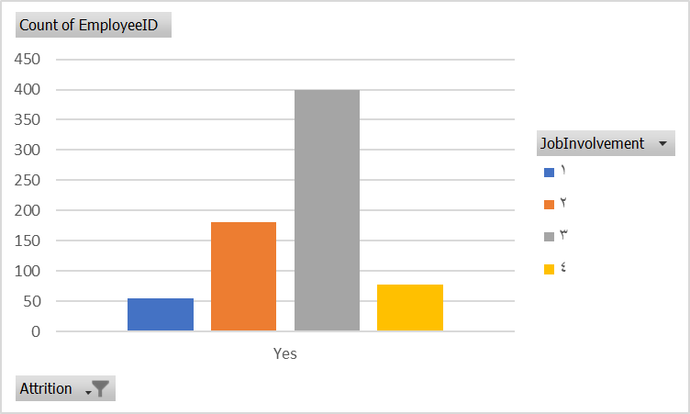
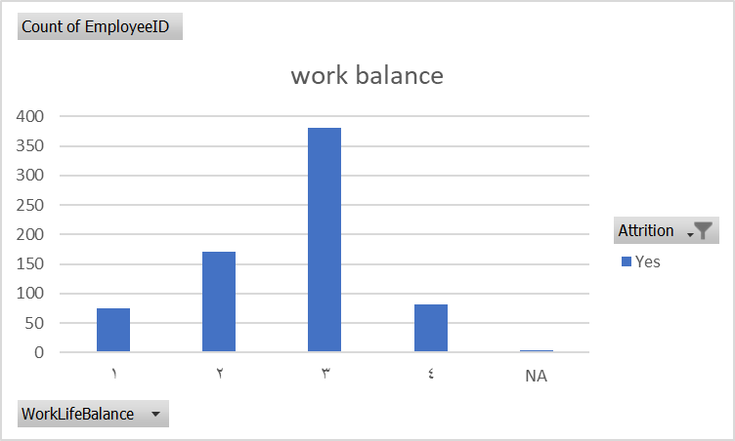
 |  |  |  |  |  |  |  |  |  | 1 | 2 | 3 | 4 | NA | Grand Total
 |  |  |  |  |  |  |  |  |  | 213 | 128 | 186 | 179 | 5 | 711
 |  |  |  |  |  |  |  |  |  | 0.29957805907 | 0.1800281294 | 0.26160337553 | 0.2517580872 | 0.0070323488045

turnover job satisfaction dist

turnover env satisfaction dist

all sharts
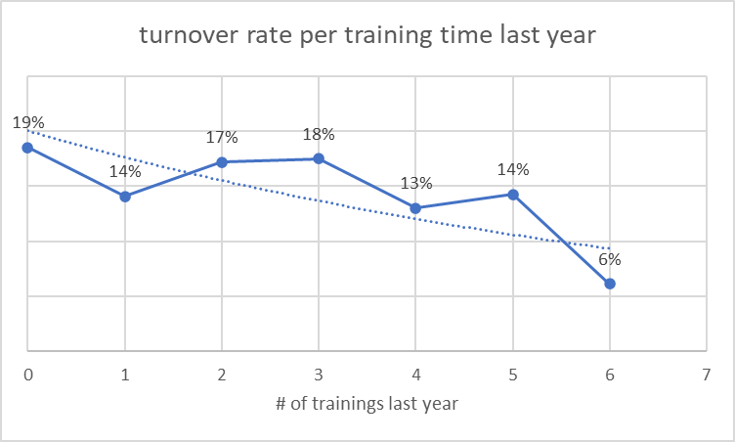
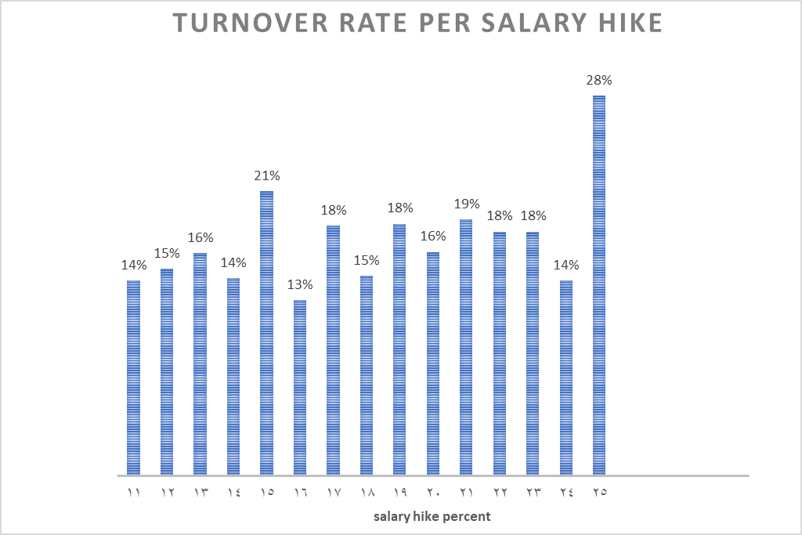

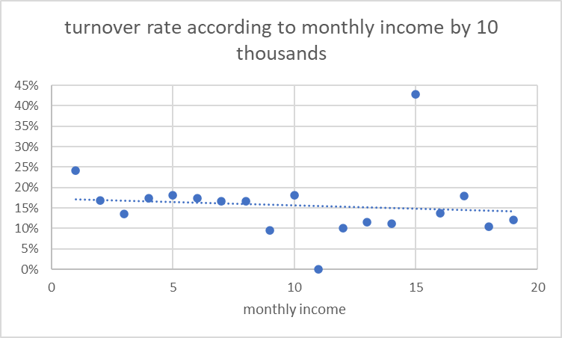

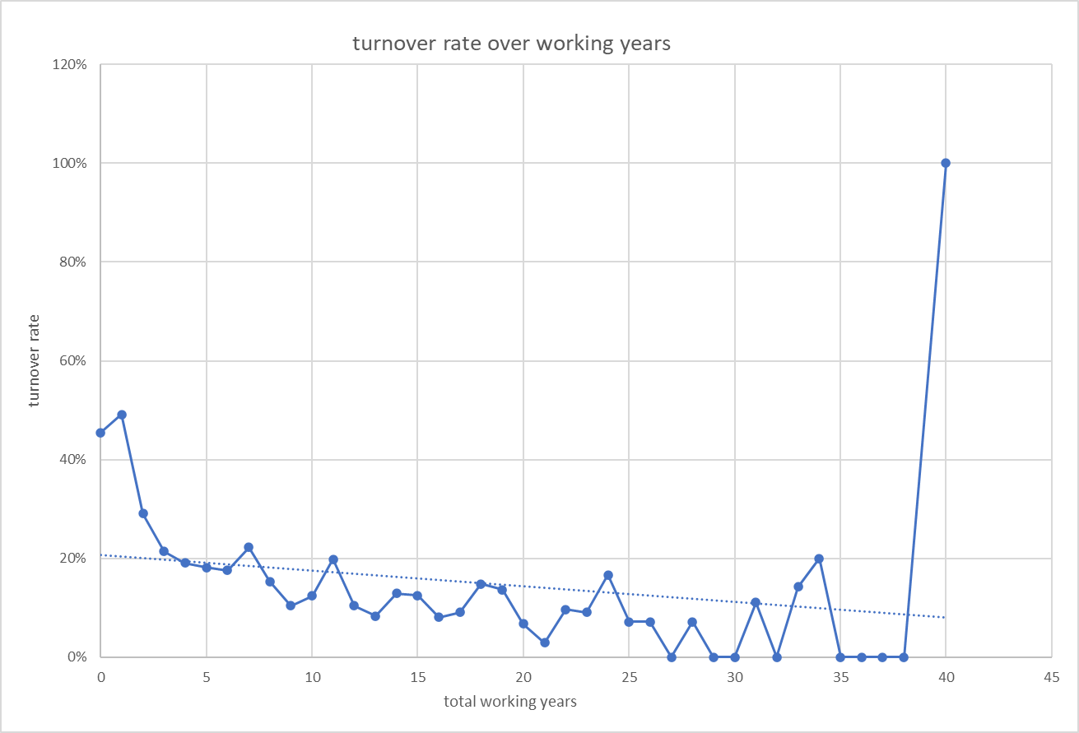

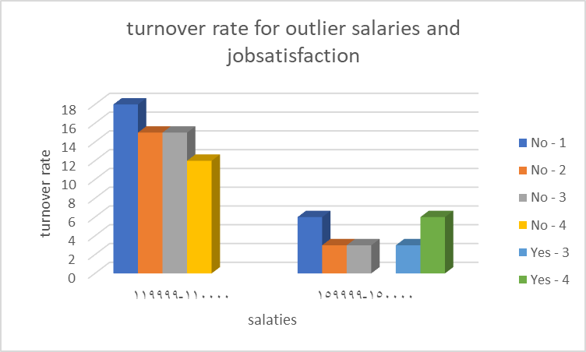
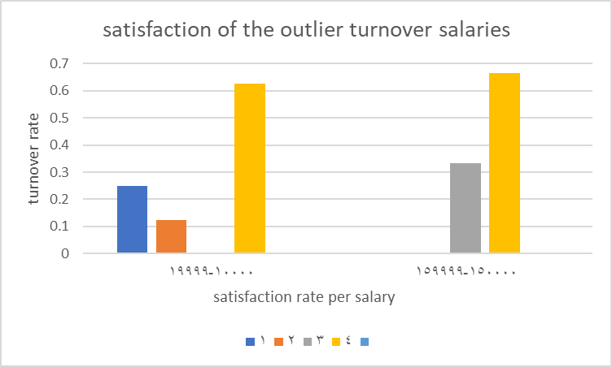

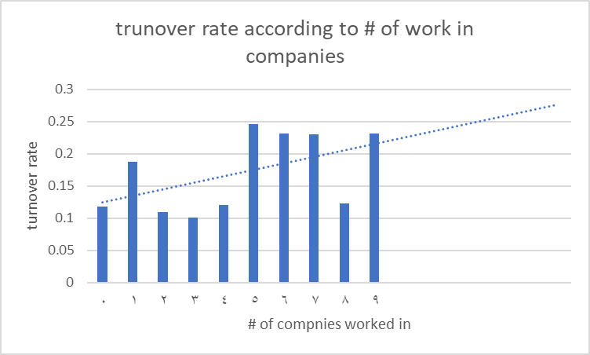

surveys sharts
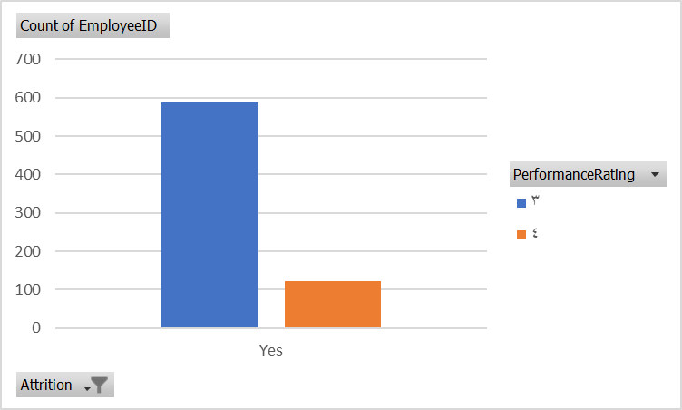
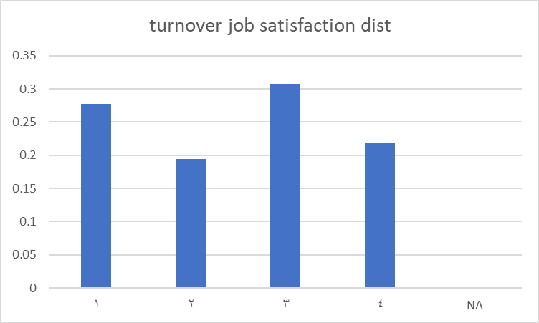
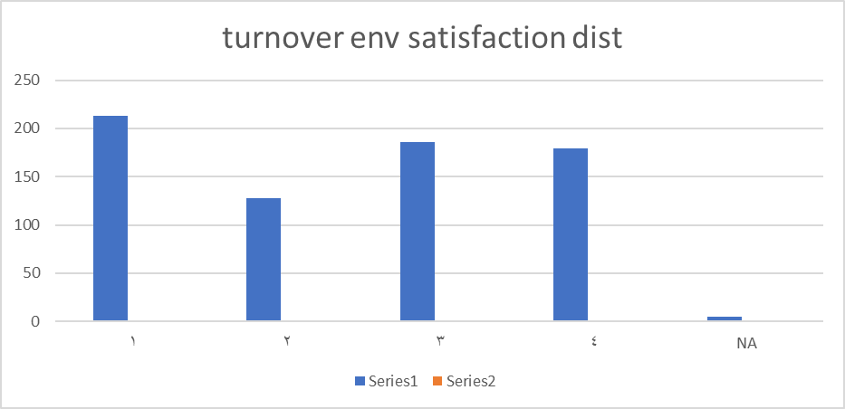


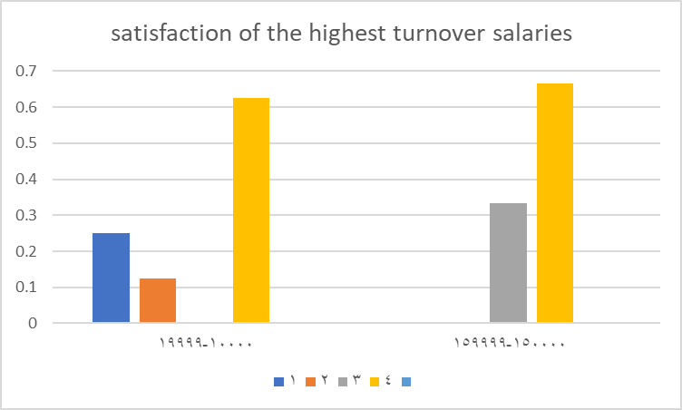


training time
Count of EmployeeID | Column Labels |  |  | training times | No | Yes | Grand Total | turnover rate
Row Labels | No | Yes | Grand Total | 0 | 132 | 30 | 162 | 19%
0 | 132 | 30 | 162 | 1 | 183 | 30 | 213 | 14%
1 | 183 | 30 | 213 | 2 | 1359 | 282 | 1641 | 17%
2 | 1359 | 282 | 1641 | 3 | 1215 | 258 | 1473 | 18%
3 | 1215 | 258 | 1473 | 4 | 321 | 48 | 369 | 13%
4 | 321 | 48 | 369 | 5 | 306 | 51 | 357 | 14%
5 | 306 | 51 | 357 | 6 | 183 | 12 | 195 | 6%
6 | 183 | 12 | 195
Grand Total | 3699 | 711 | 4410
 | turnover rate
0 | 19%
1 | 14%
2 | 17%
3 | 18%
4 | 13%
5 | 14%
6 | 6%

turnover rate per training time last year
 | turnover rate
0 | 19%
1 | 14%
2 | 17%
3 | 18%
4 | 13%
5 | 14%
6 | 6%

