CIFAR_v3_S1_full_Images
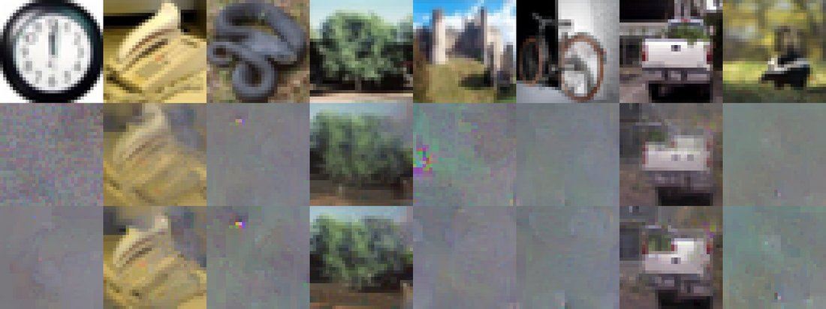
Each grid: row 1 = actual batch, row 2 = consensus reconstruction, row 3 = best-seed reconstruction

S1 no teacher (CE only) - client c00 - run c00
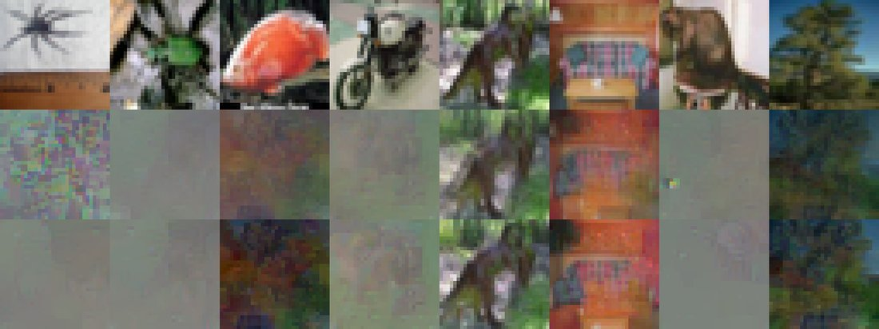

S1 no teacher (CE only) - client c01 - run c01
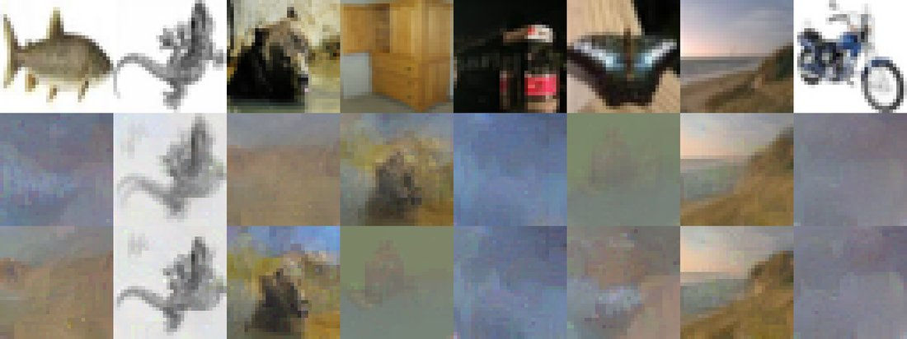

S1 no teacher (CE only) - client c02 - run c02
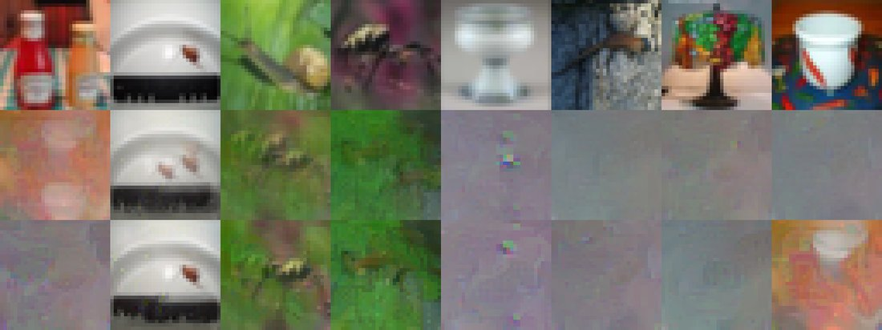

S1 no teacher (CE only) - client c03 - run c03

CIFAR_v3_S2_full_Images
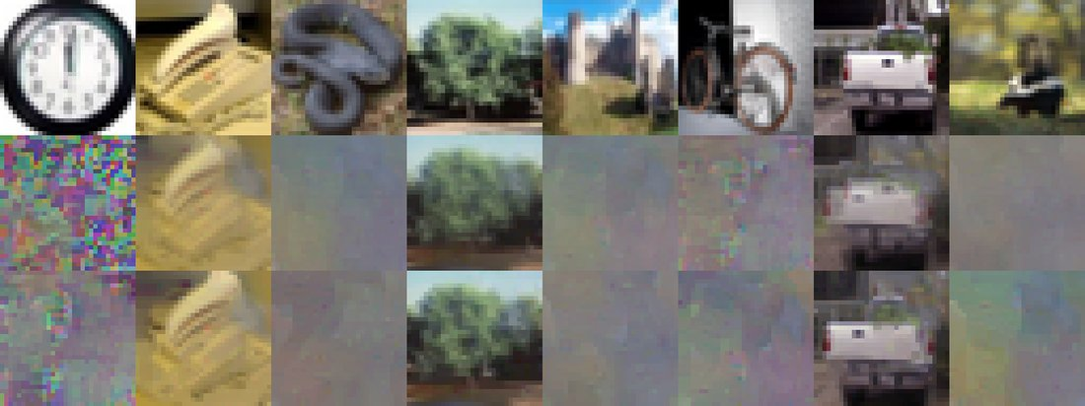
Each grid: row 1 = actual batch, row 2 = consensus reconstruction, row 3 = best-seed reconstruction

S2 DINOv2 ViT-B/14 surrogate - client c00 - run c00
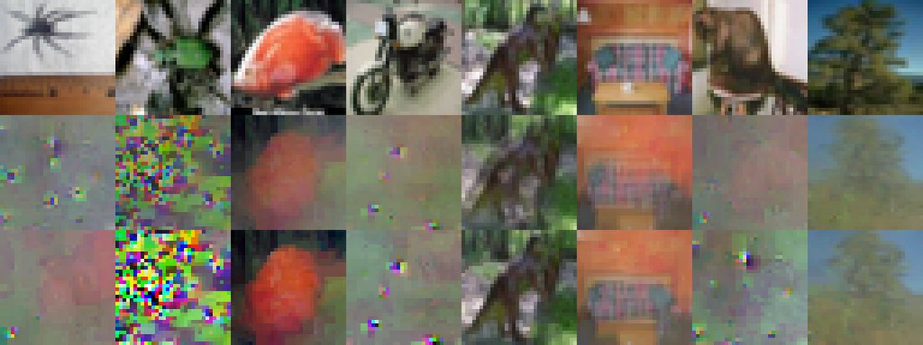

S2 DINOv2 ViT-B/14 surrogate - client c01 - run c01
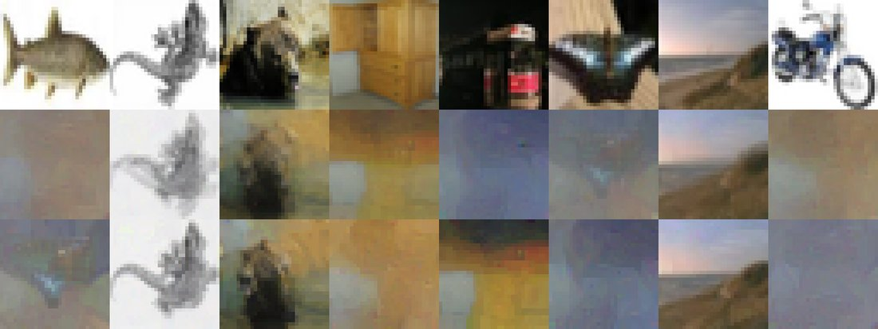

S2 DINOv2 ViT-B/14 surrogate - client c02 - run c02
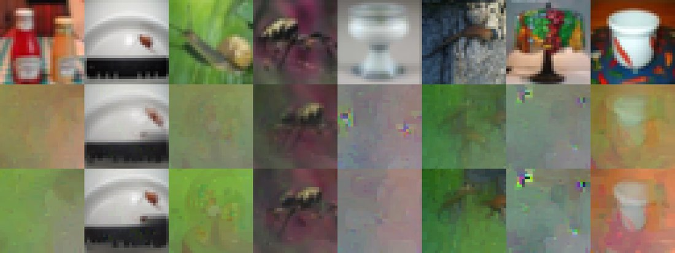

S2 DINOv2 ViT-B/14 surrogate - client c03 - run c03

S1_full_Images
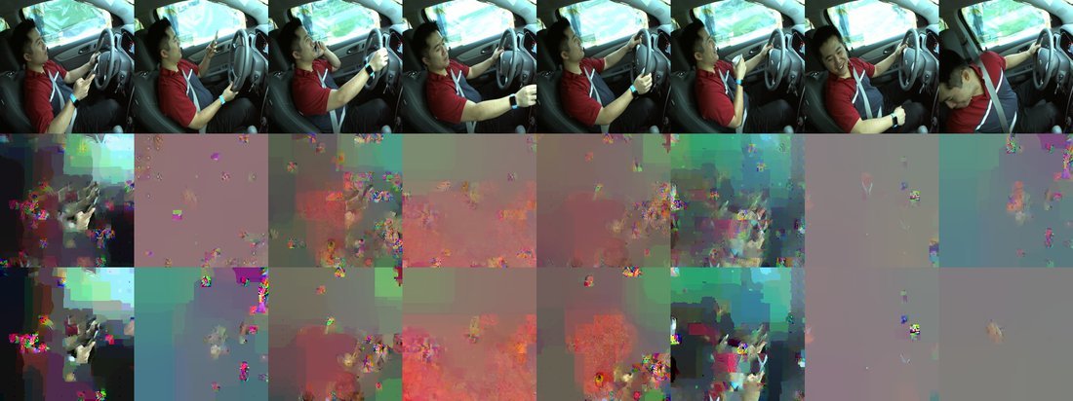
Each grid: row 1 = actual batch, row 2 = consensus reconstruction, row 3 = best-seed reconstruction

S1 no teacher (CE only) - client p002 - run p002
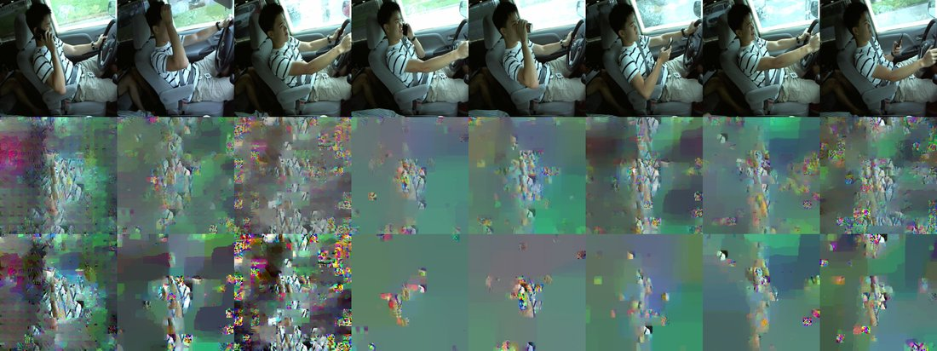

S1 no teacher (CE only) - client p012 - run p012
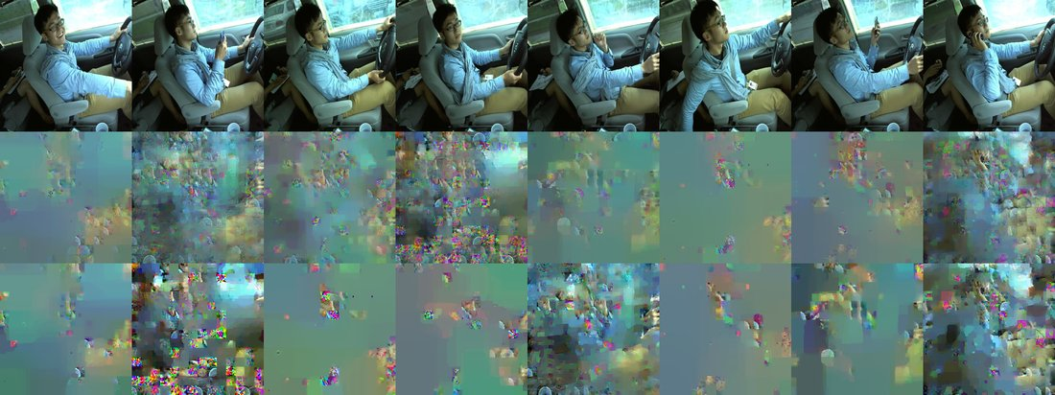

S1 no teacher (CE only) - client p014 - run p014
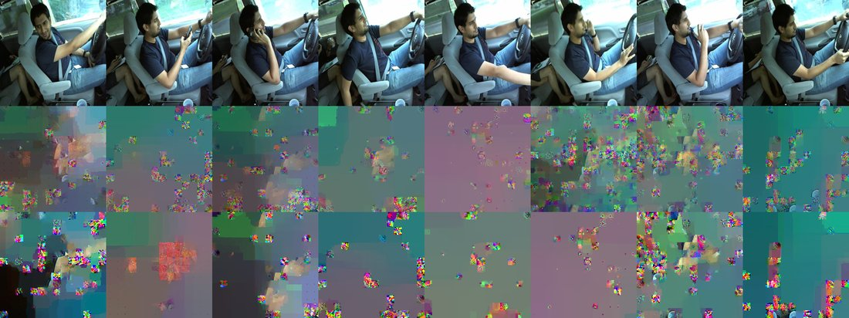

S1 no teacher (CE only) - client p015 - run p015
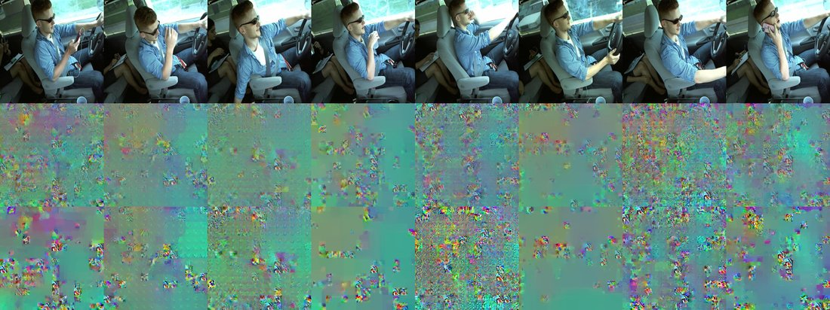

S1 no teacher (CE only) - client p021 - run p021
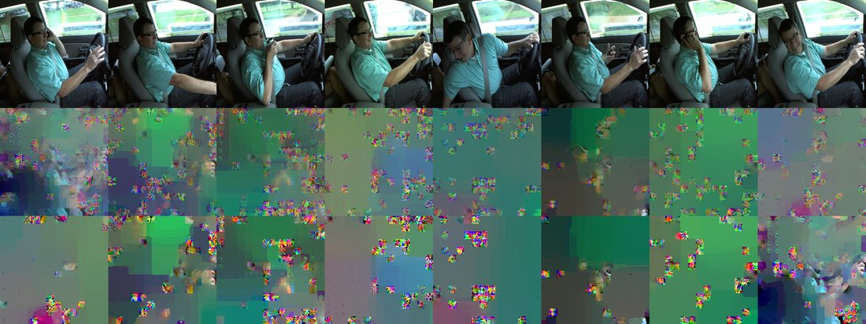

S1 no teacher (CE only) - client p035 - run p035

S2_full_Images
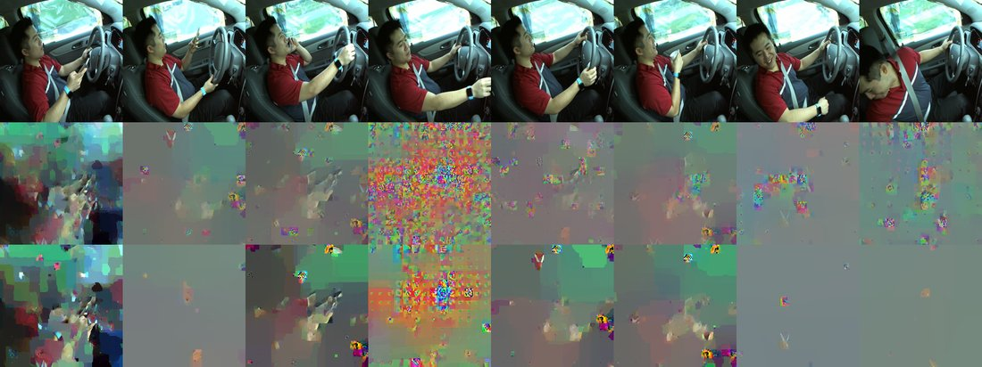
Each grid: row 1 = actual batch, row 2 = consensus reconstruction, row 3 = best-seed reconstruction

S2 DINOv2 ViT-B/14 surrogate - client p002 - run p002
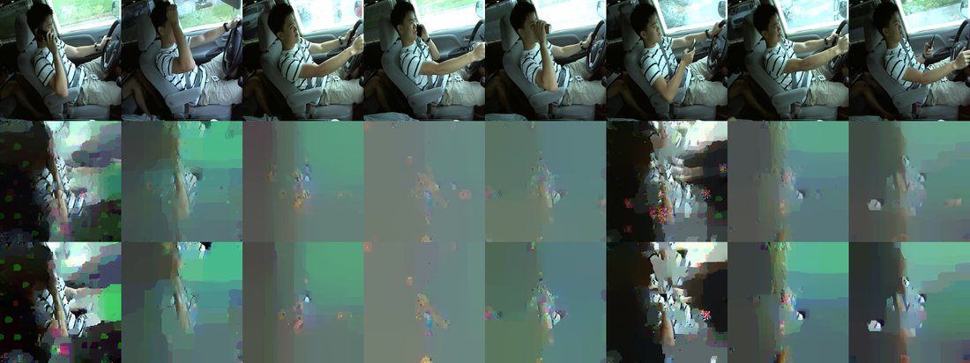

S2 DINOv2 ViT-B/14 surrogate - client p012 - run p012
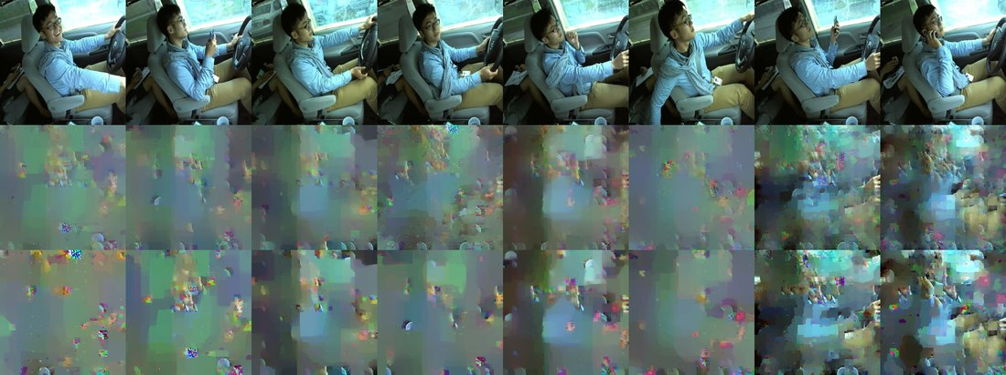

S2 DINOv2 ViT-B/14 surrogate - client p014 - run p014
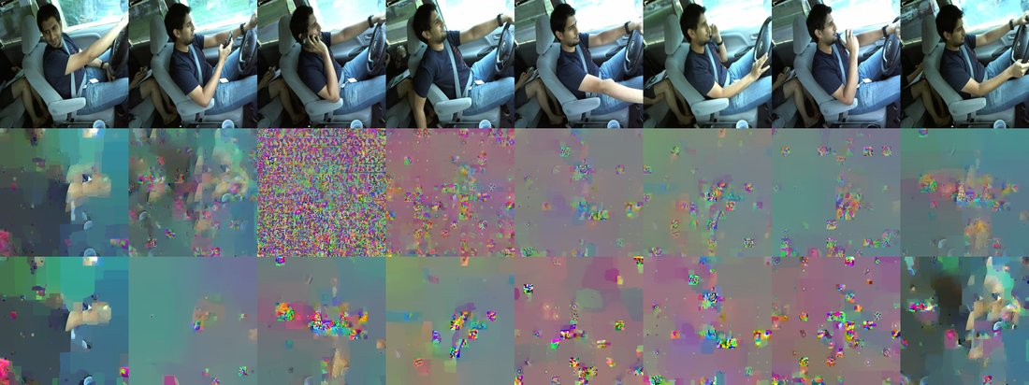

S2 DINOv2 ViT-B/14 surrogate - client p015 - run p015
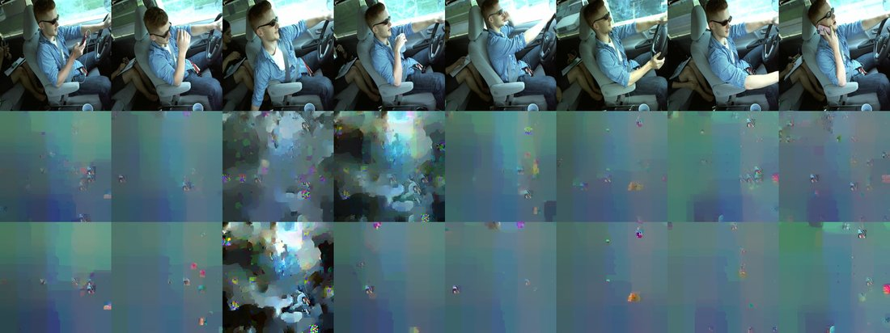

S2 DINOv2 ViT-B/14 surrogate - client p021 - run p021
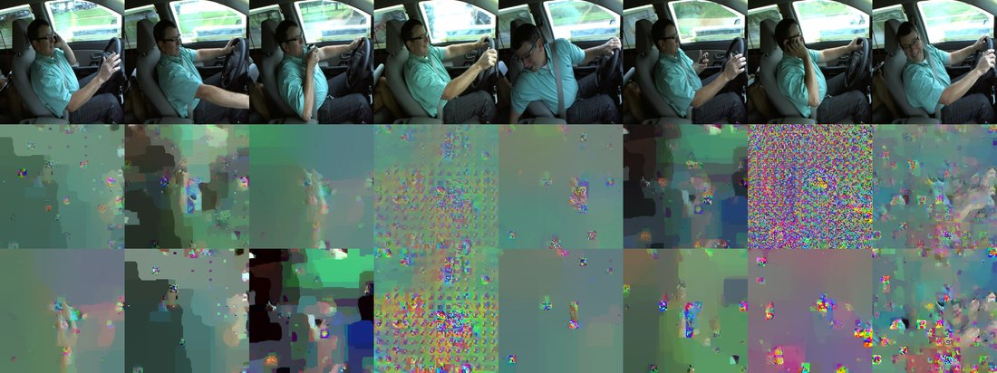

S2 DINOv2 ViT-B/14 surrogate - client p035 - run p035

CIFAR_v3_S1_full_Plots
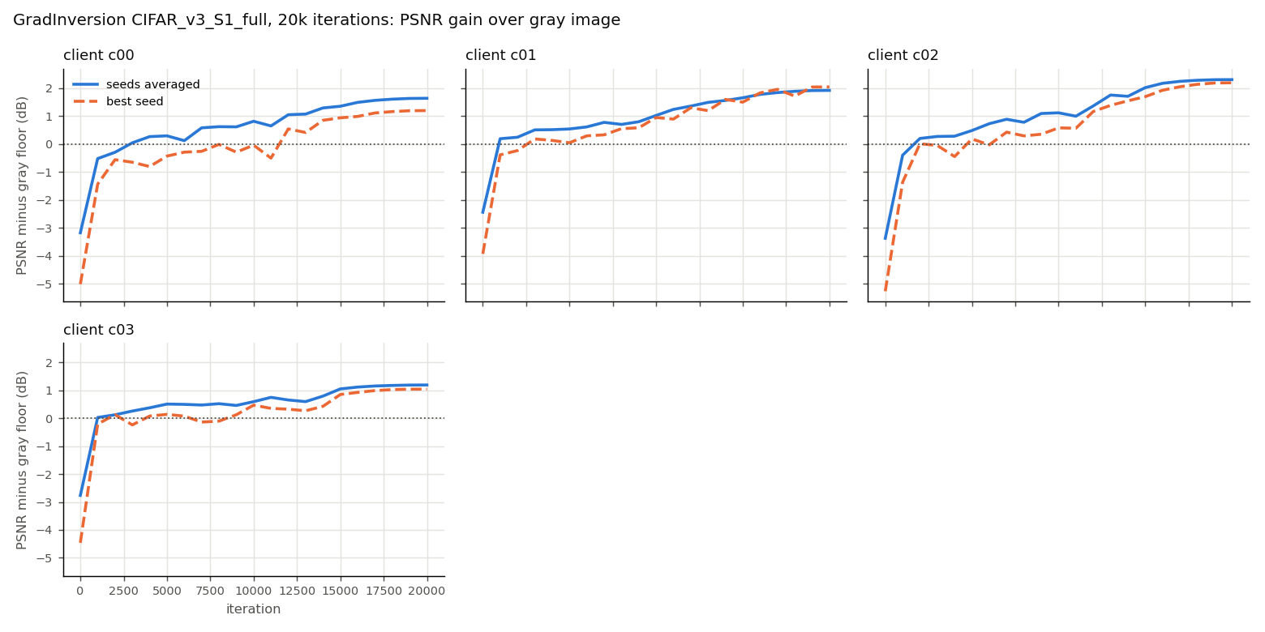
psnr_gain_all_clients.png
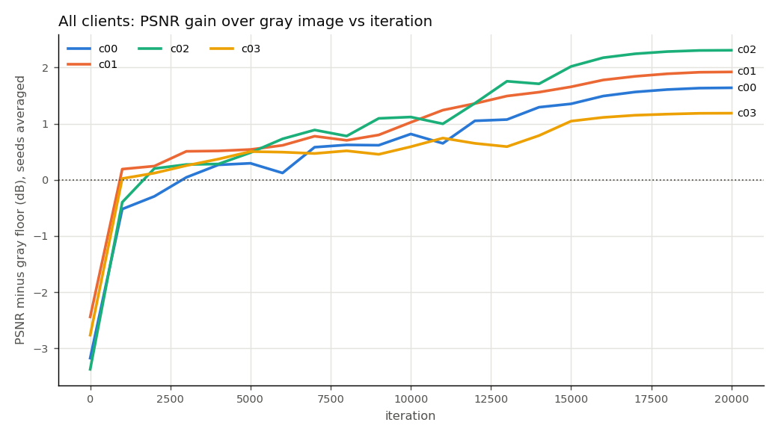

psnr_gain_vs_iteration.png

CIFAR_v3_S2_full_Plots
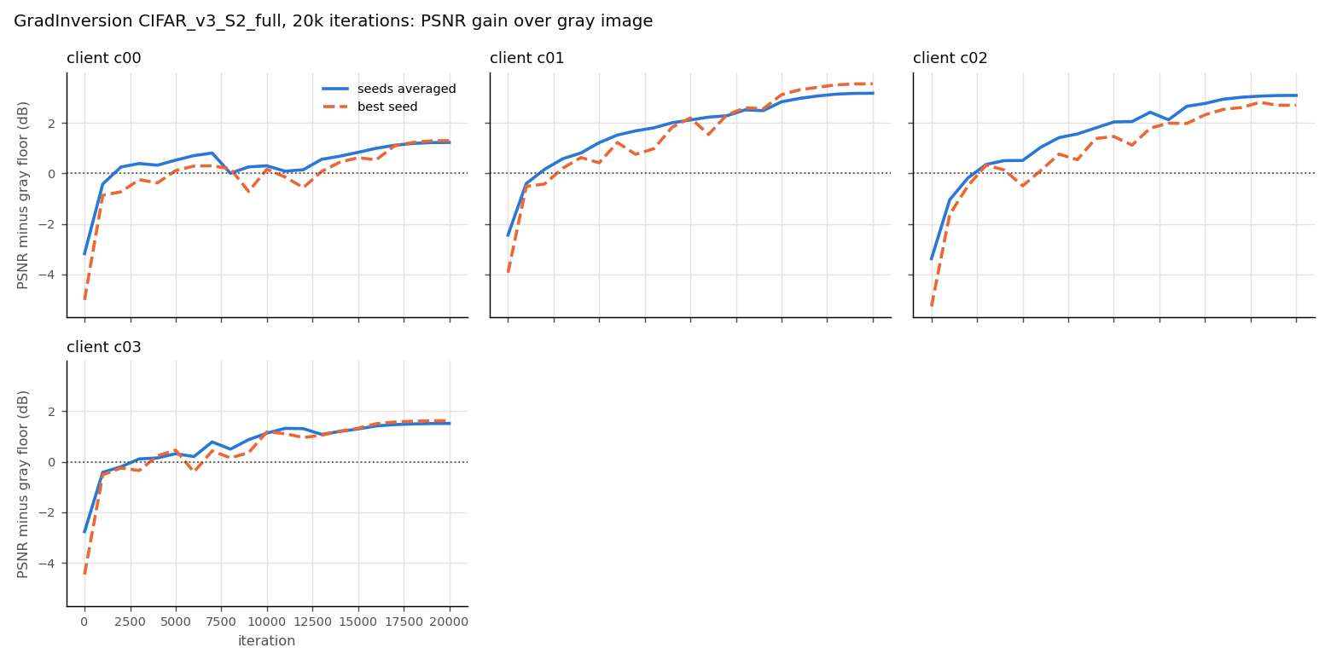
psnr_gain_all_clients.png
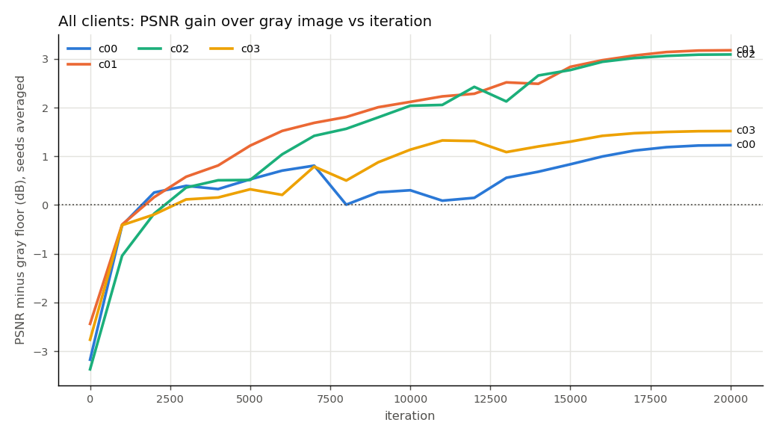

psnr_gain_vs_iteration.png

S1_full_Plots
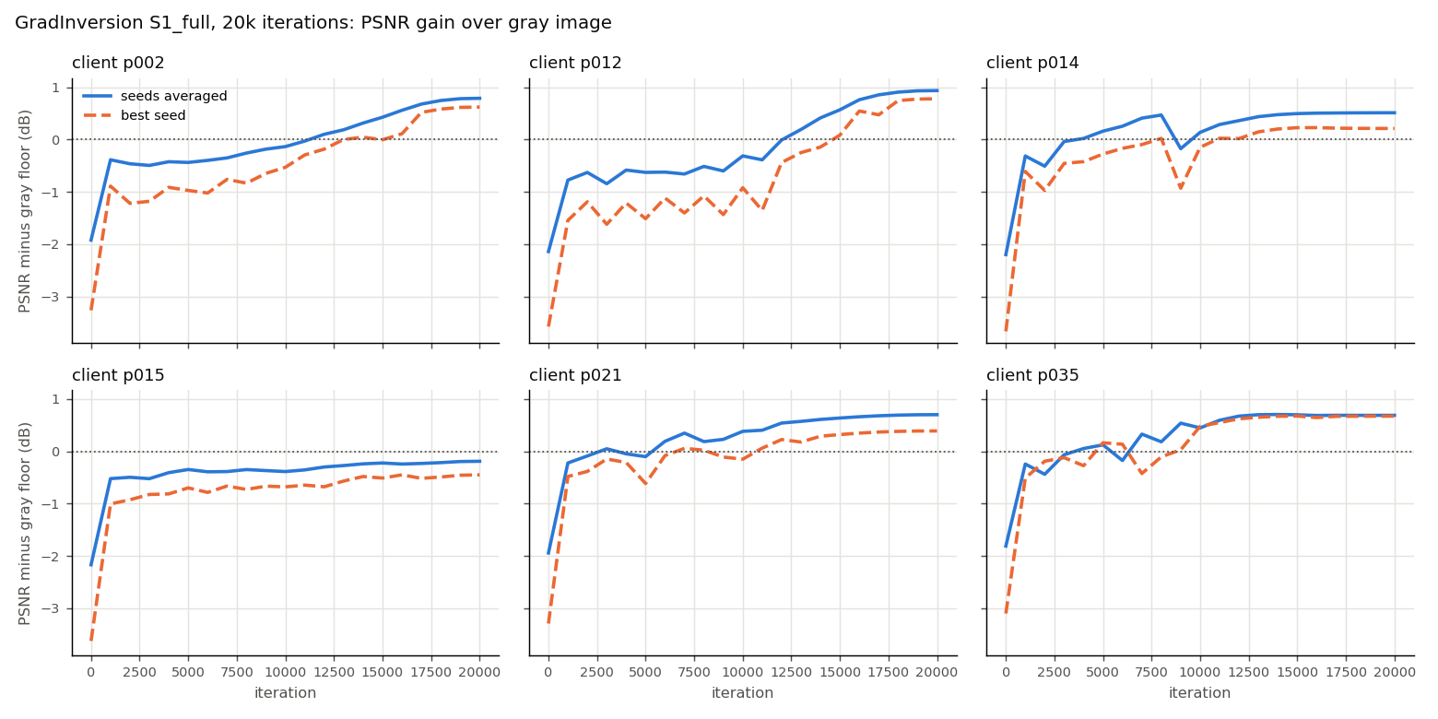
psnr_gain_all_clients.png
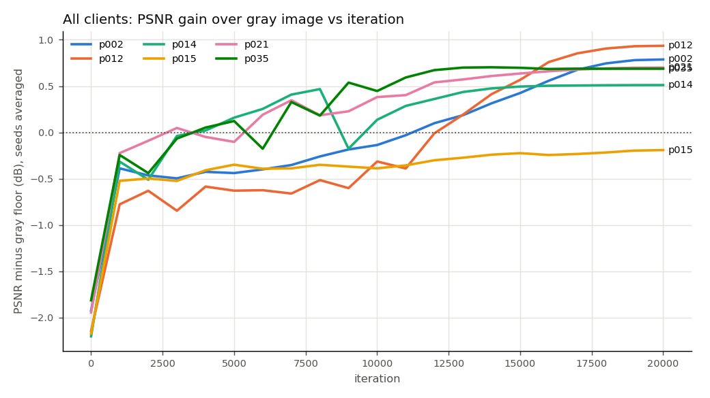

psnr_gain_vs_iteration.png

S2_full_Plots
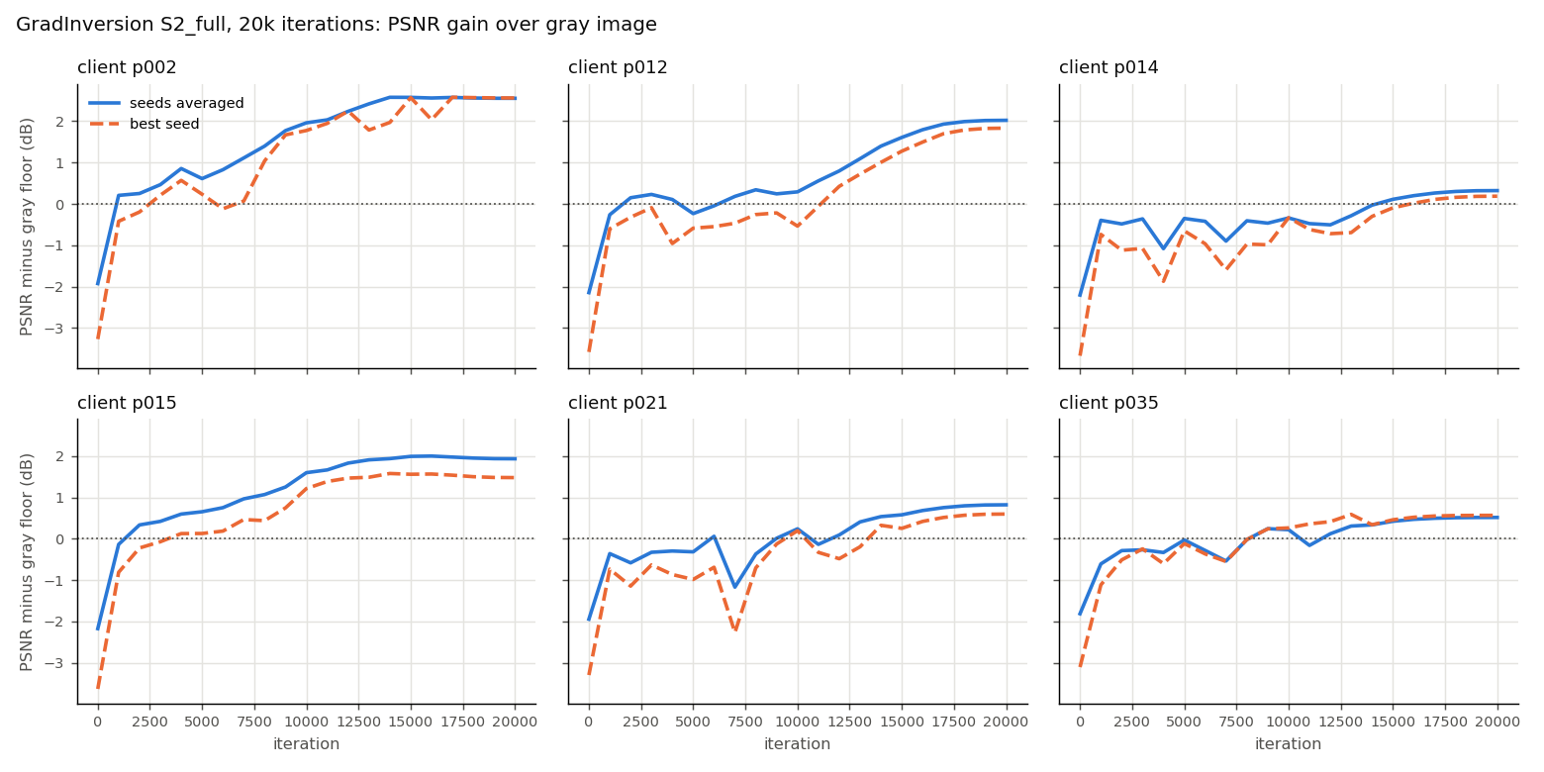
psnr_gain_all_clients.png
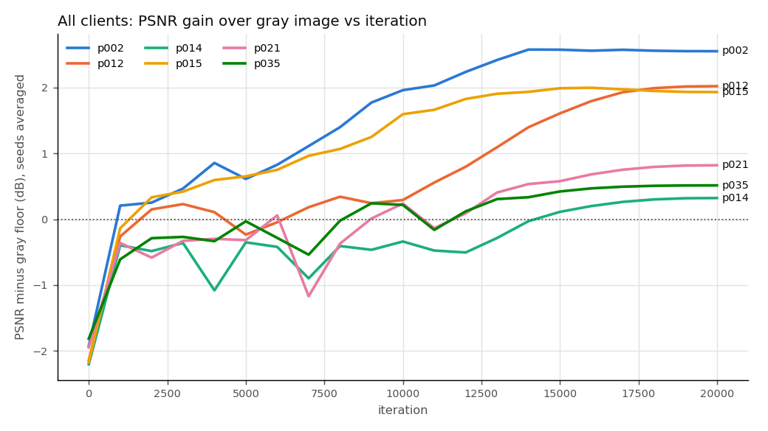

psnr_gain_vs_iteration.png

