Sheet2
Category | Label | Value | Value | Value
Bug ID | ID number | #007 | #008 | #009
 | Name | Product image | Product Name | Product description
 | Reporter | Mohamed Esmael | Mohamed Esmael | Mohamed Esmael
 | Submit Date | 2026-03-08 | 2026-03-08 | 2026-03-08
Bug overview | Summary | Incorrect product image is displayed | Incorrect product name is displayed | Incorrect product description is displayed
 | URL | https://www.saucedemo.com/ | https://www.saucedemo.com/ | https://www.saucedemo.com/
 | Screenshot | 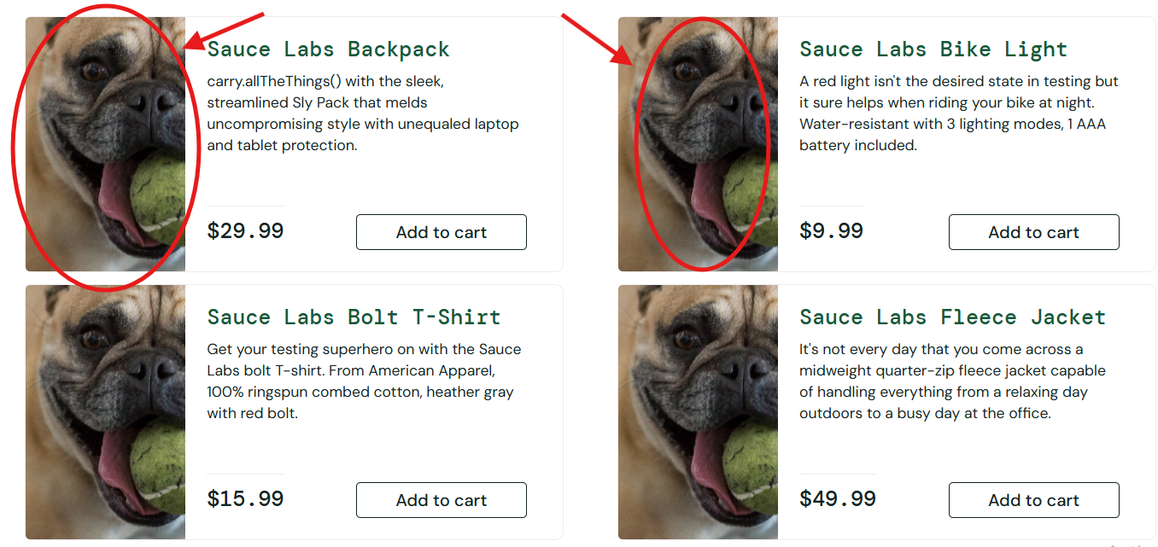 |  | 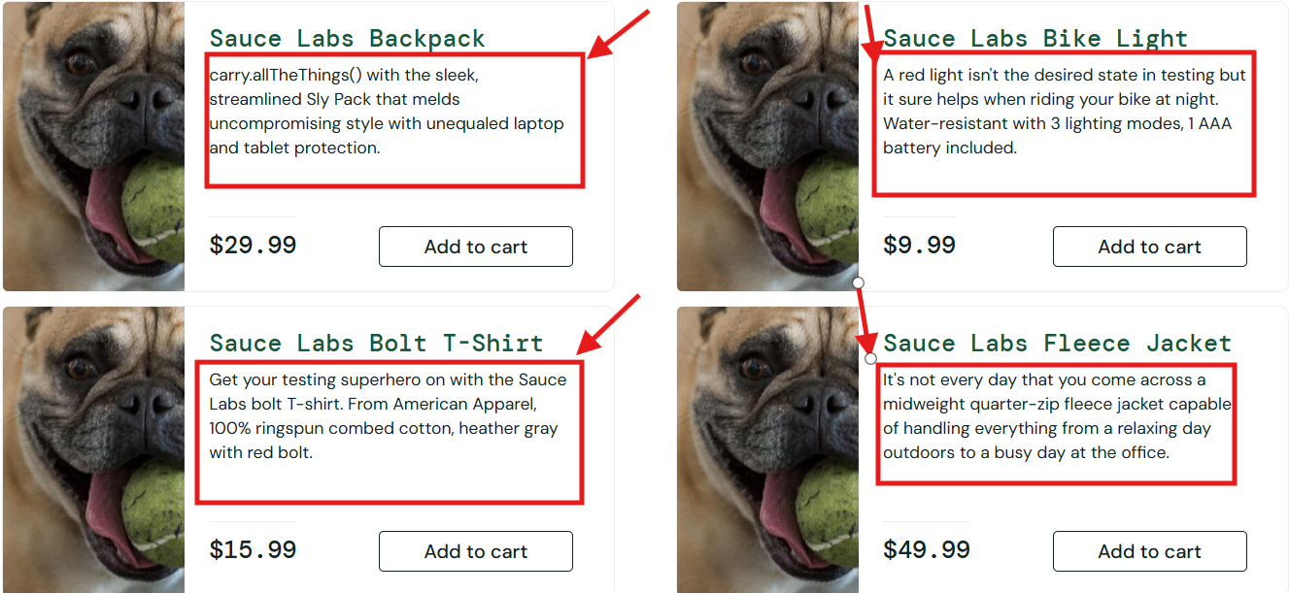
Environment | Platform | Web Application | Web Application | Web Application
 | Operating System | Windows 11 | Windows 11 | Windows 11
 | Browser | chrome 126 | chrome 126 | chrome 126
Bug details | Steps to reproduce | 1-Connected WIFI 2-Browser "chrome 126" is opened 3-URL "https://www.saucedemo.com/" is navigated 4-Log in using the problem_user account 5- Locate The product 6- Observe the displayed product image | 1-Connected WIFI 2-Browser "chrome 126" is opened 3-URL "https://www.saucedemo.com/" is navigated 4-Log in using the problem_user account 5-Open the product page 6-Locate Product 7- Observe the displayed product Name | 1-Connected WIFI 2-Browser "chrome 126" is opened 3-URL "https://www.saucedemo.com/" is navigated 4-Log in using the problem_user account 5-Open the product page 6-Locate Product 7- Observe the displayed product description
 | Expected result | The displayed product image matches the selected product | The product Name is displayed correctly | The displayed product description matches the selected product
 | Actual result | A different product image is displayed instead of the correct product image | The product Name is displayed incorrectly | A different product description is displayed instead of the correct product description
 | Description
Bug tracking | Severity | Medium | Low | Medium
 | Assigned to
 | Priority | Medium | High | Medium
Notes | Notes

