Sheet1
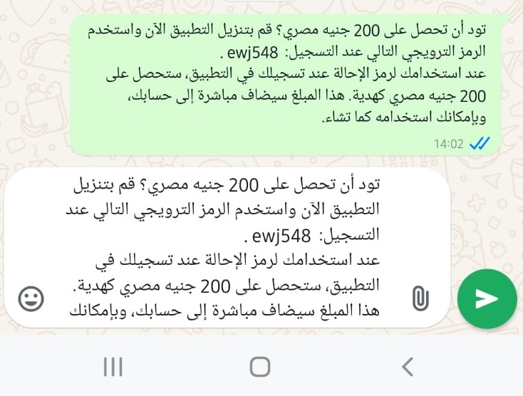
Category | Lable | Value
Bug ID | Bug Id Number | #003
 | Reporter Name | mohamedRezk
 | Assigned Developer | amr
 | Submit Date | 26/10/2024
 | Due Date | 2024-07-11
Bug Over View | Summary | share a code via whats app
 | URL | Elgameya App
 | Screenshot
Environment | Platform | Android
 | Operating System | Android 11
 | Network | Wifi & 4G
Bug Details | Steps To Reproduce | 1- Open Elgameya App 2- login to the app With valid mobile number 3- enter otp 4-from home page I will select my account then go to "اعزم صحابك" 5-click on WhatsApp icon to share my code with friends
 | Expected Results | share my code and show the details with App name or Website Name or link
 | Actual Results | no app name shows on the message or link
Bug Tracking | Severity | low
 | Priority | high
Notes

