Sheet1
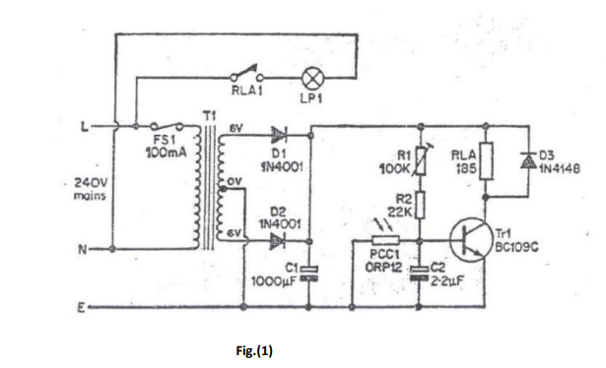
Project 1 components
 | part number | Quantity
Diodes | 1N4001 | 3
Caps | 1000uF/25V | 1
 | 2.2uF | 1
LDR | ORP12 or equivalent | 1
BJT,npn | BC109C | 1
Resistor | 22k | 1
Potentiometer | 100k | 1
Relay | SRU-12VDC-SL-C | 1

Project2 Components

temperature sensor | LM35DZ | 1
OpAmp | uA741 | 2
BJT, pnp | 2N3702 | 1
LED | green | 1
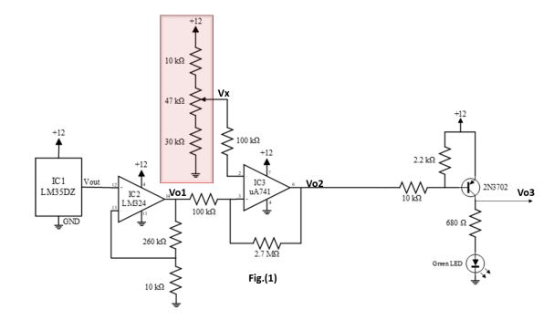
Potentiometer | 47k | 1
Resistor | 680 ohm | 1
Resistor | 2.2k | 1
Resistor | 10k | 3
Resistor | 30k | 1
Resistor | 100k | 2
Resistor | 260k | 1
Resistor | 2700k | 1

