N
N | sequential | parallel | median_sequential | median_parallel
1 | 0.000001 | 0.000743 | 0.00014 | 0.000575 | n_proc set to 16 children processes
50001 | 0.00014 | 0.000575 | 0.000345 | 0.000575
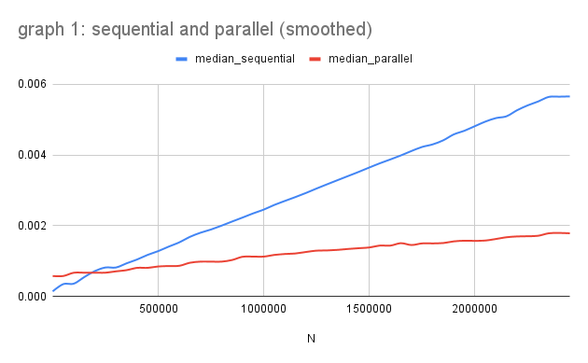
100001 | 0.000345 | 0.000547 | 0.000359 | 0.000668
150001 | 0.000359 | 0.000668 | 0.000546 | 0.000668
200001 | 0.000546 | 0.000806 | 0.000715 | 0.000669
250001 | 0.000837 | 0.000646 | 0.000816 | 0.000669
300001 | 0.000715 | 0.000669 | 0.000816 | 0.000707
350001 | 0.000816 | 0.000707 | 0.000934 | 0.000741
400001 | 0.000934 | 0.000741 | 0.001043 | 0.000806
450001 | 0.001043 | 0.000806 | 0.001173 | 0.000806
500001 | 0.001173 | 0.000845 | 0.00128 | 0.000845
550001 | 0.00128 | 0.000795 | 0.001408 | 0.000858
600001 | 0.001408 | 0.000858 | 0.001528 | 0.000864
650001 | 0.001528 | 0.000864 | 0.001683 | 0.00095
700001 | 0.001683 | 0.00095 | 0.0018 | 0.000982
750001 | 0.0018 | 0.000991 | 0.001891 | 0.000982
800001 | 0.001891 | 0.000982 | 0.002 | 0.000982
850001 | 0.002 | 0.000977 | 0.002117 | 0.001028
900001 | 0.002117 | 0.001028 | 0.002231 | 0.00112
950001 | 0.002231 | 0.001189 | 0.002348 | 0.001124
1000001 | 0.002348 | 0.00112 | 0.002455 | 0.001124
1050001 | 0.002455 | 0.001124 | 0.002587 | 0.001172
1100001 | 0.002587 | 0.001172 | 0.0027 | 0.001198
1150001 | 0.0027 | 0.001198 | 0.00281 | 0.001213
1200001 | 0.00281 | 0.001213 | 0.002926 | 0.001255
1250001 | 0.002926 | 0.001255 | 0.003051 | 0.001293
1300001 | 0.003051 | 0.001299 | 0.003171 | 0.001299
1350001 | 0.003171 | 0.001293 | 0.003289 | 0.001315
1400001 | 0.003289 | 0.001341 | 0.003406 | 0.001341
1450001 | 0.003406 | 0.001315 | 0.003523 | 0.001362
1500001 | 0.003523 | 0.001383 | 0.003646 | 0.001383
1550001 | 0.003646 | 0.001362 | 0.003766 | 0.001436
1600001 | 0.003766 | 0.001436 | 0.003875 | 0.001436
1650001 | 0.003875 | 0.001555 | 0.003989 | 0.001504
1700001 | 0.003989 | 0.001408 | 0.004114 | 0.001452
1750001 | 0.004114 | 0.001504 | 0.004228 | 0.001498
1800001 | 0.004228 | 0.001452 | 0.0043 | 0.001498
1850001 | 0.0043 | 0.001498 | 0.004415 | 0.001508
1900001 | 0.004415 | 0.001508 | 0.004583 | 0.001555
1950001 | 0.004583 | 0.001574 | 0.004685 | 0.001574
2000001 | 0.004685 | 0.001555 | 0.004816 | 0.00157
2050001 | 0.004816 | 0.001579 | 0.004946 | 0.001579
2100001 | 0.004946 | 0.00157 | 0.005045 | 0.001623
2150001 | 0.005045 | 0.001672 | 0.005096 | 0.001672
2200001 | 0.005096 | 0.001623 | 0.005267 | 0.001695
2250001 | 0.005267 | 0.001695 | 0.005404 | 0.001701
2300001 | 0.005404 | 0.001701 | 0.005515 | 0.001714
2350001 | 0.005515 | 0.001714 | 0.005644 | 0.001784
2400001 | 0.005644 | 0.001803 | 0.005651 | 0.0017935
2450001 | 0.005658 | 0.001784 | 0.005658 | 0.001784

n_proc
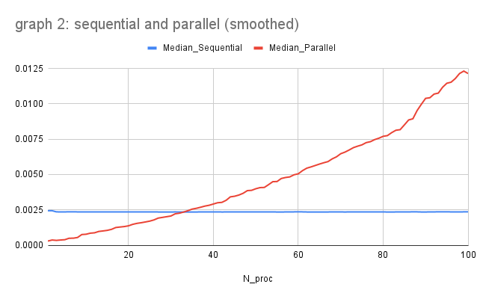
N_proc | Sequential | Parallel | Median_Sequential | Median_Parallel
1 | 0.002349 | 0.000164 | 0.00244 | 0.000292 | N set to 1M data points
2 | 0.00244 | 0.000451 | 0.00244 | 0.000366
3 | 0.002442 | 0.000292 | 0.002358 | 0.000339
4 | 0.002358 | 0.000366 | 0.002355 | 0.000366
5 | 0.002351 | 0.000339 | 0.002355 | 0.000388
6 | 0.002355 | 0.000388 | 0.002361 | 0.000491
7 | 0.002361 | 0.000494 | 0.002361 | 0.000494
8 | 0.002361 | 0.000491 | 0.002356 | 0.000545
9 | 0.002356 | 0.000545 | 0.002352 | 0.000753
10 | 0.002348 | 0.000774 | 0.002352 | 0.000774
11 | 0.002352 | 0.000753 | 0.002352 | 0.000849
12 | 0.002352 | 0.000849 | 0.002352 | 0.000876
13 | 0.002355 | 0.000876 | 0.002355 | 0.000972
14 | 0.002348 | 0.000972 | 0.002352 | 0.001008
15 | 0.002357 | 0.001008 | 0.002352 | 0.001049
16 | 0.002352 | 0.001049 | 0.002351 | 0.00112
17 | 0.002348 | 0.00112 | 0.002351 | 0.001249
18 | 0.002351 | 0.001249 | 0.002351 | 0.001285
19 | 0.002351 | 0.001285 | 0.002352 | 0.001317
20 | 0.002352 | 0.001317 | 0.002355 | 0.00137
21 | 0.002361 | 0.00137 | 0.002355 | 0.001475
22 | 0.002355 | 0.001475 | 0.002355 | 0.001544
23 | 0.002352 | 0.001544 | 0.002352 | 0.001589
24 | 0.002355 | 0.001589 | 0.002355 | 0.001644
25 | 0.002351 | 0.001644 | 0.002356 | 0.001702
26 | 0.002356 | 0.001702 | 0.002356 | 0.001788
27 | 0.002356 | 0.001788 | 0.00235 | 0.001917
28 | 0.00235 | 0.001966 | 0.002349 | 0.001966
29 | 0.002349 | 0.001917 | 0.002349 | 0.002016
30 | 0.002349 | 0.002016 | 0.002349 | 0.002065
31 | 0.002351 | 0.002065 | 0.002351 | 0.00222
32 | 0.002348 | 0.00222 | 0.002348 | 0.002264
33 | 0.002351 | 0.002264 | 0.00235 | 0.002346
34 | 0.002346 | 0.002346 | 0.00235 | 0.002442
35 | 0.00235 | 0.002442 | 0.00235 | 0.002553
36 | 0.00235 | 0.002553 | 0.00235 | 0.00261
37 | 0.002351 | 0.00261 | 0.002351 | 0.002685
38 | 0.002347 | 0.002685 | 0.002351 | 0.002766
39 | 0.002362 | 0.002766 | 0.002353 | 0.002824
40 | 0.002351 | 0.002824 | 0.002351 | 0.002913
41 | 0.002353 | 0.002913 | 0.002353 | 0.003003
42 | 0.00235 | 0.003003 | 0.00235 | 0.003029
43 | 0.002353 | 0.003029 | 0.002351 | 0.003175
44 | 0.00235 | 0.003175 | 0.002351 | 0.003419
45 | 0.002351 | 0.003419 | 0.002352 | 0.003463
46 | 0.002354 | 0.003463 | 0.002352 | 0.003547
47 | 0.002352 | 0.003547 | 0.002352 | 0.003671
48 | 0.00235 | 0.003671 | 0.002353 | 0.00386
49 | 0.002353 | 0.003881 | 0.002353 | 0.003881
50 | 0.002353 | 0.00386 | 0.002353 | 0.003994
51 | 0.002353 | 0.003994 | 0.002353 | 0.004074
52 | 0.002353 | 0.004074 | 0.002353 | 0.004085
53 | 0.002351 | 0.004085 | 0.002354 | 0.004283
54 | 0.002356 | 0.004283 | 0.002354 | 0.004493
55 | 0.002354 | 0.004505 | 0.002349 | 0.004505
56 | 0.002349 | 0.004493 | 0.002349 | 0.004719
57 | 0.002346 | 0.004719 | 0.002351 | 0.004789
58 | 0.002352 | 0.004789 | 0.002352 | 0.004831
59 | 0.002351 | 0.004831 | 0.002357 | 0.004981
60 | 0.002357 | 0.004981 | 0.002357 | 0.00505
61 | 0.00236 | 0.00505 | 0.002357 | 0.005275
62 | 0.002357 | 0.005275 | 0.00235 | 0.005449
63 | 0.00235 | 0.005449 | 0.00235 | 0.005538
64 | 0.002349 | 0.005538 | 0.002349 | 0.005639
65 | 0.002354 | 0.005639 | 0.00235 | 0.00574
66 | 0.002349 | 0.00574 | 0.002349 | 0.005832
67 | 0.00235 | 0.005832 | 0.00235 | 0.005914
68 | 0.002347 | 0.005914 | 0.002352 | 0.006108
69 | 0.002355 | 0.006108 | 0.002352 | 0.006251
70 | 0.002352 | 0.006251 | 0.002351 | 0.006471
71 | 0.002349 | 0.006471 | 0.00235 | 0.006585
72 | 0.002351 | 0.006585 | 0.002351 | 0.006737
73 | 0.00235 | 0.006737 | 0.002351 | 0.006903
74 | 0.002351 | 0.006903 | 0.002351 | 0.007007
75 | 0.002351 | 0.007007 | 0.002351 | 0.007098
76 | 0.002351 | 0.007098 | 0.002351 | 0.007257
77 | 0.002351 | 0.007324 | 0.002353 | 0.007324
78 | 0.002355 | 0.007257 | 0.002354 | 0.007471
79 | 0.002353 | 0.007471 | 0.002354 | 0.007571
80 | 0.002354 | 0.007571 | 0.002354 | 0.007703
81 | 0.002356 | 0.007703 | 0.002348 | 0.007753
82 | 0.002347 | 0.007753 | 0.002348 | 0.007962
83 | 0.002348 | 0.007962 | 0.002351 | 0.008132
84 | 0.002351 | 0.008132 | 0.002352 | 0.008173
85 | 0.002352 | 0.008173 | 0.002353 | 0.008511
86 | 0.002353 | 0.008511 | 0.002356 | 0.00886
87 | 0.002356 | 0.00886 | 0.002358 | 0.008944
88 | 0.002359 | 0.008944 | 0.002358 | 0.009526
89 | 0.002358 | 0.009526 | 0.002349 | 0.009973
90 | 0.002345 | 0.009973 | 0.002349 | 0.010389
91 | 0.002349 | 0.010389 | 0.002353 | 0.010432
92 | 0.002354 | 0.010432 | 0.002354 | 0.010692
93 | 0.002353 | 0.010761 | 0.002362 | 0.010761
94 | 0.002363 | 0.010692 | 0.002363 | 0.011174
95 | 0.002362 | 0.011174 | 0.002362 | 0.011458
96 | 0.002382 | 0.011458 | 0.002355 | 0.011531
97 | 0.002346 | 0.011531 | 0.002352 | 0.011791
98 | 0.002355 | 0.011791 | 0.002355 | 0.012147
99 | 0.002352 | 0.012492 | 0.0023575 | 0.0123195
100 | 0.002363 | 0.012147 | 0.002363 | 0.012147

