Box and Whisker Explanation
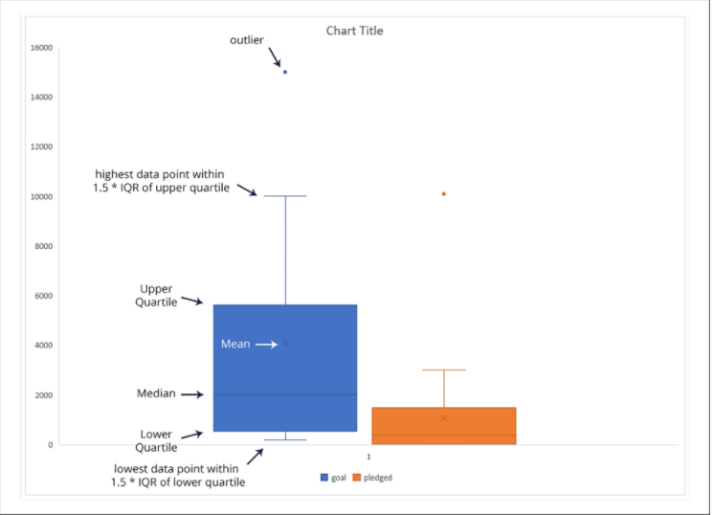

From these plots, we can see that the mean campaign goal is around £4,000. This is outside of the range of outliers for amount pledged, so Louise should probably try to get her play produced for less than £4,000. Half of the campaign goals are less than £2,000, which is just over the 3rd quartile for amounts pledged.

When the mean is higher than the median, the data is considered to be skewed to the right (Heavily Skewed). When the median is higher than the mean, the data is skewed left (Slightly Skewed).

Because each quartile is a quarter of the data, when the lower quartile sits exactly on the x-axis, it means that a quarter of the data does not have a value.

Category Statistics
country | US

Parent Category Outcomes
Count of outcomes | Column Labels
Row Labels | canceled | failed | live | successful | Grand Total
theater | 26 | 349 | 12 | 525 | 912
Grand Total | 26 | 349 | 12 | 525 | 912

Subcategory Statistics
country | GB
Parent category | (All)

Count of outcomes | Column Labels
Row Labels | failed | live | successful | Grand Total
plays | 70 | 6 | 238 | 314
Grand Total | 70 | 6 | 238 | 314

Outcomes Based on Launch Date
Parent category | (All)

 | canceled | failed | live | successful | (blank)
Jan | 34 | 149 | 2 | 182
Feb | 27 | 106 | 18 | 202
Mar | 28 | 108 | 30 | 180
Apr | 27 | 102 |  | 192
May | 26 | 126 |  | 234
Jun | 27 | 147 |  | 211
Jul | 43 | 150 |  | 194
Aug | 33 | 134 |  | 166
Sep | 24 | 127 |  | 147
Oct | 20 | 149 |  | 183
Nov | 37 | 114 |  | 183
Dec | 23 | 118 |  | 111
Count of outcomes | Column Labels
Row Labels | canceled | failed | live | successful | (blank) | Grand Total
Jan | 34 | 149 | 2 | 182 |  | 367
Feb | 27 | 106 | 18 | 202 |  | 353
Mar | 28 | 108 | 30 | 180 |  | 346
Apr | 27 | 102 |  | 192 |  | 321
May | 26 | 126 |  | 234 |  | 386
Jun | 27 | 147 |  | 211 |  | 385
Jul | 43 | 150 |  | 194 |  | 387
Aug | 33 | 134 |  | 166 |  | 333
Sep | 24 | 127 |  | 147 |  | 298
Oct | 20 | 149 |  | 183 |  | 352
Nov | 37 | 114 |  | 183 |  | 334
Dec | 23 | 118 |  | 111 |  | 252
Grand Total | 349 | 1530 | 50 | 2185 |  | 4114

