Five Steps
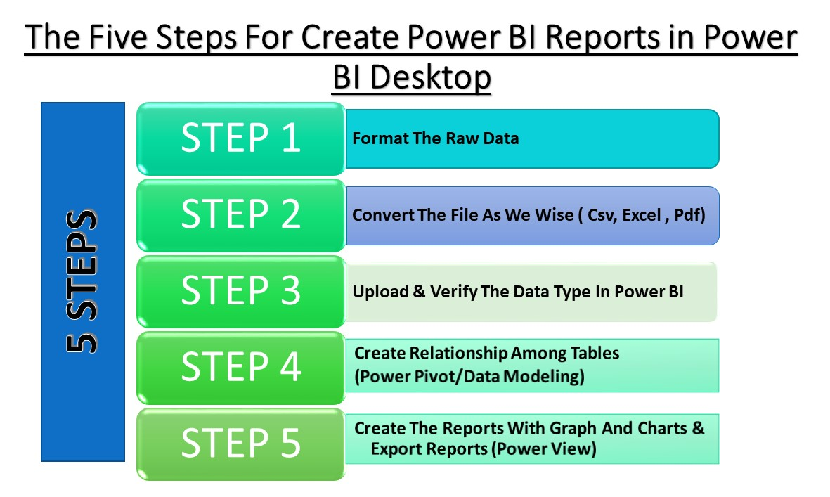
Nama Cool Fruit Corner Has Four Branches in Wordwide (UK ,USA ,Italy, France) and They Collected Sales Data For The Year of 2019,2020,2021. The Manager want to analysis the report to Take Importance Decision About Business.

