Five Steps
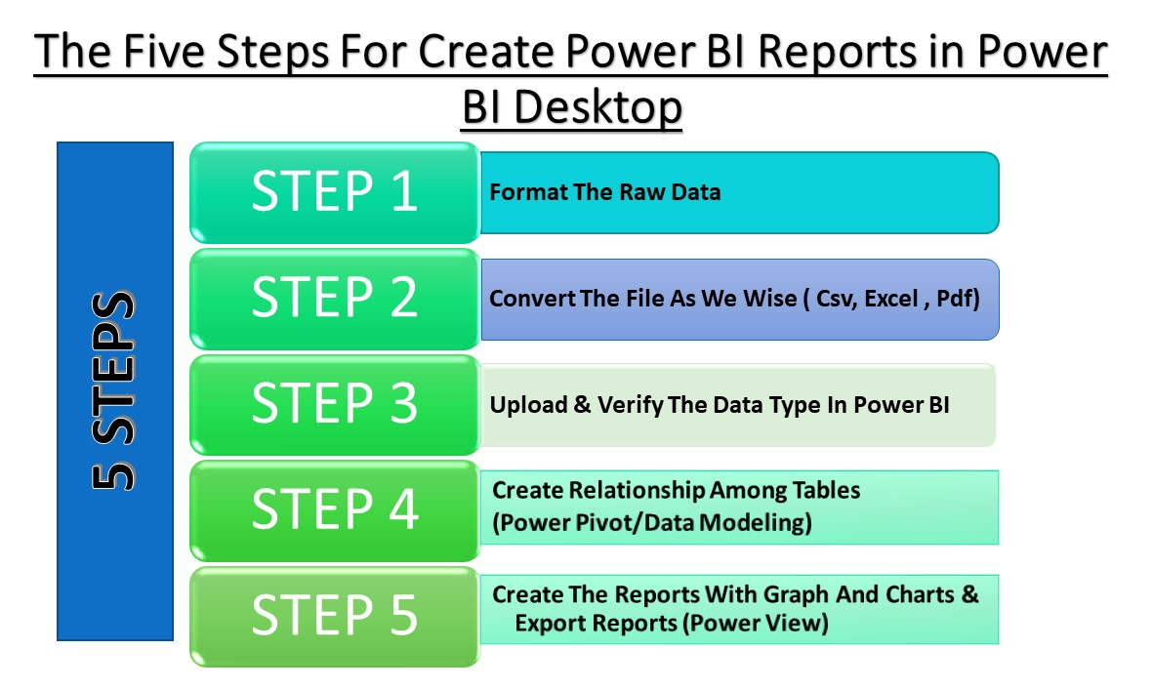
There are 1068 Workers Are Working in Mubeen's Food Corner.The Human Resourse Manager wants to analysis the Employees Details to Take Importance Decision About Business.

