Sheet1
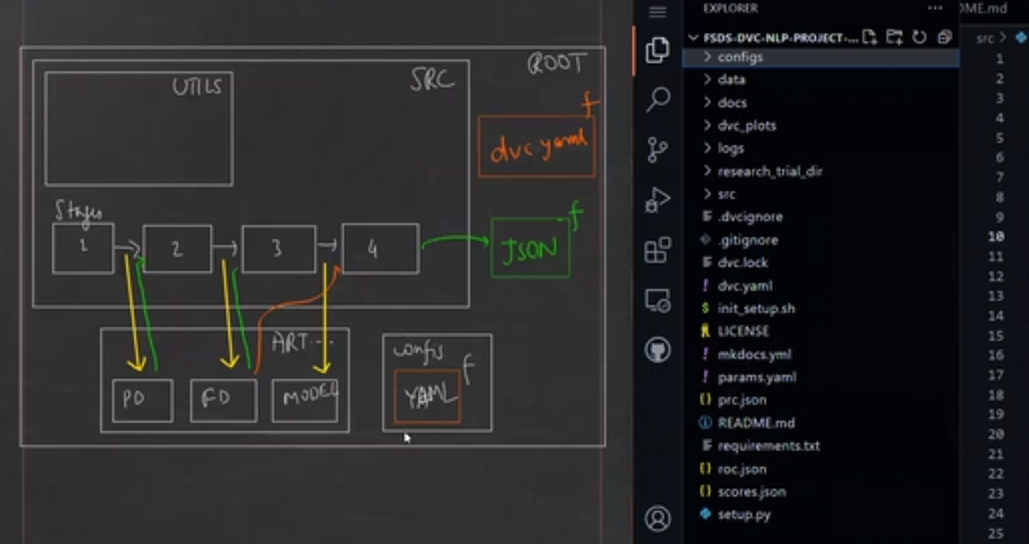
 | ABOUT DATA
 | File : data.xml
 | It is the data of Stackoverflow comments where people have asked quesries. It has row_Id, creation date, title, body, view count, links, tags showing the langauge and type, etc
 | GOAL
 | This is the NLP problem, where we have to identify the tags by reading the body.

 | METHODS
 | First we will try with Machine Learning.
 | Then we will try it with using Transformers.

 | STEPS
 | Initial Steps : Files
 | Create config/config.yml and write the configurations that will be used in project
 | Create mkdocs.yml and define the interface and details of Documentation
 | we can either use requiremets.txt or conda.yml file for installing dependencies
 | We can create README.md file in root directory to show readme in github project repository
 | Creating setup.py having directory names and other details like version, etc so that we can use these directories as package in our project, and init_setup.sh having python commads to execute the steps for creating, activating environmnet and install requirements.txt or or conda.yml or we can add more steps as required Command to run in terminal : bash init_setup.sh

 | Initial Steps : Folders
 | Create log folder in root directory where we want to save the log file of our project.
 | Create a docs folder in root dir having javascript/mathjax.js file and img folder having images and pages file with .md extension. It will be used by mkdocs for documentation
 | mkdocs reads the pages from docs folder
 | Create the pages as required in docs folder in root dir
 | Create data folder in root directory and put the main data file in it.
 | src folder in root dir will have all the stagewise files of project and src/utils folder will have functions to be used in stages files

 | DevOps Part of Project
 | Note : For creating CI/CD Pipelien we can use many services like GitHub Actions, Circle CI, etc.
 | CI/CD - For Github Actions:

 | General Steps:
 | If there are multiply python files in a folder that are required to be imported, then instead of importing every file, we will import the main directory having all those files. But to do so we have to write import statement in init.py present in the folder.
 | For example - If utils folder have files init.py, common.py, data_mgmt.py, etc. So in init.py, we will write import statement for common.py, data_mgmt, and other files like from src.utils.common import * and after than we can import the function of all the modules present in utils folder just by importing only the utils folder in python file i.e. Instead of from src.utils.common import function, we have to call only from src.utils import function. By this way we can import any function of any module present in a folder without calling the module because we have already called that module in init.py

 | NOTE : In this project instead of stages as file we will create direcotry of stages having files required at that stage within them.
 | Stage 1 : Data Preparation
 | Create a template in src/stage_01_prepare_data.py
 | Give stage name within template "Prepare_data"
 | Let's create stagewise docs in docs folder for better documenation and update that into mkdocs.yml too.
 | In params.yaml present in root directory, we have to give the parameters that will be required in the data preparation stage
 | Write a function in src/utils/common.py to to read params.yaml and config.yaml file.
 | Write a function in src/utils/common.py to create directories.
 | Use a function from src/utils/common.py to create artifacts/prepared folder which will take the dir names from config.yml file
 | Create data_mgmt.py file in src/utils folder and write a function to process the data and get train and test split data and save them inside artifacts/prepared folder
 | Keep logging at the end of every function
 | Use this function in src/stage_01_prepare_data.py

 | Stage 2 : Data Preparation
 | Create a template in src/stage_02_featurization.py
 | Give stage name within template "Featurization"
 | Let's create stagewise docs in docs folder for better documenation and update that into mkdocs.yml too.
 | In params.yaml present in root directory, we have to give the parameters that will be required in the featurization stage
 | Use a function from src/utils/common.py to create artifacts/features folder which will take the dir names from config.yml file
 | We will also create bag_of_words using CountVectorizer and Tfidf matrix (see NLP.xlsx for details). The purpose of this is that one single word not carry any meaning or context but group of words are meaningful.
 | Note : One important thing I would like to add here is both Tfidfvectorizer() and Tfidftransformer() perform the same calculation only difference is Tfidftransformer acts on sparse matrix (generated by CountVectorizer using raw text data) and Tfidfvectorizer acts directly on raw text data.
 | After getting the matrix of test and train data, we will save this featurized as train.pkl and test.pkl in artifacts/features folder
 | As we will be needing dataframe of the required data again and again, so let us create pandas datframe function in src/utils/common.py
 | Keep logging at the end of every function
 | Use this function in src/stage_02_featurization.py

 | Stage 3 : Training
 | Create a template in src/stage_03_train.py
 | Give stage name within template "Training"
 | Let's create stagewise docs in docs folder for better documenation and update that into mkdocs.yml too.
 | In params.yaml present in root directory, we have to give the parameters that will be required in the training stage.
 | Use a function from src/utils/common.py to create artifacts/model folder which will take the dir name from config.yml file.
 | Load the train data artifacts/features/train.pkl and define features and labels.
 | Use the train parameters from params.yaml while creating the ML model.
 | Train the model and save as model.pkl at artifacts/model folder

 | Stage 4 : Evaluation
 | Create a template in src/stage_04_evaluate.py
 | Give stage name within template "Evaluation"
 | Let's create stagewise docs in docs folder for better documenation and update that into mkdocs.yml too.
 | Use a function from src/utils/common.py to create artifacts/model folder which will take the dir name from config.yml file.
 | Load the test data artifacts/features/test.pkl and define features and labels.
 | Predict the labels from features of test data.
 | Evaluate the model using predicted labels and original labels of test and save the results in json file using save_json function of src/utils/common.py
 | Evaluation metrics like Precision-Recall Curve and ROC_AUC score to be used.
 | We can save the Precision-Recall Curve and ROC_AUC scores in json file and can visualize the plot.
 | Note : DVC will automatically take data and plot it if save in required format in json file.

