notes-1
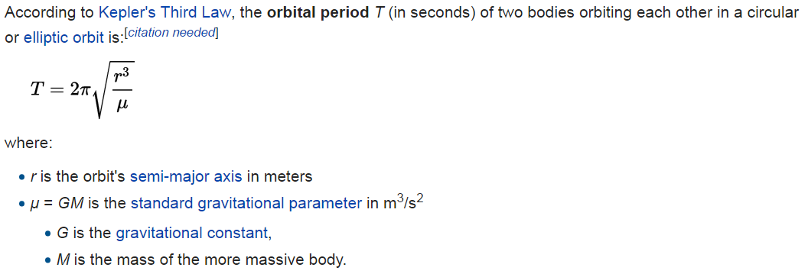
 | The values should be rounded to the nearest whole number

Earth Radius | 6367.4447 | orbitalPeriod([{name : "sputnik", avgAlt : 35873.5553}]) should return [{name: "sputnik", orbitalPeriod: 86400}]
GM | 398600.4418
avg alt | 35873.5553
r^3 | 7.5370704203521E+22
r^3/u | 189088361
2pi * root | 13751
 | 86411

