Figures
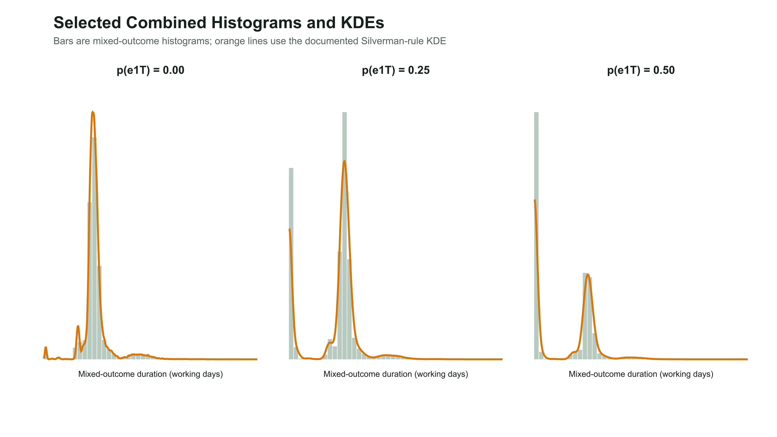
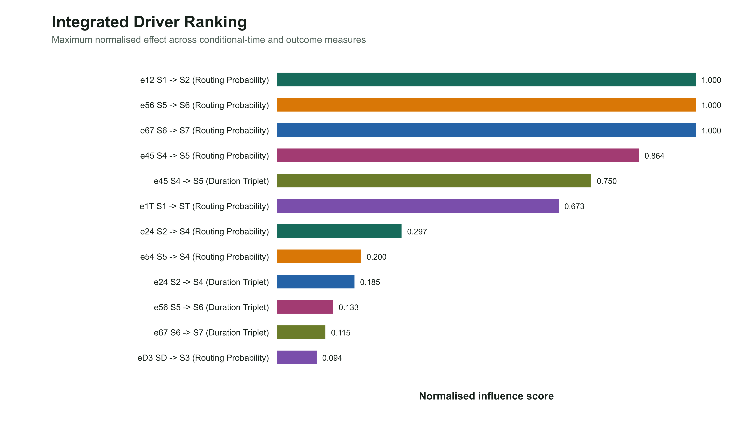
Publication Figure Gallery

01 Routing Probability Tornado P90 | 02 Routing Probability Tornado PSuccess
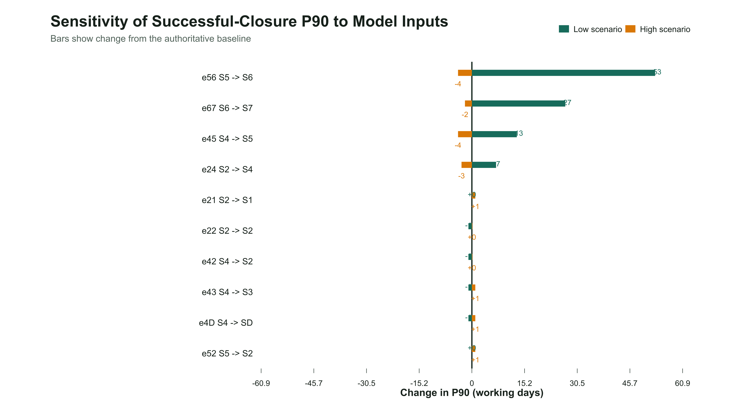
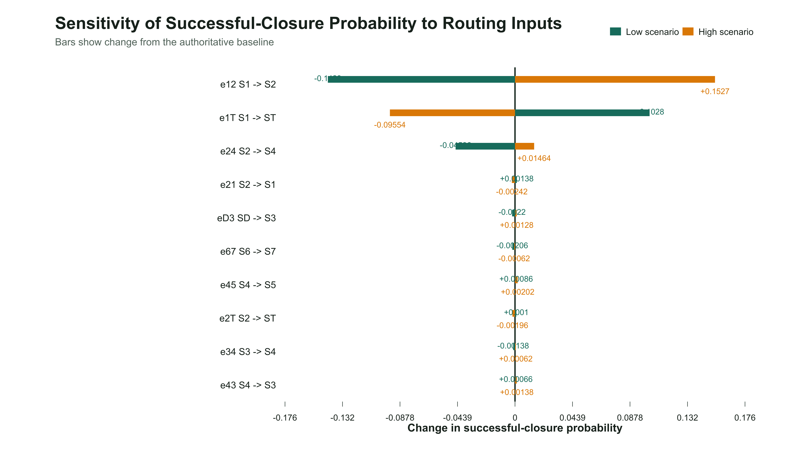

03 Duration Sensitivity Tornado P90 | 04 Loop Cap Robustness Comparison
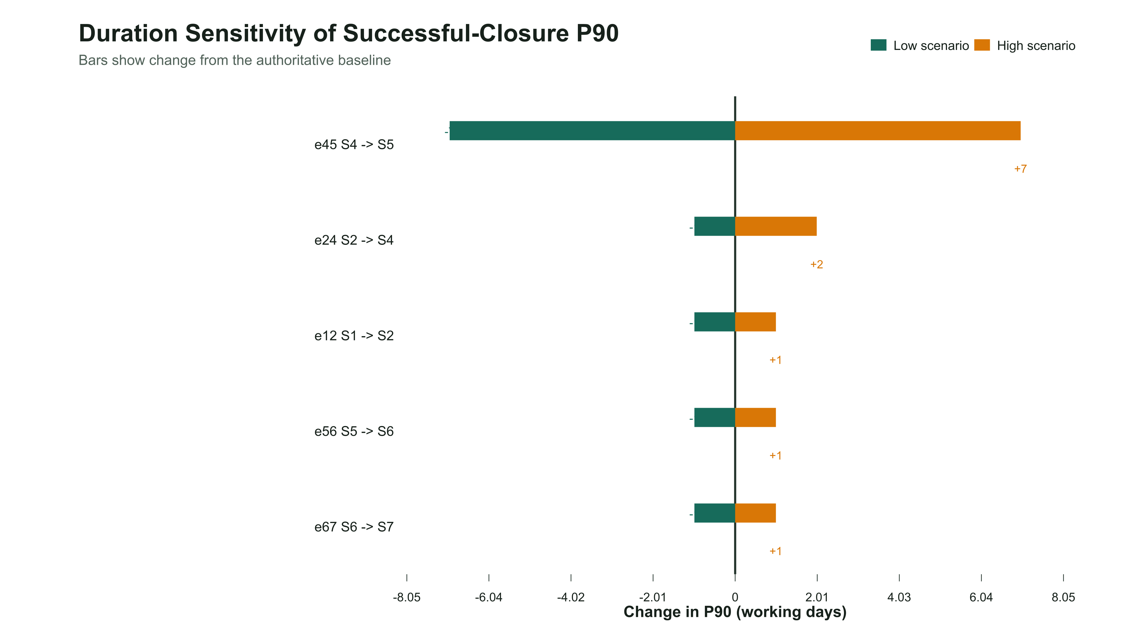
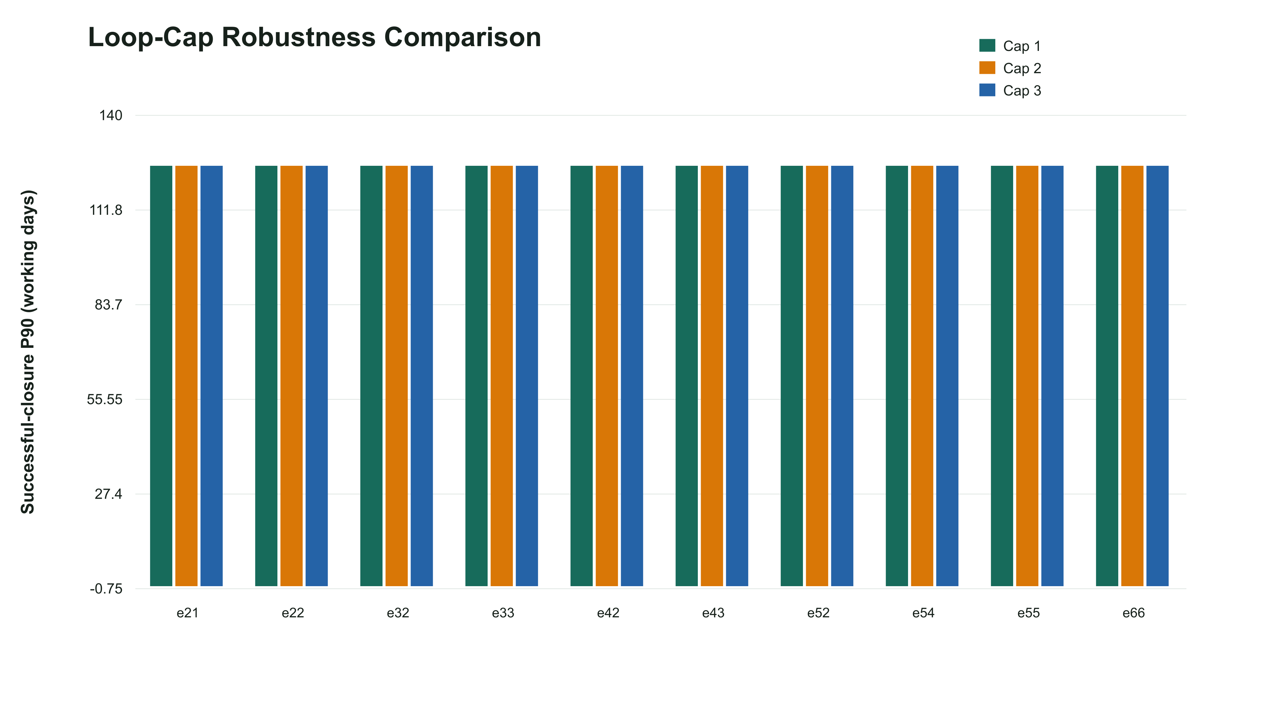

05 Distribution Family Robustness Comparison | 06 Seed Robustness Plot
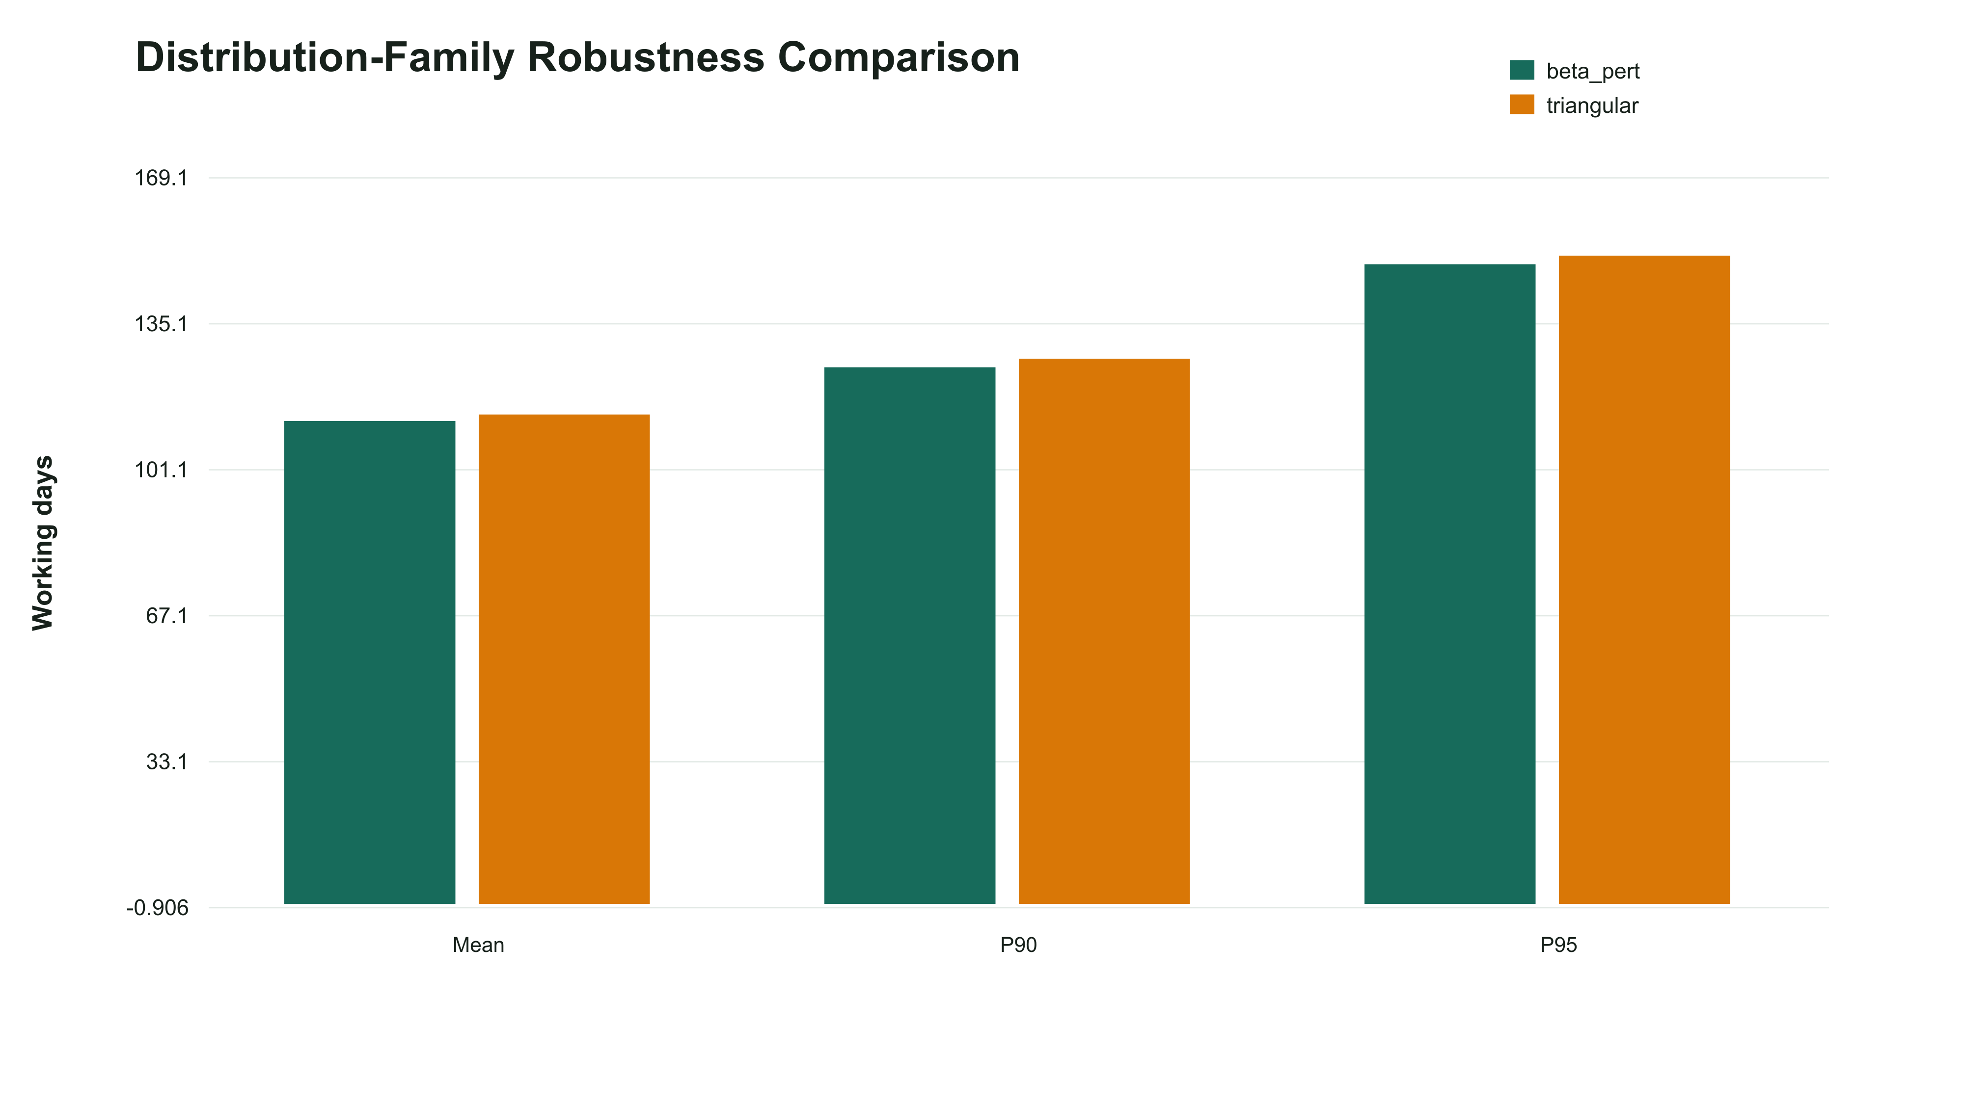
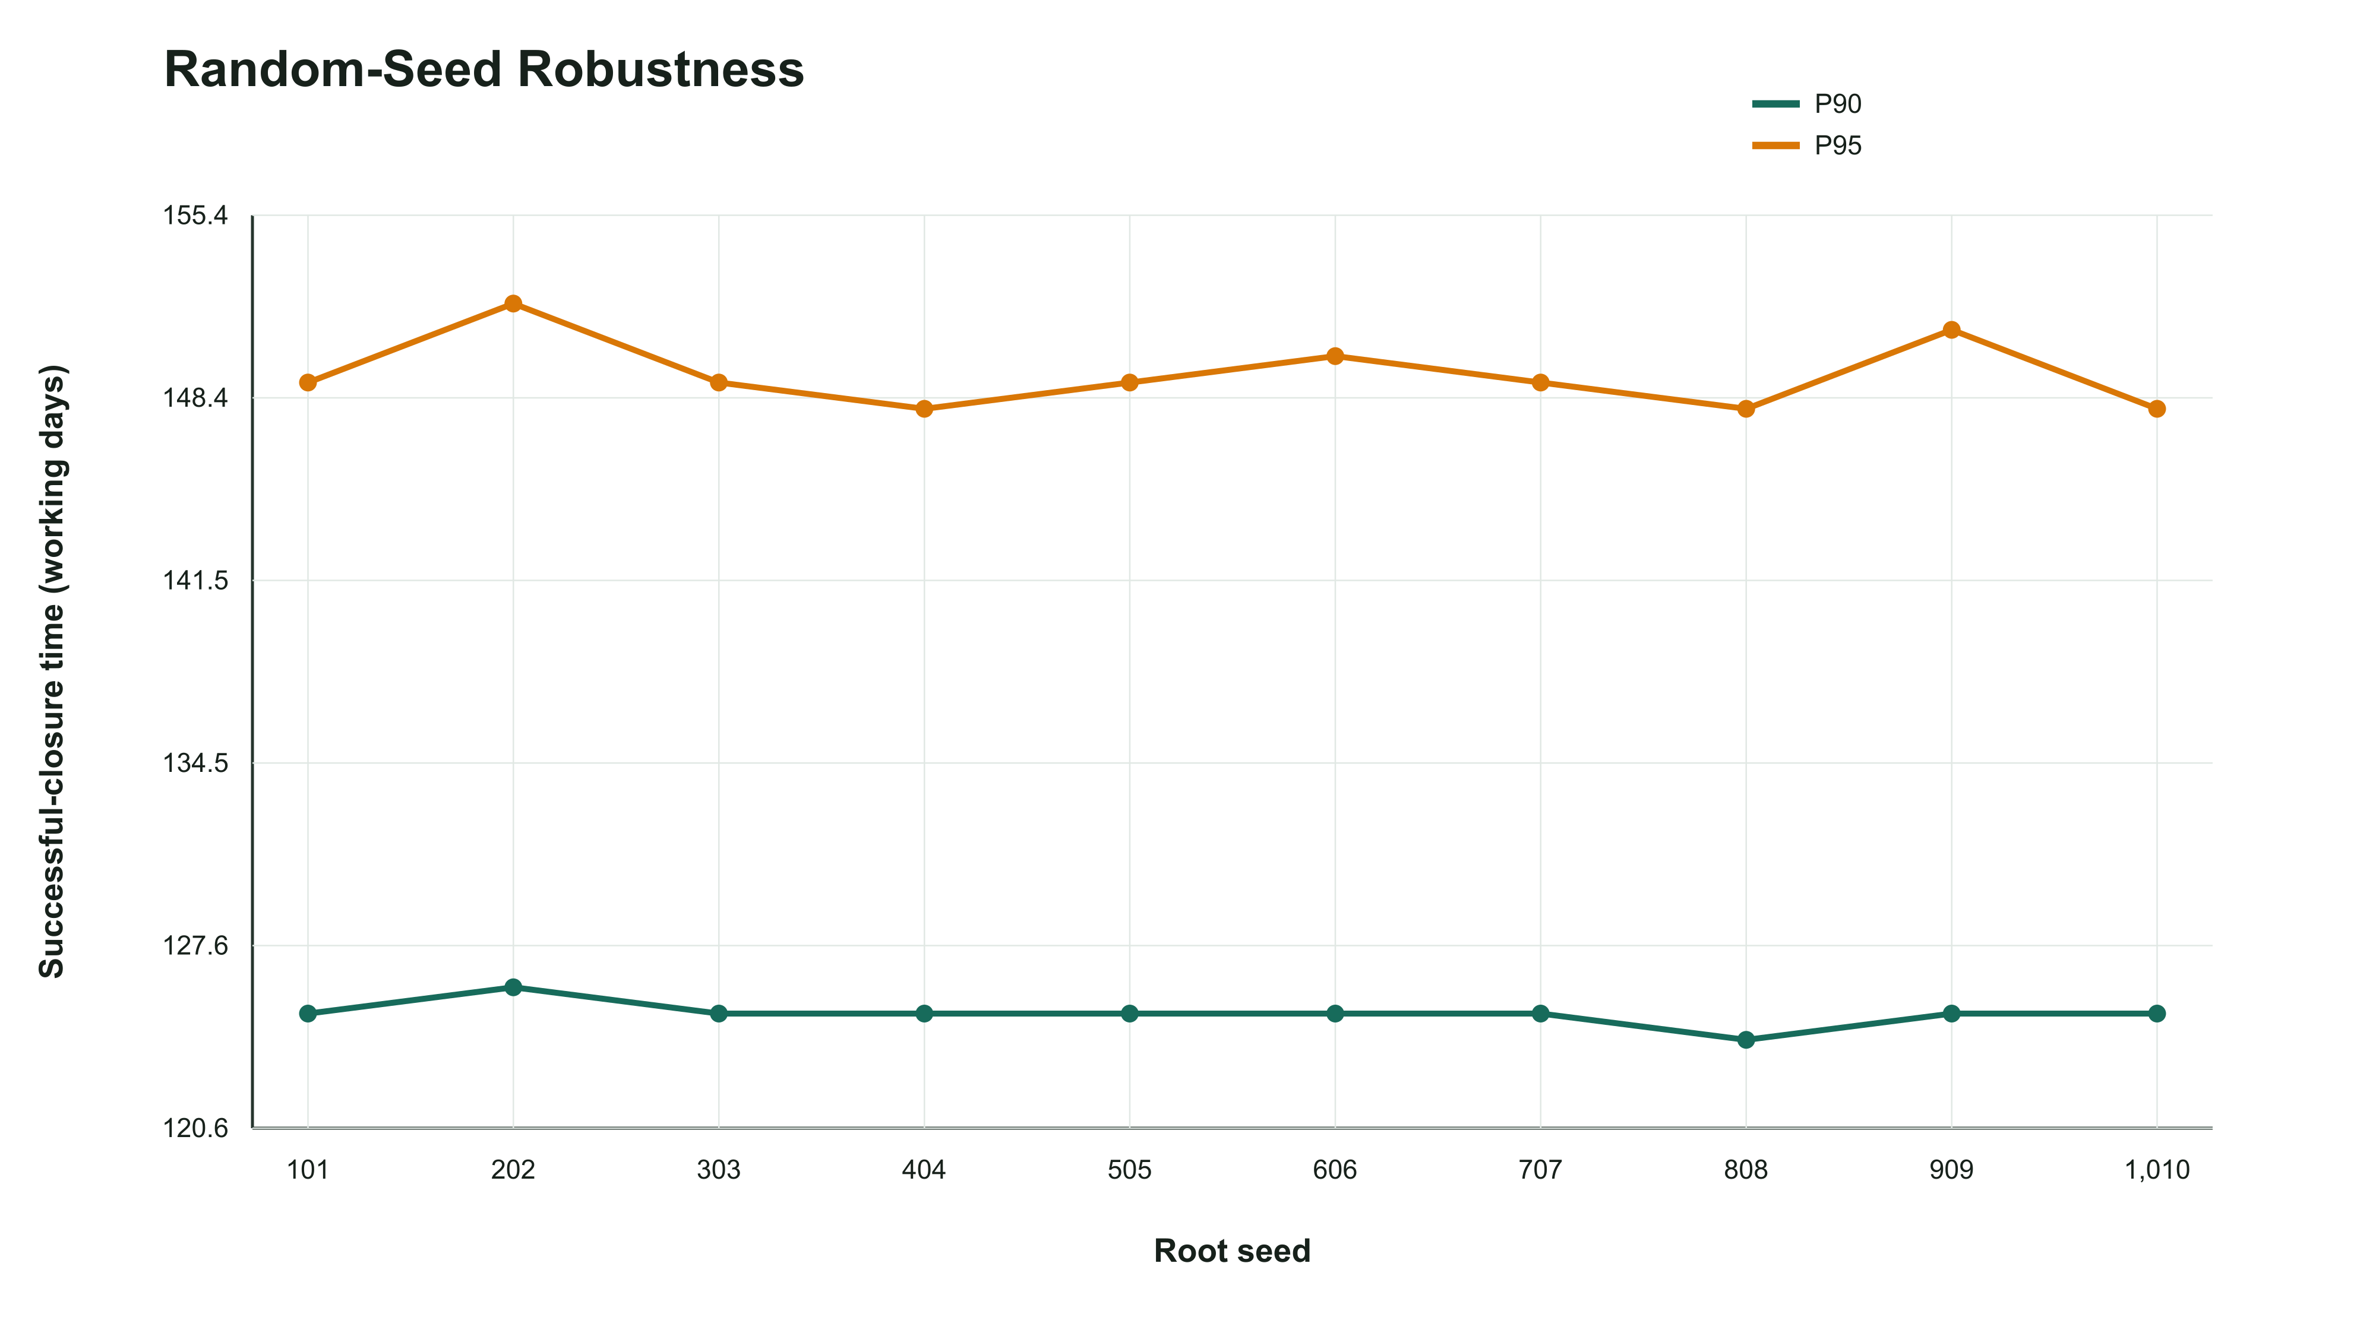

07 Replication Convergence Plot | 08 Early Exit Probability vs Outcome Probabilities
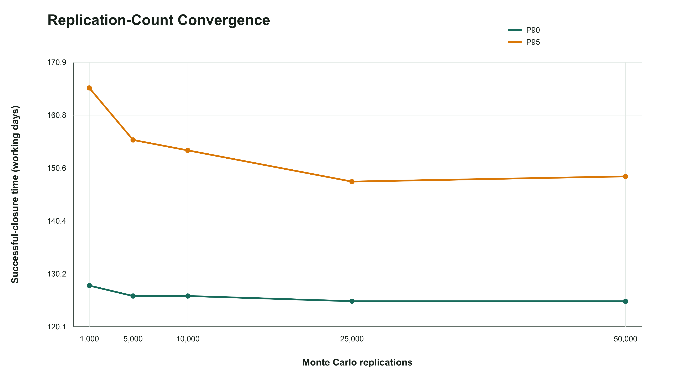
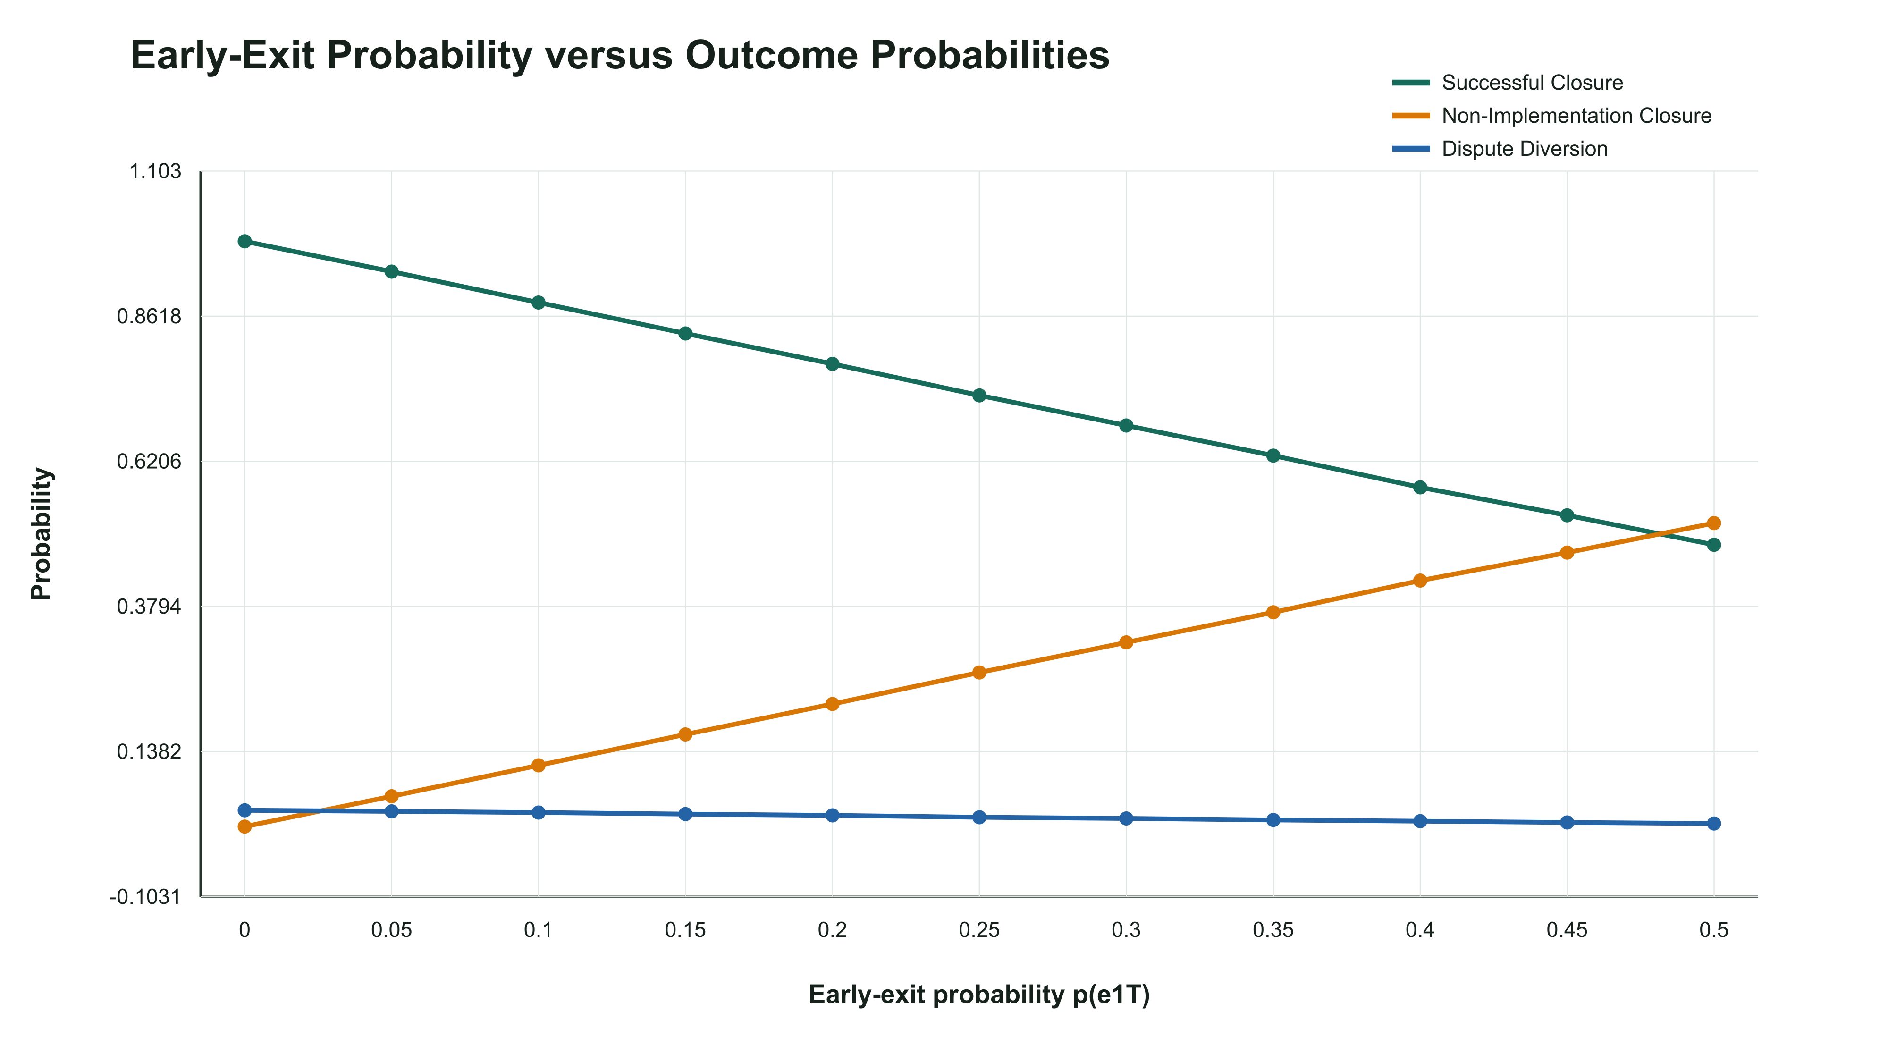

09 Early Exit Probability vs Successful P90 | 10 Bimodality Classification vs Early Exit Probability
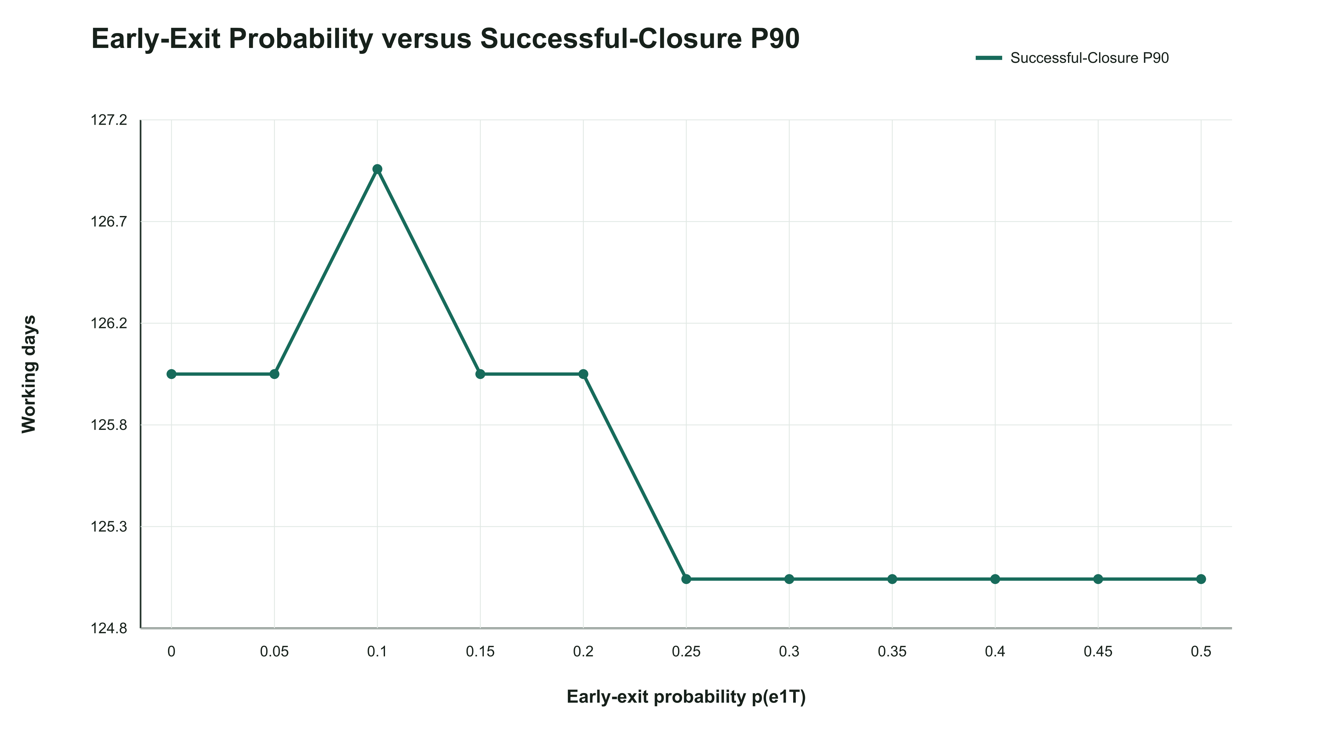
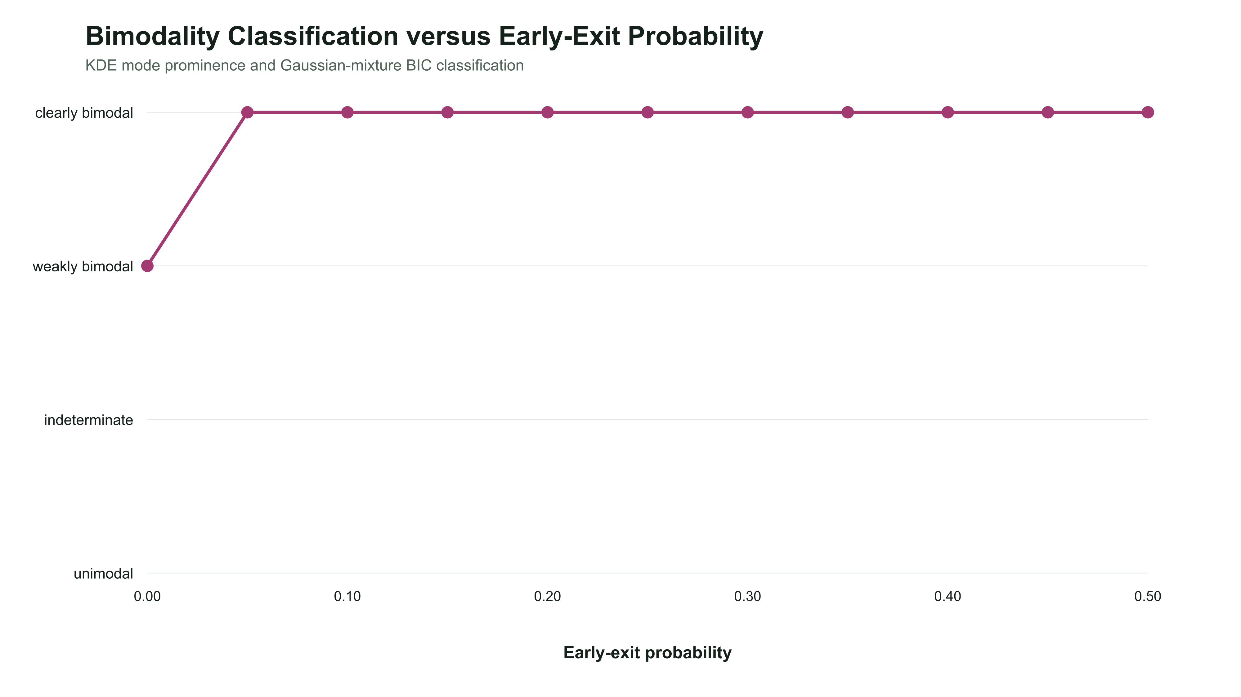

11 Selected Combined Histograms KDEs | 12 Integrated Driver Ranking

